Inverter History Report__17-08-
Inverter History Report_22/04/2023_Report

Inverter SN:054B7020C020044 |  | Inverter type:B7
Collector SN:4045086367 |  | Full Load Hours(h):4.40
Rated Power:10000Wp

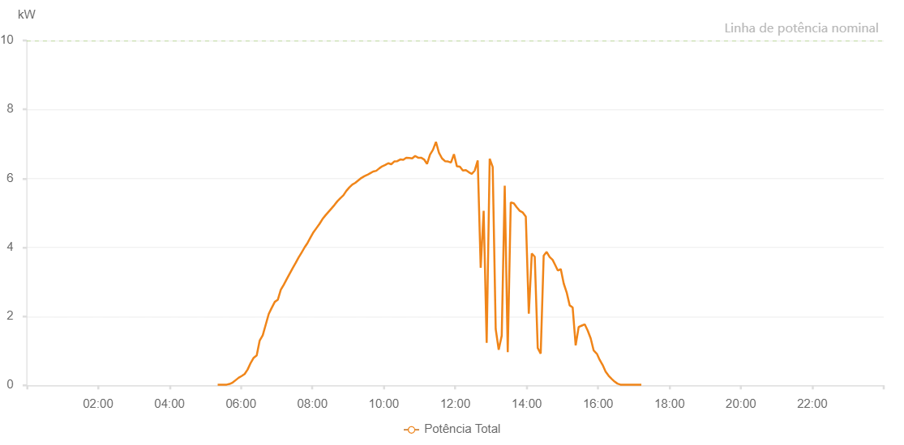

Number | Time | Working State | Alarm Code | Total Inverter Power(W)
1 | 22/04/2023 05:20:54 (UTC-4:00) | Normal |  | 20.000
2 | 22/04/2023 05:25:53 (UTC-4:00) | Normal |  | 20.000
3 | 22/04/2023 05:30:52 (UTC-4:00) | Normal |  | 20.000
4 | 22/04/2023 05:35:54 (UTC-4:00) | Normal |  | 20.000
5 | 22/04/2023 05:40:56 (UTC-4:00) | Normal |  | 40.000
6 | 22/04/2023 05:46:01 (UTC-4:00) | Normal |  | 80.000
7 | 22/04/2023 05:51:05 (UTC-4:00) | Normal |  | 150.000
8 | 22/04/2023 05:56:08 (UTC-4:00) | Normal |  | 220.000
9 | 22/04/2023 06:01:10 (UTC-4:00) | Normal |  | 270.000
10 | 22/04/2023 06:06:14 (UTC-4:00) | Normal |  | 330.000
11 | 22/04/2023 06:11:16 (UTC-4:00) | Normal |  | 460.000
12 | 22/04/2023 06:16:21 (UTC-4:00) | Normal |  | 650.000
13 | 22/04/2023 06:21:24 (UTC-4:00) | Normal |  | 800.000
14 | 22/04/2023 06:26:28 (UTC-4:00) | Normal |  | 870.000
15 | 22/04/2023 06:31:31 (UTC-4:00) | Normal |  | 1300.000
16 | 22/04/2023 06:36:36 (UTC-4:00) | Normal |  | 1450.000
17 | 22/04/2023 06:41:38 (UTC-4:00) | Normal |  | 1760.000
18 | 22/04/2023 06:46:42 (UTC-4:00) | Normal |  | 2070.000
19 | 22/04/2023 06:51:45 (UTC-4:00) | Normal |  | 2250.000
20 | 22/04/2023 06:56:50 (UTC-4:00) | Normal |  | 2420.000
21 | 22/04/2023 07:01:52 (UTC-4:00) | Normal |  | 2480.000
22 | 22/04/2023 07:06:56 (UTC-4:00) | Normal |  | 2770.000
23 | 22/04/2023 07:11:59 (UTC-4:00) | Normal |  | 2920.000
24 | 22/04/2023 07:16:59 (UTC-4:00) | Normal |  | 3080.000
25 | 22/04/2023 07:21:58 (UTC-4:00) | Normal |  | 3240.000
26 | 22/04/2023 07:26:57 (UTC-4:00) | Normal |  | 3400.000
27 | 22/04/2023 07:31:57 (UTC-4:00) | Normal |  | 3550.000
28 | 22/04/2023 07:36:57 (UTC-4:00) | Normal |  | 3710.000
29 | 22/04/2023 07:41:57 (UTC-4:00) | Normal |  | 3850.000
30 | 22/04/2023 07:46:56 (UTC-4:00) | Normal |  | 4000.000
31 | 22/04/2023 07:51:56 (UTC-4:00) | Normal |  | 4130.000
32 | 22/04/2023 07:56:55 (UTC-4:00) | Normal |  | 4290.000
33 | 22/04/2023 08:01:54 (UTC-4:00) | Normal |  | 4440.000
34 | 22/04/2023 08:06:54 (UTC-4:00) | Normal |  | 4560.000
35 | 22/04/2023 08:11:56 (UTC-4:00) | Normal |  | 4680.000
36 | 22/04/2023 08:16:58 (UTC-4:00) | Normal |  | 4820.000
37 | 22/04/2023 08:22:02 (UTC-4:00) | Normal |  | 4930.000
38 | 22/04/2023 08:27:04 (UTC-4:00) | Normal |  | 5030.000
39 | 22/04/2023 08:32:08 (UTC-4:00) | Normal |  | 5130.000
40 | 22/04/2023 08:37:07 (UTC-4:00) | Normal |  | 5230.000
41 | 22/04/2023 08:42:07 (UTC-4:00) | Normal |  | 5340.000
42 | 22/04/2023 08:47:07 (UTC-4:00) | Normal |  | 5430.000
43 | 22/04/2023 08:52:07 (UTC-4:00) | Normal |  | 5510.000
44 | 22/04/2023 08:57:06 (UTC-4:00) | Normal |  | 5640.000
45 | 22/04/2023 09:02:06 (UTC-4:00) | Normal |  | 5740.000
46 | 22/04/2023 09:07:05 (UTC-4:00) | Normal |  | 5820.000
47 | 22/04/2023 09:12:04 (UTC-4:00) | Normal |  | 5870.000
48 | 22/04/2023 09:17:04 (UTC-4:00) | Normal |  | 5940.000
49 | 22/04/2023 09:22:03 (UTC-4:00) | Normal |  | 6010.000
50 | 22/04/2023 09:27:03 (UTC-4:00) | Normal |  | 6060.000
51 | 22/04/2023 09:32:02 (UTC-4:00) | Normal |  | 6100.000
52 | 22/04/2023 09:37:07 (UTC-4:00) | Normal |  | 6150.000
53 | 22/04/2023 09:42:10 (UTC-4:00) | Normal |  | 6200.000
54 | 22/04/2023 09:47:15 (UTC-4:00) | Normal |  | 6220.000
55 | 22/04/2023 09:52:18 (UTC-4:00) | Normal |  | 6290.000
56 | 22/04/2023 09:57:21 (UTC-4:00) | Normal |  | 6350.000
57 | 22/04/2023 10:02:25 (UTC-4:00) | Normal |  | 6390.000
58 | 22/04/2023 10:07:29 (UTC-4:00) | Normal |  | 6440.000
59 | 22/04/2023 10:12:32 (UTC-4:00) | Normal |  | 6410.000
60 | 22/04/2023 10:17:35 (UTC-4:00) | Normal |  | 6490.000
61 | 22/04/2023 10:22:40 (UTC-4:00) | Normal |  | 6500.000
62 | 22/04/2023 10:27:44 (UTC-4:00) | Normal |  | 6550.000
63 | 22/04/2023 10:32:43 (UTC-4:00) | Normal |  | 6540.000
64 | 22/04/2023 10:37:43 (UTC-4:00) | Normal |  | 6600.000
65 | 22/04/2023 10:42:42 (UTC-4:00) | Normal |  | 6590.000
66 | 22/04/2023 10:47:42 (UTC-4:00) | Normal |  | 6580.000
67 | 22/04/2023 10:52:41 (UTC-4:00) | Normal |  | 6650.000
68 | 22/04/2023 10:57:41 (UTC-4:00) | Normal |  | 6600.000
69 | 22/04/2023 11:02:40 (UTC-4:00) | Normal |  | 6600.000
70 | 22/04/2023 11:07:40 (UTC-4:00) | Normal |  | 6550.000
71 | 22/04/2023 11:12:39 (UTC-4:00) | Normal |  | 6420.000
72 | 22/04/2023 11:17:39 (UTC-4:00) | Normal |  | 6690.000
73 | 22/04/2023 11:22:38 (UTC-4:00) | Normal |  | 6830.000
74 | 22/04/2023 11:27:39 (UTC-4:00) | Normal |  | 7060.000
75 | 22/04/2023 11:32:45 (UTC-4:00) | Normal |  | 6740.000
76 | 22/04/2023 11:37:46 (UTC-4:00) | Normal |  | 6580.000
77 | 22/04/2023 11:42:51 (UTC-4:00) | Normal |  | 6500.000
78 | 22/04/2023 11:47:52 (UTC-4:00) | Normal |  | 6490.000
79 | 22/04/2023 11:52:52 (UTC-4:00) | Normal |  | 6460.000
80 | 22/04/2023 11:57:52 (UTC-4:00) | Normal |  | 6700.000
81 | 22/04/2023 12:02:51 (UTC-4:00) | Normal |  | 6350.000
82 | 22/04/2023 12:07:50 (UTC-4:00) | Normal |  | 6340.000
83 | 22/04/2023 12:12:51 (UTC-4:00) | Normal |  | 6230.000
84 | 22/04/2023 12:17:51 (UTC-4:00) | Normal |  | 6240.000
85 | 22/04/2023 12:22:50 (UTC-4:00) | Normal |  | 6180.000
86 | 22/04/2023 12:27:50 (UTC-4:00) | Normal |  | 6130.000
87 | 22/04/2023 12:32:49 (UTC-4:00) | Normal |  | 6230.000
88 | 22/04/2023 12:37:49 (UTC-4:00) | Normal |  | 6520.000
89 | 22/04/2023 12:42:48 (UTC-4:00) | Normal |  | 3410.000
90 | 22/04/2023 12:47:47 (UTC-4:00) | Normal |  | 5060.000
91 | 22/04/2023 12:52:52 (UTC-4:00) | Normal |  | 1230.000
92 | 22/04/2023 12:57:56 (UTC-4:00) | Normal |  | 6570.000
93 | 22/04/2023 13:02:59 (UTC-4:00) | Normal |  | 6330.000
94 | 22/04/2023 13:08:02 (UTC-4:00) | Normal |  | 1630.000
95 | 22/04/2023 13:13:05 (UTC-4:00) | Normal |  | 1030.000
96 | 22/04/2023 13:18:10 (UTC-4:00) | Normal |  | 1440.000
97 | 22/04/2023 13:23:12 (UTC-4:00) | Normal |  | 5790.000
98 | 22/04/2023 13:28:16 (UTC-4:00) | Normal |  | 960.000
99 | 22/04/2023 13:33:19 (UTC-4:00) | Normal |  | 5300.000
100 | 22/04/2023 13:38:23 (UTC-4:00) | Normal |  | 5280.000
101 | 22/04/2023 13:43:28 (UTC-4:00) | Normal |  | 5160.000
102 | 22/04/2023 13:48:29 (UTC-4:00) | Normal |  | 5060.000
103 | 22/04/2023 13:53:33 (UTC-4:00) | Normal |  | 5010.000
104 | 22/04/2023 13:58:37 (UTC-4:00) | Normal |  | 4890.000
105 | 22/04/2023 14:03:39 (UTC-4:00) | Normal |  | 2080.000
106 | 22/04/2023 14:08:39 (UTC-4:00) | Normal |  | 3820.000
107 | 22/04/2023 14:13:38 (UTC-4:00) | Normal |  | 3730.000
108 | 22/04/2023 14:18:39 (UTC-4:00) | Normal |  | 1080.000
109 | 22/04/2023 14:23:38 (UTC-4:00) | Normal |  | 920.000
110 | 22/04/2023 14:28:38 (UTC-4:00) | Normal |  | 3760.000
111 | 22/04/2023 14:33:37 (UTC-4:00) | Normal |  | 3870.000
112 | 22/04/2023 14:38:38 (UTC-4:00) | Normal |  | 3720.000
113 | 22/04/2023 14:43:38 (UTC-4:00) | Normal |  | 3640.000
114 | 22/04/2023 14:47:07 (UTC-4:00) | Normal |  | 3520.000
115 | 22/04/2023 14:52:22 (UTC-4:00) | Normal |  | 3330.000
116 | 22/04/2023 14:57:21 (UTC-4:00) | Normal |  | 3370.000
117 | 22/04/2023 15:02:21 (UTC-4:00) | Normal |  | 2950.000
118 | 22/04/2023 15:07:20 (UTC-4:00) | Normal |  | 2690.000
119 | 22/04/2023 15:12:19 (UTC-4:00) | Normal |  | 2320.000
120 | 22/04/2023 15:17:18 (UTC-4:00) | Normal |  | 2260.000
121 | 22/04/2023 15:22:23 (UTC-4:00) | Normal |  | 1160.000
122 | 22/04/2023 15:27:25 (UTC-4:00) | Normal |  | 1690.000
123 | 22/04/2023 15:32:29 (UTC-4:00) | Normal |  | 1730.000
124 | 22/04/2023 15:37:33 (UTC-4:00) | Normal |  | 1770.000
125 | 22/04/2023 15:42:35 (UTC-4:00) | Normal |  | 1590.000
126 | 22/04/2023 15:47:38 (UTC-4:00) | Normal |  | 1360.000
127 | 22/04/2023 15:52:40 (UTC-4:00) | Normal |  | 1010.000
128 | 22/04/2023 15:57:44 (UTC-4:00) | Normal |  | 920.000
129 | 22/04/2023 15:57:55 (UTC-4:00) | Normal |  | 920.000
130 | 22/04/2023 16:02:42 (UTC-4:00) | Normal |  | 740.000
131 | 22/04/2023 16:07:41 (UTC-4:00) | Normal |  | 590.000
132 | 22/04/2023 16:12:40 (UTC-4:00) | Normal |  | 400.000
133 | 22/04/2023 16:17:40 (UTC-4:00) | Normal |  | 280.000
134 | 22/04/2023 16:22:39 (UTC-4:00) | Normal |  | 190.000
135 | 22/04/2023 16:27:38 (UTC-4:00) | Normal |  | 110.000
136 | 22/04/2023 16:32:37 (UTC-4:00) | Normal |  | 50.000
137 | 22/04/2023 16:37:36 (UTC-4:00) | Normal |  | 20.000
138 | 22/04/2023 16:42:35 (UTC-4:00) | Normal |  | 20.000
139 | 22/04/2023 16:47:34 (UTC-4:00) | Normal |  | 20.000
140 | 22/04/2023 16:52:33 (UTC-4:00) | Normal |  | 20.000
141 | 22/04/2023 16:57:36 (UTC-4:00) | Normal |  | 20.000
142 | 22/04/2023 17:02:40 (UTC-4:00) | Normal |  | 20.000
143 | 22/04/2023 17:07:42 (UTC-4:00) | Normal |  | 20.000
144 | 22/04/2023 17:12:45 (UTC-4:00) | Normal |  | 20.000

