Inverter History Report__17-08-
Inverter History Report_23/04/2023_Report

Inverter SN:054B7020C020044 |  | Inverter type:B7
Collector SN:4045086367 |  | Full Load Hours(h):3.90
Rated Power:10000Wp

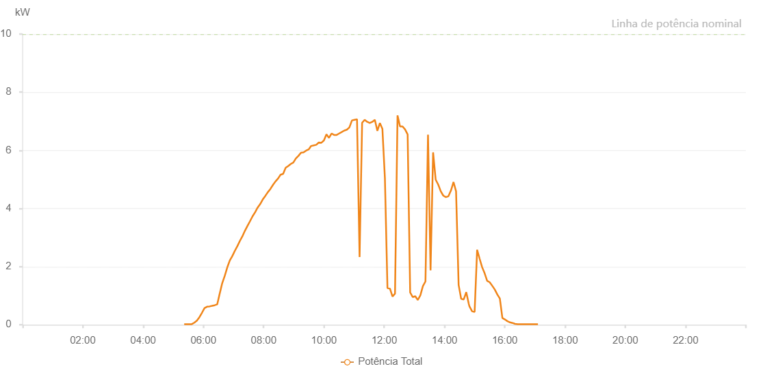

Number | Time | Working State | Alarm Code | Total Inverter Power(W)
1 | 23/04/2023 05:21:50 (UTC-4:00) | Normal |  | 20.000
2 | 23/04/2023 05:26:50 (UTC-4:00) | Normal |  | 20.000
3 | 23/04/2023 05:31:50 (UTC-4:00) | Normal |  | 20.000
4 | 23/04/2023 05:36:54 (UTC-4:00) | Normal |  | 20.000
5 | 23/04/2023 05:41:58 (UTC-4:00) | Normal |  | 70.000
6 | 23/04/2023 05:47:05 (UTC-4:00) | Normal |  | 140.000
7 | 23/04/2023 05:52:08 (UTC-4:00) | Normal |  | 260.000
8 | 23/04/2023 05:57:11 (UTC-4:00) | Normal |  | 410.000
9 | 23/04/2023 06:02:15 (UTC-4:00) | Normal |  | 570.000
10 | 23/04/2023 06:07:19 (UTC-4:00) | Normal |  | 620.000
11 | 23/04/2023 06:12:24 (UTC-4:00) | Normal |  | 630.000
12 | 23/04/2023 06:17:29 (UTC-4:00) | Normal |  | 650.000
13 | 23/04/2023 06:22:29 (UTC-4:00) | Normal |  | 670.000
14 | 23/04/2023 06:27:31 (UTC-4:00) | Normal |  | 700.000
15 | 23/04/2023 06:32:31 (UTC-4:00) | Normal |  | 1070.000
16 | 23/04/2023 06:37:31 (UTC-4:00) | Normal |  | 1430.000
17 | 23/04/2023 06:42:32 (UTC-4:00) | Normal |  | 1680.000
18 | 23/04/2023 06:47:32 (UTC-4:00) | Normal |  | 1970.000
19 | 23/04/2023 06:52:32 (UTC-4:00) | Normal |  | 2210.000
20 | 23/04/2023 06:57:34 (UTC-4:00) | Normal |  | 2360.000
21 | 23/04/2023 07:02:34 (UTC-4:00) | Normal |  | 2540.000
22 | 23/04/2023 07:07:34 (UTC-4:00) | Normal |  | 2700.000
23 | 23/04/2023 07:12:35 (UTC-4:00) | Normal |  | 2880.000
24 | 23/04/2023 07:17:36 (UTC-4:00) | Normal |  | 3040.000
25 | 23/04/2023 07:22:39 (UTC-4:00) | Normal |  | 3230.000
26 | 23/04/2023 07:27:44 (UTC-4:00) | Normal |  | 3400.000
27 | 23/04/2023 07:32:48 (UTC-4:00) | Normal |  | 3560.000
28 | 23/04/2023 07:37:54 (UTC-4:00) | Normal |  | 3730.000
29 | 23/04/2023 07:42:57 (UTC-4:00) | Normal |  | 3870.000
30 | 23/04/2023 07:48:01 (UTC-4:00) | Normal |  | 4030.000
31 | 23/04/2023 07:53:05 (UTC-4:00) | Normal |  | 4150.000
32 | 23/04/2023 07:58:11 (UTC-4:00) | Normal |  | 4310.000
33 | 23/04/2023 08:03:14 (UTC-4:00) | Normal |  | 4430.000
34 | 23/04/2023 08:08:19 (UTC-4:00) | Normal |  | 4560.000
35 | 23/04/2023 08:13:23 (UTC-4:00) | Normal |  | 4670.000
36 | 23/04/2023 08:18:28 (UTC-4:00) | Normal |  | 4810.000
37 | 23/04/2023 08:23:31 (UTC-4:00) | Normal |  | 4930.000
38 | 23/04/2023 08:28:36 (UTC-4:00) | Normal |  | 5030.000
39 | 23/04/2023 08:33:40 (UTC-4:00) | Normal |  | 5160.000
40 | 23/04/2023 08:38:46 (UTC-4:00) | Normal |  | 5190.000
41 | 23/04/2023 08:43:50 (UTC-4:00) | Normal |  | 5400.000
42 | 23/04/2023 08:48:55 (UTC-4:00) | Normal |  | 5460.000
43 | 23/04/2023 08:53:57 (UTC-4:00) | Normal |  | 5530.000
44 | 23/04/2023 08:59:04 (UTC-4:00) | Normal |  | 5580.000
45 | 23/04/2023 09:04:08 (UTC-4:00) | Normal |  | 5720.000
46 | 23/04/2023 09:09:12 (UTC-4:00) | Normal |  | 5810.000
47 | 23/04/2023 09:14:18 (UTC-4:00) | Normal |  | 5920.000
48 | 23/04/2023 09:19:21 (UTC-4:00) | Normal |  | 5930.000
49 | 23/04/2023 09:24:25 (UTC-4:00) | Normal |  | 5990.000
50 | 23/04/2023 09:29:30 (UTC-4:00) | Normal |  | 6030.000
51 | 23/04/2023 09:34:35 (UTC-4:00) | Normal |  | 6150.000
52 | 23/04/2023 09:39:39 (UTC-4:00) | Normal |  | 6170.000
53 | 23/04/2023 09:44:43 (UTC-4:00) | Normal |  | 6190.000
54 | 23/04/2023 09:49:47 (UTC-4:00) | Normal |  | 6270.000
55 | 23/04/2023 09:54:52 (UTC-4:00) | Normal |  | 6260.000
56 | 23/04/2023 09:59:56 (UTC-4:00) | Normal |  | 6340.000
57 | 23/04/2023 10:05:00 (UTC-4:00) | Normal |  | 6550.000
58 | 23/04/2023 10:10:05 (UTC-4:00) | Normal |  | 6430.000
59 | 23/04/2023 10:15:10 (UTC-4:00) | Normal |  | 6580.000
60 | 23/04/2023 10:20:13 (UTC-4:00) | Normal |  | 6530.000
61 | 23/04/2023 10:25:17 (UTC-4:00) | Normal |  | 6530.000
62 | 23/04/2023 10:30:22 (UTC-4:00) | Normal |  | 6580.000
63 | 23/04/2023 10:35:27 (UTC-4:00) | Normal |  | 6630.000
64 | 23/04/2023 10:40:31 (UTC-4:00) | Normal |  | 6680.000
65 | 23/04/2023 10:45:35 (UTC-4:00) | Normal |  | 6710.000
66 | 23/04/2023 10:50:39 (UTC-4:00) | Normal |  | 6790.000
67 | 23/04/2023 10:55:45 (UTC-4:00) | Normal |  | 7030.000
68 | 23/04/2023 11:00:48 (UTC-4:00) | Normal |  | 7050.000
69 | 23/04/2023 11:05:52 (UTC-4:00) | Normal |  | 7070.000
70 | 23/04/2023 11:10:57 (UTC-4:00) | Normal |  | 2330.000
71 | 23/04/2023 11:16:02 (UTC-4:00) | Normal |  | 6950.000
72 | 23/04/2023 11:21:06 (UTC-4:00) | Normal |  | 7050.000
73 | 23/04/2023 11:26:10 (UTC-4:00) | Normal |  | 6980.000
74 | 23/04/2023 11:31:14 (UTC-4:00) | Normal |  | 6940.000
75 | 23/04/2023 11:36:20 (UTC-4:00) | Normal |  | 6980.000
76 | 23/04/2023 11:41:23 (UTC-4:00) | Normal |  | 7050.000
77 | 23/04/2023 11:46:23 (UTC-4:00) | Normal |  | 6670.000
78 | 23/04/2023 11:51:24 (UTC-4:00) | Normal |  | 6940.000
79 | 23/04/2023 11:56:24 (UTC-4:00) | Normal |  | 6740.000
80 | 23/04/2023 12:01:24 (UTC-4:00) | Normal |  | 5030.000
81 | 23/04/2023 12:06:27 (UTC-4:00) | Normal |  | 1260.000
82 | 23/04/2023 12:11:28 (UTC-4:00) | Normal |  | 1240.000
83 | 23/04/2023 12:16:29 (UTC-4:00) | Normal |  | 970.000
84 | 23/04/2023 12:21:30 (UTC-4:00) | Normal |  | 1070.000
85 | 23/04/2023 12:26:30 (UTC-4:00) | Normal |  | 7200.000
86 | 23/04/2023 12:31:32 (UTC-4:00) | Normal |  | 6820.000
87 | 23/04/2023 12:36:33 (UTC-4:00) | Normal |  | 6820.000
88 | 23/04/2023 12:41:33 (UTC-4:00) | Normal |  | 6720.000
89 | 23/04/2023 12:46:37 (UTC-4:00) | Normal |  | 6550.000
90 | 23/04/2023 12:51:40 (UTC-4:00) | Normal |  | 1110.000
91 | 23/04/2023 12:56:45 (UTC-4:00) | Normal |  | 950.000
92 | 23/04/2023 13:01:50 (UTC-4:00) | Normal |  | 980.000
93 | 23/04/2023 13:06:53 (UTC-4:00) | Normal |  | 850.000
94 | 23/04/2023 13:11:57 (UTC-4:00) | Normal |  | 1010.000
95 | 23/04/2023 13:17:02 (UTC-4:00) | Normal |  | 1330.000
96 | 23/04/2023 13:22:07 (UTC-4:00) | Normal |  | 1490.000
97 | 23/04/2023 13:27:11 (UTC-4:00) | Normal |  | 6540.000
98 | 23/04/2023 13:32:16 (UTC-4:00) | Normal |  | 1870.000
99 | 23/04/2023 13:37:19 (UTC-4:00) | Normal |  | 5930.000
100 | 23/04/2023 13:42:27 (UTC-4:00) | Normal |  | 4990.000
101 | 23/04/2023 13:47:32 (UTC-4:00) | Normal |  | 4820.000
102 | 23/04/2023 13:52:36 (UTC-4:00) | Normal |  | 4590.000
103 | 23/04/2023 13:57:42 (UTC-4:00) | Normal |  | 4440.000
104 | 23/04/2023 14:02:46 (UTC-4:00) | Normal |  | 4390.000
105 | 23/04/2023 14:07:49 (UTC-4:00) | Normal |  | 4420.000
106 | 23/04/2023 14:12:54 (UTC-4:00) | Normal |  | 4620.000
107 | 23/04/2023 14:17:59 (UTC-4:00) | Normal |  | 4910.000
108 | 23/04/2023 14:23:02 (UTC-4:00) | Normal |  | 4590.000
109 | 23/04/2023 14:28:07 (UTC-4:00) | Normal |  | 1370.000
110 | 23/04/2023 14:33:11 (UTC-4:00) | Normal |  | 890.000
111 | 23/04/2023 14:38:17 (UTC-4:00) | Normal |  | 870.000
112 | 23/04/2023 14:43:21 (UTC-4:00) | Normal |  | 1120.000
113 | 23/04/2023 14:48:25 (UTC-4:00) | Normal |  | 710.000
114 | 23/04/2023 14:49:42 (UTC-4:00) | Normal |  | 630.000
115 | 23/04/2023 14:54:59 (UTC-4:00) | Normal |  | 460.000
116 | 23/04/2023 14:59:58 (UTC-4:00) | Normal |  | 440.000
117 | 23/04/2023 15:04:57 (UTC-4:00) | Normal |  | 2580.000
118 | 23/04/2023 15:09:56 (UTC-4:00) | Normal |  | 2270.000
119 | 23/04/2023 15:14:55 (UTC-4:00) | Normal |  | 1980.000
120 | 23/04/2023 15:19:55 (UTC-4:00) | Normal |  | 1770.000
121 | 23/04/2023 15:24:56 (UTC-4:00) | Normal |  | 1510.000
122 | 23/04/2023 15:30:00 (UTC-4:00) | Normal |  | 1460.000
123 | 23/04/2023 15:35:02 (UTC-4:00) | Normal |  | 1340.000
124 | 23/04/2023 15:40:06 (UTC-4:00) | Normal |  | 1210.000
125 | 23/04/2023 15:45:09 (UTC-4:00) | Normal |  | 1040.000
126 | 23/04/2023 15:50:12 (UTC-4:00) | Normal |  | 900.000
127 | 23/04/2023 15:55:15 (UTC-4:00) | Normal |  | 230.000
128 | 23/04/2023 16:00:18 (UTC-4:00) | Normal |  | 180.000
129 | 23/04/2023 16:05:22 (UTC-4:00) | Normal |  | 120.000
130 | 23/04/2023 16:10:24 (UTC-4:00) | Normal |  | 80.000
131 | 23/04/2023 16:15:27 (UTC-4:00) | Normal |  | 60.000
132 | 23/04/2023 16:20:30 (UTC-4:00) | Normal |  | 30.000
133 | 23/04/2023 16:25:36 (UTC-4:00) | Normal |  | 20.000
134 | 23/04/2023 16:30:39 (UTC-4:00) | Normal |  | 20.000
135 | 23/04/2023 16:35:42 (UTC-4:00) | Normal |  | 20.000
136 | 23/04/2023 16:40:46 (UTC-4:00) | Normal |  | 20.000
137 | 23/04/2023 16:45:48 (UTC-4:00) | Normal |  | 20.000
138 | 23/04/2023 16:50:51 (UTC-4:00) | Normal |  | 20.000
139 | 23/04/2023 16:55:54 (UTC-4:00) | Normal |  | 20.000
140 | 23/04/2023 17:00:58 (UTC-4:00) | Normal |  | 20.000
141 | 23/04/2023 17:06:02 (UTC-4:00) | Normal |  | 20.000

