Inverter History Report__17-08-
Inverter History Report_30/04/2023_Report

Inverter SN:054B7020C020044 |  | Inverter type:B7
Collector SN:4045086367 |  | Full Load Hours(h):3.80
Rated Power:10000Wp

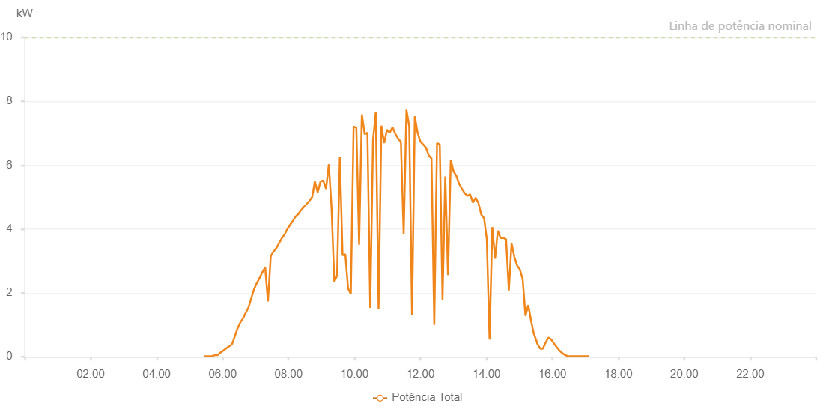

Number | Time | Working State | Alarm Code | Total Inverter Power(W)
1 | 30/04/2023 05:25:48 (UTC-4:00) | Normal |  | 20.000
2 | 30/04/2023 05:30:47 (UTC-4:00) | Normal |  | 20.000
3 | 30/04/2023 05:35:46 (UTC-4:00) | Normal |  | 20.000
4 | 30/04/2023 05:40:56 (UTC-4:00) | Normal |  | 20.000
5 | 30/04/2023 05:45:50 (UTC-4:00) | Normal |  | 50.000
6 | 30/04/2023 05:50:49 (UTC-4:00) | Normal |  | 50.000
7 | 30/04/2023 05:55:50 (UTC-4:00) | Normal |  | 130.000
8 | 30/04/2023 06:01:05 (UTC-4:00) | Normal |  | 190.000
9 | 30/04/2023 06:01:37 (UTC-4:00) | Normal |  | 200.000
10 | 30/04/2023 06:07:00 (UTC-4:00) | Normal |  | 270.000
11 | 30/04/2023 06:12:00 (UTC-4:00) | Normal |  | 330.000
12 | 30/04/2023 06:17:02 (UTC-4:00) | Normal |  | 390.000
13 | 30/04/2023 06:22:02 (UTC-4:00) | Normal |  | 630.000
14 | 30/04/2023 06:27:03 (UTC-4:00) | Normal |  | 880.000
15 | 30/04/2023 06:32:03 (UTC-4:00) | Normal |  | 1070.000
16 | 30/04/2023 06:37:03 (UTC-4:00) | Normal |  | 1200.000
17 | 30/04/2023 06:42:03 (UTC-4:00) | Normal |  | 1380.000
18 | 30/04/2023 06:47:05 (UTC-4:00) | Normal |  | 1540.000
19 | 30/04/2023 06:52:10 (UTC-4:00) | Normal |  | 1830.000
20 | 30/04/2023 06:57:14 (UTC-4:00) | Normal |  | 2120.000
21 | 30/04/2023 07:02:19 (UTC-4:00) | Normal |  | 2310.000
22 | 30/04/2023 07:07:23 (UTC-4:00) | Normal |  | 2470.000
23 | 30/04/2023 07:12:26 (UTC-4:00) | Normal |  | 2650.000
24 | 30/04/2023 07:17:29 (UTC-4:00) | Normal |  | 2800.000
25 | 30/04/2023 07:22:33 (UTC-4:00) | Normal |  | 1730.000
26 | 30/04/2023 07:27:37 (UTC-4:00) | Normal |  | 3150.000
27 | 30/04/2023 07:32:42 (UTC-4:00) | Normal |  | 3300.000
28 | 30/04/2023 07:32:53 (UTC-4:00) | Normal |  | 3300.000
29 | 30/04/2023 07:37:42 (UTC-4:00) | Normal |  | 3400.000
30 | 30/04/2023 07:42:42 (UTC-4:00) | Normal |  | 3560.000
31 | 30/04/2023 07:47:44 (UTC-4:00) | Normal |  | 3710.000
32 | 30/04/2023 07:52:44 (UTC-4:00) | Normal |  | 3830.000
33 | 30/04/2023 07:57:45 (UTC-4:00) | Normal |  | 4000.000
34 | 30/04/2023 08:02:45 (UTC-4:00) | Normal |  | 4130.000
35 | 30/04/2023 08:07:45 (UTC-4:00) | Normal |  | 4250.000
36 | 30/04/2023 08:12:45 (UTC-4:00) | Normal |  | 4390.000
37 | 30/04/2023 08:17:45 (UTC-4:00) | Normal |  | 4470.000
38 | 30/04/2023 08:22:46 (UTC-4:00) | Normal |  | 4590.000
39 | 30/04/2023 08:27:46 (UTC-4:00) | Normal |  | 4690.000
40 | 30/04/2023 08:32:46 (UTC-4:00) | Normal |  | 4780.000
41 | 30/04/2023 08:37:50 (UTC-4:00) | Normal |  | 4880.000
42 | 30/04/2023 08:42:53 (UTC-4:00) | Normal |  | 5000.000
43 | 30/04/2023 08:47:58 (UTC-4:00) | Normal |  | 5490.000
44 | 30/04/2023 08:53:02 (UTC-4:00) | Normal |  | 5150.000
45 | 30/04/2023 08:58:08 (UTC-4:00) | Normal |  | 5490.000
46 | 30/04/2023 09:03:11 (UTC-4:00) | Normal |  | 5520.000
47 | 30/04/2023 09:08:13 (UTC-4:00) | Normal |  | 5260.000
48 | 30/04/2023 09:13:17 (UTC-4:00) | Normal |  | 6030.000
49 | 30/04/2023 09:18:17 (UTC-4:00) | Normal |  | 4650.000
50 | 30/04/2023 09:23:17 (UTC-4:00) | Normal |  | 2350.000
51 | 30/04/2023 09:28:17 (UTC-4:00) | Normal |  | 2540.000
52 | 30/04/2023 09:33:18 (UTC-4:00) | Normal |  | 6270.000
53 | 30/04/2023 09:38:18 (UTC-4:00) | Normal |  | 3180.000
54 | 30/04/2023 09:43:18 (UTC-4:00) | Normal |  | 3210.000
55 | 30/04/2023 09:48:18 (UTC-4:00) | Normal |  | 2140.000
56 | 30/04/2023 09:53:18 (UTC-4:00) | Normal |  | 1960.000
57 | 30/04/2023 09:58:20 (UTC-4:00) | Normal |  | 7210.000
58 | 30/04/2023 10:03:21 (UTC-4:00) | Normal |  | 7170.000
59 | 30/04/2023 10:08:21 (UTC-4:00) | Normal |  | 3510.000
60 | 30/04/2023 10:13:21 (UTC-4:00) | Normal |  | 7590.000
61 | 30/04/2023 10:18:26 (UTC-4:00) | Normal |  | 6970.000
62 | 30/04/2023 10:23:30 (UTC-4:00) | Normal |  | 7020.000
63 | 30/04/2023 10:28:35 (UTC-4:00) | Normal |  | 1530.000
64 | 30/04/2023 10:33:39 (UTC-4:00) | Normal |  | 6790.000
65 | 30/04/2023 10:38:43 (UTC-4:00) | Normal |  | 7670.000
66 | 30/04/2023 10:43:47 (UTC-4:00) | Normal |  | 1510.000
67 | 30/04/2023 10:48:51 (UTC-4:00) | Normal |  | 7240.000
68 | 30/04/2023 10:53:55 (UTC-4:00) | Normal |  | 6690.000
69 | 30/04/2023 10:59:02 (UTC-4:00) | Normal |  | 7110.000
70 | 30/04/2023 11:04:06 (UTC-4:00) | Normal |  | 7020.000
71 | 30/04/2023 11:09:10 (UTC-4:00) | Normal |  | 7190.000
72 | 30/04/2023 11:14:15 (UTC-4:00) | Normal |  | 6980.000
73 | 30/04/2023 11:19:19 (UTC-4:00) | Normal |  | 6830.000
74 | 30/04/2023 11:24:22 (UTC-4:00) | Normal |  | 6730.000
75 | 30/04/2023 11:29:27 (UTC-4:00) | Normal |  | 3840.000
76 | 30/04/2023 11:34:30 (UTC-4:00) | Normal |  | 7740.000
77 | 30/04/2023 11:39:34 (UTC-4:00) | Normal |  | 7210.000
78 | 30/04/2023 11:44:38 (UTC-4:00) | Normal |  | 1320.000
79 | 30/04/2023 11:49:42 (UTC-4:00) | Normal |  | 7530.000
80 | 30/04/2023 11:54:48 (UTC-4:00) | Normal |  | 7010.000
81 | 30/04/2023 11:59:51 (UTC-4:00) | Normal |  | 6740.000
82 | 30/04/2023 12:04:55 (UTC-4:00) | Normal |  | 6650.000
83 | 30/04/2023 12:09:59 (UTC-4:00) | Normal |  | 6550.000
84 | 30/04/2023 12:15:03 (UTC-4:00) | Normal |  | 6300.000
85 | 30/04/2023 12:15:14 (UTC-4:00) | Normal |  | 6300.000
86 | 30/04/2023 12:20:03 (UTC-4:00) | Normal |  | 6210.000
87 | 30/04/2023 12:25:04 (UTC-4:00) | Normal |  | 1000.000
88 | 30/04/2023 12:30:06 (UTC-4:00) | Normal |  | 6690.000
89 | 30/04/2023 12:35:06 (UTC-4:00) | Normal |  | 6650.000
90 | 30/04/2023 12:40:06 (UTC-4:00) | Normal |  | 1790.000
91 | 30/04/2023 12:45:07 (UTC-4:00) | Normal |  | 5650.000
92 | 30/04/2023 12:50:07 (UTC-4:00) | Normal |  | 2560.000
93 | 30/04/2023 12:55:07 (UTC-4:00) | Normal |  | 6170.000
94 | 30/04/2023 13:00:08 (UTC-4:00) | Normal |  | 5810.000
95 | 30/04/2023 13:05:08 (UTC-4:00) | Normal |  | 5670.000
96 | 30/04/2023 13:10:10 (UTC-4:00) | Normal |  | 5420.000
97 | 30/04/2023 13:15:10 (UTC-4:00) | Normal |  | 5270.000
98 | 30/04/2023 13:20:11 (UTC-4:00) | Normal |  | 5130.000
99 | 30/04/2023 13:25:16 (UTC-4:00) | Normal |  | 5040.000
100 | 30/04/2023 13:30:20 (UTC-4:00) | Normal |  | 5090.000
101 | 30/04/2023 13:35:24 (UTC-4:00) | Normal |  | 4830.000
102 | 30/04/2023 13:40:28 (UTC-4:00) | Normal |  | 4980.000
103 | 30/04/2023 13:45:32 (UTC-4:00) | Normal |  | 4810.000
104 | 30/04/2023 13:50:37 (UTC-4:00) | Normal |  | 4450.000
105 | 30/04/2023 13:55:41 (UTC-4:00) | Normal |  | 4340.000
106 | 30/04/2023 14:00:41 (UTC-4:00) | Normal |  | 3680.000
107 | 30/04/2023 14:05:41 (UTC-4:00) | Normal |  | 540.000
108 | 30/04/2023 14:10:42 (UTC-4:00) | Normal |  | 4060.000
109 | 30/04/2023 14:15:42 (UTC-4:00) | Normal |  | 3070.000
110 | 30/04/2023 14:20:42 (UTC-4:00) | Normal |  | 3950.000
111 | 30/04/2023 14:25:43 (UTC-4:00) | Normal |  | 3720.000
112 | 30/04/2023 14:30:43 (UTC-4:00) | Normal |  | 3720.000
113 | 30/04/2023 14:35:44 (UTC-4:00) | Normal |  | 3680.000
114 | 30/04/2023 14:40:44 (UTC-4:00) | Normal |  | 2080.000
115 | 30/04/2023 14:45:44 (UTC-4:00) | Normal |  | 3550.000
116 | 30/04/2023 14:50:45 (UTC-4:00) | Normal |  | 3130.000
117 | 30/04/2023 14:55:48 (UTC-4:00) | Normal |  | 2860.000
118 | 30/04/2023 15:00:52 (UTC-4:00) | Normal |  | 2730.000
119 | 30/04/2023 15:05:56 (UTC-4:00) | Normal |  | 2430.000
120 | 30/04/2023 15:11:01 (UTC-4:00) | Normal |  | 1280.000
121 | 30/04/2023 15:16:05 (UTC-4:00) | Normal |  | 1620.000
122 | 30/04/2023 15:21:09 (UTC-4:00) | Normal |  | 1130.000
123 | 30/04/2023 15:26:13 (UTC-4:00) | Normal |  | 720.000
124 | 30/04/2023 15:31:18 (UTC-4:00) | Normal |  | 490.000
125 | 30/04/2023 15:32:18 (UTC-4:00) | Normal |  | 420.000
126 | 30/04/2023 15:37:34 (UTC-4:00) | Normal |  | 260.000
127 | 30/04/2023 15:42:33 (UTC-4:00) | Normal |  | 250.000
128 | 30/04/2023 15:47:32 (UTC-4:00) | Normal |  | 440.000
129 | 30/04/2023 15:52:31 (UTC-4:00) | Normal |  | 600.000
130 | 30/04/2023 15:57:29 (UTC-4:00) | Normal |  | 550.000
131 | 30/04/2023 16:02:28 (UTC-4:00) | Normal |  | 430.000
132 | 30/04/2023 16:07:29 (UTC-4:00) | Normal |  | 310.000
133 | 30/04/2023 16:12:33 (UTC-4:00) | Normal |  | 200.000
134 | 30/04/2023 16:17:35 (UTC-4:00) | Normal |  | 120.000
135 | 30/04/2023 16:22:43 (UTC-4:00) | Normal |  | 60.000
136 | 30/04/2023 16:27:41 (UTC-4:00) | Normal |  | 20.000
137 | 30/04/2023 16:32:43 (UTC-4:00) | Normal |  | 20.000
138 | 30/04/2023 16:37:58 (UTC-4:00) | Normal |  | 20.000
139 | 30/04/2023 16:38:00 (UTC-4:00) | Normal |  | 20.000
140 | 30/04/2023 16:43:13 (UTC-4:00) | Normal |  | 20.000
141 | 30/04/2023 16:48:36 (UTC-4:00) | Normal |  | 20.000
142 | 30/04/2023 16:50:34 (UTC-4:00) | Normal |  | 20.000
143 | 30/04/2023 16:55:54 (UTC-4:00) | Normal |  | 20.000
144 | 30/04/2023 17:00:53 (UTC-4:00) | Normal |  | 20.000
145 | 30/04/2023 17:01:03 (UTC-4:00) | Normal |  | 20.000
146 | 30/04/2023 17:05:51 (UTC-4:00) | Normal |  | 20.000

