Inverter History Report__17-08-
Inverter History Report_06/05/2023_Report

Inverter SN:054B7020C020044 |  | Inverter type:B7
Collector SN:4045086367 |  | Full Load Hours(h):3.60
Rated Power:10000Wp

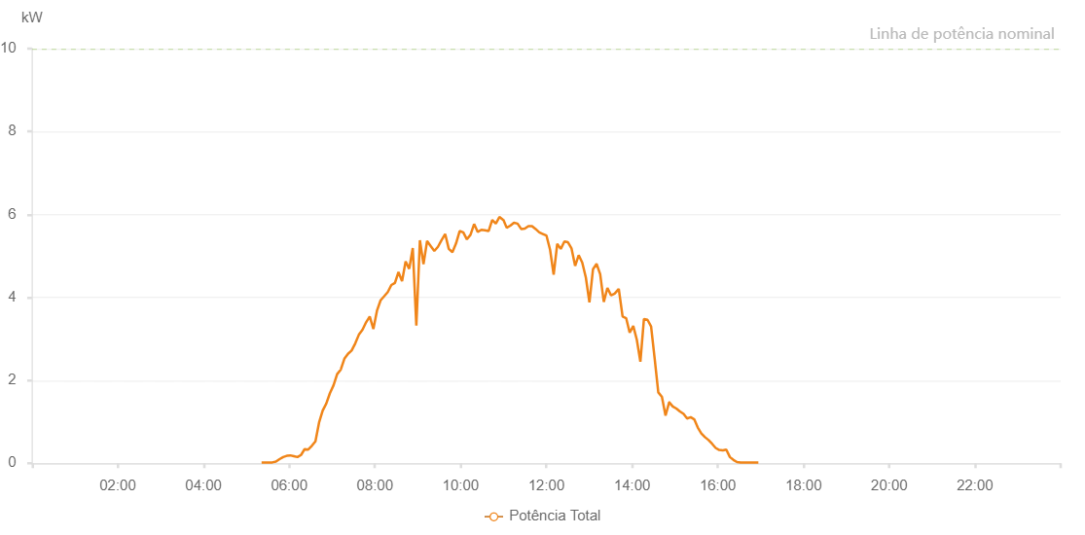

Number | Time | Working State | Alarm Code | Total Inverter Power(W)
1 | 06/05/2023 05:21:19 (UTC-4:00) | Normal |  | 20.000
2 | 06/05/2023 05:26:19 (UTC-4:00) | Normal |  | 20.000
3 | 06/05/2023 05:31:19 (UTC-4:00) | Normal |  | 20.000
4 | 06/05/2023 05:36:21 (UTC-4:00) | Normal |  | 20.000
5 | 06/05/2023 05:41:25 (UTC-4:00) | Normal |  | 40.000
6 | 06/05/2023 05:46:29 (UTC-4:00) | Normal |  | 100.000
7 | 06/05/2023 05:51:33 (UTC-4:00) | Normal |  | 150.000
8 | 06/05/2023 05:56:33 (UTC-4:00) | Normal |  | 180.000
9 | 06/05/2023 05:56:44 (UTC-4:00) | Normal |  | 180.000
10 | 06/05/2023 05:56:55 (UTC-4:00) | Normal |  | 180.000
11 | 06/05/2023 06:01:32 (UTC-4:00) | Normal |  | 190.000
12 | 06/05/2023 06:06:33 (UTC-4:00) | Normal |  | 170.000
13 | 06/05/2023 06:11:33 (UTC-4:00) | Normal |  | 150.000
14 | 06/05/2023 06:16:33 (UTC-4:00) | Normal |  | 200.000
15 | 06/05/2023 06:21:34 (UTC-4:00) | Normal |  | 340.000
16 | 06/05/2023 06:26:36 (UTC-4:00) | Normal |  | 330.000
17 | 06/05/2023 06:31:40 (UTC-4:00) | Normal |  | 420.000
18 | 06/05/2023 06:36:44 (UTC-4:00) | Normal |  | 530.000
19 | 06/05/2023 06:41:47 (UTC-4:00) | Normal |  | 980.000
20 | 06/05/2023 06:46:51 (UTC-4:00) | Normal |  | 1270.000
21 | 06/05/2023 06:51:55 (UTC-4:00) | Normal |  | 1440.000
22 | 06/05/2023 06:56:59 (UTC-4:00) | Normal |  | 1690.000
23 | 06/05/2023 07:02:03 (UTC-4:00) | Normal |  | 1880.000
24 | 06/05/2023 07:07:07 (UTC-4:00) | Normal |  | 2150.000
25 | 06/05/2023 07:12:11 (UTC-4:00) | Normal |  | 2260.000
26 | 06/05/2023 07:17:15 (UTC-4:00) | Normal |  | 2520.000
27 | 06/05/2023 07:22:18 (UTC-4:00) | Normal |  | 2640.000
28 | 06/05/2023 07:27:22 (UTC-4:00) | Normal |  | 2720.000
29 | 06/05/2023 07:32:26 (UTC-4:00) | Normal |  | 2890.000
30 | 06/05/2023 07:37:30 (UTC-4:00) | Normal |  | 3100.000
31 | 06/05/2023 07:42:36 (UTC-4:00) | Normal |  | 3220.000
32 | 06/05/2023 07:47:40 (UTC-4:00) | Normal |  | 3400.000
33 | 06/05/2023 07:52:44 (UTC-4:00) | Normal |  | 3540.000
34 | 06/05/2023 07:57:48 (UTC-4:00) | Normal |  | 3240.000
35 | 06/05/2023 08:02:52 (UTC-4:00) | Normal |  | 3680.000
36 | 06/05/2023 08:07:56 (UTC-4:00) | Normal |  | 3930.000
37 | 06/05/2023 08:13:00 (UTC-4:00) | Normal |  | 4030.000
38 | 06/05/2023 08:18:00 (UTC-4:00) | Normal |  | 4130.000
39 | 06/05/2023 08:23:00 (UTC-4:00) | Normal |  | 4300.000
40 | 06/05/2023 08:27:59 (UTC-4:00) | Normal |  | 4350.000
41 | 06/05/2023 08:32:59 (UTC-4:00) | Normal |  | 4610.000
42 | 06/05/2023 08:37:59 (UTC-4:00) | Normal |  | 4390.000
43 | 06/05/2023 08:42:59 (UTC-4:00) | Normal |  | 4870.000
44 | 06/05/2023 08:47:59 (UTC-4:00) | Normal |  | 4690.000
45 | 06/05/2023 08:52:59 (UTC-4:00) | Normal |  | 5190.000
46 | 06/05/2023 08:57:59 (UTC-4:00) | Normal |  | 3320.000
47 | 06/05/2023 09:02:59 (UTC-4:00) | Normal |  | 5380.000
48 | 06/05/2023 09:07:59 (UTC-4:00) | Normal |  | 4800.000
49 | 06/05/2023 09:13:01 (UTC-4:00) | Normal |  | 5360.000
50 | 06/05/2023 09:18:05 (UTC-4:00) | Normal |  | 5240.000
51 | 06/05/2023 09:23:09 (UTC-4:00) | Normal |  | 5120.000
52 | 06/05/2023 09:28:13 (UTC-4:00) | Normal |  | 5220.000
53 | 06/05/2023 09:33:17 (UTC-4:00) | Normal |  | 5380.000
54 | 06/05/2023 09:38:20 (UTC-4:00) | Normal |  | 5530.000
55 | 06/05/2023 09:43:24 (UTC-4:00) | Normal |  | 5170.000
56 | 06/05/2023 09:48:28 (UTC-4:00) | Normal |  | 5090.000
57 | 06/05/2023 09:53:32 (UTC-4:00) | Normal |  | 5300.000
58 | 06/05/2023 09:58:37 (UTC-4:00) | Normal |  | 5600.000
59 | 06/05/2023 10:03:41 (UTC-4:00) | Normal |  | 5570.000
60 | 06/05/2023 10:08:45 (UTC-4:00) | Normal |  | 5400.000
61 | 06/05/2023 10:13:49 (UTC-4:00) | Normal |  | 5510.000
62 | 06/05/2023 10:18:53 (UTC-4:00) | Normal |  | 5770.000
63 | 06/05/2023 10:23:56 (UTC-4:00) | Normal |  | 5580.000
64 | 06/05/2023 10:29:00 (UTC-4:00) | Normal |  | 5630.000
65 | 06/05/2023 10:34:04 (UTC-4:00) | Normal |  | 5620.000
66 | 06/05/2023 10:39:08 (UTC-4:00) | Normal |  | 5600.000
67 | 06/05/2023 10:44:12 (UTC-4:00) | Normal |  | 5870.000
68 | 06/05/2023 10:49:15 (UTC-4:00) | Normal |  | 5780.000
69 | 06/05/2023 10:54:19 (UTC-4:00) | Normal |  | 5940.000
70 | 06/05/2023 10:59:23 (UTC-4:00) | Normal |  | 5870.000
71 | 06/05/2023 10:59:50 (UTC-4:00) | Normal |  | 5870.000
72 | 06/05/2023 11:04:28 (UTC-4:00) | Normal |  | 5680.000
73 | 06/05/2023 11:09:32 (UTC-4:00) | Normal |  | 5730.000
74 | 06/05/2023 11:14:37 (UTC-4:00) | Normal |  | 5800.000
75 | 06/05/2023 11:19:41 (UTC-4:00) | Normal |  | 5780.000
76 | 06/05/2023 11:24:44 (UTC-4:00) | Normal |  | 5650.000
77 | 06/05/2023 11:29:48 (UTC-4:00) | Normal |  | 5660.000
78 | 06/05/2023 11:34:52 (UTC-4:00) | Normal |  | 5720.000
79 | 06/05/2023 11:39:56 (UTC-4:00) | Normal |  | 5720.000
80 | 06/05/2023 11:44:59 (UTC-4:00) | Normal |  | 5650.000
81 | 06/05/2023 11:50:04 (UTC-4:00) | Normal |  | 5570.000
82 | 06/05/2023 11:55:08 (UTC-4:00) | Normal |  | 5530.000
83 | 06/05/2023 12:00:10 (UTC-4:00) | Normal |  | 5490.000
84 | 06/05/2023 12:05:13 (UTC-4:00) | Normal |  | 5150.000
85 | 06/05/2023 12:10:13 (UTC-4:00) | Normal |  | 4550.000
86 | 06/05/2023 12:15:13 (UTC-4:00) | Normal |  | 5290.000
87 | 06/05/2023 12:20:13 (UTC-4:00) | Normal |  | 5170.000
88 | 06/05/2023 12:25:15 (UTC-4:00) | Normal |  | 5350.000
89 | 06/05/2023 12:30:14 (UTC-4:00) | Normal |  | 5330.000
90 | 06/05/2023 12:35:14 (UTC-4:00) | Normal |  | 5180.000
91 | 06/05/2023 12:40:16 (UTC-4:00) | Normal |  | 4760.000
92 | 06/05/2023 12:45:16 (UTC-4:00) | Normal |  | 5020.000
93 | 06/05/2023 12:50:16 (UTC-4:00) | Normal |  | 4840.000
94 | 06/05/2023 12:55:17 (UTC-4:00) | Normal |  | 4480.000
95 | 06/05/2023 13:00:17 (UTC-4:00) | Normal |  | 3880.000
96 | 06/05/2023 13:05:17 (UTC-4:00) | Normal |  | 4680.000
97 | 06/05/2023 13:10:17 (UTC-4:00) | Normal |  | 4810.000
98 | 06/05/2023 13:15:21 (UTC-4:00) | Normal |  | 4560.000
99 | 06/05/2023 13:20:24 (UTC-4:00) | Normal |  | 3890.000
100 | 06/05/2023 13:25:28 (UTC-4:00) | Normal |  | 4230.000
101 | 06/05/2023 13:30:33 (UTC-4:00) | Normal |  | 4050.000
102 | 06/05/2023 13:35:37 (UTC-4:00) | Normal |  | 4090.000
103 | 06/05/2023 13:40:40 (UTC-4:00) | Normal |  | 4190.000
104 | 06/05/2023 13:40:50 (UTC-4:00) | Normal |  | 4190.000
105 | 06/05/2023 13:40:51 (UTC-4:00) | Normal |  | 4190.000
106 | 06/05/2023 13:41:22 (UTC-4:00) | Normal |  | 4210.000
107 | 06/05/2023 13:46:43 (UTC-4:00) | Normal |  | 3540.000
108 | 06/05/2023 13:51:42 (UTC-4:00) | Normal |  | 3500.000
109 | 06/05/2023 13:56:40 (UTC-4:00) | Normal |  | 3150.000
110 | 06/05/2023 14:01:39 (UTC-4:00) | Normal |  | 3310.000
111 | 06/05/2023 14:06:38 (UTC-4:00) | Normal |  | 2980.000
112 | 06/05/2023 14:11:37 (UTC-4:00) | Normal |  | 2450.000
113 | 06/05/2023 14:16:36 (UTC-4:00) | Normal |  | 3480.000
114 | 06/05/2023 14:21:35 (UTC-4:00) | Normal |  | 3460.000
115 | 06/05/2023 14:26:37 (UTC-4:00) | Normal |  | 3300.000
116 | 06/05/2023 14:31:40 (UTC-4:00) | Normal |  | 2520.000
117 | 06/05/2023 14:36:42 (UTC-4:00) | Normal |  | 1710.000
118 | 06/05/2023 14:41:47 (UTC-4:00) | Normal |  | 1600.000
119 | 06/05/2023 14:46:50 (UTC-4:00) | Normal |  | 1150.000
120 | 06/05/2023 14:51:54 (UTC-4:00) | Normal |  | 1470.000
121 | 06/05/2023 14:52:04 (UTC-4:00) | Normal |  | 1470.000
122 | 06/05/2023 14:56:57 (UTC-4:00) | Normal |  | 1370.000
123 | 06/05/2023 15:01:59 (UTC-4:00) | Normal |  | 1320.000
124 | 06/05/2023 15:07:02 (UTC-4:00) | Normal |  | 1250.000
125 | 06/05/2023 15:12:05 (UTC-4:00) | Normal |  | 1190.000
126 | 06/05/2023 15:17:04 (UTC-4:00) | Normal |  | 1080.000
127 | 06/05/2023 15:22:02 (UTC-4:00) | Normal |  | 1110.000
128 | 06/05/2023 15:27:01 (UTC-4:00) | Normal |  | 1060.000
129 | 06/05/2023 15:32:00 (UTC-4:00) | Normal |  | 860.000
130 | 06/05/2023 15:36:58 (UTC-4:00) | Normal |  | 720.000
131 | 06/05/2023 15:42:00 (UTC-4:00) | Normal |  | 630.000
132 | 06/05/2023 15:47:01 (UTC-4:00) | Normal |  | 560.000
133 | 06/05/2023 15:52:00 (UTC-4:00) | Normal |  | 470.000
134 | 06/05/2023 15:56:59 (UTC-4:00) | Normal |  | 370.000
135 | 06/05/2023 16:01:57 (UTC-4:00) | Normal |  | 320.000
136 | 06/05/2023 16:06:56 (UTC-4:00) | Normal |  | 310.000
137 | 06/05/2023 16:11:55 (UTC-4:00) | Normal |  | 330.000
138 | 06/05/2023 16:16:57 (UTC-4:00) | Normal |  | 150.000
139 | 06/05/2023 16:21:55 (UTC-4:00) | Normal |  | 80.000
140 | 06/05/2023 16:26:54 (UTC-4:00) | Normal |  | 30.000
141 | 06/05/2023 16:31:53 (UTC-4:00) | Normal |  | 20.000
142 | 06/05/2023 16:36:52 (UTC-4:00) | Normal |  | 20.000
143 | 06/05/2023 16:41:50 (UTC-4:00) | Normal |  | 20.000
144 | 06/05/2023 16:46:49 (UTC-4:00) | Normal |  | 20.000
145 | 06/05/2023 16:51:48 (UTC-4:00) | Normal |  | 20.000
146 | 06/05/2023 16:56:47 (UTC-4:00) | Normal |  | 20.000

