Inverter History Report__17-08-
Inverter History Report_07/05/2023_Report

Inverter SN:054B7020C020044 |  | Inverter type:B7
Collector SN:4045086367 |  | Full Load Hours(h):3.70
Rated Power:10000Wp

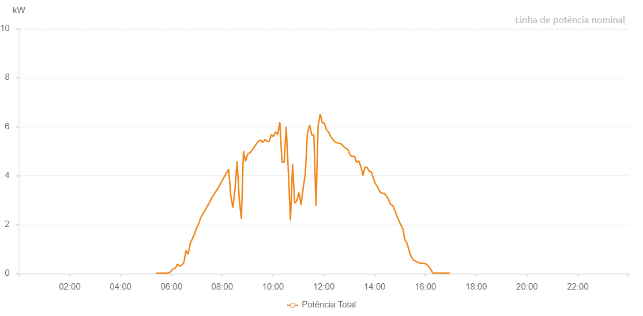

Number | Time | Working State | Alarm Code | Total Inverter Power(W)
1 | 07/05/2023 05:24:17 (UTC-4:00) | Normal |  | 20.000
2 | 07/05/2023 05:28:58 (UTC-4:00) | Normal |  | 20.000
3 | 07/05/2023 05:33:58 (UTC-4:00) | Normal |  | 20.000
4 | 07/05/2023 05:38:58 (UTC-4:00) | Normal |  | 20.000
5 | 07/05/2023 05:44:02 (UTC-4:00) | Normal |  | 20.000
6 | 07/05/2023 05:49:06 (UTC-4:00) | Normal |  | 20.000
7 | 07/05/2023 05:54:11 (UTC-4:00) | Normal |  | 20.000
8 | 07/05/2023 05:59:15 (UTC-4:00) | Normal |  | 100.000
9 | 07/05/2023 06:04:19 (UTC-4:00) | Normal |  | 200.000
10 | 07/05/2023 06:09:24 (UTC-4:00) | Normal |  | 220.000
11 | 07/05/2023 06:14:28 (UTC-4:00) | Normal |  | 390.000
12 | 07/05/2023 06:19:32 (UTC-4:00) | Normal |  | 300.000
13 | 07/05/2023 06:24:32 (UTC-4:00) | Normal |  | 350.000
14 | 07/05/2023 06:29:32 (UTC-4:00) | Normal |  | 450.000
15 | 07/05/2023 06:34:32 (UTC-4:00) | Normal |  | 950.000
16 | 07/05/2023 06:39:32 (UTC-4:00) | Normal |  | 780.000
17 | 07/05/2023 06:44:33 (UTC-4:00) | Normal |  | 1240.000
18 | 07/05/2023 06:49:33 (UTC-4:00) | Normal |  | 1420.000
19 | 07/05/2023 06:54:33 (UTC-4:00) | Normal |  | 1610.000
20 | 07/05/2023 06:59:33 (UTC-4:00) | Normal |  | 1860.000
21 | 07/05/2023 07:04:33 (UTC-4:00) | Normal |  | 2040.000
22 | 07/05/2023 07:09:34 (UTC-4:00) | Normal |  | 2290.000
23 | 07/05/2023 07:14:35 (UTC-4:00) | Normal |  | 2430.000
24 | 07/05/2023 07:19:38 (UTC-4:00) | Normal |  | 2590.000
25 | 07/05/2023 07:24:43 (UTC-4:00) | Normal |  | 2750.000
26 | 07/05/2023 07:29:47 (UTC-4:00) | Normal |  | 2900.000
27 | 07/05/2023 07:34:51 (UTC-4:00) | Normal |  | 3080.000
28 | 07/05/2023 07:39:54 (UTC-4:00) | Normal |  | 3210.000
29 | 07/05/2023 07:44:59 (UTC-4:00) | Normal |  | 3350.000
30 | 07/05/2023 07:45:10 (UTC-4:00) | Normal |  | 3350.000
31 | 07/05/2023 07:50:02 (UTC-4:00) | Normal |  | 3490.000
32 | 07/05/2023 07:55:06 (UTC-4:00) | Normal |  | 3640.000
33 | 07/05/2023 08:00:10 (UTC-4:00) | Normal |  | 3810.000
34 | 07/05/2023 08:05:14 (UTC-4:00) | Normal |  | 3960.000
35 | 07/05/2023 08:10:14 (UTC-4:00) | Normal |  | 4110.000
36 | 07/05/2023 08:15:15 (UTC-4:00) | Normal |  | 4270.000
37 | 07/05/2023 08:20:16 (UTC-4:00) | Normal |  | 3190.000
38 | 07/05/2023 08:25:16 (UTC-4:00) | Normal |  | 2690.000
39 | 07/05/2023 08:30:16 (UTC-4:00) | Normal |  | 3440.000
40 | 07/05/2023 08:35:16 (UTC-4:00) | Normal |  | 4590.000
41 | 07/05/2023 08:40:17 (UTC-4:00) | Normal |  | 3050.000
42 | 07/05/2023 08:45:17 (UTC-4:00) | Normal |  | 2240.000
43 | 07/05/2023 08:50:17 (UTC-4:00) | Normal |  | 5000.000
44 | 07/05/2023 08:55:17 (UTC-4:00) | Normal |  | 4580.000
45 | 07/05/2023 09:00:17 (UTC-4:00) | Normal |  | 4890.000
46 | 07/05/2023 09:05:18 (UTC-4:00) | Normal |  | 4930.000
47 | 07/05/2023 09:10:25 (UTC-4:00) | Normal |  | 5040.000
48 | 07/05/2023 09:15:28 (UTC-4:00) | Normal |  | 5160.000
49 | 07/05/2023 09:20:30 (UTC-4:00) | Normal |  | 5290.000
50 | 07/05/2023 09:25:34 (UTC-4:00) | Normal |  | 5400.000
51 | 07/05/2023 09:30:39 (UTC-4:00) | Normal |  | 5460.000
52 | 07/05/2023 09:35:43 (UTC-4:00) | Normal |  | 5350.000
53 | 07/05/2023 09:40:47 (UTC-4:00) | Normal |  | 5470.000
54 | 07/05/2023 09:45:51 (UTC-4:00) | Normal |  | 5410.000
55 | 07/05/2023 09:50:55 (UTC-4:00) | Normal |  | 5400.000
56 | 07/05/2023 09:56:00 (UTC-4:00) | Normal |  | 5670.000
57 | 07/05/2023 10:01:04 (UTC-4:00) | Normal |  | 5600.000
58 | 07/05/2023 10:06:09 (UTC-4:00) | Normal |  | 5790.000
59 | 07/05/2023 10:11:13 (UTC-4:00) | Normal |  | 5680.000
60 | 07/05/2023 10:16:13 (UTC-4:00) | Normal |  | 6180.000
61 | 07/05/2023 10:21:13 (UTC-4:00) | Normal |  | 4550.000
62 | 07/05/2023 10:26:14 (UTC-4:00) | Normal |  | 4540.000
63 | 07/05/2023 10:31:15 (UTC-4:00) | Normal |  | 5990.000
64 | 07/05/2023 10:36:15 (UTC-4:00) | Normal |  | 4180.000
65 | 07/05/2023 10:41:16 (UTC-4:00) | Normal |  | 2170.000
66 | 07/05/2023 10:46:17 (UTC-4:00) | Normal |  | 4470.000
67 | 07/05/2023 10:51:17 (UTC-4:00) | Normal |  | 2880.000
68 | 07/05/2023 10:56:17 (UTC-4:00) | Normal |  | 2970.000
69 | 07/05/2023 11:01:19 (UTC-4:00) | Normal |  | 3310.000
70 | 07/05/2023 11:06:20 (UTC-4:00) | Normal |  | 2800.000
71 | 07/05/2023 11:11:20 (UTC-4:00) | Normal |  | 3500.000
72 | 07/05/2023 11:16:21 (UTC-4:00) | Normal |  | 4070.000
73 | 07/05/2023 11:21:25 (UTC-4:00) | Normal |  | 5740.000
74 | 07/05/2023 11:26:30 (UTC-4:00) | Normal |  | 6070.000
75 | 07/05/2023 11:31:34 (UTC-4:00) | Normal |  | 5660.000
76 | 07/05/2023 11:36:34 (UTC-4:00) | Normal |  | 5660.000
77 | 07/05/2023 11:41:34 (UTC-4:00) | Normal |  | 2760.000
78 | 07/05/2023 11:46:34 (UTC-4:00) | Normal |  | 6030.000
79 | 07/05/2023 11:51:35 (UTC-4:00) | Normal |  | 6520.000
80 | 07/05/2023 11:56:35 (UTC-4:00) | Normal |  | 6160.000
81 | 07/05/2023 12:01:35 (UTC-4:00) | Normal |  | 6140.000
82 | 07/05/2023 12:06:36 (UTC-4:00) | Normal |  | 5870.000
83 | 07/05/2023 12:11:36 (UTC-4:00) | Normal |  | 5770.000
84 | 07/05/2023 12:16:36 (UTC-4:00) | Normal |  | 5590.000
85 | 07/05/2023 12:21:36 (UTC-4:00) | Normal |  | 5480.000
86 | 07/05/2023 12:26:37 (UTC-4:00) | Normal |  | 5370.000
87 | 07/05/2023 12:31:40 (UTC-4:00) | Normal |  | 5340.000
88 | 07/05/2023 12:36:45 (UTC-4:00) | Normal |  | 5320.000
89 | 07/05/2023 12:41:48 (UTC-4:00) | Normal |  | 5290.000
90 | 07/05/2023 12:46:52 (UTC-4:00) | Normal |  | 5200.000
91 | 07/05/2023 12:51:57 (UTC-4:00) | Normal |  | 5110.000
92 | 07/05/2023 12:57:02 (UTC-4:00) | Normal |  | 5070.000
93 | 07/05/2023 13:02:07 (UTC-4:00) | Normal |  | 4830.000
94 | 07/05/2023 13:07:11 (UTC-4:00) | Normal |  | 4790.000
95 | 07/05/2023 13:12:15 (UTC-4:00) | Normal |  | 4800.000
96 | 07/05/2023 13:17:19 (UTC-4:00) | Normal |  | 4550.000
97 | 07/05/2023 13:22:25 (UTC-4:00) | Normal |  | 4600.000
98 | 07/05/2023 13:27:27 (UTC-4:00) | Normal |  | 4380.000
99 | 07/05/2023 13:32:31 (UTC-4:00) | Normal |  | 4010.000
100 | 07/05/2023 13:37:31 (UTC-4:00) | Normal |  | 4350.000
101 | 07/05/2023 13:42:32 (UTC-4:00) | Normal |  | 4330.000
102 | 07/05/2023 13:47:33 (UTC-4:00) | Normal |  | 4170.000
103 | 07/05/2023 13:52:33 (UTC-4:00) | Normal |  | 4150.000
104 | 07/05/2023 13:57:33 (UTC-4:00) | Normal |  | 3870.000
105 | 07/05/2023 14:02:35 (UTC-4:00) | Normal |  | 3660.000
106 | 07/05/2023 14:07:37 (UTC-4:00) | Normal |  | 3520.000
107 | 07/05/2023 14:12:37 (UTC-4:00) | Normal |  | 3340.000
108 | 07/05/2023 14:17:38 (UTC-4:00) | Normal |  | 3280.000
109 | 07/05/2023 14:22:38 (UTC-4:00) | Normal |  | 3280.000
110 | 07/05/2023 14:27:38 (UTC-4:00) | Normal |  | 3180.000
111 | 07/05/2023 14:32:38 (UTC-4:00) | Normal |  | 3040.000
112 | 07/05/2023 14:37:39 (UTC-4:00) | Normal |  | 2830.000
113 | 07/05/2023 14:42:43 (UTC-4:00) | Normal |  | 2780.000
114 | 07/05/2023 14:47:49 (UTC-4:00) | Normal |  | 2590.000
115 | 07/05/2023 14:52:52 (UTC-4:00) | Normal |  | 2350.000
116 | 07/05/2023 14:56:37 (UTC-4:00) | Normal |  | 2200.000
117 | 07/05/2023 15:01:53 (UTC-4:00) | Normal |  | 1990.000
118 | 07/05/2023 15:06:52 (UTC-4:00) | Normal |  | 1820.000
119 | 07/05/2023 15:11:52 (UTC-4:00) | Normal |  | 1370.000
120 | 07/05/2023 15:16:52 (UTC-4:00) | Normal |  | 1240.000
121 | 07/05/2023 15:21:51 (UTC-4:00) | Normal |  | 910.000
122 | 07/05/2023 15:26:51 (UTC-4:00) | Normal |  | 680.000
123 | 07/05/2023 15:31:54 (UTC-4:00) | Normal |  | 550.000
124 | 07/05/2023 15:36:56 (UTC-4:00) | Normal |  | 510.000
125 | 07/05/2023 15:41:59 (UTC-4:00) | Normal |  | 460.000
126 | 07/05/2023 15:47:03 (UTC-4:00) | Normal |  | 430.000
127 | 07/05/2023 15:52:06 (UTC-4:00) | Normal |  | 430.000
128 | 07/05/2023 15:57:10 (UTC-4:00) | Normal |  | 410.000
129 | 07/05/2023 16:02:13 (UTC-4:00) | Normal |  | 390.000
130 | 07/05/2023 16:07:18 (UTC-4:00) | Normal |  | 300.000
131 | 07/05/2023 16:12:22 (UTC-4:00) | Normal |  | 190.000
132 | 07/05/2023 16:17:26 (UTC-4:00) | Normal |  | 20.000
133 | 07/05/2023 16:22:30 (UTC-4:00) | Normal |  | 20.000
134 | 07/05/2023 16:27:33 (UTC-4:00) | Normal |  | 20.000
135 | 07/05/2023 16:32:36 (UTC-4:00) | Normal |  | 20.000
136 | 07/05/2023 16:37:39 (UTC-4:00) | Normal |  | 20.000
137 | 07/05/2023 16:42:43 (UTC-4:00) | Normal |  | 20.000
138 | 07/05/2023 16:47:46 (UTC-4:00) | Normal |  | 20.000
139 | 07/05/2023 16:52:49 (UTC-4:00) | Normal |  | 20.000
140 | 07/05/2023 16:57:52 (UTC-4:00) | Normal |  | 20.000

