Inverter History Report__17-08-
Inverter History Report_08/05/2023_Report

Inverter SN:054B7020C020044 |  | Inverter type:B7
Collector SN:4045086367 |  | Full Load Hours(h):3.60
Rated Power:10000Wp

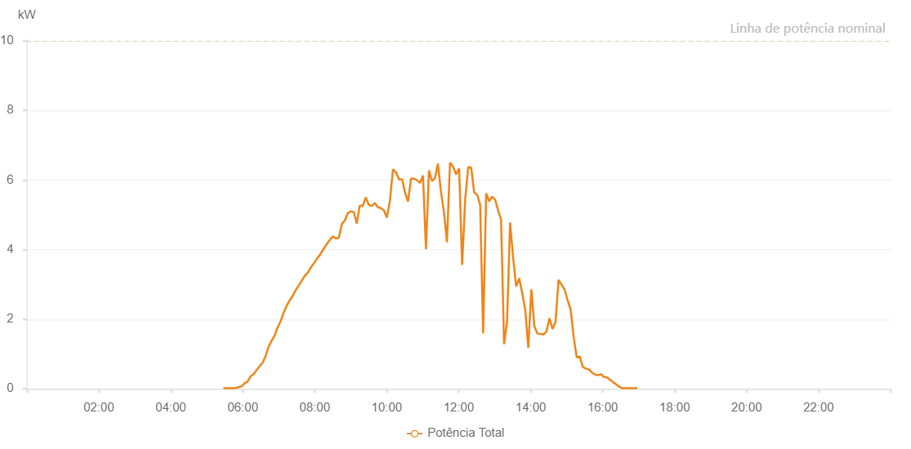

Number | Time | Working State | Alarm Code | Total Inverter Power(W)
1 | 08/05/2023 05:27:38 (UTC-4:00) | Normal |  | 20.000
2 | 08/05/2023 05:32:37 (UTC-4:00) | Normal |  | 20.000
3 | 08/05/2023 05:37:37 (UTC-4:00) | Normal |  | 20.000
4 | 08/05/2023 05:42:38 (UTC-4:00) | Normal |  | 20.000
5 | 08/05/2023 05:47:42 (UTC-4:00) | Normal |  | 20.000
6 | 08/05/2023 05:52:46 (UTC-4:00) | Normal |  | 50.000
7 | 08/05/2023 05:57:50 (UTC-4:00) | Normal |  | 70.000
8 | 08/05/2023 06:02:55 (UTC-4:00) | Normal |  | 160.000
9 | 08/05/2023 06:07:56 (UTC-4:00) | Normal |  | 210.000
10 | 08/05/2023 06:13:00 (UTC-4:00) | Normal |  | 360.000
11 | 08/05/2023 06:13:11 (UTC-4:00) | Normal |  | 360.000
12 | 08/05/2023 06:18:11 (UTC-4:00) | Normal |  | 430.000
13 | 08/05/2023 06:18:12 (UTC-4:00) | Normal |  | 430.000
14 | 08/05/2023 06:22:59 (UTC-4:00) | Normal |  | 540.000
15 | 08/05/2023 06:27:58 (UTC-4:00) | Normal |  | 650.000
16 | 08/05/2023 06:32:57 (UTC-4:00) | Normal |  | 750.000
17 | 08/05/2023 06:37:57 (UTC-4:00) | Normal |  | 940.000
18 | 08/05/2023 06:42:58 (UTC-4:00) | Normal |  | 1210.000
19 | 08/05/2023 06:47:57 (UTC-4:00) | Normal |  | 1380.000
20 | 08/05/2023 06:52:56 (UTC-4:00) | Normal |  | 1530.000
21 | 08/05/2023 06:57:55 (UTC-4:00) | Normal |  | 1760.000
22 | 08/05/2023 07:03:00 (UTC-4:00) | Normal |  | 1940.000
23 | 08/05/2023 07:08:03 (UTC-4:00) | Normal |  | 2190.000
24 | 08/05/2023 07:13:08 (UTC-4:00) | Normal |  | 2390.000
25 | 08/05/2023 07:18:09 (UTC-4:00) | Normal |  | 2540.000
26 | 08/05/2023 07:23:17 (UTC-4:00) | Normal |  | 2680.000
27 | 08/05/2023 07:28:17 (UTC-4:00) | Normal |  | 2840.000
28 | 08/05/2023 07:33:19 (UTC-4:00) | Normal |  | 2970.000
29 | 08/05/2023 07:38:22 (UTC-4:00) | Normal |  | 3110.000
30 | 08/05/2023 07:43:26 (UTC-4:00) | Normal |  | 3250.000
31 | 08/05/2023 07:48:29 (UTC-4:00) | Normal |  | 3340.000
32 | 08/05/2023 07:53:34 (UTC-4:00) | Normal |  | 3490.000
33 | 08/05/2023 07:58:37 (UTC-4:00) | Normal |  | 3610.000
34 | 08/05/2023 08:03:40 (UTC-4:00) | Normal |  | 3740.000
35 | 08/05/2023 08:08:46 (UTC-4:00) | Normal |  | 3850.000
36 | 08/05/2023 08:13:49 (UTC-4:00) | Normal |  | 4000.000
37 | 08/05/2023 08:18:51 (UTC-4:00) | Normal |  | 4130.000
38 | 08/05/2023 08:23:54 (UTC-4:00) | Normal |  | 4250.000
39 | 08/05/2023 08:28:58 (UTC-4:00) | Normal |  | 4360.000
40 | 08/05/2023 08:29:42 (UTC-4:00) | Normal |  | 4380.000
41 | 08/05/2023 08:35:04 (UTC-4:00) | Normal |  | 4320.000
42 | 08/05/2023 08:40:03 (UTC-4:00) | Normal |  | 4340.000
43 | 08/05/2023 08:45:04 (UTC-4:00) | Normal |  | 4730.000
44 | 08/05/2023 08:50:03 (UTC-4:00) | Normal |  | 4840.000
45 | 08/05/2023 08:55:02 (UTC-4:00) | Normal |  | 5050.000
46 | 08/05/2023 09:00:01 (UTC-4:00) | Normal |  | 5100.000
47 | 08/05/2023 09:05:00 (UTC-4:00) | Normal |  | 5080.000
48 | 08/05/2023 09:09:59 (UTC-4:00) | Normal |  | 4750.000
49 | 08/05/2023 09:15:00 (UTC-4:00) | Normal |  | 5270.000
50 | 08/05/2023 09:20:00 (UTC-4:00) | Normal |  | 5250.000
51 | 08/05/2023 09:24:57 (UTC-4:00) | Normal |  | 5500.000
52 | 08/05/2023 09:29:56 (UTC-4:00) | Normal |  | 5290.000
53 | 08/05/2023 09:35:01 (UTC-4:00) | Normal |  | 5250.000
54 | 08/05/2023 09:40:05 (UTC-4:00) | Normal |  | 5340.000
55 | 08/05/2023 09:45:02 (UTC-4:00) | Normal |  | 5220.000
56 | 08/05/2023 09:50:06 (UTC-4:00) | Normal |  | 5190.000
57 | 08/05/2023 09:55:09 (UTC-4:00) | Normal |  | 5130.000
58 | 08/05/2023 10:00:11 (UTC-4:00) | Normal |  | 4920.000
59 | 08/05/2023 10:05:16 (UTC-4:00) | Normal |  | 5400.000
60 | 08/05/2023 10:10:18 (UTC-4:00) | Normal |  | 6310.000
61 | 08/05/2023 10:15:21 (UTC-4:00) | Normal |  | 6220.000
62 | 08/05/2023 10:20:24 (UTC-4:00) | Normal |  | 6020.000
63 | 08/05/2023 10:25:27 (UTC-4:00) | Normal |  | 6020.000
64 | 08/05/2023 10:25:38 (UTC-4:00) | Normal |  | 6020.000
65 | 08/05/2023 10:30:28 (UTC-4:00) | Normal |  | 5630.000
66 | 08/05/2023 10:35:27 (UTC-4:00) | Normal |  | 5380.000
67 | 08/05/2023 10:40:26 (UTC-4:00) | Normal |  | 6040.000
68 | 08/05/2023 10:45:27 (UTC-4:00) | Normal |  | 6040.000
69 | 08/05/2023 10:50:25 (UTC-4:00) | Normal |  | 5990.000
70 | 08/05/2023 10:55:24 (UTC-4:00) | Normal |  | 5920.000
71 | 08/05/2023 11:00:23 (UTC-4:00) | Normal |  | 6130.000
72 | 08/05/2023 11:05:22 (UTC-4:00) | Normal |  | 4010.000
73 | 08/05/2023 11:10:21 (UTC-4:00) | Normal |  | 6280.000
74 | 08/05/2023 11:15:20 (UTC-4:00) | Normal |  | 5970.000
75 | 08/05/2023 11:20:18 (UTC-4:00) | Normal |  | 6050.000
76 | 08/05/2023 11:25:17 (UTC-4:00) | Normal |  | 6470.000
77 | 08/05/2023 11:30:17 (UTC-4:00) | Normal |  | 5670.000
78 | 08/05/2023 11:35:20 (UTC-4:00) | Normal |  | 5080.000
79 | 08/05/2023 11:40:22 (UTC-4:00) | Normal |  | 4210.000
80 | 08/05/2023 11:45:25 (UTC-4:00) | Normal |  | 6500.000
81 | 08/05/2023 11:50:29 (UTC-4:00) | Normal |  | 6380.000
82 | 08/05/2023 11:55:34 (UTC-4:00) | Normal |  | 6160.000
83 | 08/05/2023 12:00:37 (UTC-4:00) | Normal |  | 6330.000
84 | 08/05/2023 12:05:42 (UTC-4:00) | Normal |  | 3560.000
85 | 08/05/2023 12:10:44 (UTC-4:00) | Normal |  | 5440.000
86 | 08/05/2023 12:15:45 (UTC-4:00) | Normal |  | 6370.000
87 | 08/05/2023 12:20:44 (UTC-4:00) | Normal |  | 6360.000
88 | 08/05/2023 12:25:43 (UTC-4:00) | Normal |  | 5640.000
89 | 08/05/2023 12:30:43 (UTC-4:00) | Normal |  | 5580.000
90 | 08/05/2023 12:35:42 (UTC-4:00) | Normal |  | 5280.000
91 | 08/05/2023 12:40:41 (UTC-4:00) | Normal |  | 1590.000
92 | 08/05/2023 12:45:42 (UTC-4:00) | Normal |  | 5620.000
93 | 08/05/2023 12:50:41 (UTC-4:00) | Normal |  | 5390.000
94 | 08/05/2023 12:55:39 (UTC-4:00) | Normal |  | 5520.000
95 | 08/05/2023 13:00:38 (UTC-4:00) | Normal |  | 5440.000
96 | 08/05/2023 13:05:37 (UTC-4:00) | Normal |  | 5130.000
97 | 08/05/2023 13:10:36 (UTC-4:00) | Normal |  | 4860.000
98 | 08/05/2023 13:15:34 (UTC-4:00) | Normal |  | 1280.000
99 | 08/05/2023 13:20:34 (UTC-4:00) | Normal |  | 1930.000
100 | 08/05/2023 13:25:37 (UTC-4:00) | Normal |  | 4780.000
101 | 08/05/2023 13:30:40 (UTC-4:00) | Normal |  | 3760.000
102 | 08/05/2023 13:35:43 (UTC-4:00) | Normal |  | 2940.000
103 | 08/05/2023 13:40:46 (UTC-4:00) | Normal |  | 3170.000
104 | 08/05/2023 13:40:56 (UTC-4:00) | Normal |  | 3170.000
105 | 08/05/2023 13:45:51 (UTC-4:00) | Normal |  | 2740.000
106 | 08/05/2023 13:50:53 (UTC-4:00) | Normal |  | 2270.000
107 | 08/05/2023 13:55:56 (UTC-4:00) | Normal |  | 1180.000
108 | 08/05/2023 14:00:59 (UTC-4:00) | Normal |  | 2840.000
109 | 08/05/2023 14:01:14 (UTC-4:00) | Normal |  | 2840.000
110 | 08/05/2023 14:06:00 (UTC-4:00) | Normal |  | 1800.000
111 | 08/05/2023 14:11:03 (UTC-4:00) | Normal |  | 1590.000
112 | 08/05/2023 14:16:07 (UTC-4:00) | Normal |  | 1580.000
113 | 08/05/2023 14:21:09 (UTC-4:00) | Normal |  | 1560.000
114 | 08/05/2023 14:26:11 (UTC-4:00) | Normal |  | 1640.000
115 | 08/05/2023 14:31:16 (UTC-4:00) | Normal |  | 2030.000
116 | 08/05/2023 14:36:18 (UTC-4:00) | Normal |  | 1720.000
117 | 08/05/2023 14:41:20 (UTC-4:00) | Normal |  | 1910.000
118 | 08/05/2023 14:46:23 (UTC-4:00) | Normal |  | 3130.000
119 | 08/05/2023 14:51:26 (UTC-4:00) | Normal |  | 2990.000
120 | 08/05/2023 14:56:29 (UTC-4:00) | Normal |  | 2850.000
121 | 08/05/2023 15:01:32 (UTC-4:00) | Normal |  | 2540.000
122 | 08/05/2023 15:06:35 (UTC-4:00) | Normal |  | 2270.000
123 | 08/05/2023 15:11:38 (UTC-4:00) | Normal |  | 1480.000
124 | 08/05/2023 15:16:41 (UTC-4:00) | Normal |  | 900.000
125 | 08/05/2023 15:21:44 (UTC-4:00) | Normal |  | 930.000
126 | 08/05/2023 15:26:46 (UTC-4:00) | Normal |  | 630.000
127 | 08/05/2023 15:31:50 (UTC-4:00) | Normal |  | 580.000
128 | 08/05/2023 15:36:52 (UTC-4:00) | Normal |  | 560.000
129 | 08/05/2023 15:41:55 (UTC-4:00) | Normal |  | 470.000
130 | 08/05/2023 15:46:57 (UTC-4:00) | Normal |  | 410.000
131 | 08/05/2023 15:52:00 (UTC-4:00) | Normal |  | 390.000
132 | 08/05/2023 15:57:05 (UTC-4:00) | Normal |  | 420.000
133 | 08/05/2023 16:02:08 (UTC-4:00) | Normal |  | 340.000
134 | 08/05/2023 16:07:10 (UTC-4:00) | Normal |  | 330.000
135 | 08/05/2023 16:07:21 (UTC-4:00) | Normal |  | 330.000
136 | 08/05/2023 16:12:15 (UTC-4:00) | Normal |  | 260.000
137 | 08/05/2023 16:17:17 (UTC-4:00) | Normal |  | 190.000
138 | 08/05/2023 16:22:20 (UTC-4:00) | Normal |  | 130.000
139 | 08/05/2023 16:27:24 (UTC-4:00) | Normal |  | 60.000
140 | 08/05/2023 16:32:25 (UTC-4:00) | Normal |  | 20.000
141 | 08/05/2023 16:37:28 (UTC-4:00) | Normal |  | 20.000
142 | 08/05/2023 16:42:30 (UTC-4:00) | Normal |  | 20.000
143 | 08/05/2023 16:47:33 (UTC-4:00) | Normal |  | 20.000
144 | 08/05/2023 16:52:38 (UTC-4:00) | Normal |  | 20.000
145 | 08/05/2023 16:57:39 (UTC-4:00) | Normal |  | 20.000

