Inverter History Report__17-08-
Inverter History Report_09/05/2023_Report

Inverter SN:054B7020C020044 |  | Inverter type:B7
Collector SN:4045086367 |  | Full Load Hours(h):3.10
Rated Power:10000Wp

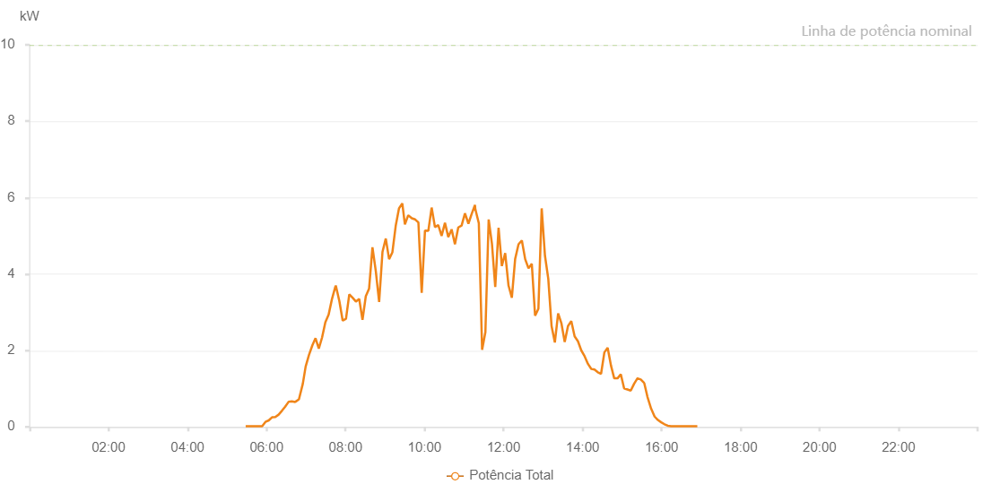

Number | Time | Working State | Alarm Code | Total Inverter Power(W)
1 | 09/05/2023 05:28:17 (UTC-4:00) | Normal |  | 20.000
2 | 09/05/2023 05:33:19 (UTC-4:00) | Normal |  | 20.000
3 | 09/05/2023 05:38:19 (UTC-4:00) | Normal |  | 20.000
4 | 09/05/2023 05:43:18 (UTC-4:00) | Normal |  | 20.000
5 | 09/05/2023 05:48:20 (UTC-4:00) | Normal |  | 20.000
6 | 09/05/2023 05:53:19 (UTC-4:00) | Normal |  | 20.000
7 | 09/05/2023 05:58:19 (UTC-4:00) | Normal |  | 130.000
8 | 09/05/2023 06:03:19 (UTC-4:00) | Normal |  | 170.000
9 | 09/05/2023 06:08:18 (UTC-4:00) | Normal |  | 250.000
10 | 09/05/2023 06:13:18 (UTC-4:00) | Normal |  | 260.000
11 | 09/05/2023 06:18:17 (UTC-4:00) | Normal |  | 320.000
12 | 09/05/2023 06:23:17 (UTC-4:00) | Normal |  | 420.000
13 | 09/05/2023 06:28:16 (UTC-4:00) | Normal |  | 530.000
14 | 09/05/2023 06:33:39 (UTC-4:00) | Normal |  | 660.000
15 | 09/05/2023 06:38:18 (UTC-4:00) | Normal |  | 670.000
16 | 09/05/2023 06:43:35 (UTC-4:00) | Normal |  | 650.000
17 | 09/05/2023 06:44:06 (UTC-4:00) | Normal |  | 660.000
18 | 09/05/2023 06:49:10 (UTC-4:00) | Normal |  | 720.000
19 | 09/05/2023 06:55:06 (UTC-4:00) | Normal |  | 1130.000
20 | 09/05/2023 06:59:24 (UTC-4:00) | Normal |  | 1580.000
21 | 09/05/2023 07:04:24 (UTC-4:00) | Normal |  | 1880.000
22 | 09/05/2023 07:09:43 (UTC-4:00) | Normal |  | 2140.000
23 | 09/05/2023 07:09:45 (UTC-4:00) | Normal |  | 2140.000
24 | 09/05/2023 07:14:23 (UTC-4:00) | Normal |  | 2320.000
25 | 09/05/2023 07:19:23 (UTC-4:00) | Normal |  | 2050.000
26 | 09/05/2023 07:24:21 (UTC-4:00) | Normal |  | 2340.000
27 | 09/05/2023 07:29:20 (UTC-4:00) | Normal |  | 2740.000
28 | 09/05/2023 07:34:18 (UTC-4:00) | Normal |  | 2940.000
29 | 09/05/2023 07:39:17 (UTC-4:00) | Normal |  | 3340.000
30 | 09/05/2023 07:44:29 (UTC-4:00) | Normal |  | 3670.000
31 | 09/05/2023 07:44:30 (UTC-4:00) | Normal |  | 3670.000
32 | 09/05/2023 07:44:36 (UTC-4:00) | Normal |  | 3670.000
33 | 09/05/2023 07:45:11 (UTC-4:00) | Normal |  | 3700.000
34 | 09/05/2023 07:50:37 (UTC-4:00) | Normal |  | 3290.000
35 | 09/05/2023 07:55:40 (UTC-4:00) | Normal |  | 2780.000
36 | 09/05/2023 08:00:40 (UTC-4:00) | Normal |  | 2830.000
37 | 09/05/2023 08:05:41 (UTC-4:00) | Normal |  | 3470.000
38 | 09/05/2023 08:10:42 (UTC-4:00) | Normal |  | 3380.000
39 | 09/05/2023 08:15:43 (UTC-4:00) | Normal |  | 3280.000
40 | 09/05/2023 08:20:44 (UTC-4:00) | Normal |  | 3350.000
41 | 09/05/2023 08:25:45 (UTC-4:00) | Normal |  | 2800.000
42 | 09/05/2023 08:30:45 (UTC-4:00) | Normal |  | 3420.000
43 | 09/05/2023 08:35:46 (UTC-4:00) | Normal |  | 3620.000
44 | 09/05/2023 08:40:53 (UTC-4:00) | Normal |  | 4700.000
45 | 09/05/2023 08:45:56 (UTC-4:00) | Normal |  | 4080.000
46 | 09/05/2023 08:51:01 (UTC-4:00) | Normal |  | 3270.000
47 | 09/05/2023 08:56:06 (UTC-4:00) | Normal |  | 4580.000
48 | 09/05/2023 09:01:07 (UTC-4:00) | Normal |  | 4930.000
49 | 09/05/2023 09:06:08 (UTC-4:00) | Normal |  | 4390.000
50 | 09/05/2023 09:11:09 (UTC-4:00) | Normal |  | 4570.000
51 | 09/05/2023 09:16:10 (UTC-4:00) | Normal |  | 5260.000
52 | 09/05/2023 09:21:11 (UTC-4:00) | Normal |  | 5720.000
53 | 09/05/2023 09:26:12 (UTC-4:00) | Normal |  | 5850.000
54 | 09/05/2023 09:30:09 (UTC-4:00) | Normal |  | 5300.000
55 | 09/05/2023 09:35:10 (UTC-4:00) | Normal |  | 5540.000
56 | 09/05/2023 09:40:40 (UTC-4:00) | Normal |  | 5460.000
57 | 09/05/2023 09:45:40 (UTC-4:00) | Normal |  | 5430.000
58 | 09/05/2023 09:50:40 (UTC-4:00) | Normal |  | 5350.000
59 | 09/05/2023 09:55:40 (UTC-4:00) | Normal |  | 3510.000
60 | 09/05/2023 10:00:40 (UTC-4:00) | Normal |  | 5140.000
61 | 09/05/2023 10:05:42 (UTC-4:00) | Normal |  | 5130.000
62 | 09/05/2023 10:10:46 (UTC-4:00) | Normal |  | 5740.000
63 | 09/05/2023 10:15:46 (UTC-4:00) | Normal |  | 5230.000
64 | 09/05/2023 10:20:49 (UTC-4:00) | Normal |  | 5280.000
65 | 09/05/2023 10:25:53 (UTC-4:00) | Normal |  | 5000.000
66 | 09/05/2023 10:31:00 (UTC-4:00) | Normal |  | 5340.000
67 | 09/05/2023 10:36:02 (UTC-4:00) | Normal |  | 4970.000
68 | 09/05/2023 10:41:06 (UTC-4:00) | Normal |  | 5170.000
69 | 09/05/2023 10:46:09 (UTC-4:00) | Normal |  | 4780.000
70 | 09/05/2023 10:51:13 (UTC-4:00) | Normal |  | 5220.000
71 | 09/05/2023 10:56:18 (UTC-4:00) | Normal |  | 5270.000
72 | 09/05/2023 11:01:20 (UTC-4:00) | Normal |  | 5590.000
73 | 09/05/2023 11:06:38 (UTC-4:00) | Normal |  | 5320.000
74 | 09/05/2023 11:11:28 (UTC-4:00) | Normal |  | 5570.000
75 | 09/05/2023 11:16:33 (UTC-4:00) | Normal |  | 5810.000
76 | 09/05/2023 11:17:06 (UTC-4:00) | Normal |  | 5700.000
77 | 09/05/2023 11:22:26 (UTC-4:00) | Normal |  | 5330.000
78 | 09/05/2023 11:27:25 (UTC-4:00) | Normal |  | 2020.000
79 | 09/05/2023 11:32:25 (UTC-4:00) | Normal |  | 2480.000
80 | 09/05/2023 11:37:24 (UTC-4:00) | Normal |  | 5430.000
81 | 09/05/2023 11:42:24 (UTC-4:00) | Normal |  | 4790.000
82 | 09/05/2023 11:47:23 (UTC-4:00) | Normal |  | 3660.000
83 | 09/05/2023 11:52:25 (UTC-4:00) | Normal |  | 5210.000
84 | 09/05/2023 11:57:26 (UTC-4:00) | Normal |  | 4210.000
85 | 09/05/2023 12:02:29 (UTC-4:00) | Normal |  | 4550.000
86 | 09/05/2023 12:07:32 (UTC-4:00) | Normal |  | 3700.000
87 | 09/05/2023 12:12:36 (UTC-4:00) | Normal |  | 3380.000
88 | 09/05/2023 12:17:39 (UTC-4:00) | Normal |  | 4400.000
89 | 09/05/2023 12:22:44 (UTC-4:00) | Normal |  | 4780.000
90 | 09/05/2023 12:27:47 (UTC-4:00) | Normal |  | 4880.000
91 | 09/05/2023 12:32:51 (UTC-4:00) | Normal |  | 4390.000
92 | 09/05/2023 12:37:55 (UTC-4:00) | Normal |  | 4150.000
93 | 09/05/2023 12:42:54 (UTC-4:00) | Normal |  | 4270.000
94 | 09/05/2023 12:47:54 (UTC-4:00) | Normal |  | 2910.000
95 | 09/05/2023 12:52:55 (UTC-4:00) | Normal |  | 3090.000
96 | 09/05/2023 12:57:55 (UTC-4:00) | Normal |  | 5720.000
97 | 09/05/2023 13:02:54 (UTC-4:00) | Normal |  | 4480.000
98 | 09/05/2023 13:07:55 (UTC-4:00) | Normal |  | 3880.000
99 | 09/05/2023 13:12:55 (UTC-4:00) | Normal |  | 2640.000
100 | 09/05/2023 13:17:54 (UTC-4:00) | Normal |  | 2210.000
101 | 09/05/2023 13:22:54 (UTC-4:00) | Normal |  | 2970.000
102 | 09/05/2023 13:27:54 (UTC-4:00) | Normal |  | 2710.000
103 | 09/05/2023 13:32:53 (UTC-4:00) | Normal |  | 2220.000
104 | 09/05/2023 13:37:53 (UTC-4:00) | Normal |  | 2640.000
105 | 09/05/2023 13:42:54 (UTC-4:00) | Normal |  | 2770.000
106 | 09/05/2023 13:47:57 (UTC-4:00) | Normal |  | 2370.000
107 | 09/05/2023 13:53:01 (UTC-4:00) | Normal |  | 2240.000
108 | 09/05/2023 13:58:06 (UTC-4:00) | Normal |  | 2000.000
109 | 09/05/2023 14:03:08 (UTC-4:00) | Normal |  | 1850.000
110 | 09/05/2023 14:08:10 (UTC-4:00) | Normal |  | 1650.000
111 | 09/05/2023 14:13:11 (UTC-4:00) | Normal |  | 1520.000
112 | 09/05/2023 14:18:09 (UTC-4:00) | Normal |  | 1500.000
113 | 09/05/2023 14:23:08 (UTC-4:00) | Normal |  | 1430.000
114 | 09/05/2023 14:28:07 (UTC-4:00) | Normal |  | 1390.000
115 | 09/05/2023 14:33:08 (UTC-4:00) | Normal |  | 1950.000
116 | 09/05/2023 14:38:07 (UTC-4:00) | Normal |  | 2070.000
117 | 09/05/2023 14:43:07 (UTC-4:00) | Normal |  | 1610.000
118 | 09/05/2023 14:48:06 (UTC-4:00) | Normal |  | 1270.000
119 | 09/05/2023 14:53:05 (UTC-4:00) | Normal |  | 1270.000
120 | 09/05/2023 14:58:05 (UTC-4:00) | Normal |  | 1380.000
121 | 09/05/2023 15:03:07 (UTC-4:00) | Normal |  | 1010.000
122 | 09/05/2023 15:08:10 (UTC-4:00) | Normal |  | 980.000
123 | 09/05/2023 15:13:13 (UTC-4:00) | Normal |  | 950.000
124 | 09/05/2023 15:18:18 (UTC-4:00) | Normal |  | 1130.000
125 | 09/05/2023 15:23:20 (UTC-4:00) | Normal |  | 1270.000
126 | 09/05/2023 15:23:31 (UTC-4:00) | Normal |  | 1270.000
127 | 09/05/2023 15:28:25 (UTC-4:00) | Normal |  | 1240.000
128 | 09/05/2023 15:33:29 (UTC-4:00) | Normal |  | 1150.000
129 | 09/05/2023 15:33:40 (UTC-4:00) | Normal |  | 1150.000
130 | 09/05/2023 15:38:30 (UTC-4:00) | Normal |  | 790.000
131 | 09/05/2023 15:43:34 (UTC-4:00) | Normal |  | 510.000
132 | 09/05/2023 15:44:06 (UTC-4:00) | Normal |  | 480.000
133 | 09/05/2023 15:49:27 (UTC-4:00) | Normal |  | 270.000
134 | 09/05/2023 15:54:27 (UTC-4:00) | Normal |  | 180.000
135 | 09/05/2023 15:59:26 (UTC-4:00) | Normal |  | 120.000
136 | 09/05/2023 16:04:25 (UTC-4:00) | Normal |  | 70.000
137 | 09/05/2023 16:09:24 (UTC-4:00) | Normal |  | 30.000
138 | 09/05/2023 16:14:24 (UTC-4:00) | Normal |  | 20.000
139 | 09/05/2023 16:19:23 (UTC-4:00) | Normal |  | 20.000
140 | 09/05/2023 16:24:23 (UTC-4:00) | Normal |  | 20.000
141 | 09/05/2023 16:29:22 (UTC-4:00) | Normal |  | 20.000
142 | 09/05/2023 16:34:21 (UTC-4:00) | Normal |  | 20.000
143 | 09/05/2023 16:39:21 (UTC-4:00) | Normal |  | 20.000
144 | 09/05/2023 16:44:20 (UTC-4:00) | Normal |  | 20.000
145 | 09/05/2023 16:49:20 (UTC-4:00) | Normal |  | 20.000
146 | 09/05/2023 16:54:19 (UTC-4:00) | Normal |  | 20.000

