Inverter History Report__17-08-
Inverter History Report_10/05/2023_Report

Inverter SN:054B7020C020044 |  | Inverter type:B7
Collector SN:4045086367 |  | Full Load Hours(h):2.20
Rated Power:10000Wp

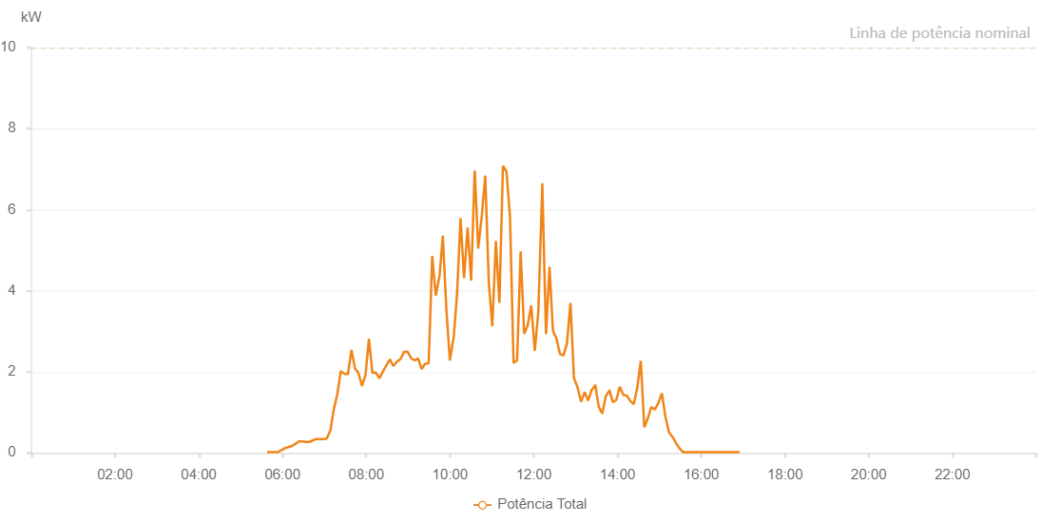

Number | Time | Working State | Alarm Code | Total Inverter Power(W)
1 | 10/05/2023 05:37:47 (UTC-4:00) | Normal |  | 20.000
2 | 10/05/2023 05:42:52 (UTC-4:00) | Normal |  | 20.000
3 | 10/05/2023 05:47:56 (UTC-4:00) | Normal |  | 20.000
4 | 10/05/2023 05:53:02 (UTC-4:00) | Normal |  | 20.000
5 | 10/05/2023 05:58:07 (UTC-4:00) | Normal |  | 60.000
6 | 10/05/2023 06:03:37 (UTC-4:00) | Normal |  | 120.000
7 | 10/05/2023 06:08:11 (UTC-4:00) | Normal |  | 140.000
8 | 10/05/2023 06:13:16 (UTC-4:00) | Normal |  | 170.000
9 | 10/05/2023 06:18:18 (UTC-4:00) | Normal |  | 220.000
10 | 10/05/2023 06:23:18 (UTC-4:00) | Normal |  | 280.000
11 | 10/05/2023 06:28:18 (UTC-4:00) | Normal |  | 280.000
12 | 10/05/2023 06:33:17 (UTC-4:00) | Normal |  | 270.000
13 | 10/05/2023 06:38:17 (UTC-4:00) | Normal |  | 270.000
14 | 10/05/2023 06:43:42 (UTC-4:00) | Normal |  | 310.000
15 | 10/05/2023 06:48:17 (UTC-4:00) | Normal |  | 340.000
16 | 10/05/2023 06:53:17 (UTC-4:00) | Normal |  | 340.000
17 | 10/05/2023 06:58:17 (UTC-4:00) | Normal |  | 340.000
18 | 10/05/2023 07:03:18 (UTC-4:00) | Normal |  | 350.000
19 | 10/05/2023 07:08:23 (UTC-4:00) | Normal |  | 550.000
20 | 10/05/2023 07:08:34 (UTC-4:00) | Normal |  | 550.000
21 | 10/05/2023 07:13:25 (UTC-4:00) | Normal |  | 1070.000
22 | 10/05/2023 07:18:29 (UTC-4:00) | Normal |  | 1450.000
23 | 10/05/2023 07:23:33 (UTC-4:00) | Normal |  | 2020.000
24 | 10/05/2023 07:28:40 (UTC-4:00) | Normal |  | 1950.000
25 | 10/05/2023 07:28:51 (UTC-4:00) | Normal |  | 1950.000
26 | 10/05/2023 07:33:41 (UTC-4:00) | Normal |  | 1940.000
27 | 10/05/2023 07:38:45 (UTC-4:00) | Normal |  | 2530.000
28 | 10/05/2023 07:38:55 (UTC-4:00) | Normal |  | 2530.000
29 | 10/05/2023 07:43:48 (UTC-4:00) | Normal |  | 2080.000
30 | 10/05/2023 07:48:48 (UTC-4:00) | Normal |  | 1970.000
31 | 10/05/2023 07:53:48 (UTC-4:00) | Normal |  | 1650.000
32 | 10/05/2023 07:58:49 (UTC-4:00) | Normal |  | 1920.000
33 | 10/05/2023 08:03:49 (UTC-4:00) | Normal |  | 2810.000
34 | 10/05/2023 08:08:49 (UTC-4:00) | Normal |  | 1970.000
35 | 10/05/2023 08:13:49 (UTC-4:00) | Normal |  | 1980.000
36 | 10/05/2023 08:18:49 (UTC-4:00) | Normal |  | 1840.000
37 | 10/05/2023 08:23:49 (UTC-4:00) | Normal |  | 2010.000
38 | 10/05/2023 08:28:51 (UTC-4:00) | Normal |  | 2160.000
39 | 10/05/2023 08:33:50 (UTC-4:00) | Normal |  | 2310.000
40 | 10/05/2023 08:38:50 (UTC-4:00) | Normal |  | 2140.000
41 | 10/05/2023 08:43:51 (UTC-4:00) | Normal |  | 2250.000
42 | 10/05/2023 08:48:57 (UTC-4:00) | Normal |  | 2310.000
43 | 10/05/2023 08:53:58 (UTC-4:00) | Normal |  | 2490.000
44 | 10/05/2023 08:59:01 (UTC-4:00) | Normal |  | 2500.000
45 | 10/05/2023 09:04:05 (UTC-4:00) | Normal |  | 2340.000
46 | 10/05/2023 09:09:09 (UTC-4:00) | Normal |  | 2280.000
47 | 10/05/2023 09:14:13 (UTC-4:00) | Normal |  | 2330.000
48 | 10/05/2023 09:19:17 (UTC-4:00) | Normal |  | 2070.000
49 | 10/05/2023 09:24:21 (UTC-4:00) | Normal |  | 2200.000
50 | 10/05/2023 09:29:25 (UTC-4:00) | Normal |  | 2210.000
51 | 10/05/2023 09:34:29 (UTC-4:00) | Normal |  | 4860.000
52 | 10/05/2023 09:39:33 (UTC-4:00) | Normal |  | 3880.000
53 | 10/05/2023 09:44:37 (UTC-4:00) | Normal |  | 4340.000
54 | 10/05/2023 09:44:53 (UTC-4:00) | Normal |  | 4340.000
55 | 10/05/2023 09:49:41 (UTC-4:00) | Normal |  | 5360.000
56 | 10/05/2023 09:54:45 (UTC-4:00) | Normal |  | 3540.000
57 | 10/05/2023 09:59:49 (UTC-4:00) | Normal |  | 2280.000
58 | 10/05/2023 10:04:54 (UTC-4:00) | Normal |  | 2820.000
59 | 10/05/2023 10:05:05 (UTC-4:00) | Normal |  | 2820.000
60 | 10/05/2023 10:09:59 (UTC-4:00) | Normal |  | 3890.000
61 | 10/05/2023 10:15:04 (UTC-4:00) | Normal |  | 5790.000
62 | 10/05/2023 10:20:06 (UTC-4:00) | Normal |  | 4310.000
63 | 10/05/2023 10:25:10 (UTC-4:00) | Normal |  | 5560.000
64 | 10/05/2023 10:30:14 (UTC-4:00) | Normal |  | 4250.000
65 | 10/05/2023 10:35:19 (UTC-4:00) | Normal |  | 6950.000
66 | 10/05/2023 10:35:30 (UTC-4:00) | Normal |  | 6950.000
67 | 10/05/2023 10:40:21 (UTC-4:00) | Normal |  | 5040.000
68 | 10/05/2023 10:45:25 (UTC-4:00) | Normal |  | 5820.000
69 | 10/05/2023 10:50:29 (UTC-4:00) | Normal |  | 6840.000
70 | 10/05/2023 10:55:33 (UTC-4:00) | Normal |  | 4200.000
71 | 10/05/2023 11:00:37 (UTC-4:00) | Normal |  | 3120.000
72 | 10/05/2023 11:05:41 (UTC-4:00) | Normal |  | 5230.000
73 | 10/05/2023 11:10:45 (UTC-4:00) | Normal |  | 3700.000
74 | 10/05/2023 11:15:49 (UTC-4:00) | Normal |  | 7080.000
75 | 10/05/2023 11:20:54 (UTC-4:00) | Normal |  | 6940.000
76 | 10/05/2023 11:25:59 (UTC-4:00) | Normal |  | 5810.000
77 | 10/05/2023 11:31:04 (UTC-4:00) | Normal |  | 2220.000
78 | 10/05/2023 11:36:07 (UTC-4:00) | Normal |  | 2280.000
79 | 10/05/2023 11:41:11 (UTC-4:00) | Normal |  | 4970.000
80 | 10/05/2023 11:46:16 (UTC-4:00) | Normal |  | 2940.000
81 | 10/05/2023 11:51:18 (UTC-4:00) | Normal |  | 3150.000
82 | 10/05/2023 11:56:22 (UTC-4:00) | Normal |  | 3640.000
83 | 10/05/2023 12:01:26 (UTC-4:00) | Normal |  | 2520.000
84 | 10/05/2023 12:06:30 (UTC-4:00) | Normal |  | 3470.000
85 | 10/05/2023 12:11:34 (UTC-4:00) | Normal |  | 6240.000
86 | 10/05/2023 12:11:45 (UTC-4:00) | Normal |  | 6240.000
87 | 10/05/2023 12:12:11 (UTC-4:00) | Normal |  | 6650.000
88 | 10/05/2023 12:17:33 (UTC-4:00) | Normal |  | 2930.000
89 | 10/05/2023 12:22:33 (UTC-4:00) | Normal |  | 4590.000
90 | 10/05/2023 12:27:32 (UTC-4:00) | Normal |  | 3010.000
91 | 10/05/2023 12:32:32 (UTC-4:00) | Normal |  | 2820.000
92 | 10/05/2023 12:37:33 (UTC-4:00) | Normal |  | 2440.000
93 | 10/05/2023 12:42:33 (UTC-4:00) | Normal |  | 2400.000
94 | 10/05/2023 12:47:33 (UTC-4:00) | Normal |  | 2700.000
95 | 10/05/2023 12:52:35 (UTC-4:00) | Normal |  | 3700.000
96 | 10/05/2023 12:57:37 (UTC-4:00) | Normal |  | 1840.000
97 | 10/05/2023 13:02:42 (UTC-4:00) | Normal |  | 1620.000
98 | 10/05/2023 13:07:46 (UTC-4:00) | Normal |  | 1260.000
99 | 10/05/2023 13:12:52 (UTC-4:00) | Normal |  | 1500.000
100 | 10/05/2023 13:17:52 (UTC-4:00) | Normal |  | 1290.000
101 | 10/05/2023 13:22:55 (UTC-4:00) | Normal |  | 1550.000
102 | 10/05/2023 13:28:06 (UTC-4:00) | Normal |  | 1670.000
103 | 10/05/2023 13:28:11 (UTC-4:00) | Normal |  | 1670.000
104 | 10/05/2023 13:33:03 (UTC-4:00) | Normal |  | 1140.000
105 | 10/05/2023 13:38:09 (UTC-4:00) | Normal |  | 970.000
106 | 10/05/2023 13:43:11 (UTC-4:00) | Normal |  | 1400.000
107 | 10/05/2023 13:48:28 (UTC-4:00) | Normal |  | 1540.000
108 | 10/05/2023 13:48:29 (UTC-4:00) | Normal |  | 1540.000
109 | 10/05/2023 13:53:19 (UTC-4:00) | Normal |  | 1250.000
110 | 10/05/2023 13:58:24 (UTC-4:00) | Normal |  | 1310.000
111 | 10/05/2023 14:03:20 (UTC-4:00) | Normal |  | 1630.000
112 | 10/05/2023 14:08:21 (UTC-4:00) | Normal |  | 1430.000
113 | 10/05/2023 14:13:26 (UTC-4:00) | Normal |  | 1410.000
114 | 10/05/2023 14:18:21 (UTC-4:00) | Normal |  | 1280.000
115 | 10/05/2023 14:23:20 (UTC-4:00) | Normal |  | 1200.000
116 | 10/05/2023 14:28:20 (UTC-4:00) | Normal |  | 1610.000
117 | 10/05/2023 14:33:21 (UTC-4:00) | Normal |  | 2270.000
118 | 10/05/2023 14:38:24 (UTC-4:00) | Normal |  | 630.000
119 | 10/05/2023 14:43:23 (UTC-4:00) | Normal |  | 850.000
120 | 10/05/2023 14:48:23 (UTC-4:00) | Normal |  | 1130.000
121 | 10/05/2023 14:53:27 (UTC-4:00) | Normal |  | 1070.000
122 | 10/05/2023 14:58:32 (UTC-4:00) | Normal |  | 1230.000
123 | 10/05/2023 15:03:35 (UTC-4:00) | Normal |  | 1470.000
124 | 10/05/2023 15:08:38 (UTC-4:00) | Normal |  | 890.000
125 | 10/05/2023 15:13:42 (UTC-4:00) | Normal |  | 510.000
126 | 10/05/2023 15:18:46 (UTC-4:00) | Normal |  | 390.000
127 | 10/05/2023 15:19:12 (UTC-4:00) | Normal |  | 390.000
128 | 10/05/2023 15:23:51 (UTC-4:00) | Normal |  | 240.000
129 | 10/05/2023 15:28:59 (UTC-4:00) | Normal |  | 110.000
130 | 10/05/2023 15:33:58 (UTC-4:00) | Normal |  | 20.000
131 | 10/05/2023 15:39:02 (UTC-4:00) | Normal |  | 20.000
132 | 10/05/2023 15:44:07 (UTC-4:00) | Normal |  | 20.000
133 | 10/05/2023 15:49:13 (UTC-4:00) | Normal |  | 20.000
134 | 10/05/2023 15:54:17 (UTC-4:00) | Normal |  | 20.000
135 | 10/05/2023 15:59:21 (UTC-4:00) | Normal |  | 20.000
136 | 10/05/2023 16:04:30 (UTC-4:00) | Normal |  | 20.000
137 | 10/05/2023 16:09:28 (UTC-4:00) | Normal |  | 20.000
138 | 10/05/2023 16:14:35 (UTC-4:00) | Normal |  | 20.000
139 | 10/05/2023 16:19:37 (UTC-4:00) | Normal |  | 20.000
140 | 10/05/2023 16:24:40 (UTC-4:00) | Normal |  | 20.000
141 | 10/05/2023 16:29:44 (UTC-4:00) | Normal |  | 20.000
142 | 10/05/2023 16:34:49 (UTC-4:00) | Normal |  | 20.000
143 | 10/05/2023 16:39:51 (UTC-4:00) | Normal |  | 20.000
144 | 10/05/2023 16:44:59 (UTC-4:00) | Normal |  | 20.000
145 | 10/05/2023 16:50:00 (UTC-4:00) | Normal |  | 20.000
146 | 10/05/2023 16:55:09 (UTC-4:00) | Normal |  | 20.000

