Inverter History Report__17-08-
Inverter History Report_14/05/2023_Report

Inverter SN:054B7020C020044 |  | Inverter type:B7
Collector SN:4045086367 |  | Full Load Hours(h):3.80
Rated Power:10000Wp

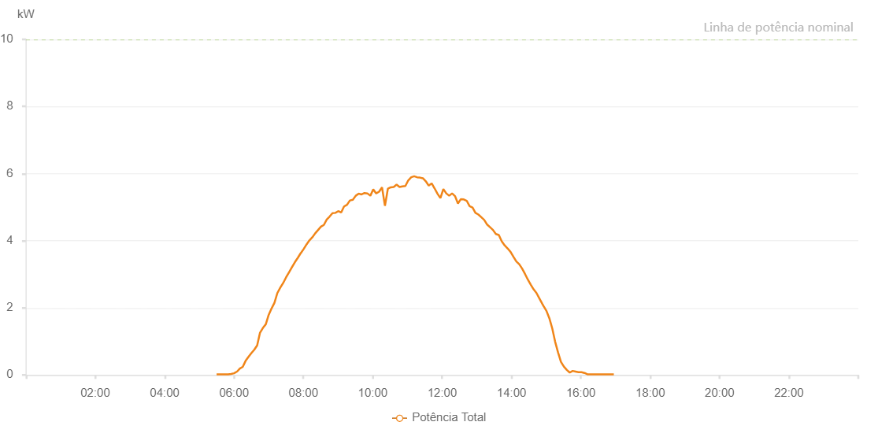

Number | Time | Working State | Alarm Code | Total Inverter Power(W)
1 | 14/05/2023 05:29:51 (UTC-4:00) | Normal |  | 20.000
2 | 14/05/2023 05:34:50 (UTC-4:00) | Normal |  | 20.000
3 | 14/05/2023 05:39:50 (UTC-4:00) | Normal |  | 20.000
4 | 14/05/2023 05:44:52 (UTC-4:00) | Normal |  | 20.000
5 | 14/05/2023 05:49:54 (UTC-4:00) | Normal |  | 20.000
6 | 14/05/2023 05:54:59 (UTC-4:00) | Normal |  | 30.000
7 | 14/05/2023 06:00:00 (UTC-4:00) | Normal |  | 50.000
8 | 14/05/2023 06:05:04 (UTC-4:00) | Normal |  | 100.000
9 | 14/05/2023 06:05:15 (UTC-4:00) | Normal |  | 100.000
10 | 14/05/2023 06:10:05 (UTC-4:00) | Normal |  | 190.000
11 | 14/05/2023 06:15:04 (UTC-4:00) | Normal |  | 240.000
12 | 14/05/2023 06:20:03 (UTC-4:00) | Normal |  | 420.000
13 | 14/05/2023 06:25:02 (UTC-4:00) | Normal |  | 540.000
14 | 14/05/2023 06:30:01 (UTC-4:00) | Normal |  | 650.000
15 | 14/05/2023 06:35:01 (UTC-4:00) | Normal |  | 750.000
16 | 14/05/2023 06:40:00 (UTC-4:00) | Normal |  | 880.000
17 | 14/05/2023 06:44:59 (UTC-4:00) | Normal |  | 1260.000
18 | 14/05/2023 06:49:58 (UTC-4:00) | Normal |  | 1400.000
19 | 14/05/2023 06:54:57 (UTC-4:00) | Normal |  | 1510.000
20 | 14/05/2023 06:59:57 (UTC-4:00) | Normal |  | 1790.000
21 | 14/05/2023 07:04:56 (UTC-4:00) | Normal |  | 1980.000
22 | 14/05/2023 07:09:55 (UTC-4:00) | Normal |  | 2150.000
23 | 14/05/2023 07:14:57 (UTC-4:00) | Normal |  | 2440.000
24 | 14/05/2023 07:20:00 (UTC-4:00) | Normal |  | 2600.000
25 | 14/05/2023 07:25:03 (UTC-4:00) | Normal |  | 2740.000
26 | 14/05/2023 07:30:06 (UTC-4:00) | Normal |  | 2910.000
27 | 14/05/2023 07:35:11 (UTC-4:00) | Normal |  | 3060.000
28 | 14/05/2023 07:40:13 (UTC-4:00) | Normal |  | 3210.000
29 | 14/05/2023 07:45:16 (UTC-4:00) | Normal |  | 3360.000
30 | 14/05/2023 07:50:20 (UTC-4:00) | Normal |  | 3490.000
31 | 14/05/2023 07:55:23 (UTC-4:00) | Normal |  | 3630.000
32 | 14/05/2023 07:55:35 (UTC-4:00) | Normal |  | 3630.000
33 | 14/05/2023 08:00:25 (UTC-4:00) | Normal |  | 3750.000
34 | 14/05/2023 08:05:28 (UTC-4:00) | Normal |  | 3890.000
35 | 14/05/2023 08:10:27 (UTC-4:00) | Normal |  | 4010.000
36 | 14/05/2023 08:15:26 (UTC-4:00) | Normal |  | 4100.000
37 | 14/05/2023 08:20:25 (UTC-4:00) | Normal |  | 4220.000
38 | 14/05/2023 08:25:25 (UTC-4:00) | Normal |  | 4320.000
39 | 14/05/2023 08:30:24 (UTC-4:00) | Normal |  | 4420.000
40 | 14/05/2023 08:35:23 (UTC-4:00) | Normal |  | 4470.000
41 | 14/05/2023 08:40:22 (UTC-4:00) | Normal |  | 4630.000
42 | 14/05/2023 08:45:22 (UTC-4:00) | Normal |  | 4720.000
43 | 14/05/2023 08:50:21 (UTC-4:00) | Normal |  | 4820.000
44 | 14/05/2023 08:55:20 (UTC-4:00) | Normal |  | 4830.000
45 | 14/05/2023 09:00:19 (UTC-4:00) | Normal |  | 4880.000
46 | 14/05/2023 09:05:18 (UTC-4:00) | Normal |  | 4840.000
47 | 14/05/2023 09:10:21 (UTC-4:00) | Normal |  | 5020.000
48 | 14/05/2023 09:15:27 (UTC-4:00) | Normal |  | 5070.000
49 | 14/05/2023 09:20:28 (UTC-4:00) | Normal |  | 5200.000
50 | 14/05/2023 09:25:32 (UTC-4:00) | Normal |  | 5220.000
51 | 14/05/2023 09:30:34 (UTC-4:00) | Normal |  | 5340.000
52 | 14/05/2023 09:35:38 (UTC-4:00) | Normal |  | 5400.000
53 | 14/05/2023 09:40:40 (UTC-4:00) | Normal |  | 5380.000
54 | 14/05/2023 09:45:43 (UTC-4:00) | Normal |  | 5420.000
55 | 14/05/2023 09:50:46 (UTC-4:00) | Normal |  | 5410.000
56 | 14/05/2023 09:55:50 (UTC-4:00) | Normal |  | 5340.000
57 | 14/05/2023 10:00:52 (UTC-4:00) | Normal |  | 5530.000
58 | 14/05/2023 10:05:55 (UTC-4:00) | Normal |  | 5410.000
59 | 14/05/2023 10:10:59 (UTC-4:00) | Normal |  | 5460.000
60 | 14/05/2023 10:16:02 (UTC-4:00) | Normal |  | 5590.000
61 | 14/05/2023 10:21:05 (UTC-4:00) | Normal |  | 5040.000
62 | 14/05/2023 10:26:08 (UTC-4:00) | Normal |  | 5550.000
63 | 14/05/2023 10:31:11 (UTC-4:00) | Normal |  | 5590.000
64 | 14/05/2023 10:36:14 (UTC-4:00) | Normal |  | 5600.000
65 | 14/05/2023 10:41:16 (UTC-4:00) | Normal |  | 5670.000
66 | 14/05/2023 10:46:19 (UTC-4:00) | Normal |  | 5600.000
67 | 14/05/2023 10:51:23 (UTC-4:00) | Normal |  | 5620.000
68 | 14/05/2023 10:56:26 (UTC-4:00) | Normal |  | 5630.000
69 | 14/05/2023 11:01:29 (UTC-4:00) | Normal |  | 5800.000
70 | 14/05/2023 11:06:34 (UTC-4:00) | Normal |  | 5890.000
71 | 14/05/2023 11:11:38 (UTC-4:00) | Normal |  | 5920.000
72 | 14/05/2023 11:16:40 (UTC-4:00) | Normal |  | 5890.000
73 | 14/05/2023 11:21:43 (UTC-4:00) | Normal |  | 5880.000
74 | 14/05/2023 11:26:46 (UTC-4:00) | Normal |  | 5860.000
75 | 14/05/2023 11:31:50 (UTC-4:00) | Normal |  | 5770.000
76 | 14/05/2023 11:36:51 (UTC-4:00) | Normal |  | 5640.000
77 | 14/05/2023 11:41:54 (UTC-4:00) | Normal |  | 5710.000
78 | 14/05/2023 11:46:57 (UTC-4:00) | Normal |  | 5560.000
79 | 14/05/2023 11:52:01 (UTC-4:00) | Normal |  | 5400.000
80 | 14/05/2023 11:57:03 (UTC-4:00) | Normal |  | 5270.000
81 | 14/05/2023 12:02:07 (UTC-4:00) | Normal |  | 5540.000
82 | 14/05/2023 12:07:10 (UTC-4:00) | Normal |  | 5410.000
83 | 14/05/2023 12:12:14 (UTC-4:00) | Normal |  | 5340.000
84 | 14/05/2023 12:17:15 (UTC-4:00) | Normal |  | 5410.000
85 | 14/05/2023 12:22:18 (UTC-4:00) | Normal |  | 5330.000
86 | 14/05/2023 12:27:23 (UTC-4:00) | Normal |  | 5110.000
87 | 14/05/2023 12:32:26 (UTC-4:00) | Normal |  | 5240.000
88 | 14/05/2023 12:37:29 (UTC-4:00) | Normal |  | 5230.000
89 | 14/05/2023 12:42:32 (UTC-4:00) | Normal |  | 5190.000
90 | 14/05/2023 12:47:34 (UTC-4:00) | Normal |  | 5030.000
91 | 14/05/2023 12:52:38 (UTC-4:00) | Normal |  | 4990.000
92 | 14/05/2023 12:57:38 (UTC-4:00) | Normal |  | 4830.000
93 | 14/05/2023 13:02:42 (UTC-4:00) | Normal |  | 4780.000
94 | 14/05/2023 13:07:46 (UTC-4:00) | Normal |  | 4700.000
95 | 14/05/2023 13:12:50 (UTC-4:00) | Normal |  | 4620.000
96 | 14/05/2023 13:17:54 (UTC-4:00) | Normal |  | 4480.000
97 | 14/05/2023 13:22:57 (UTC-4:00) | Normal |  | 4400.000
98 | 14/05/2023 13:28:00 (UTC-4:00) | Normal |  | 4320.000
99 | 14/05/2023 13:33:01 (UTC-4:00) | Normal |  | 4200.000
100 | 14/05/2023 13:38:05 (UTC-4:00) | Normal |  | 4170.000
101 | 14/05/2023 13:43:07 (UTC-4:00) | Normal |  | 3980.000
102 | 14/05/2023 13:48:12 (UTC-4:00) | Normal |  | 3860.000
103 | 14/05/2023 13:53:15 (UTC-4:00) | Normal |  | 3770.000
104 | 14/05/2023 13:58:18 (UTC-4:00) | Normal |  | 3670.000
105 | 14/05/2023 14:03:21 (UTC-4:00) | Normal |  | 3520.000
106 | 14/05/2023 14:08:25 (UTC-4:00) | Normal |  | 3380.000
107 | 14/05/2023 14:13:24 (UTC-4:00) | Normal |  | 3300.000
108 | 14/05/2023 14:18:22 (UTC-4:00) | Normal |  | 3170.000
109 | 14/05/2023 14:23:22 (UTC-4:00) | Normal |  | 3010.000
110 | 14/05/2023 14:28:21 (UTC-4:00) | Normal |  | 2840.000
111 | 14/05/2023 14:33:20 (UTC-4:00) | Normal |  | 2690.000
112 | 14/05/2023 14:38:19 (UTC-4:00) | Normal |  | 2550.000
113 | 14/05/2023 14:43:18 (UTC-4:00) | Normal |  | 2440.000
114 | 14/05/2023 14:48:17 (UTC-4:00) | Normal |  | 2280.000
115 | 14/05/2023 14:53:16 (UTC-4:00) | Normal |  | 2120.000
116 | 14/05/2023 14:55:09 (UTC-4:00) | Normal |  | 2060.000
117 | 14/05/2023 15:00:28 (UTC-4:00) | Normal |  | 1910.000
118 | 14/05/2023 15:05:28 (UTC-4:00) | Normal |  | 1690.000
119 | 14/05/2023 15:10:29 (UTC-4:00) | Normal |  | 1390.000
120 | 14/05/2023 15:15:31 (UTC-4:00) | Normal |  | 990.000
121 | 14/05/2023 15:20:32 (UTC-4:00) | Normal |  | 670.000
122 | 14/05/2023 15:25:33 (UTC-4:00) | Normal |  | 390.000
123 | 14/05/2023 15:30:37 (UTC-4:00) | Normal |  | 250.000
124 | 14/05/2023 15:35:41 (UTC-4:00) | Normal |  | 150.000
125 | 14/05/2023 15:40:46 (UTC-4:00) | Normal |  | 70.000
126 | 14/05/2023 15:45:51 (UTC-4:00) | Normal |  | 120.000
127 | 14/05/2023 15:50:57 (UTC-4:00) | Normal |  | 100.000
128 | 14/05/2023 15:56:01 (UTC-4:00) | Normal |  | 80.000
129 | 14/05/2023 16:01:05 (UTC-4:00) | Normal |  | 80.000
130 | 14/05/2023 16:06:10 (UTC-4:00) | Normal |  | 60.000
131 | 14/05/2023 16:06:21 (UTC-4:00) | Normal |  | 60.000
132 | 14/05/2023 16:11:19 (UTC-4:00) | Normal |  | 20.000
133 | 14/05/2023 16:16:24 (UTC-4:00) | Normal |  | 20.000
134 | 14/05/2023 16:21:28 (UTC-4:00) | Normal |  | 20.000
135 | 14/05/2023 16:26:34 (UTC-4:00) | Normal |  | 20.000
136 | 14/05/2023 16:31:37 (UTC-4:00) | Normal |  | 20.000
137 | 14/05/2023 16:36:42 (UTC-4:00) | Normal |  | 20.000
138 | 14/05/2023 16:41:46 (UTC-4:00) | Normal |  | 20.000
139 | 14/05/2023 16:46:52 (UTC-4:00) | Normal |  | 20.000
140 | 14/05/2023 16:51:56 (UTC-4:00) | Normal |  | 20.000
141 | 14/05/2023 16:57:03 (UTC-4:00) | Normal |  | 20.000

