Inverter History Report__17-08-
Inverter History Report_20/05/2023_Report

Inverter SN:054B7020C020044 |  | Inverter type:B7
Collector SN:4045086367 |  | Full Load Hours(h):3.50
Rated Power:10000Wp

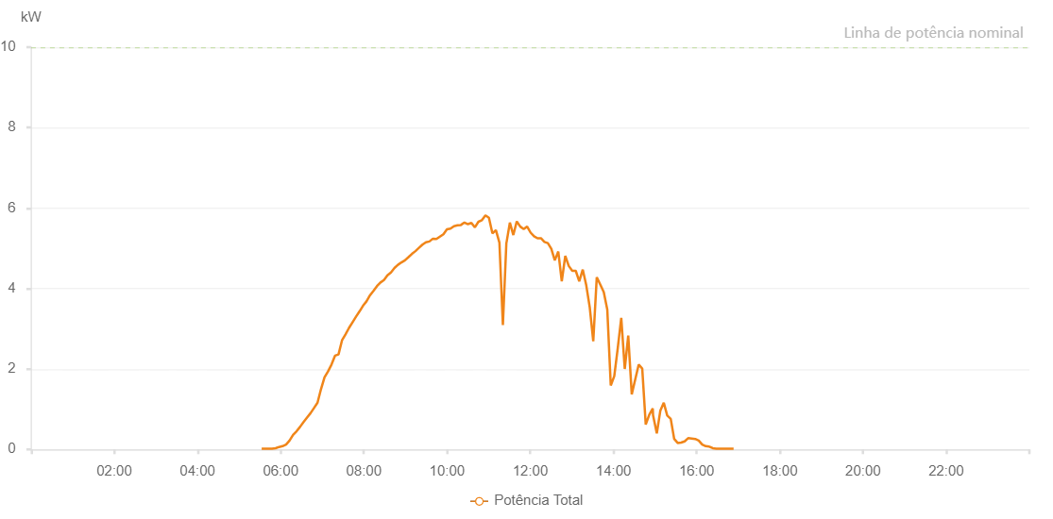

Number | Time | Working State | Alarm Code | Total Inverter Power(W)
1 | 20/05/2023 05:32:35 (UTC-4:00) | Normal |  | 20.000
2 | 20/05/2023 05:37:34 (UTC-4:00) | Normal |  | 20.000
3 | 20/05/2023 05:42:32 (UTC-4:00) | Normal |  | 20.000
4 | 20/05/2023 05:47:34 (UTC-4:00) | Normal |  | 20.000
5 | 20/05/2023 05:52:37 (UTC-4:00) | Normal |  | 30.000
6 | 20/05/2023 05:57:41 (UTC-4:00) | Normal |  | 60.000
7 | 20/05/2023 06:02:43 (UTC-4:00) | Normal |  | 80.000
8 | 20/05/2023 06:07:47 (UTC-4:00) | Normal |  | 120.000
9 | 20/05/2023 06:12:48 (UTC-4:00) | Normal |  | 220.000
10 | 20/05/2023 06:17:52 (UTC-4:00) | Normal |  | 360.000
11 | 20/05/2023 06:22:53 (UTC-4:00) | Normal |  | 450.000
12 | 20/05/2023 06:27:57 (UTC-4:00) | Normal |  | 560.000
13 | 20/05/2023 06:33:00 (UTC-4:00) | Normal |  | 680.000
14 | 20/05/2023 06:38:01 (UTC-4:00) | Normal |  | 790.000
15 | 20/05/2023 06:43:03 (UTC-4:00) | Normal |  | 900.000
16 | 20/05/2023 06:48:06 (UTC-4:00) | Normal |  | 1030.000
17 | 20/05/2023 06:53:09 (UTC-4:00) | Normal |  | 1160.000
18 | 20/05/2023 06:58:12 (UTC-4:00) | Normal |  | 1500.000
19 | 20/05/2023 07:03:14 (UTC-4:00) | Normal |  | 1790.000
20 | 20/05/2023 07:08:17 (UTC-4:00) | Normal |  | 1940.000
21 | 20/05/2023 07:13:20 (UTC-4:00) | Normal |  | 2110.000
22 | 20/05/2023 07:18:24 (UTC-4:00) | Normal |  | 2330.000
23 | 20/05/2023 07:23:25 (UTC-4:00) | Normal |  | 2360.000
24 | 20/05/2023 07:28:28 (UTC-4:00) | Normal |  | 2710.000
25 | 20/05/2023 07:33:31 (UTC-4:00) | Normal |  | 2860.000
26 | 20/05/2023 07:38:34 (UTC-4:00) | Normal |  | 3020.000
27 | 20/05/2023 07:43:36 (UTC-4:00) | Normal |  | 3160.000
28 | 20/05/2023 07:48:39 (UTC-4:00) | Normal |  | 3300.000
29 | 20/05/2023 07:53:41 (UTC-4:00) | Normal |  | 3430.000
30 | 20/05/2023 07:58:45 (UTC-4:00) | Normal |  | 3570.000
31 | 20/05/2023 08:03:47 (UTC-4:00) | Normal |  | 3680.000
32 | 20/05/2023 08:08:49 (UTC-4:00) | Normal |  | 3830.000
33 | 20/05/2023 08:13:52 (UTC-4:00) | Normal |  | 3940.000
34 | 20/05/2023 08:18:55 (UTC-4:00) | Normal |  | 4060.000
35 | 20/05/2023 08:23:57 (UTC-4:00) | Normal |  | 4150.000
36 | 20/05/2023 08:29:00 (UTC-4:00) | Normal |  | 4210.000
37 | 20/05/2023 08:34:02 (UTC-4:00) | Normal |  | 4330.000
38 | 20/05/2023 08:39:06 (UTC-4:00) | Normal |  | 4400.000
39 | 20/05/2023 08:44:08 (UTC-4:00) | Normal |  | 4510.000
40 | 20/05/2023 08:49:10 (UTC-4:00) | Normal |  | 4590.000
41 | 20/05/2023 08:54:13 (UTC-4:00) | Normal |  | 4650.000
42 | 20/05/2023 08:59:16 (UTC-4:00) | Normal |  | 4700.000
43 | 20/05/2023 09:04:19 (UTC-4:00) | Normal |  | 4780.000
44 | 20/05/2023 09:09:21 (UTC-4:00) | Normal |  | 4860.000
45 | 20/05/2023 09:14:24 (UTC-4:00) | Normal |  | 4930.000
46 | 20/05/2023 09:19:27 (UTC-4:00) | Normal |  | 5010.000
47 | 20/05/2023 09:24:29 (UTC-4:00) | Normal |  | 5090.000
48 | 20/05/2023 09:29:32 (UTC-4:00) | Normal |  | 5150.000
49 | 20/05/2023 09:34:35 (UTC-4:00) | Normal |  | 5170.000
50 | 20/05/2023 09:39:38 (UTC-4:00) | Normal |  | 5240.000
51 | 20/05/2023 09:44:40 (UTC-4:00) | Normal |  | 5230.000
52 | 20/05/2023 09:49:43 (UTC-4:00) | Normal |  | 5290.000
53 | 20/05/2023 09:54:46 (UTC-4:00) | Normal |  | 5350.000
54 | 20/05/2023 09:59:50 (UTC-4:00) | Normal |  | 5470.000
55 | 20/05/2023 10:04:55 (UTC-4:00) | Normal |  | 5490.000
56 | 20/05/2023 10:09:56 (UTC-4:00) | Normal |  | 5550.000
57 | 20/05/2023 10:14:59 (UTC-4:00) | Normal |  | 5570.000
58 | 20/05/2023 10:20:02 (UTC-4:00) | Normal |  | 5580.000
59 | 20/05/2023 10:25:04 (UTC-4:00) | Normal |  | 5640.000
60 | 20/05/2023 10:30:08 (UTC-4:00) | Normal |  | 5600.000
61 | 20/05/2023 10:35:09 (UTC-4:00) | Normal |  | 5630.000
62 | 20/05/2023 10:40:11 (UTC-4:00) | Normal |  | 5520.000
63 | 20/05/2023 10:45:15 (UTC-4:00) | Normal |  | 5660.000
64 | 20/05/2023 10:50:17 (UTC-4:00) | Normal |  | 5700.000
65 | 20/05/2023 10:55:21 (UTC-4:00) | Normal |  | 5820.000
66 | 20/05/2023 11:00:23 (UTC-4:00) | Normal |  | 5760.000
67 | 20/05/2023 11:05:25 (UTC-4:00) | Normal |  | 5370.000
68 | 20/05/2023 11:10:29 (UTC-4:00) | Normal |  | 5450.000
69 | 20/05/2023 11:15:32 (UTC-4:00) | Normal |  | 5140.000
70 | 20/05/2023 11:20:32 (UTC-4:00) | Normal |  | 3090.000
71 | 20/05/2023 11:25:34 (UTC-4:00) | Normal |  | 5140.000
72 | 20/05/2023 11:25:45 (UTC-4:00) | Normal |  | 5140.000
73 | 20/05/2023 11:30:37 (UTC-4:00) | Normal |  | 5640.000
74 | 20/05/2023 11:35:36 (UTC-4:00) | Normal |  | 5330.000
75 | 20/05/2023 11:40:34 (UTC-4:00) | Normal |  | 5670.000
76 | 20/05/2023 11:45:34 (UTC-4:00) | Normal |  | 5540.000
77 | 20/05/2023 11:50:33 (UTC-4:00) | Normal |  | 5480.000
78 | 20/05/2023 11:55:32 (UTC-4:00) | Normal |  | 5540.000
79 | 20/05/2023 12:00:30 (UTC-4:00) | Normal |  | 5390.000
80 | 20/05/2023 12:05:29 (UTC-4:00) | Normal |  | 5300.000
81 | 20/05/2023 12:10:27 (UTC-4:00) | Normal |  | 5250.000
82 | 20/05/2023 12:15:26 (UTC-4:00) | Normal |  | 5250.000
83 | 20/05/2023 12:20:25 (UTC-4:00) | Normal |  | 5160.000
84 | 20/05/2023 12:25:23 (UTC-4:00) | Normal |  | 5130.000
85 | 20/05/2023 12:30:22 (UTC-4:00) | Normal |  | 4990.000
86 | 20/05/2023 12:35:24 (UTC-4:00) | Normal |  | 4700.000
87 | 20/05/2023 12:40:27 (UTC-4:00) | Normal |  | 4920.000
88 | 20/05/2023 12:45:29 (UTC-4:00) | Normal |  | 4180.000
89 | 20/05/2023 12:50:32 (UTC-4:00) | Normal |  | 4810.000
90 | 20/05/2023 12:55:35 (UTC-4:00) | Normal |  | 4560.000
91 | 20/05/2023 13:00:37 (UTC-4:00) | Normal |  | 4440.000
92 | 20/05/2023 13:05:40 (UTC-4:00) | Normal |  | 4440.000
93 | 20/05/2023 13:10:42 (UTC-4:00) | Normal |  | 4180.000
94 | 20/05/2023 13:15:45 (UTC-4:00) | Normal |  | 4470.000
95 | 20/05/2023 13:20:48 (UTC-4:00) | Normal |  | 4080.000
96 | 20/05/2023 13:25:51 (UTC-4:00) | Normal |  | 3530.000
97 | 20/05/2023 13:30:54 (UTC-4:00) | Normal |  | 2690.000
98 | 20/05/2023 13:35:57 (UTC-4:00) | Normal |  | 4280.000
99 | 20/05/2023 13:41:00 (UTC-4:00) | Normal |  | 4100.000
100 | 20/05/2023 13:46:02 (UTC-4:00) | Normal |  | 3910.000
101 | 20/05/2023 13:51:07 (UTC-4:00) | Normal |  | 3480.000
102 | 20/05/2023 13:56:09 (UTC-4:00) | Normal |  | 1590.000
103 | 20/05/2023 14:01:12 (UTC-4:00) | Normal |  | 1820.000
104 | 20/05/2023 14:06:15 (UTC-4:00) | Normal |  | 2520.000
105 | 20/05/2023 14:11:17 (UTC-4:00) | Normal |  | 3270.000
106 | 20/05/2023 14:16:20 (UTC-4:00) | Normal |  | 2000.000
107 | 20/05/2023 14:21:22 (UTC-4:00) | Normal |  | 2830.000
108 | 20/05/2023 14:26:25 (UTC-4:00) | Normal |  | 1370.000
109 | 20/05/2023 14:31:28 (UTC-4:00) | Normal |  | 1740.000
110 | 20/05/2023 14:36:30 (UTC-4:00) | Normal |  | 2110.000
111 | 20/05/2023 14:41:33 (UTC-4:00) | Normal |  | 2010.000
112 | 20/05/2023 14:46:36 (UTC-4:00) | Normal |  | 620.000
113 | 20/05/2023 14:51:39 (UTC-4:00) | Normal |  | 860.000
114 | 20/05/2023 14:56:42 (UTC-4:00) | Normal |  | 1020.000
115 | 20/05/2023 14:57:08 (UTC-4:00) | Normal |  | 850.000
116 | 20/05/2023 15:02:34 (UTC-4:00) | Normal |  | 400.000
117 | 20/05/2023 15:07:36 (UTC-4:00) | Normal |  | 960.000
118 | 20/05/2023 15:12:37 (UTC-4:00) | Normal |  | 1160.000
119 | 20/05/2023 15:17:38 (UTC-4:00) | Normal |  | 840.000
120 | 20/05/2023 15:22:39 (UTC-4:00) | Normal |  | 760.000
121 | 20/05/2023 15:27:40 (UTC-4:00) | Normal |  | 260.000
122 | 20/05/2023 15:32:41 (UTC-4:00) | Normal |  | 160.000
123 | 20/05/2023 15:37:42 (UTC-4:00) | Normal |  | 170.000
124 | 20/05/2023 15:42:43 (UTC-4:00) | Normal |  | 200.000
125 | 20/05/2023 15:47:46 (UTC-4:00) | Normal |  | 280.000
126 | 20/05/2023 15:52:51 (UTC-4:00) | Normal |  | 270.000
127 | 20/05/2023 15:57:55 (UTC-4:00) | Normal |  | 260.000
128 | 20/05/2023 16:03:00 (UTC-4:00) | Normal |  | 220.000
129 | 20/05/2023 16:08:05 (UTC-4:00) | Normal |  | 120.000
130 | 20/05/2023 16:13:09 (UTC-4:00) | Normal |  | 80.000
131 | 20/05/2023 16:18:14 (UTC-4:00) | Normal |  | 70.000
132 | 20/05/2023 16:18:25 (UTC-4:00) | Normal |  | 70.000
133 | 20/05/2023 16:23:15 (UTC-4:00) | Normal |  | 30.000
134 | 20/05/2023 16:28:15 (UTC-4:00) | Normal |  | 20.000
135 | 20/05/2023 16:33:16 (UTC-4:00) | Normal |  | 20.000
136 | 20/05/2023 16:38:17 (UTC-4:00) | Normal |  | 20.000
137 | 20/05/2023 16:43:17 (UTC-4:00) | Normal |  | 20.000
138 | 20/05/2023 16:48:18 (UTC-4:00) | Normal |  | 20.000
139 | 20/05/2023 16:53:19 (UTC-4:00) | Normal |  | 20.000

