Inverter History Report__17-08-
Inverter History Report_21/05/2023_Report

Inverter SN:054B7020C020044 |  | Inverter type:B7
Collector SN:4045086367 |  | Full Load Hours(h):3.30
Rated Power:10000Wp

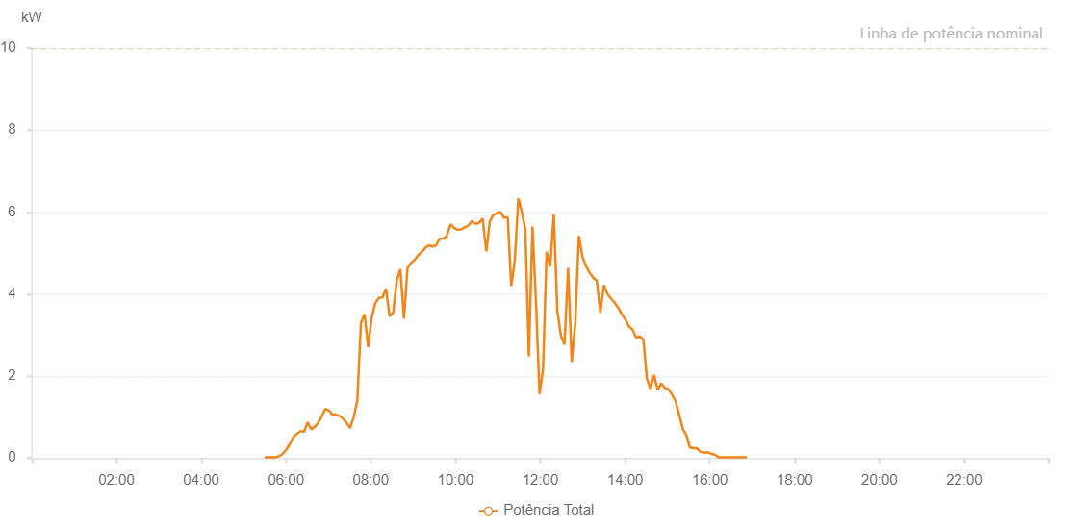

Number | Time | Working State | Alarm Code | Total Inverter Power(W)
1 | 21/05/2023 05:29:48 (UTC-4:00) | Normal |  | 20.000
2 | 21/05/2023 05:34:53 (UTC-4:00) | Normal |  | 20.000
3 | 21/05/2023 05:39:58 (UTC-4:00) | Normal |  | 20.000
4 | 21/05/2023 05:45:02 (UTC-4:00) | Normal |  | 20.000
5 | 21/05/2023 05:50:06 (UTC-4:00) | Normal |  | 40.000
6 | 21/05/2023 05:55:11 (UTC-4:00) | Normal |  | 100.000
7 | 21/05/2023 06:00:16 (UTC-4:00) | Normal |  | 200.000
8 | 21/05/2023 06:05:20 (UTC-4:00) | Normal |  | 340.000
9 | 21/05/2023 06:10:24 (UTC-4:00) | Normal |  | 510.000
10 | 21/05/2023 06:15:29 (UTC-4:00) | Normal |  | 590.000
11 | 21/05/2023 06:20:34 (UTC-4:00) | Normal |  | 660.000
12 | 21/05/2023 06:25:38 (UTC-4:00) | Normal |  | 640.000
13 | 21/05/2023 06:30:38 (UTC-4:00) | Normal |  | 870.000
14 | 21/05/2023 06:35:39 (UTC-4:00) | Normal |  | 700.000
15 | 21/05/2023 06:40:39 (UTC-4:00) | Normal |  | 760.000
16 | 21/05/2023 06:45:40 (UTC-4:00) | Normal |  | 860.000
17 | 21/05/2023 06:50:40 (UTC-4:00) | Normal |  | 1020.000
18 | 21/05/2023 06:55:41 (UTC-4:00) | Normal |  | 1200.000
19 | 21/05/2023 07:00:41 (UTC-4:00) | Normal |  | 1160.000
20 | 21/05/2023 07:05:42 (UTC-4:00) | Normal |  | 1060.000
21 | 21/05/2023 07:10:43 (UTC-4:00) | Normal |  | 1060.000
22 | 21/05/2023 07:15:44 (UTC-4:00) | Normal |  | 1030.000
23 | 21/05/2023 07:20:44 (UTC-4:00) | Normal |  | 960.000
24 | 21/05/2023 07:25:45 (UTC-4:00) | Normal |  | 860.000
25 | 21/05/2023 07:30:49 (UTC-4:00) | Normal |  | 730.000
26 | 21/05/2023 07:35:54 (UTC-4:00) | Normal |  | 1000.000
27 | 21/05/2023 07:40:58 (UTC-4:00) | Normal |  | 1400.000
28 | 21/05/2023 07:46:03 (UTC-4:00) | Normal |  | 3290.000
29 | 21/05/2023 07:51:09 (UTC-4:00) | Normal |  | 3510.000
30 | 21/05/2023 07:56:13 (UTC-4:00) | Normal |  | 2710.000
31 | 21/05/2023 08:01:18 (UTC-4:00) | Normal |  | 3420.000
32 | 21/05/2023 08:06:22 (UTC-4:00) | Normal |  | 3780.000
33 | 21/05/2023 08:11:28 (UTC-4:00) | Normal |  | 3910.000
34 | 21/05/2023 08:16:31 (UTC-4:00) | Normal |  | 3920.000
35 | 21/05/2023 08:21:35 (UTC-4:00) | Normal |  | 4130.000
36 | 21/05/2023 08:26:40 (UTC-4:00) | Normal |  | 3460.000
37 | 21/05/2023 08:31:44 (UTC-4:00) | Normal |  | 3550.000
38 | 21/05/2023 08:36:49 (UTC-4:00) | Normal |  | 4330.000
39 | 21/05/2023 08:41:53 (UTC-4:00) | Normal |  | 4610.000
40 | 21/05/2023 08:46:59 (UTC-4:00) | Normal |  | 3400.000
41 | 21/05/2023 08:52:03 (UTC-4:00) | Normal |  | 4640.000
42 | 21/05/2023 08:57:08 (UTC-4:00) | Normal |  | 4760.000
43 | 21/05/2023 09:02:12 (UTC-4:00) | Normal |  | 4840.000
44 | 21/05/2023 09:07:17 (UTC-4:00) | Normal |  | 4950.000
45 | 21/05/2023 09:12:21 (UTC-4:00) | Normal |  | 5030.000
46 | 21/05/2023 09:17:26 (UTC-4:00) | Normal |  | 5130.000
47 | 21/05/2023 09:22:26 (UTC-4:00) | Normal |  | 5190.000
48 | 21/05/2023 09:27:27 (UTC-4:00) | Normal |  | 5160.000
49 | 21/05/2023 09:32:28 (UTC-4:00) | Normal |  | 5190.000
50 | 21/05/2023 09:37:29 (UTC-4:00) | Normal |  | 5350.000
51 | 21/05/2023 09:42:29 (UTC-4:00) | Normal |  | 5350.000
52 | 21/05/2023 09:47:32 (UTC-4:00) | Normal |  | 5410.000
53 | 21/05/2023 09:47:50 (UTC-4:00) | Normal |  | 5440.000
54 | 21/05/2023 09:53:08 (UTC-4:00) | Normal |  | 5700.000
55 | 21/05/2023 09:58:09 (UTC-4:00) | Normal |  | 5610.000
56 | 21/05/2023 10:03:09 (UTC-4:00) | Normal |  | 5570.000
57 | 21/05/2023 10:08:09 (UTC-4:00) | Normal |  | 5580.000
58 | 21/05/2023 10:13:09 (UTC-4:00) | Normal |  | 5630.000
59 | 21/05/2023 10:18:10 (UTC-4:00) | Normal |  | 5670.000
60 | 21/05/2023 10:23:11 (UTC-4:00) | Normal |  | 5780.000
61 | 21/05/2023 10:28:16 (UTC-4:00) | Normal |  | 5710.000
62 | 21/05/2023 10:33:20 (UTC-4:00) | Normal |  | 5740.000
63 | 21/05/2023 10:38:24 (UTC-4:00) | Normal |  | 5840.000
64 | 21/05/2023 10:43:29 (UTC-4:00) | Normal |  | 5040.000
65 | 21/05/2023 10:48:33 (UTC-4:00) | Normal |  | 5780.000
66 | 21/05/2023 10:53:37 (UTC-4:00) | Normal |  | 5930.000
67 | 21/05/2023 10:58:41 (UTC-4:00) | Normal |  | 5970.000
68 | 21/05/2023 11:03:45 (UTC-4:00) | Normal |  | 6000.000
69 | 21/05/2023 11:08:50 (UTC-4:00) | Normal |  | 5860.000
70 | 21/05/2023 11:13:50 (UTC-4:00) | Normal |  | 5880.000
71 | 21/05/2023 11:18:50 (UTC-4:00) | Normal |  | 4200.000
72 | 21/05/2023 11:23:50 (UTC-4:00) | Normal |  | 4830.000
73 | 21/05/2023 11:28:50 (UTC-4:00) | Normal |  | 6330.000
74 | 21/05/2023 11:33:51 (UTC-4:00) | Normal |  | 6000.000
75 | 21/05/2023 11:38:51 (UTC-4:00) | Normal |  | 5570.000
76 | 21/05/2023 11:43:51 (UTC-4:00) | Normal |  | 2480.000
77 | 21/05/2023 11:48:51 (UTC-4:00) | Normal |  | 5650.000
78 | 21/05/2023 11:53:54 (UTC-4:00) | Normal |  | 3800.000
79 | 21/05/2023 11:58:53 (UTC-4:00) | Normal |  | 1560.000
80 | 21/05/2023 12:03:54 (UTC-4:00) | Normal |  | 2160.000
81 | 21/05/2023 12:08:55 (UTC-4:00) | Normal |  | 5030.000
82 | 21/05/2023 12:13:59 (UTC-4:00) | Normal |  | 4670.000
83 | 21/05/2023 12:19:04 (UTC-4:00) | Normal |  | 5950.000
84 | 21/05/2023 12:24:08 (UTC-4:00) | Normal |  | 3580.000
85 | 21/05/2023 12:29:11 (UTC-4:00) | Normal |  | 2990.000
86 | 21/05/2023 12:34:16 (UTC-4:00) | Normal |  | 2770.000
87 | 21/05/2023 12:39:19 (UTC-4:00) | Normal |  | 4640.000
88 | 21/05/2023 12:44:25 (UTC-4:00) | Normal |  | 2340.000
89 | 21/05/2023 12:49:30 (UTC-4:00) | Normal |  | 3290.000
90 | 21/05/2023 12:54:33 (UTC-4:00) | Normal |  | 5420.000
91 | 21/05/2023 12:59:39 (UTC-4:00) | Normal |  | 4910.000
92 | 21/05/2023 13:04:41 (UTC-4:00) | Normal |  | 4680.000
93 | 21/05/2023 13:09:47 (UTC-4:00) | Normal |  | 4520.000
94 | 21/05/2023 13:14:50 (UTC-4:00) | Normal |  | 4400.000
95 | 21/05/2023 13:19:54 (UTC-4:00) | Normal |  | 4330.000
96 | 21/05/2023 13:24:58 (UTC-4:00) | Normal |  | 3550.000
97 | 21/05/2023 13:30:02 (UTC-4:00) | Normal |  | 4220.000
98 | 21/05/2023 13:35:06 (UTC-4:00) | Normal |  | 4000.000
99 | 21/05/2023 13:40:10 (UTC-4:00) | Normal |  | 3890.000
100 | 21/05/2023 13:45:14 (UTC-4:00) | Normal |  | 3790.000
101 | 21/05/2023 13:50:18 (UTC-4:00) | Normal |  | 3660.000
102 | 21/05/2023 13:55:22 (UTC-4:00) | Normal |  | 3510.000
103 | 21/05/2023 14:00:26 (UTC-4:00) | Normal |  | 3380.000
104 | 21/05/2023 14:05:31 (UTC-4:00) | Normal |  | 3210.000
105 | 21/05/2023 14:10:34 (UTC-4:00) | Normal |  | 3140.000
106 | 21/05/2023 14:15:38 (UTC-4:00) | Normal |  | 2940.000
107 | 21/05/2023 14:20:43 (UTC-4:00) | Normal |  | 2970.000
108 | 21/05/2023 14:25:47 (UTC-4:00) | Normal |  | 2900.000
109 | 21/05/2023 14:30:51 (UTC-4:00) | Normal |  | 1940.000
110 | 21/05/2023 14:35:55 (UTC-4:00) | Normal |  | 1690.000
111 | 21/05/2023 14:40:59 (UTC-4:00) | Normal |  | 2030.000
112 | 21/05/2023 14:46:03 (UTC-4:00) | Normal |  | 1660.000
113 | 21/05/2023 14:51:08 (UTC-4:00) | Normal |  | 1820.000
114 | 21/05/2023 14:56:12 (UTC-4:00) | Normal |  | 1710.000
115 | 21/05/2023 15:01:17 (UTC-4:00) | Normal |  | 1680.000
116 | 21/05/2023 15:06:21 (UTC-4:00) | Normal |  | 1550.000
117 | 21/05/2023 15:11:25 (UTC-4:00) | Normal |  | 1390.000
118 | 21/05/2023 15:16:29 (UTC-4:00) | Normal |  | 1060.000
119 | 21/05/2023 15:21:33 (UTC-4:00) | Normal |  | 720.000
120 | 21/05/2023 15:26:38 (UTC-4:00) | Normal |  | 560.000
121 | 21/05/2023 15:31:41 (UTC-4:00) | Normal |  | 260.000
122 | 21/05/2023 15:36:45 (UTC-4:00) | Normal |  | 240.000
123 | 21/05/2023 15:41:50 (UTC-4:00) | Normal |  | 240.000
124 | 21/05/2023 15:46:54 (UTC-4:00) | Normal |  | 150.000
125 | 21/05/2023 15:51:58 (UTC-4:00) | Normal |  | 130.000
126 | 21/05/2023 15:57:02 (UTC-4:00) | Normal |  | 140.000
127 | 21/05/2023 16:02:06 (UTC-4:00) | Normal |  | 100.000
128 | 21/05/2023 16:07:10 (UTC-4:00) | Normal |  | 80.000
129 | 21/05/2023 16:12:14 (UTC-4:00) | Normal |  | 20.000
130 | 21/05/2023 16:17:14 (UTC-4:00) | Normal |  | 20.000
131 | 21/05/2023 16:22:15 (UTC-4:00) | Normal |  | 20.000
132 | 21/05/2023 16:27:15 (UTC-4:00) | Normal |  | 20.000
133 | 21/05/2023 16:32:15 (UTC-4:00) | Normal |  | 20.000
134 | 21/05/2023 16:37:15 (UTC-4:00) | Normal |  | 20.000
135 | 21/05/2023 16:42:15 (UTC-4:00) | Normal |  | 20.000
136 | 21/05/2023 16:47:15 (UTC-4:00) | Normal |  | 20.000
137 | 21/05/2023 16:52:15 (UTC-4:00) | Normal |  | 20.000

