Inverter History Report__17-08-
Inverter History Report_25/05/2023_Report

Inverter SN:054B7020C020044 |  | Inverter type:B7
Collector SN:4045086367 |  | Full Load Hours(h):3.30
Rated Power:10000Wp

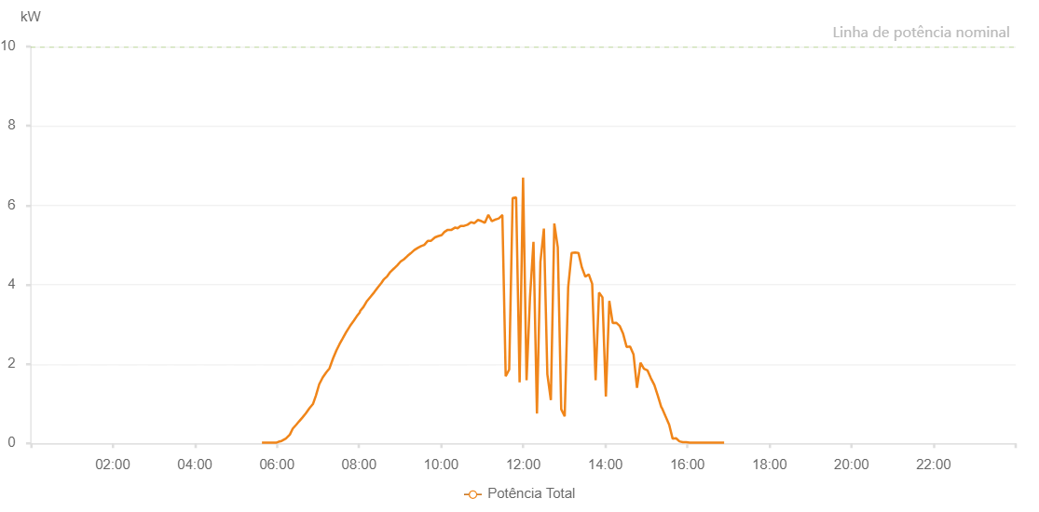

Number | Time | Working State | Alarm Code | Total Inverter Power(W)
1 | 25/05/2023 05:38:05 (UTC-4:00) | Normal |  | 20.000
2 | 25/05/2023 05:43:51 (UTC-4:00) | Normal |  | 20.000
3 | 25/05/2023 05:48:44 (UTC-4:00) | Normal |  | 20.000
4 | 25/05/2023 05:53:54 (UTC-4:00) | Normal |  | 20.000
5 | 25/05/2023 05:59:31 (UTC-4:00) | Normal |  | 20.000
6 | 25/05/2023 06:02:24 (UTC-4:00) | Normal |  | 40.000
7 | 25/05/2023 06:06:45 (UTC-4:00) | Normal |  | 60.000
8 | 25/05/2023 06:13:01 (UTC-4:00) | Normal |  | 120.000
9 | 25/05/2023 06:18:52 (UTC-4:00) | Normal |  | 220.000
10 | 25/05/2023 06:23:03 (UTC-4:00) | Normal |  | 370.000
11 | 25/05/2023 06:28:15 (UTC-4:00) | Normal |  | 470.000
12 | 25/05/2023 06:32:08 (UTC-4:00) | Normal |  | 550.000
13 | 25/05/2023 06:37:42 (UTC-4:00) | Normal |  | 660.000
14 | 25/05/2023 06:41:59 (UTC-4:00) | Normal |  | 750.000
15 | 25/05/2023 06:47:47 (UTC-4:00) | Normal |  | 890.000
16 | 25/05/2023 06:52:38 (UTC-4:00) | Normal |  | 990.000
17 | 25/05/2023 06:56:54 (UTC-4:00) | Normal |  | 1200.000
18 | 25/05/2023 07:01:49 (UTC-4:00) | Normal |  | 1490.000
19 | 25/05/2023 07:06:54 (UTC-4:00) | Normal |  | 1660.000
20 | 25/05/2023 07:12:06 (UTC-4:00) | Normal |  | 1790.000
21 | 25/05/2023 07:16:49 (UTC-4:00) | Normal |  | 1890.000
22 | 25/05/2023 07:22:02 (UTC-4:00) | Normal |  | 2140.000
23 | 25/05/2023 07:26:54 (UTC-4:00) | Normal |  | 2340.000
24 | 25/05/2023 07:31:29 (UTC-4:00) | Normal |  | 2500.000
25 | 25/05/2023 07:36:03 (UTC-4:00) | Normal |  | 2640.000
26 | 25/05/2023 07:41:09 (UTC-4:00) | Normal |  | 2800.000
27 | 25/05/2023 07:46:56 (UTC-4:00) | Normal |  | 2960.000
28 | 25/05/2023 07:52:21 (UTC-4:00) | Normal |  | 3090.000
29 | 25/05/2023 07:56:37 (UTC-4:00) | Normal |  | 3200.000
30 | 25/05/2023 08:01:10 (UTC-4:00) | Normal |  | 3300.000
31 | 25/05/2023 08:01:25 (UTC-4:00) | Normal |  | 3330.000
32 | 25/05/2023 08:06:34 (UTC-4:00) | Normal |  | 3440.000
33 | 25/05/2023 08:10:59 (UTC-4:00) | Normal |  | 3570.000
34 | 25/05/2023 08:17:11 (UTC-4:00) | Normal |  | 3700.000
35 | 25/05/2023 08:22:19 (UTC-4:00) | Normal |  | 3810.000
36 | 25/05/2023 08:27:28 (UTC-4:00) | Normal |  | 3930.000
37 | 25/05/2023 08:32:37 (UTC-4:00) | Normal |  | 4040.000
38 | 25/05/2023 08:36:05 (UTC-4:00) | Normal |  | 4130.000
39 | 25/05/2023 08:36:13 (UTC-4:00) | Normal |  | 4130.000
40 | 25/05/2023 08:41:11 (UTC-4:00) | Normal |  | 4210.000
41 | 25/05/2023 08:45:50 (UTC-4:00) | Normal |  | 4320.000
42 | 25/05/2023 08:51:18 (UTC-4:00) | Normal |  | 4410.000
43 | 25/05/2023 08:56:06 (UTC-4:00) | Normal |  | 4490.000
44 | 25/05/2023 09:00:43 (UTC-4:00) | Normal |  | 4580.000
45 | 25/05/2023 09:05:42 (UTC-4:00) | Normal |  | 4640.000
46 | 25/05/2023 09:10:43 (UTC-4:00) | Normal |  | 4720.000
47 | 25/05/2023 09:15:35 (UTC-4:00) | Normal |  | 4790.000
48 | 25/05/2023 09:20:47 (UTC-4:00) | Normal |  | 4870.000
49 | 25/05/2023 09:26:17 (UTC-4:00) | Normal |  | 4930.000
50 | 25/05/2023 09:30:48 (UTC-4:00) | Normal |  | 4970.000
51 | 25/05/2023 09:35:18 (UTC-4:00) | Normal |  | 5000.000
52 | 25/05/2023 09:40:29 (UTC-4:00) | Normal |  | 5100.000
53 | 25/05/2023 09:44:55 (UTC-4:00) | Normal |  | 5100.000
54 | 25/05/2023 09:51:01 (UTC-4:00) | Normal |  | 5190.000
55 | 25/05/2023 09:55:20 (UTC-4:00) | Normal |  | 5220.000
56 | 25/05/2023 10:00:52 (UTC-4:00) | Normal |  | 5250.000
57 | 25/05/2023 10:04:54 (UTC-4:00) | Normal |  | 5330.000
58 | 25/05/2023 10:09:42 (UTC-4:00) | Normal |  | 5380.000
59 | 25/05/2023 10:15:11 (UTC-4:00) | Normal |  | 5380.000
60 | 25/05/2023 10:20:41 (UTC-4:00) | Normal |  | 5440.000
61 | 25/05/2023 10:24:07 (UTC-4:00) | Normal |  | 5420.000
62 | 25/05/2023 10:26:19 (UTC-4:00) | Normal |  | 5450.000
63 | 25/05/2023 10:28:31 (UTC-4:00) | Normal |  | 5480.000
64 | 25/05/2023 10:33:34 (UTC-4:00) | Normal |  | 5480.000
65 | 25/05/2023 10:38:39 (UTC-4:00) | Normal |  | 5510.000
66 | 25/05/2023 10:43:44 (UTC-4:00) | Normal |  | 5570.000
67 | 25/05/2023 10:48:49 (UTC-4:00) | Normal |  | 5550.000
68 | 25/05/2023 10:53:51 (UTC-4:00) | Normal |  | 5630.000
69 | 25/05/2023 10:58:55 (UTC-4:00) | Normal |  | 5600.000
70 | 25/05/2023 11:04:01 (UTC-4:00) | Normal |  | 5560.000
71 | 25/05/2023 11:09:04 (UTC-4:00) | Normal |  | 5760.000
72 | 25/05/2023 11:14:08 (UTC-4:00) | Normal |  | 5600.000
73 | 25/05/2023 11:19:12 (UTC-4:00) | Normal |  | 5640.000
74 | 25/05/2023 11:19:23 (UTC-4:00) | Normal |  | 5640.000
75 | 25/05/2023 11:24:21 (UTC-4:00) | Normal |  | 5670.000
76 | 25/05/2023 11:29:23 (UTC-4:00) | Normal |  | 5750.000
77 | 25/05/2023 11:29:34 (UTC-4:00) | Normal |  | 5750.000
78 | 25/05/2023 11:34:26 (UTC-4:00) | Normal |  | 1690.000
79 | 25/05/2023 11:39:32 (UTC-4:00) | Normal |  | 1860.000
80 | 25/05/2023 11:44:36 (UTC-4:00) | Normal |  | 6180.000
81 | 25/05/2023 11:49:40 (UTC-4:00) | Normal |  | 6200.000
82 | 25/05/2023 11:54:46 (UTC-4:00) | Normal |  | 1540.000
83 | 25/05/2023 11:59:50 (UTC-4:00) | Normal |  | 6700.000
84 | 25/05/2023 12:04:55 (UTC-4:00) | Normal |  | 1590.000
85 | 25/05/2023 12:09:57 (UTC-4:00) | Normal |  | 3680.000
86 | 25/05/2023 12:15:02 (UTC-4:00) | Normal |  | 5080.000
87 | 25/05/2023 12:20:06 (UTC-4:00) | Normal |  | 750.000
88 | 25/05/2023 12:25:11 (UTC-4:00) | Normal |  | 4570.000
89 | 25/05/2023 12:30:15 (UTC-4:00) | Normal |  | 5410.000
90 | 25/05/2023 12:35:20 (UTC-4:00) | Normal |  | 1740.000
91 | 25/05/2023 12:40:27 (UTC-4:00) | Normal |  | 1090.000
92 | 25/05/2023 12:45:30 (UTC-4:00) | Normal |  | 5540.000
93 | 25/05/2023 12:50:33 (UTC-4:00) | Normal |  | 4940.000
94 | 25/05/2023 12:55:36 (UTC-4:00) | Normal |  | 860.000
95 | 25/05/2023 13:00:40 (UTC-4:00) | Normal |  | 680.000
96 | 25/05/2023 13:05:45 (UTC-4:00) | Normal |  | 3930.000
97 | 25/05/2023 13:10:49 (UTC-4:00) | Normal |  | 4800.000
98 | 25/05/2023 13:15:49 (UTC-4:00) | Normal |  | 4810.000
99 | 25/05/2023 13:20:49 (UTC-4:00) | Normal |  | 4800.000
100 | 25/05/2023 13:25:50 (UTC-4:00) | Normal |  | 4430.000
101 | 25/05/2023 13:30:50 (UTC-4:00) | Normal |  | 4200.000
102 | 25/05/2023 13:35:50 (UTC-4:00) | Normal |  | 4260.000
103 | 25/05/2023 13:40:51 (UTC-4:00) | Normal |  | 4020.000
104 | 25/05/2023 13:45:51 (UTC-4:00) | Normal |  | 1590.000
105 | 25/05/2023 13:50:52 (UTC-4:00) | Normal |  | 3800.000
106 | 25/05/2023 13:55:52 (UTC-4:00) | Normal |  | 3680.000
107 | 25/05/2023 14:00:52 (UTC-4:00) | Normal |  | 1180.000
108 | 25/05/2023 14:05:53 (UTC-4:00) | Normal |  | 3590.000
109 | 25/05/2023 14:10:54 (UTC-4:00) | Normal |  | 3030.000
110 | 25/05/2023 14:15:58 (UTC-4:00) | Normal |  | 3040.000
111 | 25/05/2023 14:21:02 (UTC-4:00) | Normal |  | 2960.000
112 | 25/05/2023 14:26:07 (UTC-4:00) | Normal |  | 2760.000
113 | 25/05/2023 14:31:11 (UTC-4:00) | Normal |  | 2430.000
114 | 25/05/2023 14:36:15 (UTC-4:00) | Normal |  | 2440.000
115 | 25/05/2023 14:41:19 (UTC-4:00) | Normal |  | 2240.000
116 | 25/05/2023 14:46:23 (UTC-4:00) | Normal |  | 1400.000
117 | 25/05/2023 14:51:29 (UTC-4:00) | Normal |  | 2030.000
118 | 25/05/2023 14:56:33 (UTC-4:00) | Normal |  | 1880.000
119 | 25/05/2023 15:01:37 (UTC-4:00) | Normal |  | 1840.000
120 | 25/05/2023 15:06:42 (UTC-4:00) | Normal |  | 1640.000
121 | 25/05/2023 15:11:46 (UTC-4:00) | Normal |  | 1470.000
122 | 25/05/2023 15:16:50 (UTC-4:00) | Normal |  | 1200.000
123 | 25/05/2023 15:21:54 (UTC-4:00) | Normal |  | 910.000
124 | 25/05/2023 15:22:27 (UTC-4:00) | Normal |  | 900.000
125 | 25/05/2023 15:22:49 (UTC-4:00) | Normal |  | 890.000
126 | 25/05/2023 15:27:50 (UTC-4:00) | Normal |  | 690.000
127 | 25/05/2023 15:33:25 (UTC-4:00) | Normal |  | 470.000
128 | 25/05/2023 15:38:25 (UTC-4:00) | Normal |  | 120.000
129 | 25/05/2023 15:43:24 (UTC-4:00) | Normal |  | 130.000
130 | 25/05/2023 15:48:26 (UTC-4:00) | Normal |  | 50.000
131 | 25/05/2023 15:53:25 (UTC-4:00) | Normal |  | 30.000
132 | 25/05/2023 15:58:24 (UTC-4:00) | Normal |  | 30.000
133 | 25/05/2023 16:03:24 (UTC-4:00) | Normal |  | 20.000
134 | 25/05/2023 16:08:24 (UTC-4:00) | Normal |  | 20.000
135 | 25/05/2023 16:13:24 (UTC-4:00) | Normal |  | 20.000
136 | 25/05/2023 16:18:24 (UTC-4:00) | Normal |  | 20.000
137 | 25/05/2023 16:23:24 (UTC-4:00) | Normal |  | 20.000
138 | 25/05/2023 16:28:27 (UTC-4:00) | Normal |  | 20.000
139 | 25/05/2023 16:33:32 (UTC-4:00) | Normal |  | 20.000
140 | 25/05/2023 16:38:35 (UTC-4:00) | Normal |  | 20.000
141 | 25/05/2023 16:44:02 (UTC-4:00) | Normal |  | 20.000
142 | 25/05/2023 16:48:46 (UTC-4:00) | Normal |  | 20.000
143 | 25/05/2023 16:53:46 (UTC-4:00) | Normal |  | 20.000

