Inverter History Report__17-08-
Inverter History Report_27/05/2023_Report

Inverter SN:054B7020C020044 |  | Inverter type:B7
Collector SN:4045086367 |  | Full Load Hours(h):3.10
Rated Power:10000Wp

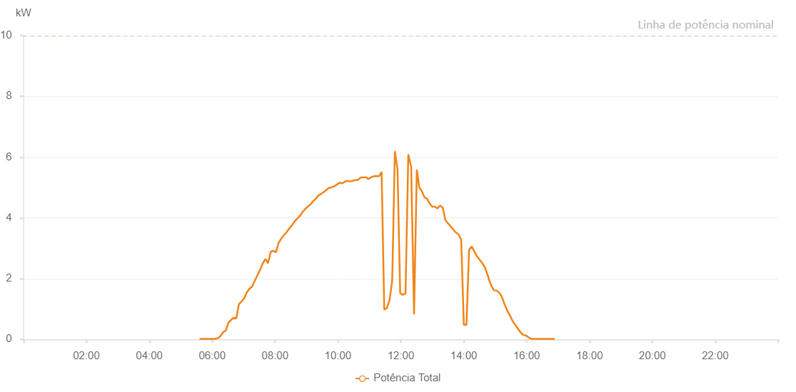

Number | Time | Working State | Alarm Code | Total Inverter Power(W)
1 | 27/05/2023 05:35:56 (UTC-4:00) | Normal |  | 20.000
2 | 27/05/2023 05:40:56 (UTC-4:00) | Normal |  | 20.000
3 | 27/05/2023 05:45:57 (UTC-4:00) | Normal |  | 20.000
4 | 27/05/2023 05:50:58 (UTC-4:00) | Normal |  | 20.000
5 | 27/05/2023 05:56:01 (UTC-4:00) | Normal |  | 20.000
6 | 27/05/2023 06:01:01 (UTC-4:00) | Normal |  | 20.000
7 | 27/05/2023 06:06:00 (UTC-4:00) | Normal |  | 20.000
8 | 27/05/2023 06:11:00 (UTC-4:00) | Normal |  | 40.000
9 | 27/05/2023 06:15:59 (UTC-4:00) | Normal |  | 110.000
10 | 27/05/2023 06:20:59 (UTC-4:00) | Normal |  | 240.000
11 | 27/05/2023 06:25:58 (UTC-4:00) | Normal |  | 290.000
12 | 27/05/2023 06:30:58 (UTC-4:00) | Normal |  | 550.000
13 | 27/05/2023 06:35:58 (UTC-4:00) | Normal |  | 640.000
14 | 27/05/2023 06:40:58 (UTC-4:00) | Normal |  | 720.000
15 | 27/05/2023 06:45:57 (UTC-4:00) | Normal |  | 690.000
16 | 27/05/2023 06:50:57 (UTC-4:00) | Normal |  | 1160.000
17 | 27/05/2023 06:56:00 (UTC-4:00) | Normal |  | 1250.000
18 | 27/05/2023 07:01:03 (UTC-4:00) | Normal |  | 1350.000
19 | 27/05/2023 07:06:07 (UTC-4:00) | Normal |  | 1550.000
20 | 27/05/2023 07:11:11 (UTC-4:00) | Normal |  | 1670.000
21 | 27/05/2023 07:16:14 (UTC-4:00) | Normal |  | 1740.000
22 | 27/05/2023 07:21:17 (UTC-4:00) | Normal |  | 1930.000
23 | 27/05/2023 07:26:20 (UTC-4:00) | Normal |  | 2110.000
24 | 27/05/2023 07:31:25 (UTC-4:00) | Normal |  | 2290.000
25 | 27/05/2023 07:36:28 (UTC-4:00) | Normal |  | 2500.000
26 | 27/05/2023 07:41:32 (UTC-4:00) | Normal |  | 2650.000
27 | 27/05/2023 07:46:35 (UTC-4:00) | Normal |  | 2510.000
28 | 27/05/2023 07:51:39 (UTC-4:00) | Normal |  | 2880.000
29 | 27/05/2023 07:56:42 (UTC-4:00) | Normal |  | 2920.000
30 | 27/05/2023 08:01:45 (UTC-4:00) | Normal |  | 2870.000
31 | 27/05/2023 08:06:49 (UTC-4:00) | Normal |  | 3180.000
32 | 27/05/2023 08:11:53 (UTC-4:00) | Normal |  | 3320.000
33 | 27/05/2023 08:16:55 (UTC-4:00) | Normal |  | 3430.000
34 | 27/05/2023 08:21:59 (UTC-4:00) | Normal |  | 3530.000
35 | 27/05/2023 08:27:02 (UTC-4:00) | Normal |  | 3650.000
36 | 27/05/2023 08:32:09 (UTC-4:00) | Normal |  | 3750.000
37 | 27/05/2023 08:37:12 (UTC-4:00) | Normal |  | 3880.000
38 | 27/05/2023 08:42:15 (UTC-4:00) | Normal |  | 3980.000
39 | 27/05/2023 08:47:20 (UTC-4:00) | Normal |  | 4060.000
40 | 27/05/2023 08:52:22 (UTC-4:00) | Normal |  | 4190.000
41 | 27/05/2023 08:57:25 (UTC-4:00) | Normal |  | 4290.000
42 | 27/05/2023 09:02:29 (UTC-4:00) | Normal |  | 4380.000
43 | 27/05/2023 09:07:33 (UTC-4:00) | Normal |  | 4440.000
44 | 27/05/2023 09:12:36 (UTC-4:00) | Normal |  | 4550.000
45 | 27/05/2023 09:17:39 (UTC-4:00) | Normal |  | 4630.000
46 | 27/05/2023 09:22:43 (UTC-4:00) | Normal |  | 4740.000
47 | 27/05/2023 09:27:47 (UTC-4:00) | Normal |  | 4790.000
48 | 27/05/2023 09:32:49 (UTC-4:00) | Normal |  | 4850.000
49 | 27/05/2023 09:37:53 (UTC-4:00) | Normal |  | 4920.000
50 | 27/05/2023 09:42:56 (UTC-4:00) | Normal |  | 4990.000
51 | 27/05/2023 09:43:07 (UTC-4:00) | Normal |  | 4990.000
52 | 27/05/2023 09:48:02 (UTC-4:00) | Normal |  | 5010.000
53 | 27/05/2023 09:53:04 (UTC-4:00) | Normal |  | 5040.000
54 | 27/05/2023 09:58:06 (UTC-4:00) | Normal |  | 5100.000
55 | 27/05/2023 10:03:10 (UTC-4:00) | Normal |  | 5160.000
56 | 27/05/2023 10:08:13 (UTC-4:00) | Normal |  | 5140.000
57 | 27/05/2023 10:13:16 (UTC-4:00) | Normal |  | 5190.000
58 | 27/05/2023 10:18:16 (UTC-4:00) | Normal |  | 5220.000
59 | 27/05/2023 10:23:15 (UTC-4:00) | Normal |  | 5200.000
60 | 27/05/2023 10:28:15 (UTC-4:00) | Normal |  | 5220.000
61 | 27/05/2023 10:33:16 (UTC-4:00) | Normal |  | 5250.000
62 | 27/05/2023 10:38:17 (UTC-4:00) | Normal |  | 5250.000
63 | 27/05/2023 10:43:17 (UTC-4:00) | Normal |  | 5330.000
64 | 27/05/2023 10:48:16 (UTC-4:00) | Normal |  | 5330.000
65 | 27/05/2023 10:53:16 (UTC-4:00) | Normal |  | 5340.000
66 | 27/05/2023 10:58:15 (UTC-4:00) | Normal |  | 5280.000
67 | 27/05/2023 11:03:15 (UTC-4:00) | Normal |  | 5340.000
68 | 27/05/2023 11:08:14 (UTC-4:00) | Normal |  | 5370.000
69 | 27/05/2023 11:13:13 (UTC-4:00) | Normal |  | 5380.000
70 | 27/05/2023 11:18:17 (UTC-4:00) | Normal |  | 5370.000
71 | 27/05/2023 11:23:20 (UTC-4:00) | Normal |  | 5510.000
72 | 27/05/2023 11:28:23 (UTC-4:00) | Normal |  | 980.000
73 | 27/05/2023 11:33:28 (UTC-4:00) | Normal |  | 1040.000
74 | 27/05/2023 11:38:30 (UTC-4:00) | Normal |  | 1300.000
75 | 27/05/2023 11:43:34 (UTC-4:00) | Normal |  | 1940.000
76 | 27/05/2023 11:48:37 (UTC-4:00) | Normal |  | 6200.000
77 | 27/05/2023 11:53:41 (UTC-4:00) | Normal |  | 5600.000
78 | 27/05/2023 11:58:46 (UTC-4:00) | Normal |  | 1520.000
79 | 27/05/2023 12:03:49 (UTC-4:00) | Normal |  | 1470.000
80 | 27/05/2023 12:08:57 (UTC-4:00) | Normal |  | 1510.000
81 | 27/05/2023 12:14:15 (UTC-4:00) | Normal |  | 6080.000
82 | 27/05/2023 12:14:16 (UTC-4:00) | Normal |  | 6080.000
83 | 27/05/2023 12:19:42 (UTC-4:00) | Normal |  | 5690.000
84 | 27/05/2023 12:25:14 (UTC-4:00) | Normal |  | 830.000
85 | 27/05/2023 12:30:29 (UTC-4:00) | Normal |  | 5570.000
86 | 27/05/2023 12:30:51 (UTC-4:00) | Normal |  | 5570.000
87 | 27/05/2023 12:35:02 (UTC-4:00) | Normal |  | 5010.000
88 | 27/05/2023 12:40:12 (UTC-4:00) | Normal |  | 4880.000
89 | 27/05/2023 12:45:00 (UTC-4:00) | Normal |  | 4680.000
90 | 27/05/2023 12:49:58 (UTC-4:00) | Normal |  | 4630.000
91 | 27/05/2023 12:54:56 (UTC-4:00) | Normal |  | 4480.000
92 | 27/05/2023 12:59:55 (UTC-4:00) | Normal |  | 4370.000
93 | 27/05/2023 13:04:53 (UTC-4:00) | Normal |  | 4370.000
94 | 27/05/2023 13:10:02 (UTC-4:00) | Normal |  | 4310.000
95 | 27/05/2023 13:14:50 (UTC-4:00) | Normal |  | 4410.000
96 | 27/05/2023 13:19:50 (UTC-4:00) | Normal |  | 4340.000
97 | 27/05/2023 13:20:01 (UTC-4:00) | Normal |  | 4340.000
98 | 27/05/2023 13:24:54 (UTC-4:00) | Normal |  | 3930.000
99 | 27/05/2023 13:29:56 (UTC-4:00) | Normal |  | 3820.000
100 | 27/05/2023 13:30:12 (UTC-4:00) | Normal |  | 3820.000
101 | 27/05/2023 13:34:58 (UTC-4:00) | Normal |  | 3720.000
102 | 27/05/2023 13:39:59 (UTC-4:00) | Normal |  | 3620.000
103 | 27/05/2023 13:45:02 (UTC-4:00) | Normal |  | 3520.000
104 | 27/05/2023 13:50:05 (UTC-4:00) | Normal |  | 3460.000
105 | 27/05/2023 13:55:10 (UTC-4:00) | Normal |  | 3280.000
106 | 27/05/2023 14:00:13 (UTC-4:00) | Normal |  | 480.000
107 | 27/05/2023 14:05:15 (UTC-4:00) | Normal |  | 480.000
108 | 27/05/2023 14:10:19 (UTC-4:00) | Normal |  | 2960.000
109 | 27/05/2023 14:15:21 (UTC-4:00) | Normal |  | 3060.000
110 | 27/05/2023 14:20:25 (UTC-4:00) | Normal |  | 2890.000
111 | 27/05/2023 14:25:26 (UTC-4:00) | Normal |  | 2740.000
112 | 27/05/2023 14:30:29 (UTC-4:00) | Normal |  | 2620.000
113 | 27/05/2023 14:35:44 (UTC-4:00) | Normal |  | 2500.000
114 | 27/05/2023 14:35:46 (UTC-4:00) | Normal |  | 2500.000
115 | 27/05/2023 14:40:53 (UTC-4:00) | Normal |  | 2360.000
116 | 27/05/2023 14:41:28 (UTC-4:00) | Normal |  | 2320.000
117 | 27/05/2023 14:41:50 (UTC-4:00) | Normal |  | 2300.000
118 | 27/05/2023 14:46:51 (UTC-4:00) | Normal |  | 2060.000
119 | 27/05/2023 14:47:34 (UTC-4:00) | Normal |  | 2000.000
120 | 27/05/2023 14:52:35 (UTC-4:00) | Normal |  | 1770.000
121 | 27/05/2023 14:57:39 (UTC-4:00) | Normal |  | 1620.000
122 | 27/05/2023 15:02:41 (UTC-4:00) | Normal |  | 1610.000
123 | 27/05/2023 15:07:44 (UTC-4:00) | Normal |  | 1540.000
124 | 27/05/2023 15:07:55 (UTC-4:00) | Normal |  | 1540.000
125 | 27/05/2023 15:12:48 (UTC-4:00) | Normal |  | 1400.000
126 | 27/05/2023 15:17:54 (UTC-4:00) | Normal |  | 1160.000
127 | 27/05/2023 15:18:04 (UTC-4:00) | Normal |  | 1160.000
128 | 27/05/2023 15:22:56 (UTC-4:00) | Normal |  | 950.000
129 | 27/05/2023 15:28:02 (UTC-4:00) | Normal |  | 800.000
130 | 27/05/2023 15:33:09 (UTC-4:00) | Normal |  | 610.000
131 | 27/05/2023 15:38:13 (UTC-4:00) | Normal |  | 480.000
132 | 27/05/2023 15:43:12 (UTC-4:00) | Normal |  | 360.000
133 | 27/05/2023 15:48:40 (UTC-4:00) | Normal |  | 230.000
134 | 27/05/2023 15:53:19 (UTC-4:00) | Normal |  | 150.000
135 | 27/05/2023 15:58:23 (UTC-4:00) | Normal |  | 130.000
136 | 27/05/2023 15:58:49 (UTC-4:00) | Normal |  | 130.000
137 | 27/05/2023 16:03:28 (UTC-4:00) | Normal |  | 70.000
138 | 27/05/2023 16:08:34 (UTC-4:00) | Normal |  | 20.000
139 | 27/05/2023 16:14:01 (UTC-4:00) | Normal |  | 20.000
140 | 27/05/2023 16:18:35 (UTC-4:00) | Normal |  | 20.000
141 | 27/05/2023 16:23:37 (UTC-4:00) | Normal |  | 20.000
142 | 27/05/2023 16:28:34 (UTC-4:00) | Normal |  | 20.000
143 | 27/05/2023 16:33:36 (UTC-4:00) | Normal |  | 20.000
144 | 27/05/2023 16:38:35 (UTC-4:00) | Normal |  | 20.000
145 | 27/05/2023 16:43:35 (UTC-4:00) | Normal |  | 20.000
146 | 27/05/2023 16:48:35 (UTC-4:00) | Normal |  | 20.000
147 | 27/05/2023 16:53:34 (UTC-4:00) | Normal |  | 20.000

