Inverter History Report__17-08-
Inverter History Report_28/05/2023_Report

Inverter SN:054B7020C020044 |  | Inverter type:B7
Collector SN:4045086367 |  | Full Load Hours(h):1.20
Rated Power:10000Wp

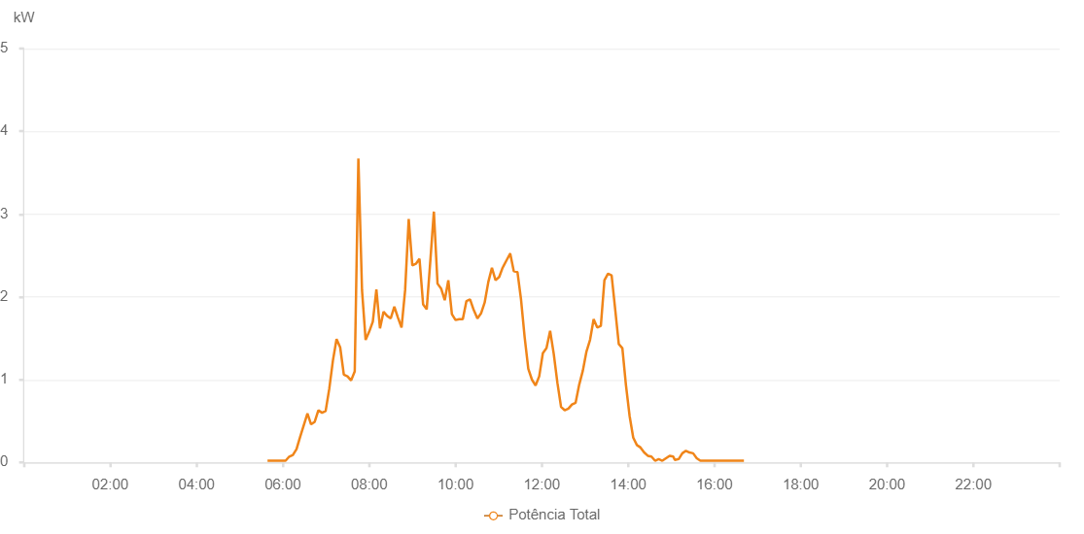

Number | Time | Working State | Alarm Code | Total Inverter Power(W)
1 | 28/05/2023 05:38:40 (UTC-4:00) | Normal |  | 20.000
2 | 28/05/2023 05:43:41 (UTC-4:00) | Normal |  | 20.000
3 | 28/05/2023 05:48:44 (UTC-4:00) | Normal |  | 20.000
4 | 28/05/2023 05:53:42 (UTC-4:00) | Normal |  | 20.000
5 | 28/05/2023 05:58:45 (UTC-4:00) | Normal |  | 20.000
6 | 28/05/2023 06:03:49 (UTC-4:00) | Normal |  | 20.000
7 | 28/05/2023 06:08:52 (UTC-4:00) | Normal |  | 70.000
8 | 28/05/2023 06:13:57 (UTC-4:00) | Normal |  | 90.000
9 | 28/05/2023 06:18:59 (UTC-4:00) | Normal |  | 160.000
10 | 28/05/2023 06:24:04 (UTC-4:00) | Normal |  | 310.000
11 | 28/05/2023 06:29:08 (UTC-4:00) | Normal |  | 450.000
12 | 28/05/2023 06:34:11 (UTC-4:00) | Normal |  | 590.000
13 | 28/05/2023 06:39:14 (UTC-4:00) | Normal |  | 460.000
14 | 28/05/2023 06:44:18 (UTC-4:00) | Normal |  | 490.000
15 | 28/05/2023 06:49:22 (UTC-4:00) | Normal |  | 630.000
16 | 28/05/2023 06:54:25 (UTC-4:00) | Normal |  | 600.000
17 | 28/05/2023 06:59:28 (UTC-4:00) | Normal |  | 620.000
18 | 28/05/2023 07:04:32 (UTC-4:00) | Normal |  | 890.000
19 | 28/05/2023 07:09:36 (UTC-4:00) | Normal |  | 1230.000
20 | 28/05/2023 07:14:39 (UTC-4:00) | Normal |  | 1490.000
21 | 28/05/2023 07:19:42 (UTC-4:00) | Normal |  | 1390.000
22 | 28/05/2023 07:24:46 (UTC-4:00) | Normal |  | 1060.000
23 | 28/05/2023 07:29:50 (UTC-4:00) | Normal |  | 1040.000
24 | 28/05/2023 07:34:53 (UTC-4:00) | Normal |  | 990.000
25 | 28/05/2023 07:39:56 (UTC-4:00) | Normal |  | 1100.000
26 | 28/05/2023 07:45:00 (UTC-4:00) | Normal |  | 3670.000
27 | 28/05/2023 07:50:04 (UTC-4:00) | Normal |  | 2080.000
28 | 28/05/2023 07:55:04 (UTC-4:00) | Normal |  | 1480.000
29 | 28/05/2023 08:00:03 (UTC-4:00) | Normal |  | 1580.000
30 | 28/05/2023 08:05:03 (UTC-4:00) | Normal |  | 1700.000
31 | 28/05/2023 08:10:02 (UTC-4:00) | Normal |  | 2090.000
32 | 28/05/2023 08:15:02 (UTC-4:00) | Normal |  | 1620.000
33 | 28/05/2023 08:20:01 (UTC-4:00) | Normal |  | 1820.000
34 | 28/05/2023 08:25:01 (UTC-4:00) | Normal |  | 1770.000
35 | 28/05/2023 08:30:00 (UTC-4:00) | Normal |  | 1740.000
36 | 28/05/2023 08:35:00 (UTC-4:00) | Normal |  | 1880.000
37 | 28/05/2023 08:40:00 (UTC-4:00) | Normal |  | 1750.000
38 | 28/05/2023 08:45:00 (UTC-4:00) | Normal |  | 1630.000
39 | 28/05/2023 08:49:59 (UTC-4:00) | Normal |  | 2080.000
40 | 28/05/2023 08:54:59 (UTC-4:00) | Normal |  | 2940.000
41 | 28/05/2023 08:59:58 (UTC-4:00) | Normal |  | 2380.000
42 | 28/05/2023 09:04:58 (UTC-4:00) | Normal |  | 2400.000
43 | 28/05/2023 09:09:57 (UTC-4:00) | Normal |  | 2460.000
44 | 28/05/2023 09:15:00 (UTC-4:00) | Normal |  | 1910.000
45 | 28/05/2023 09:19:59 (UTC-4:00) | Normal |  | 1850.000
46 | 28/05/2023 09:24:59 (UTC-4:00) | Normal |  | 2430.000
47 | 28/05/2023 09:29:58 (UTC-4:00) | Normal |  | 3030.000
48 | 28/05/2023 09:35:01 (UTC-4:00) | Normal |  | 2160.000
49 | 28/05/2023 09:40:02 (UTC-4:00) | Normal |  | 2100.000
50 | 28/05/2023 09:45:03 (UTC-4:00) | Normal |  | 1960.000
51 | 28/05/2023 09:50:02 (UTC-4:00) | Normal |  | 2200.000
52 | 28/05/2023 09:55:02 (UTC-4:00) | Normal |  | 1790.000
53 | 28/05/2023 10:00:05 (UTC-4:00) | Normal |  | 1720.000
54 | 28/05/2023 10:05:08 (UTC-4:00) | Normal |  | 1730.000
55 | 28/05/2023 10:10:10 (UTC-4:00) | Normal |  | 1730.000
56 | 28/05/2023 10:15:14 (UTC-4:00) | Normal |  | 1950.000
57 | 28/05/2023 10:20:17 (UTC-4:00) | Normal |  | 1970.000
58 | 28/05/2023 10:25:22 (UTC-4:00) | Normal |  | 1840.000
59 | 28/05/2023 10:25:32 (UTC-4:00) | Normal |  | 1840.000
60 | 28/05/2023 10:30:29 (UTC-4:00) | Normal |  | 1740.000
61 | 28/05/2023 10:35:30 (UTC-4:00) | Normal |  | 1800.000
62 | 28/05/2023 10:40:32 (UTC-4:00) | Normal |  | 1930.000
63 | 28/05/2023 10:45:40 (UTC-4:00) | Normal |  | 2180.000
64 | 28/05/2023 10:50:40 (UTC-4:00) | Normal |  | 2350.000
65 | 28/05/2023 10:55:42 (UTC-4:00) | Normal |  | 2200.000
66 | 28/05/2023 11:00:46 (UTC-4:00) | Normal |  | 2240.000
67 | 28/05/2023 11:05:49 (UTC-4:00) | Normal |  | 2360.000
68 | 28/05/2023 11:06:00 (UTC-4:00) | Normal |  | 2360.000
69 | 28/05/2023 11:10:52 (UTC-4:00) | Normal |  | 2440.000
70 | 28/05/2023 11:15:56 (UTC-4:00) | Normal |  | 2520.000
71 | 28/05/2023 11:16:11 (UTC-4:00) | Normal |  | 2520.000
72 | 28/05/2023 11:21:00 (UTC-4:00) | Normal |  | 2310.000
73 | 28/05/2023 11:26:09 (UTC-4:00) | Normal |  | 2300.000
74 | 28/05/2023 11:31:07 (UTC-4:00) | Normal |  | 1970.000
75 | 28/05/2023 11:36:12 (UTC-4:00) | Normal |  | 1510.000
76 | 28/05/2023 11:41:14 (UTC-4:00) | Normal |  | 1130.000
77 | 28/05/2023 11:46:17 (UTC-4:00) | Normal |  | 1000.000
78 | 28/05/2023 11:51:20 (UTC-4:00) | Normal |  | 930.000
79 | 28/05/2023 11:56:24 (UTC-4:00) | Normal |  | 1040.000
80 | 28/05/2023 12:01:28 (UTC-4:00) | Normal |  | 1320.000
81 | 28/05/2023 12:06:32 (UTC-4:00) | Normal |  | 1380.000
82 | 28/05/2023 12:11:35 (UTC-4:00) | Normal |  | 1590.000
83 | 28/05/2023 12:16:38 (UTC-4:00) | Normal |  | 1310.000
84 | 28/05/2023 12:21:43 (UTC-4:00) | Normal |  | 960.000
85 | 28/05/2023 12:26:46 (UTC-4:00) | Normal |  | 670.000
86 | 28/05/2023 12:31:48 (UTC-4:00) | Normal |  | 630.000
87 | 28/05/2023 12:36:59 (UTC-4:00) | Normal |  | 650.000
88 | 28/05/2023 12:41:56 (UTC-4:00) | Normal |  | 700.000
89 | 28/05/2023 12:46:59 (UTC-4:00) | Normal |  | 720.000
90 | 28/05/2023 12:52:02 (UTC-4:00) | Normal |  | 940.000
91 | 28/05/2023 12:57:06 (UTC-4:00) | Normal |  | 1110.000
92 | 28/05/2023 13:02:05 (UTC-4:00) | Normal |  | 1340.000
93 | 28/05/2023 13:07:04 (UTC-4:00) | Normal |  | 1480.000
94 | 28/05/2023 13:12:04 (UTC-4:00) | Normal |  | 1730.000
95 | 28/05/2023 13:17:04 (UTC-4:00) | Normal |  | 1630.000
96 | 28/05/2023 13:22:05 (UTC-4:00) | Normal |  | 1650.000
97 | 28/05/2023 13:27:04 (UTC-4:00) | Normal |  | 2200.000
98 | 28/05/2023 13:32:03 (UTC-4:00) | Normal |  | 2280.000
99 | 28/05/2023 13:37:03 (UTC-4:00) | Normal |  | 2260.000
100 | 28/05/2023 13:42:02 (UTC-4:00) | Normal |  | 1850.000
101 | 28/05/2023 13:47:02 (UTC-4:00) | Normal |  | 1430.000
102 | 28/05/2023 13:52:01 (UTC-4:00) | Normal |  | 1380.000
103 | 28/05/2023 13:57:01 (UTC-4:00) | Normal |  | 930.000
104 | 28/05/2023 14:02:05 (UTC-4:00) | Normal |  | 560.000
105 | 28/05/2023 14:07:07 (UTC-4:00) | Normal |  | 300.000
106 | 28/05/2023 14:12:11 (UTC-4:00) | Normal |  | 210.000
107 | 28/05/2023 14:17:13 (UTC-4:00) | Normal |  | 180.000
108 | 28/05/2023 14:22:18 (UTC-4:00) | Normal |  | 120.000
109 | 28/05/2023 14:27:22 (UTC-4:00) | Normal |  | 80.000
110 | 28/05/2023 14:32:25 (UTC-4:00) | Normal |  | 70.000
111 | 28/05/2023 14:37:28 (UTC-4:00) | Normal |  | 20.000
112 | 28/05/2023 14:42:31 (UTC-4:00) | Normal |  | 40.000
113 | 28/05/2023 14:47:35 (UTC-4:00) | Normal |  | 20.000
114 | 28/05/2023 14:52:39 (UTC-4:00) | Normal |  | 50.000
115 | 28/05/2023 14:57:43 (UTC-4:00) | Normal |  | 80.000
116 | 28/05/2023 14:57:54 (UTC-4:00) | Normal |  | 80.000
117 | 28/05/2023 15:02:45 (UTC-4:00) | Normal |  | 70.000
118 | 28/05/2023 15:04:59 (UTC-4:00) | Normal |  | 30.000
119 | 28/05/2023 15:10:19 (UTC-4:00) | Normal |  | 40.000
120 | 28/05/2023 15:15:20 (UTC-4:00) | Normal |  | 110.000
121 | 28/05/2023 15:20:21 (UTC-4:00) | Normal |  | 140.000
122 | 28/05/2023 15:25:22 (UTC-4:00) | Normal |  | 120.000
123 | 28/05/2023 15:30:23 (UTC-4:00) | Normal |  | 110.000
124 | 28/05/2023 15:35:24 (UTC-4:00) | Normal |  | 50.000
125 | 28/05/2023 15:40:26 (UTC-4:00) | Normal |  | 20.000
126 | 28/05/2023 15:45:29 (UTC-4:00) | Normal |  | 20.000
127 | 28/05/2023 15:50:33 (UTC-4:00) | Normal |  | 20.000
128 | 28/05/2023 15:55:39 (UTC-4:00) | Normal |  | 20.000
129 | 28/05/2023 16:00:45 (UTC-4:00) | Normal |  | 20.000
130 | 28/05/2023 16:05:48 (UTC-4:00) | Normal |  | 20.000
131 | 28/05/2023 16:10:52 (UTC-4:00) | Normal |  | 20.000
132 | 28/05/2023 16:15:57 (UTC-4:00) | Normal |  | 20.000
133 | 28/05/2023 16:20:58 (UTC-4:00) | Normal |  | 20.000
134 | 28/05/2023 16:25:58 (UTC-4:00) | Normal |  | 20.000
135 | 28/05/2023 16:30:59 (UTC-4:00) | Normal |  | 20.000
136 | 28/05/2023 16:36:01 (UTC-4:00) | Normal |  | 20.000
137 | 28/05/2023 16:41:01 (UTC-4:00) | Normal |  | 20.000

