Inverter History Report__17-08-
Inverter History Report_31/05/2023_Report

Inverter SN:054B7020C020044 |  | Inverter type:B7
Collector SN:4045086367 |  | Full Load Hours(h):0.60
Rated Power:10000Wp

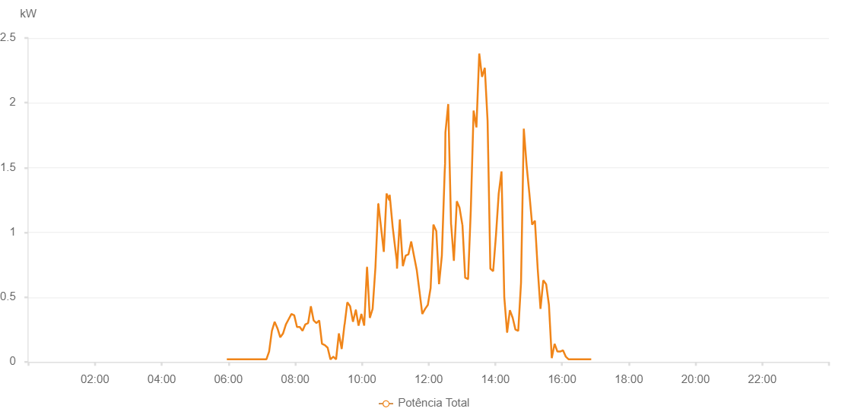

Number | Time | Working State | Alarm Code | Total Inverter Power(W)
1 | 31/05/2023 05:57:09 (UTC-4:00) | Normal |  | 20.000
2 | 31/05/2023 06:02:09 (UTC-4:00) | Normal |  | 20.000
3 | 31/05/2023 06:07:24 (UTC-4:00) | Normal |  | 20.000
4 | 31/05/2023 06:12:13 (UTC-4:00) | Normal |  | 20.000
5 | 31/05/2023 06:17:15 (UTC-4:00) | Normal |  | 20.000
6 | 31/05/2023 06:22:19 (UTC-4:00) | Normal |  | 20.000
7 | 31/05/2023 06:27:22 (UTC-4:00) | Normal |  | 20.000
8 | 31/05/2023 06:32:27 (UTC-4:00) | Normal |  | 20.000
9 | 31/05/2023 06:37:36 (UTC-4:00) | Normal |  | 20.000
10 | 31/05/2023 06:42:34 (UTC-4:00) | Normal |  | 20.000
11 | 31/05/2023 06:47:54 (UTC-4:00) | Normal |  | 20.000
12 | 31/05/2023 06:53:11 (UTC-4:00) | Normal |  | 20.000
13 | 31/05/2023 06:58:12 (UTC-4:00) | Normal |  | 20.000
14 | 31/05/2023 07:03:10 (UTC-4:00) | Normal |  | 20.000
15 | 31/05/2023 07:08:17 (UTC-4:00) | Normal |  | 20.000
16 | 31/05/2023 07:13:11 (UTC-4:00) | Normal |  | 80.000
17 | 31/05/2023 07:18:11 (UTC-4:00) | Normal |  | 240.000
18 | 31/05/2023 07:23:10 (UTC-4:00) | Normal |  | 310.000
19 | 31/05/2023 07:28:11 (UTC-4:00) | Normal |  | 260.000
20 | 31/05/2023 07:33:15 (UTC-4:00) | Normal |  | 190.000
21 | 31/05/2023 07:38:18 (UTC-4:00) | Normal |  | 220.000
22 | 31/05/2023 07:43:23 (UTC-4:00) | Normal |  | 290.000
23 | 31/05/2023 07:48:22 (UTC-4:00) | Normal |  | 330.000
24 | 31/05/2023 07:53:21 (UTC-4:00) | Normal |  | 370.000
25 | 31/05/2023 07:58:21 (UTC-4:00) | Normal |  | 360.000
26 | 31/05/2023 08:03:20 (UTC-4:00) | Normal |  | 270.000
27 | 31/05/2023 08:08:20 (UTC-4:00) | Normal |  | 270.000
28 | 31/05/2023 08:13:20 (UTC-4:00) | Normal |  | 240.000
29 | 31/05/2023 08:18:19 (UTC-4:00) | Normal |  | 290.000
30 | 31/05/2023 08:23:19 (UTC-4:00) | Normal |  | 300.000
31 | 31/05/2023 08:28:18 (UTC-4:00) | Normal |  | 430.000
32 | 31/05/2023 08:33:17 (UTC-4:00) | Normal |  | 320.000
33 | 31/05/2023 08:38:17 (UTC-4:00) | Normal |  | 300.000
34 | 31/05/2023 08:43:18 (UTC-4:00) | Normal |  | 320.000
35 | 31/05/2023 08:48:19 (UTC-4:00) | Normal |  | 140.000
36 | 31/05/2023 08:53:24 (UTC-4:00) | Normal |  | 130.000
37 | 31/05/2023 08:58:27 (UTC-4:00) | Normal |  | 110.000
38 | 31/05/2023 09:03:30 (UTC-4:00) | Normal |  | 20.000
39 | 31/05/2023 09:08:34 (UTC-4:00) | Normal |  | 40.000
40 | 31/05/2023 09:08:45 (UTC-4:00) | Normal |  | 40.000
41 | 31/05/2023 09:13:36 (UTC-4:00) | Normal |  | 20.000
42 | 31/05/2023 09:18:40 (UTC-4:00) | Normal |  | 220.000
43 | 31/05/2023 09:23:43 (UTC-4:00) | Normal |  | 100.000
44 | 31/05/2023 09:28:47 (UTC-4:00) | Normal |  | 290.000
45 | 31/05/2023 09:28:59 (UTC-4:00) | Normal |  | 290.000
46 | 31/05/2023 09:33:50 (UTC-4:00) | Normal |  | 460.000
47 | 31/05/2023 09:38:54 (UTC-4:00) | Normal |  | 430.000
48 | 31/05/2023 09:43:58 (UTC-4:00) | Normal |  | 310.000
49 | 31/05/2023 09:49:01 (UTC-4:00) | Normal |  | 400.000
50 | 31/05/2023 09:49:16 (UTC-4:00) | Normal |  | 400.000
51 | 31/05/2023 09:54:03 (UTC-4:00) | Normal |  | 280.000
52 | 31/05/2023 09:59:07 (UTC-4:00) | Normal |  | 370.000
53 | 31/05/2023 10:04:10 (UTC-4:00) | Normal |  | 280.000
54 | 31/05/2023 10:09:14 (UTC-4:00) | Normal |  | 730.000
55 | 31/05/2023 10:09:25 (UTC-4:00) | Normal |  | 730.000
56 | 31/05/2023 10:14:17 (UTC-4:00) | Normal |  | 340.000
57 | 31/05/2023 10:19:20 (UTC-4:00) | Normal |  | 410.000
58 | 31/05/2023 10:24:24 (UTC-4:00) | Normal |  | 730.000
59 | 31/05/2023 10:29:27 (UTC-4:00) | Normal |  | 1220.000
60 | 31/05/2023 10:29:39 (UTC-4:00) | Normal |  | 1220.000
61 | 31/05/2023 10:34:26 (UTC-4:00) | Normal |  | 1040.000
62 | 31/05/2023 10:39:25 (UTC-4:00) | Normal |  | 850.000
63 | 31/05/2023 10:44:25 (UTC-4:00) | Normal |  | 1300.000
64 | 31/05/2023 10:49:07 (UTC-4:00) | Normal |  | 1250.000
65 | 31/05/2023 10:49:24 (UTC-4:00) | Normal |  | 1250.000
66 | 31/05/2023 10:50:01 (UTC-4:00) | Normal |  | 1290.000
67 | 31/05/2023 10:55:26 (UTC-4:00) | Normal |  | 1040.000
68 | 31/05/2023 11:00:26 (UTC-4:00) | Normal |  | 860.000
69 | 31/05/2023 11:02:49 (UTC-4:00) | Normal |  | 780.000
70 | 31/05/2023 11:03:13 (UTC-4:00) | Normal |  | 720.000
71 | 31/05/2023 11:08:14 (UTC-4:00) | Normal |  | 1100.000
72 | 31/05/2023 11:13:45 (UTC-4:00) | Normal |  | 740.000
73 | 31/05/2023 11:18:44 (UTC-4:00) | Normal |  | 820.000
74 | 31/05/2023 11:23:43 (UTC-4:00) | Normal |  | 830.000
75 | 31/05/2023 11:28:42 (UTC-4:00) | Normal |  | 930.000
76 | 31/05/2023 11:33:41 (UTC-4:00) | Normal |  | 820.000
77 | 31/05/2023 11:38:40 (UTC-4:00) | Normal |  | 710.000
78 | 31/05/2023 11:44:01 (UTC-4:00) | Normal |  | 530.000
79 | 31/05/2023 11:48:38 (UTC-4:00) | Normal |  | 370.000
80 | 31/05/2023 11:53:46 (UTC-4:00) | Normal |  | 410.000
81 | 31/05/2023 11:58:36 (UTC-4:00) | Normal |  | 440.000
82 | 31/05/2023 12:03:36 (UTC-4:00) | Normal |  | 570.000
83 | 31/05/2023 12:08:40 (UTC-4:00) | Normal |  | 1060.000
84 | 31/05/2023 12:13:51 (UTC-4:00) | Normal |  | 1010.000
85 | 31/05/2023 12:18:46 (UTC-4:00) | Normal |  | 600.000
86 | 31/05/2023 12:23:50 (UTC-4:00) | Normal |  | 820.000
87 | 31/05/2023 12:28:52 (UTC-4:00) | Normal |  | 1460.000
88 | 31/05/2023 12:29:37 (UTC-4:00) | Normal |  | 1530.000
89 | 31/05/2023 12:30:15 (UTC-4:00) | Normal |  | 1770.000
90 | 31/05/2023 12:35:18 (UTC-4:00) | Normal |  | 1990.000
91 | 31/05/2023 12:40:23 (UTC-4:00) | Normal |  | 1060.000
92 | 31/05/2023 12:40:34 (UTC-4:00) | Normal |  | 1060.000
93 | 31/05/2023 12:45:26 (UTC-4:00) | Normal |  | 780.000
94 | 31/05/2023 12:50:45 (UTC-4:00) | Normal |  | 1240.000
95 | 31/05/2023 12:55:36 (UTC-4:00) | Normal |  | 1190.000
96 | 31/05/2023 13:00:39 (UTC-4:00) | Normal |  | 1060.000
97 | 31/05/2023 13:00:50 (UTC-4:00) | Normal |  | 1060.000
98 | 31/05/2023 13:05:45 (UTC-4:00) | Normal |  | 650.000
99 | 31/05/2023 13:10:48 (UTC-4:00) | Normal |  | 640.000
100 | 31/05/2023 13:11:00 (UTC-4:00) | Normal |  | 640.000
101 | 31/05/2023 13:15:52 (UTC-4:00) | Normal |  | 1170.000
102 | 31/05/2023 13:20:56 (UTC-4:00) | Normal |  | 1940.000
103 | 31/05/2023 13:26:00 (UTC-4:00) | Normal |  | 1810.000
104 | 31/05/2023 13:31:04 (UTC-4:00) | Normal |  | 2380.000
105 | 31/05/2023 13:36:04 (UTC-4:00) | Normal |  | 2200.000
106 | 31/05/2023 13:41:04 (UTC-4:00) | Normal |  | 2270.000
107 | 31/05/2023 13:46:04 (UTC-4:00) | Normal |  | 1860.000
108 | 31/05/2023 13:51:04 (UTC-4:00) | Normal |  | 720.000
109 | 31/05/2023 13:56:05 (UTC-4:00) | Normal |  | 700.000
110 | 31/05/2023 14:01:12 (UTC-4:00) | Normal |  | 980.000
111 | 31/05/2023 14:06:05 (UTC-4:00) | Normal |  | 1300.000
112 | 31/05/2023 14:11:05 (UTC-4:00) | Normal |  | 1470.000
113 | 31/05/2023 14:16:06 (UTC-4:00) | Normal |  | 500.000
114 | 31/05/2023 14:21:06 (UTC-4:00) | Normal |  | 230.000
115 | 31/05/2023 14:21:19 (UTC-4:00) | Normal |  | 230.000
116 | 31/05/2023 14:26:10 (UTC-4:00) | Normal |  | 400.000
117 | 31/05/2023 14:31:13 (UTC-4:00) | Normal |  | 340.000
118 | 31/05/2023 14:36:10 (UTC-4:00) | Normal |  | 250.000
119 | 31/05/2023 14:41:11 (UTC-4:00) | Normal |  | 240.000
120 | 31/05/2023 14:46:11 (UTC-4:00) | Normal |  | 610.000
121 | 31/05/2023 14:51:11 (UTC-4:00) | Normal |  | 1800.000
122 | 31/05/2023 14:56:11 (UTC-4:00) | Normal |  | 1520.000
123 | 31/05/2023 15:01:11 (UTC-4:00) | Normal |  | 1300.000
124 | 31/05/2023 15:06:11 (UTC-4:00) | Normal |  | 1060.000
125 | 31/05/2023 15:11:12 (UTC-4:00) | Normal |  | 1090.000
126 | 31/05/2023 15:16:11 (UTC-4:00) | Normal |  | 720.000
127 | 31/05/2023 15:21:11 (UTC-4:00) | Normal |  | 410.000
128 | 31/05/2023 15:26:15 (UTC-4:00) | Normal |  | 630.000
129 | 31/05/2023 15:31:23 (UTC-4:00) | Normal |  | 600.000
130 | 31/05/2023 15:36:25 (UTC-4:00) | Normal |  | 440.000
131 | 31/05/2023 15:41:29 (UTC-4:00) | Normal |  | 30.000
132 | 31/05/2023 15:46:34 (UTC-4:00) | Normal |  | 140.000
133 | 31/05/2023 15:51:37 (UTC-4:00) | Normal |  | 80.000
134 | 31/05/2023 15:56:41 (UTC-4:00) | Normal |  | 80.000
135 | 31/05/2023 16:01:45 (UTC-4:00) | Normal |  | 90.000
136 | 31/05/2023 16:06:50 (UTC-4:00) | Normal |  | 40.000
137 | 31/05/2023 16:11:55 (UTC-4:00) | Normal |  | 20.000
138 | 31/05/2023 16:16:58 (UTC-4:00) | Normal |  | 20.000
139 | 31/05/2023 16:22:02 (UTC-4:00) | Normal |  | 20.000
140 | 31/05/2023 16:22:13 (UTC-4:00) | Normal |  | 20.000
141 | 31/05/2023 16:27:06 (UTC-4:00) | Normal |  | 20.000
142 | 31/05/2023 16:32:11 (UTC-4:00) | Normal |  | 20.000
143 | 31/05/2023 16:37:14 (UTC-4:00) | Normal |  | 20.000
144 | 31/05/2023 16:42:18 (UTC-4:00) | Normal |  | 20.000
145 | 31/05/2023 16:47:22 (UTC-4:00) | Normal |  | 20.000
146 | 31/05/2023 16:52:27 (UTC-4:00) | Normal |  | 20.000

