Inverter History Report__17-08-
Inverter History Report_01/06/2023_Report

Inverter SN:054B7020C020044 |  | Inverter type:B7
Collector SN:4045086367 |  | Full Load Hours(h):2.00
Rated Power:10000Wp

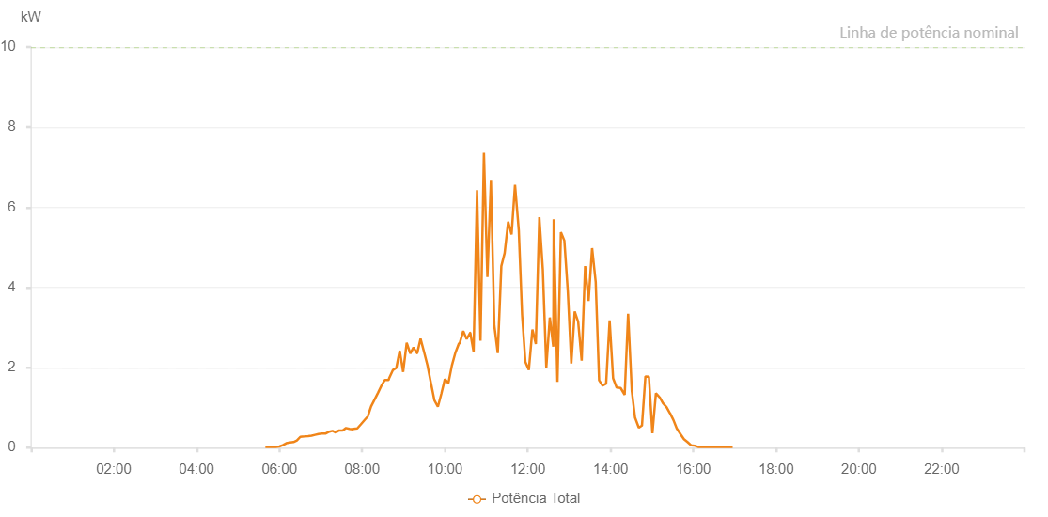

Number | Time | Working State | Alarm Code | Total Inverter Power(W)
1 | 01/06/2023 05:39:43 (UTC-4:00) | Normal |  | 20.000
2 | 01/06/2023 05:44:48 (UTC-4:00) | Normal |  | 20.000
3 | 01/06/2023 05:49:48 (UTC-4:00) | Normal |  | 20.000
4 | 01/06/2023 05:54:50 (UTC-4:00) | Normal |  | 20.000
5 | 01/06/2023 05:59:54 (UTC-4:00) | Normal |  | 30.000
6 | 01/06/2023 06:04:58 (UTC-4:00) | Normal |  | 60.000
7 | 01/06/2023 06:10:01 (UTC-4:00) | Normal |  | 110.000
8 | 01/06/2023 06:15:18 (UTC-4:00) | Normal |  | 130.000
9 | 01/06/2023 06:15:19 (UTC-4:00) | Normal |  | 130.000
10 | 01/06/2023 06:15:28 (UTC-4:00) | Normal |  | 130.000
11 | 01/06/2023 06:20:28 (UTC-4:00) | Normal |  | 140.000
12 | 01/06/2023 06:25:23 (UTC-4:00) | Normal |  | 180.000
13 | 01/06/2023 06:30:20 (UTC-4:00) | Normal |  | 270.000
14 | 01/06/2023 06:36:25 (UTC-4:00) | Normal |  | 280.000
15 | 01/06/2023 06:41:46 (UTC-4:00) | Normal |  | 290.000
16 | 01/06/2023 06:46:43 (UTC-4:00) | Normal |  | 300.000
17 | 01/06/2023 06:51:43 (UTC-4:00) | Normal |  | 320.000
18 | 01/06/2023 06:56:43 (UTC-4:00) | Normal |  | 340.000
19 | 01/06/2023 07:01:41 (UTC-4:00) | Normal |  | 350.000
20 | 01/06/2023 07:06:40 (UTC-4:00) | Normal |  | 350.000
21 | 01/06/2023 07:12:27 (UTC-4:00) | Normal |  | 400.000
22 | 01/06/2023 07:16:57 (UTC-4:00) | Normal |  | 420.000
23 | 01/06/2023 07:21:37 (UTC-4:00) | Normal |  | 380.000
24 | 01/06/2023 07:26:36 (UTC-4:00) | Normal |  | 430.000
25 | 01/06/2023 07:31:35 (UTC-4:00) | Normal |  | 430.000
26 | 01/06/2023 07:36:36 (UTC-4:00) | Normal |  | 490.000
27 | 01/06/2023 07:41:33 (UTC-4:00) | Normal |  | 470.000
28 | 01/06/2023 07:46:36 (UTC-4:00) | Normal |  | 460.000
29 | 01/06/2023 07:47:31 (UTC-4:00) | Normal |  | 470.000
30 | 01/06/2023 07:52:59 (UTC-4:00) | Normal |  | 480.000
31 | 01/06/2023 07:58:05 (UTC-4:00) | Normal |  | 580.000
32 | 01/06/2023 08:03:05 (UTC-4:00) | Normal |  | 680.000
33 | 01/06/2023 08:08:08 (UTC-4:00) | Normal |  | 780.000
34 | 01/06/2023 08:12:59 (UTC-4:00) | Normal |  | 1030.000
35 | 01/06/2023 08:18:01 (UTC-4:00) | Normal |  | 1200.000
36 | 01/06/2023 08:23:00 (UTC-4:00) | Normal |  | 1370.000
37 | 01/06/2023 08:28:00 (UTC-4:00) | Normal |  | 1550.000
38 | 01/06/2023 08:33:00 (UTC-4:00) | Normal |  | 1690.000
39 | 01/06/2023 08:38:24 (UTC-4:00) | Normal |  | 1690.000
40 | 01/06/2023 08:39:02 (UTC-4:00) | Normal |  | 1730.000
41 | 01/06/2023 08:44:42 (UTC-4:00) | Normal |  | 1940.000
42 | 01/06/2023 08:49:28 (UTC-4:00) | Normal |  | 1990.000
43 | 01/06/2023 08:54:28 (UTC-4:00) | Normal |  | 2420.000
44 | 01/06/2023 08:59:27 (UTC-4:00) | Normal |  | 1890.000
45 | 01/06/2023 09:04:35 (UTC-4:00) | Normal |  | 2620.000
46 | 01/06/2023 09:09:45 (UTC-4:00) | Normal |  | 2350.000
47 | 01/06/2023 09:14:26 (UTC-4:00) | Normal |  | 2500.000
48 | 01/06/2023 09:19:27 (UTC-4:00) | Normal |  | 2360.000
49 | 01/06/2023 09:19:52 (UTC-4:00) | Normal |  | 2360.000
50 | 01/06/2023 09:24:41 (UTC-4:00) | Normal |  | 2720.000
51 | 01/06/2023 09:29:37 (UTC-4:00) | Normal |  | 2400.000
52 | 01/06/2023 09:34:40 (UTC-4:00) | Normal |  | 2060.000
53 | 01/06/2023 09:39:40 (UTC-4:00) | Normal |  | 1620.000
54 | 01/06/2023 09:44:47 (UTC-4:00) | Normal |  | 1180.000
55 | 01/06/2023 09:49:48 (UTC-4:00) | Normal |  | 1020.000
56 | 01/06/2023 09:54:53 (UTC-4:00) | Normal |  | 1350.000
57 | 01/06/2023 09:59:55 (UTC-4:00) | Normal |  | 1710.000
58 | 01/06/2023 10:05:00 (UTC-4:00) | Normal |  | 1610.000
59 | 01/06/2023 10:10:04 (UTC-4:00) | Normal |  | 2050.000
60 | 01/06/2023 10:15:10 (UTC-4:00) | Normal |  | 2370.000
61 | 01/06/2023 10:20:30 (UTC-4:00) | Normal |  | 2610.000
62 | 01/06/2023 10:21:07 (UTC-4:00) | Normal |  | 2590.000
63 | 01/06/2023 10:26:34 (UTC-4:00) | Normal |  | 2910.000
64 | 01/06/2023 10:31:32 (UTC-4:00) | Normal |  | 2710.000
65 | 01/06/2023 10:36:44 (UTC-4:00) | Normal |  | 2870.000
66 | 01/06/2023 10:36:45 (UTC-4:00) | Normal |  | 2870.000
67 | 01/06/2023 10:41:32 (UTC-4:00) | Normal |  | 2400.000
68 | 01/06/2023 10:46:32 (UTC-4:00) | Normal |  | 6430.000
69 | 01/06/2023 10:51:32 (UTC-4:00) | Normal |  | 2670.000
70 | 01/06/2023 10:56:32 (UTC-4:00) | Normal |  | 7360.000
71 | 01/06/2023 11:01:33 (UTC-4:00) | Normal |  | 4260.000
72 | 01/06/2023 11:06:39 (UTC-4:00) | Normal |  | 6660.000
73 | 01/06/2023 11:11:35 (UTC-4:00) | Normal |  | 3050.000
74 | 01/06/2023 11:16:35 (UTC-4:00) | Normal |  | 2360.000
75 | 01/06/2023 11:21:46 (UTC-4:00) | Normal |  | 4530.000
76 | 01/06/2023 11:26:35 (UTC-4:00) | Normal |  | 4860.000
77 | 01/06/2023 11:31:39 (UTC-4:00) | Normal |  | 5640.000
78 | 01/06/2023 11:36:35 (UTC-4:00) | Normal |  | 5320.000
79 | 01/06/2023 11:41:35 (UTC-4:00) | Normal |  | 6560.000
80 | 01/06/2023 11:47:01 (UTC-4:00) | Normal |  | 5430.000
81 | 01/06/2023 11:51:54 (UTC-4:00) | Normal |  | 3300.000
82 | 01/06/2023 11:51:55 (UTC-4:00) | Normal |  | 3300.000
83 | 01/06/2023 11:56:36 (UTC-4:00) | Normal |  | 2140.000
84 | 01/06/2023 12:01:36 (UTC-4:00) | Normal |  | 1940.000
85 | 01/06/2023 12:06:49 (UTC-4:00) | Normal |  | 2950.000
86 | 01/06/2023 12:11:45 (UTC-4:00) | Normal |  | 2590.000
87 | 01/06/2023 12:16:49 (UTC-4:00) | Normal |  | 5750.000
88 | 01/06/2023 12:21:52 (UTC-4:00) | Normal |  | 4450.000
89 | 01/06/2023 12:26:56 (UTC-4:00) | Normal |  | 2000.000
90 | 01/06/2023 12:32:00 (UTC-4:00) | Normal |  | 3250.000
91 | 01/06/2023 12:37:04 (UTC-4:00) | Normal |  | 2520.000
92 | 01/06/2023 12:37:41 (UTC-4:00) | Normal |  | 5700.000
93 | 01/06/2023 12:43:04 (UTC-4:00) | Normal |  | 1640.000
94 | 01/06/2023 12:48:06 (UTC-4:00) | Normal |  | 5380.000
95 | 01/06/2023 12:53:05 (UTC-4:00) | Normal |  | 5170.000
96 | 01/06/2023 12:58:05 (UTC-4:00) | Normal |  | 3910.000
97 | 01/06/2023 13:03:10 (UTC-4:00) | Normal |  | 2100.000
98 | 01/06/2023 13:08:07 (UTC-4:00) | Normal |  | 3400.000
99 | 01/06/2023 13:13:07 (UTC-4:00) | Normal |  | 3140.000
100 | 01/06/2023 13:18:11 (UTC-4:00) | Normal |  | 2170.000
101 | 01/06/2023 13:23:12 (UTC-4:00) | Normal |  | 4530.000
102 | 01/06/2023 13:28:12 (UTC-4:00) | Normal |  | 3660.000
103 | 01/06/2023 13:33:18 (UTC-4:00) | Normal |  | 4980.000
104 | 01/06/2023 13:38:32 (UTC-4:00) | Normal |  | 4130.000
105 | 01/06/2023 13:43:29 (UTC-4:00) | Normal |  | 1680.000
106 | 01/06/2023 13:48:33 (UTC-4:00) | Normal |  | 1550.000
107 | 01/06/2023 13:53:38 (UTC-4:00) | Normal |  | 1600.000
108 | 01/06/2023 13:58:42 (UTC-4:00) | Normal |  | 3180.000
109 | 01/06/2023 14:03:47 (UTC-4:00) | Normal |  | 1730.000
110 | 01/06/2023 14:08:51 (UTC-4:00) | Normal |  | 1500.000
111 | 01/06/2023 14:14:38 (UTC-4:00) | Normal |  | 1490.000
112 | 01/06/2023 14:20:32 (UTC-4:00) | Normal |  | 1320.000
113 | 01/06/2023 14:25:31 (UTC-4:00) | Normal |  | 3340.000
114 | 01/06/2023 14:30:54 (UTC-4:00) | Normal |  | 1410.000
115 | 01/06/2023 14:35:33 (UTC-4:00) | Normal |  | 750.000
116 | 01/06/2023 14:41:00 (UTC-4:00) | Normal |  | 500.000
117 | 01/06/2023 14:45:35 (UTC-4:00) | Normal |  | 550.000
118 | 01/06/2023 14:50:36 (UTC-4:00) | Normal |  | 1780.000
119 | 01/06/2023 14:55:39 (UTC-4:00) | Normal |  | 1770.000
120 | 01/06/2023 15:00:43 (UTC-4:00) | Normal |  | 360.000
121 | 01/06/2023 15:05:47 (UTC-4:00) | Normal |  | 1360.000
122 | 01/06/2023 15:11:01 (UTC-4:00) | Normal |  | 1260.000
123 | 01/06/2023 15:11:13 (UTC-4:00) | Normal |  | 1260.000
124 | 01/06/2023 15:15:57 (UTC-4:00) | Normal |  | 1110.000
125 | 01/06/2023 15:21:11 (UTC-4:00) | Normal |  | 1010.000
126 | 01/06/2023 15:26:06 (UTC-4:00) | Normal |  | 860.000
127 | 01/06/2023 15:26:17 (UTC-4:00) | Normal |  | 860.000
128 | 01/06/2023 15:31:11 (UTC-4:00) | Normal |  | 690.000
129 | 01/06/2023 15:36:16 (UTC-4:00) | Normal |  | 470.000
130 | 01/06/2023 15:36:27 (UTC-4:00) | Normal |  | 470.000
131 | 01/06/2023 15:41:21 (UTC-4:00) | Normal |  | 340.000
132 | 01/06/2023 15:46:27 (UTC-4:00) | Normal |  | 210.000
133 | 01/06/2023 15:51:32 (UTC-4:00) | Normal |  | 140.000
134 | 01/06/2023 15:56:37 (UTC-4:00) | Normal |  | 60.000
135 | 01/06/2023 16:01:43 (UTC-4:00) | Normal |  | 50.000
136 | 01/06/2023 16:06:48 (UTC-4:00) | Normal |  | 20.000
137 | 01/06/2023 16:11:52 (UTC-4:00) | Normal |  | 20.000
138 | 01/06/2023 16:16:54 (UTC-4:00) | Normal |  | 20.000
139 | 01/06/2023 16:21:54 (UTC-4:00) | Normal |  | 20.000
140 | 01/06/2023 16:26:58 (UTC-4:00) | Normal |  | 20.000
141 | 01/06/2023 16:32:01 (UTC-4:00) | Normal |  | 20.000
142 | 01/06/2023 16:36:58 (UTC-4:00) | Normal |  | 20.000
143 | 01/06/2023 16:42:14 (UTC-4:00) | Normal |  | 20.000
144 | 01/06/2023 16:47:03 (UTC-4:00) | Normal |  | 20.000
145 | 01/06/2023 16:52:07 (UTC-4:00) | Normal |  | 20.000
146 | 01/06/2023 16:57:02 (UTC-4:00) | Normal |  | 20.000

