Inverter History Report__17-08-
Inverter History Report_03/06/2023_Report

Inverter SN:054B7020C020044 |  | Inverter type:B7
Collector SN:4045086367 |  | Full Load Hours(h):3.40
Rated Power:10000Wp

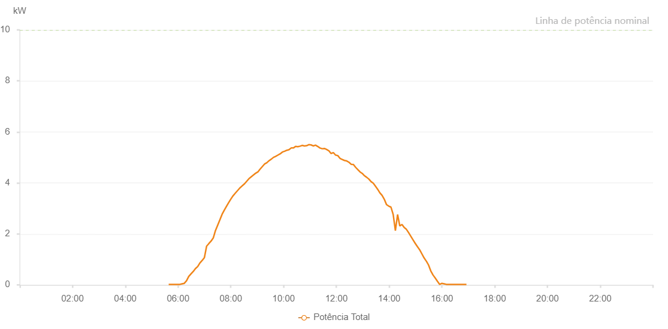

Number | Time | Working State | Alarm Code | Total Inverter Power(W)
1 | 03/06/2023 05:38:43 (UTC-4:00) | Normal |  | 20.000
2 | 03/06/2023 05:43:44 (UTC-4:00) | Normal |  | 20.000
3 | 03/06/2023 05:48:46 (UTC-4:00) | Normal |  | 20.000
4 | 03/06/2023 05:53:50 (UTC-4:00) | Normal |  | 20.000
5 | 03/06/2023 05:58:56 (UTC-4:00) | Normal |  | 20.000
6 | 03/06/2023 06:04:01 (UTC-4:00) | Normal |  | 20.000
7 | 03/06/2023 06:09:05 (UTC-4:00) | Normal |  | 40.000
8 | 03/06/2023 06:14:09 (UTC-4:00) | Normal |  | 60.000
9 | 03/06/2023 06:19:14 (UTC-4:00) | Normal |  | 160.000
10 | 03/06/2023 06:24:19 (UTC-4:00) | Normal |  | 330.000
11 | 03/06/2023 06:29:23 (UTC-4:00) | Normal |  | 430.000
12 | 03/06/2023 06:34:41 (UTC-4:00) | Normal |  | 530.000
13 | 03/06/2023 06:39:33 (UTC-4:00) | Normal |  | 640.000
14 | 03/06/2023 06:44:38 (UTC-4:00) | Normal |  | 720.000
15 | 03/06/2023 06:49:42 (UTC-4:00) | Normal |  | 860.000
16 | 03/06/2023 06:54:47 (UTC-4:00) | Normal |  | 960.000
17 | 03/06/2023 06:55:03 (UTC-4:00) | Normal |  | 960.000
18 | 03/06/2023 06:59:52 (UTC-4:00) | Normal |  | 1070.000
19 | 03/06/2023 07:04:57 (UTC-4:00) | Normal |  | 1520.000
20 | 03/06/2023 07:10:01 (UTC-4:00) | Normal |  | 1620.000
21 | 03/06/2023 07:15:11 (UTC-4:00) | Normal |  | 1720.000
22 | 03/06/2023 07:20:05 (UTC-4:00) | Normal |  | 1840.000
23 | 03/06/2023 07:25:04 (UTC-4:00) | Normal |  | 2130.000
24 | 03/06/2023 07:30:06 (UTC-4:00) | Normal |  | 2340.000
25 | 03/06/2023 07:35:05 (UTC-4:00) | Normal |  | 2550.000
26 | 03/06/2023 07:40:10 (UTC-4:00) | Normal |  | 2770.000
27 | 03/06/2023 07:45:07 (UTC-4:00) | Normal |  | 2930.000
28 | 03/06/2023 07:50:08 (UTC-4:00) | Normal |  | 3080.000
29 | 03/06/2023 07:55:08 (UTC-4:00) | Normal |  | 3230.000
30 | 03/06/2023 08:00:10 (UTC-4:00) | Normal |  | 3370.000
31 | 03/06/2023 08:05:20 (UTC-4:00) | Normal |  | 3500.000
32 | 03/06/2023 08:10:20 (UTC-4:00) | Normal |  | 3600.000
33 | 03/06/2023 08:15:26 (UTC-4:00) | Normal |  | 3700.000
34 | 03/06/2023 08:20:29 (UTC-4:00) | Normal |  | 3800.000
35 | 03/06/2023 08:25:34 (UTC-4:00) | Normal |  | 3880.000
36 | 03/06/2023 08:25:46 (UTC-4:00) | Normal |  | 3880.000
37 | 03/06/2023 08:26:06 (UTC-4:00) | Normal |  | 3890.000
38 | 03/06/2023 08:31:27 (UTC-4:00) | Normal |  | 3970.000
39 | 03/06/2023 08:36:27 (UTC-4:00) | Normal |  | 4070.000
40 | 03/06/2023 08:41:28 (UTC-4:00) | Normal |  | 4170.000
41 | 03/06/2023 08:46:28 (UTC-4:00) | Normal |  | 4240.000
42 | 03/06/2023 08:51:28 (UTC-4:00) | Normal |  | 4310.000
43 | 03/06/2023 08:56:28 (UTC-4:00) | Normal |  | 4380.000
44 | 03/06/2023 09:01:28 (UTC-4:00) | Normal |  | 4430.000
45 | 03/06/2023 09:06:32 (UTC-4:00) | Normal |  | 4540.000
46 | 03/06/2023 09:11:36 (UTC-4:00) | Normal |  | 4640.000
47 | 03/06/2023 09:16:40 (UTC-4:00) | Normal |  | 4740.000
48 | 03/06/2023 09:21:44 (UTC-4:00) | Normal |  | 4790.000
49 | 03/06/2023 09:26:48 (UTC-4:00) | Normal |  | 4870.000
50 | 03/06/2023 09:31:52 (UTC-4:00) | Normal |  | 4930.000
51 | 03/06/2023 09:36:57 (UTC-4:00) | Normal |  | 5000.000
52 | 03/06/2023 09:42:01 (UTC-4:00) | Normal |  | 5040.000
53 | 03/06/2023 09:47:05 (UTC-4:00) | Normal |  | 5090.000
54 | 03/06/2023 09:52:09 (UTC-4:00) | Normal |  | 5140.000
55 | 03/06/2023 09:57:14 (UTC-4:00) | Normal |  | 5210.000
56 | 03/06/2023 10:02:14 (UTC-4:00) | Normal |  | 5240.000
57 | 03/06/2023 10:07:14 (UTC-4:00) | Normal |  | 5280.000
58 | 03/06/2023 10:12:15 (UTC-4:00) | Normal |  | 5300.000
59 | 03/06/2023 10:17:15 (UTC-4:00) | Normal |  | 5370.000
60 | 03/06/2023 10:22:15 (UTC-4:00) | Normal |  | 5370.000
61 | 03/06/2023 10:27:16 (UTC-4:00) | Normal |  | 5430.000
62 | 03/06/2023 10:32:16 (UTC-4:00) | Normal |  | 5420.000
63 | 03/06/2023 10:37:16 (UTC-4:00) | Normal |  | 5440.000
64 | 03/06/2023 10:42:16 (UTC-4:00) | Normal |  | 5470.000
65 | 03/06/2023 10:47:18 (UTC-4:00) | Normal |  | 5450.000
66 | 03/06/2023 10:52:18 (UTC-4:00) | Normal |  | 5460.000
67 | 03/06/2023 10:57:18 (UTC-4:00) | Normal |  | 5500.000
68 | 03/06/2023 11:02:21 (UTC-4:00) | Normal |  | 5490.000
69 | 03/06/2023 11:07:25 (UTC-4:00) | Normal |  | 5450.000
70 | 03/06/2023 11:12:29 (UTC-4:00) | Normal |  | 5480.000
71 | 03/06/2023 11:17:34 (UTC-4:00) | Normal |  | 5430.000
72 | 03/06/2023 11:22:38 (UTC-4:00) | Normal |  | 5370.000
73 | 03/06/2023 11:27:42 (UTC-4:00) | Normal |  | 5340.000
74 | 03/06/2023 11:32:46 (UTC-4:00) | Normal |  | 5350.000
75 | 03/06/2023 11:37:50 (UTC-4:00) | Normal |  | 5310.000
76 | 03/06/2023 11:42:55 (UTC-4:00) | Normal |  | 5260.000
77 | 03/06/2023 11:47:59 (UTC-4:00) | Normal |  | 5150.000
78 | 03/06/2023 11:53:03 (UTC-4:00) | Normal |  | 5190.000
79 | 03/06/2023 11:58:08 (UTC-4:00) | Normal |  | 5090.000
80 | 03/06/2023 12:03:12 (UTC-4:00) | Normal |  | 5070.000
81 | 03/06/2023 12:08:16 (UTC-4:00) | Normal |  | 4960.000
82 | 03/06/2023 12:13:21 (UTC-4:00) | Normal |  | 4920.000
83 | 03/06/2023 12:18:25 (UTC-4:00) | Normal |  | 4880.000
84 | 03/06/2023 12:23:29 (UTC-4:00) | Normal |  | 4860.000
85 | 03/06/2023 12:28:34 (UTC-4:00) | Normal |  | 4810.000
86 | 03/06/2023 12:33:39 (UTC-4:00) | Normal |  | 4730.000
87 | 03/06/2023 12:38:43 (UTC-4:00) | Normal |  | 4720.000
88 | 03/06/2023 12:43:47 (UTC-4:00) | Normal |  | 4610.000
89 | 03/06/2023 12:48:51 (UTC-4:00) | Normal |  | 4520.000
90 | 03/06/2023 12:53:52 (UTC-4:00) | Normal |  | 4430.000
91 | 03/06/2023 12:58:52 (UTC-4:00) | Normal |  | 4370.000
92 | 03/06/2023 13:03:52 (UTC-4:00) | Normal |  | 4280.000
93 | 03/06/2023 13:08:52 (UTC-4:00) | Normal |  | 4220.000
94 | 03/06/2023 13:13:52 (UTC-4:00) | Normal |  | 4150.000
95 | 03/06/2023 13:18:53 (UTC-4:00) | Normal |  | 4050.000
96 | 03/06/2023 13:23:53 (UTC-4:00) | Normal |  | 3990.000
97 | 03/06/2023 13:28:53 (UTC-4:00) | Normal |  | 3870.000
98 | 03/06/2023 13:33:53 (UTC-4:00) | Normal |  | 3750.000
99 | 03/06/2023 13:38:54 (UTC-4:00) | Normal |  | 3610.000
100 | 03/06/2023 13:43:55 (UTC-4:00) | Normal |  | 3510.000
101 | 03/06/2023 13:48:55 (UTC-4:00) | Normal |  | 3360.000
102 | 03/06/2023 13:53:58 (UTC-4:00) | Normal |  | 3150.000
103 | 03/06/2023 13:59:02 (UTC-4:00) | Normal |  | 3090.000
104 | 03/06/2023 14:04:07 (UTC-4:00) | Normal |  | 3050.000
105 | 03/06/2023 14:09:11 (UTC-4:00) | Normal |  | 2760.000
106 | 03/06/2023 14:14:11 (UTC-4:00) | Normal |  | 2130.000
107 | 03/06/2023 14:19:11 (UTC-4:00) | Normal |  | 2760.000
108 | 03/06/2023 14:24:11 (UTC-4:00) | Normal |  | 2310.000
109 | 03/06/2023 14:29:11 (UTC-4:00) | Normal |  | 2370.000
110 | 03/06/2023 14:34:12 (UTC-4:00) | Normal |  | 2250.000
111 | 03/06/2023 14:39:12 (UTC-4:00) | Normal |  | 2180.000
112 | 03/06/2023 14:44:12 (UTC-4:00) | Normal |  | 2050.000
113 | 03/06/2023 14:49:12 (UTC-4:00) | Normal |  | 1910.000
114 | 03/06/2023 14:54:12 (UTC-4:00) | Normal |  | 1770.000
115 | 03/06/2023 14:59:12 (UTC-4:00) | Normal |  | 1630.000
116 | 03/06/2023 15:04:13 (UTC-4:00) | Normal |  | 1500.000
117 | 03/06/2023 15:09:16 (UTC-4:00) | Normal |  | 1380.000
118 | 03/06/2023 15:14:20 (UTC-4:00) | Normal |  | 1220.000
119 | 03/06/2023 15:19:23 (UTC-4:00) | Normal |  | 1060.000
120 | 03/06/2023 15:24:28 (UTC-4:00) | Normal |  | 930.000
121 | 03/06/2023 15:24:38 (UTC-4:00) | Normal |  | 930.000
122 | 03/06/2023 15:29:32 (UTC-4:00) | Normal |  | 780.000
123 | 03/06/2023 15:34:36 (UTC-4:00) | Normal |  | 550.000
124 | 03/06/2023 15:39:40 (UTC-4:00) | Normal |  | 390.000
125 | 03/06/2023 15:44:44 (UTC-4:00) | Normal |  | 270.000
126 | 03/06/2023 15:49:48 (UTC-4:00) | Normal |  | 140.000
127 | 03/06/2023 15:54:53 (UTC-4:00) | Normal |  | 20.000
128 | 03/06/2023 15:59:57 (UTC-4:00) | Normal |  | 60.000
129 | 03/06/2023 16:05:01 (UTC-4:00) | Normal |  | 40.000
130 | 03/06/2023 16:10:06 (UTC-4:00) | Normal |  | 20.000
131 | 03/06/2023 16:15:10 (UTC-4:00) | Normal |  | 20.000
132 | 03/06/2023 16:20:15 (UTC-4:00) | Normal |  | 20.000
133 | 03/06/2023 16:25:19 (UTC-4:00) | Normal |  | 20.000
134 | 03/06/2023 16:30:23 (UTC-4:00) | Normal |  | 20.000
135 | 03/06/2023 16:35:27 (UTC-4:00) | Normal |  | 20.000
136 | 03/06/2023 16:40:31 (UTC-4:00) | Normal |  | 20.000
137 | 03/06/2023 16:45:35 (UTC-4:00) | Normal |  | 20.000
138 | 03/06/2023 16:50:40 (UTC-4:00) | Normal |  | 20.000
139 | 03/06/2023 16:55:44 (UTC-4:00) | Normal |  | 20.000

