Inverter History Report__17-08-
Inverter History Report_04/06/2023_Report

Inverter SN:054B7020C020044 |  | Inverter type:B7
Collector SN:4045086367 |  | Full Load Hours(h):3.40
Rated Power:10000Wp

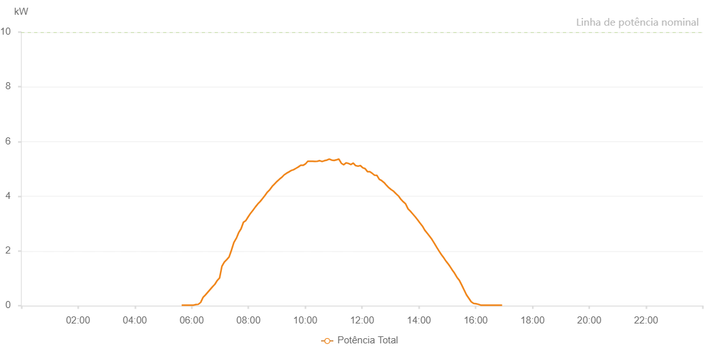

Number | Time | Working State | Alarm Code | Total Inverter Power(W)
1 | 04/06/2023 05:38:53 (UTC-4:00) | Normal |  | 20.000
2 | 04/06/2023 05:43:51 (UTC-4:00) | Normal |  | 20.000
3 | 04/06/2023 05:48:50 (UTC-4:00) | Normal |  | 20.000
4 | 04/06/2023 05:53:53 (UTC-4:00) | Normal |  | 20.000
5 | 04/06/2023 05:58:56 (UTC-4:00) | Normal |  | 20.000
6 | 04/06/2023 06:04:00 (UTC-4:00) | Normal |  | 20.000
7 | 04/06/2023 06:09:05 (UTC-4:00) | Normal |  | 40.000
8 | 04/06/2023 06:14:03 (UTC-4:00) | Normal |  | 50.000
9 | 04/06/2023 06:19:02 (UTC-4:00) | Normal |  | 120.000
10 | 04/06/2023 06:24:01 (UTC-4:00) | Normal |  | 300.000
11 | 04/06/2023 06:29:01 (UTC-4:00) | Normal |  | 390.000
12 | 04/06/2023 06:34:00 (UTC-4:00) | Normal |  | 490.000
13 | 04/06/2023 06:39:00 (UTC-4:00) | Normal |  | 590.000
14 | 04/06/2023 06:43:59 (UTC-4:00) | Normal |  | 690.000
15 | 04/06/2023 06:48:59 (UTC-4:00) | Normal |  | 780.000
16 | 04/06/2023 06:53:58 (UTC-4:00) | Normal |  | 920.000
17 | 04/06/2023 06:58:58 (UTC-4:00) | Normal |  | 1010.000
18 | 04/06/2023 07:03:57 (UTC-4:00) | Normal |  | 1440.000
19 | 04/06/2023 07:08:59 (UTC-4:00) | Normal |  | 1590.000
20 | 04/06/2023 07:14:01 (UTC-4:00) | Normal |  | 1680.000
21 | 04/06/2023 07:19:05 (UTC-4:00) | Normal |  | 1780.000
22 | 04/06/2023 07:24:08 (UTC-4:00) | Normal |  | 2030.000
23 | 04/06/2023 07:29:12 (UTC-4:00) | Normal |  | 2310.000
24 | 04/06/2023 07:34:15 (UTC-4:00) | Normal |  | 2460.000
25 | 04/06/2023 07:34:26 (UTC-4:00) | Normal |  | 2460.000
26 | 04/06/2023 07:39:22 (UTC-4:00) | Normal |  | 2670.000
27 | 04/06/2023 07:44:23 (UTC-4:00) | Normal |  | 2810.000
28 | 04/06/2023 07:49:26 (UTC-4:00) | Normal |  | 3050.000
29 | 04/06/2023 07:54:30 (UTC-4:00) | Normal |  | 3110.000
30 | 04/06/2023 07:59:32 (UTC-4:00) | Normal |  | 3250.000
31 | 04/06/2023 08:04:36 (UTC-4:00) | Normal |  | 3380.000
32 | 04/06/2023 08:09:39 (UTC-4:00) | Normal |  | 3490.000
33 | 04/06/2023 08:14:44 (UTC-4:00) | Normal |  | 3610.000
34 | 04/06/2023 08:19:49 (UTC-4:00) | Normal |  | 3720.000
35 | 04/06/2023 08:24:51 (UTC-4:00) | Normal |  | 3810.000
36 | 04/06/2023 08:29:55 (UTC-4:00) | Normal |  | 3920.000
37 | 04/06/2023 08:34:57 (UTC-4:00) | Normal |  | 4030.000
38 | 04/06/2023 08:40:00 (UTC-4:00) | Normal |  | 4150.000
39 | 04/06/2023 08:45:04 (UTC-4:00) | Normal |  | 4240.000
40 | 04/06/2023 08:50:07 (UTC-4:00) | Normal |  | 4360.000
41 | 04/06/2023 08:55:10 (UTC-4:00) | Normal |  | 4450.000
42 | 04/06/2023 09:00:15 (UTC-4:00) | Normal |  | 4540.000
43 | 04/06/2023 09:05:17 (UTC-4:00) | Normal |  | 4620.000
44 | 04/06/2023 09:10:21 (UTC-4:00) | Normal |  | 4690.000
45 | 04/06/2023 09:15:24 (UTC-4:00) | Normal |  | 4780.000
46 | 04/06/2023 09:20:27 (UTC-4:00) | Normal |  | 4840.000
47 | 04/06/2023 09:25:27 (UTC-4:00) | Normal |  | 4890.000
48 | 04/06/2023 09:30:26 (UTC-4:00) | Normal |  | 4940.000
49 | 04/06/2023 09:35:25 (UTC-4:00) | Normal |  | 4970.000
50 | 04/06/2023 09:40:25 (UTC-4:00) | Normal |  | 5020.000
51 | 04/06/2023 09:45:24 (UTC-4:00) | Normal |  | 5070.000
52 | 04/06/2023 09:50:24 (UTC-4:00) | Normal |  | 5130.000
53 | 04/06/2023 09:55:23 (UTC-4:00) | Normal |  | 5130.000
54 | 04/06/2023 10:00:23 (UTC-4:00) | Normal |  | 5180.000
55 | 04/06/2023 10:05:22 (UTC-4:00) | Normal |  | 5280.000
56 | 04/06/2023 10:10:21 (UTC-4:00) | Normal |  | 5280.000
57 | 04/06/2023 10:15:23 (UTC-4:00) | Normal |  | 5280.000
58 | 04/06/2023 10:20:33 (UTC-4:00) | Normal |  | 5270.000
59 | 04/06/2023 10:25:29 (UTC-4:00) | Normal |  | 5280.000
60 | 04/06/2023 10:30:33 (UTC-4:00) | Normal |  | 5300.000
61 | 04/06/2023 10:35:36 (UTC-4:00) | Normal |  | 5270.000
62 | 04/06/2023 10:40:40 (UTC-4:00) | Normal |  | 5300.000
63 | 04/06/2023 10:45:43 (UTC-4:00) | Normal |  | 5320.000
64 | 04/06/2023 10:50:46 (UTC-4:00) | Normal |  | 5360.000
65 | 04/06/2023 10:55:50 (UTC-4:00) | Normal |  | 5320.000
66 | 04/06/2023 11:00:53 (UTC-4:00) | Normal |  | 5310.000
67 | 04/06/2023 11:05:57 (UTC-4:00) | Normal |  | 5330.000
68 | 04/06/2023 11:11:00 (UTC-4:00) | Normal |  | 5360.000
69 | 04/06/2023 11:16:04 (UTC-4:00) | Normal |  | 5210.000
70 | 04/06/2023 11:21:09 (UTC-4:00) | Normal |  | 5150.000
71 | 04/06/2023 11:26:12 (UTC-4:00) | Normal |  | 5220.000
72 | 04/06/2023 11:31:16 (UTC-4:00) | Normal |  | 5200.000
73 | 04/06/2023 11:36:19 (UTC-4:00) | Normal |  | 5160.000
74 | 04/06/2023 11:41:24 (UTC-4:00) | Normal |  | 5210.000
75 | 04/06/2023 11:46:27 (UTC-4:00) | Normal |  | 5120.000
76 | 04/06/2023 11:51:30 (UTC-4:00) | Normal |  | 5100.000
77 | 04/06/2023 11:56:30 (UTC-4:00) | Normal |  | 5120.000
78 | 04/06/2023 12:01:29 (UTC-4:00) | Normal |  | 5040.000
79 | 04/06/2023 12:06:29 (UTC-4:00) | Normal |  | 5010.000
80 | 04/06/2023 12:11:28 (UTC-4:00) | Normal |  | 4900.000
81 | 04/06/2023 12:16:28 (UTC-4:00) | Normal |  | 4900.000
82 | 04/06/2023 12:21:54 (UTC-4:00) | Normal |  | 4830.000
83 | 04/06/2023 12:26:27 (UTC-4:00) | Normal |  | 4770.000
84 | 04/06/2023 12:31:27 (UTC-4:00) | Normal |  | 4760.000
85 | 04/06/2023 12:36:26 (UTC-4:00) | Normal |  | 4620.000
86 | 04/06/2023 12:41:29 (UTC-4:00) | Normal |  | 4570.000
87 | 04/06/2023 12:46:32 (UTC-4:00) | Normal |  | 4500.000
88 | 04/06/2023 12:51:35 (UTC-4:00) | Normal |  | 4400.000
89 | 04/06/2023 12:56:41 (UTC-4:00) | Normal |  | 4310.000
90 | 04/06/2023 13:01:42 (UTC-4:00) | Normal |  | 4240.000
91 | 04/06/2023 13:06:46 (UTC-4:00) | Normal |  | 4180.000
92 | 04/06/2023 13:11:49 (UTC-4:00) | Normal |  | 4090.000
93 | 04/06/2023 13:16:55 (UTC-4:00) | Normal |  | 4010.000
94 | 04/06/2023 13:21:56 (UTC-4:00) | Normal |  | 3890.000
95 | 04/06/2023 13:26:59 (UTC-4:00) | Normal |  | 3800.000
96 | 04/06/2023 13:32:03 (UTC-4:00) | Normal |  | 3720.000
97 | 04/06/2023 13:37:06 (UTC-4:00) | Normal |  | 3540.000
98 | 04/06/2023 13:42:10 (UTC-4:00) | Normal |  | 3450.000
99 | 04/06/2023 13:47:15 (UTC-4:00) | Normal |  | 3350.000
100 | 04/06/2023 13:52:17 (UTC-4:00) | Normal |  | 3250.000
101 | 04/06/2023 13:57:20 (UTC-4:00) | Normal |  | 3140.000
102 | 04/06/2023 14:02:23 (UTC-4:00) | Normal |  | 3020.000
103 | 04/06/2023 14:07:26 (UTC-4:00) | Normal |  | 2910.000
104 | 04/06/2023 14:12:30 (UTC-4:00) | Normal |  | 2760.000
105 | 04/06/2023 14:17:33 (UTC-4:00) | Normal |  | 2650.000
106 | 04/06/2023 14:22:36 (UTC-4:00) | Normal |  | 2540.000
107 | 04/06/2023 14:27:40 (UTC-4:00) | Normal |  | 2420.000
108 | 04/06/2023 14:32:43 (UTC-4:00) | Normal |  | 2280.000
109 | 04/06/2023 14:37:47 (UTC-4:00) | Normal |  | 2130.000
110 | 04/06/2023 14:42:50 (UTC-4:00) | Normal |  | 1990.000
111 | 04/06/2023 14:47:53 (UTC-4:00) | Normal |  | 1860.000
112 | 04/06/2023 14:52:57 (UTC-4:00) | Normal |  | 1740.000
113 | 04/06/2023 14:58:00 (UTC-4:00) | Normal |  | 1610.000
114 | 04/06/2023 14:58:11 (UTC-4:00) | Normal |  | 1610.000
115 | 04/06/2023 15:03:03 (UTC-4:00) | Normal |  | 1500.000
116 | 04/06/2023 15:05:03 (UTC-4:00) | Normal |  | 1450.000
117 | 04/06/2023 15:10:20 (UTC-4:00) | Normal |  | 1310.000
118 | 04/06/2023 15:15:21 (UTC-4:00) | Normal |  | 1190.000
119 | 04/06/2023 15:20:21 (UTC-4:00) | Normal |  | 1040.000
120 | 04/06/2023 15:25:24 (UTC-4:00) | Normal |  | 930.000
121 | 04/06/2023 15:30:24 (UTC-4:00) | Normal |  | 760.000
122 | 04/06/2023 15:35:25 (UTC-4:00) | Normal |  | 580.000
123 | 04/06/2023 15:40:29 (UTC-4:00) | Normal |  | 400.000
124 | 04/06/2023 15:45:34 (UTC-4:00) | Normal |  | 270.000
125 | 04/06/2023 15:50:39 (UTC-4:00) | Normal |  | 140.000
126 | 04/06/2023 15:55:44 (UTC-4:00) | Normal |  | 80.000
127 | 04/06/2023 16:00:44 (UTC-4:00) | Normal |  | 70.000
128 | 04/06/2023 16:05:44 (UTC-4:00) | Normal |  | 50.000
129 | 04/06/2023 16:10:45 (UTC-4:00) | Normal |  | 20.000
130 | 04/06/2023 16:15:46 (UTC-4:00) | Normal |  | 20.000
131 | 04/06/2023 16:20:46 (UTC-4:00) | Normal |  | 20.000
132 | 04/06/2023 16:25:48 (UTC-4:00) | Normal |  | 20.000
133 | 04/06/2023 16:30:48 (UTC-4:00) | Normal |  | 20.000
134 | 04/06/2023 16:35:49 (UTC-4:00) | Normal |  | 20.000
135 | 04/06/2023 16:40:49 (UTC-4:00) | Normal |  | 20.000
136 | 04/06/2023 16:45:50 (UTC-4:00) | Normal |  | 20.000
137 | 04/06/2023 16:50:50 (UTC-4:00) | Normal |  | 20.000
138 | 04/06/2023 16:55:53 (UTC-4:00) | Normal |  | 20.000

