Inverter History Report__17-08-
Inverter History Report_05/06/2023_Report

Inverter SN:054B7020C020044 |  | Inverter type:B7
Collector SN:4045086367 |  | Full Load Hours(h):3.28
Rated Power:10000Wp

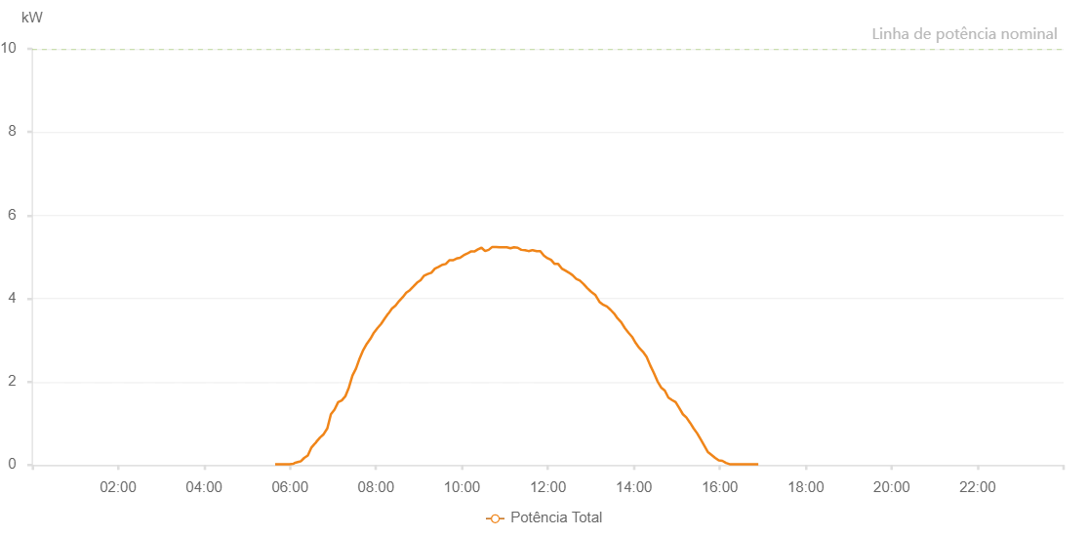

Number | Time | Working State | Alarm Code | Total Inverter Power(W)
1 | 05/06/2023 05:39:16 (UTC-4:00) | Normal |  | 20.000
2 | 05/06/2023 05:44:15 (UTC-4:00) | Normal |  | 20.000
3 | 05/06/2023 05:49:14 (UTC-4:00) | Normal |  | 20.000
4 | 05/06/2023 05:54:16 (UTC-4:00) | Normal |  | 20.000
5 | 05/06/2023 05:59:18 (UTC-4:00) | Normal |  | 20.000
6 | 05/06/2023 06:04:28 (UTC-4:00) | Normal |  | 30.000
7 | 05/06/2023 06:04:40 (UTC-4:00) | Normal |  | 30.000
8 | 05/06/2023 06:05:46 (UTC-4:00) | Normal |  | 40.000
9 | 05/06/2023 06:06:23 (UTC-4:00) | Normal |  | 50.000
10 | 05/06/2023 06:08:24 (UTC-4:00) | Normal |  | 60.000
11 | 05/06/2023 06:13:25 (UTC-4:00) | Normal |  | 80.000
12 | 05/06/2023 06:15:13 (UTC-4:00) | Normal |  | 90.000
13 | 05/06/2023 06:19:52 (UTC-4:00) | Normal |  | 170.000
14 | 05/06/2023 06:24:54 (UTC-4:00) | Normal |  | 230.000
15 | 05/06/2023 06:29:57 (UTC-4:00) | Normal |  | 420.000
16 | 05/06/2023 06:34:02 (UTC-4:00) | Normal |  | 500.000
17 | 05/06/2023 06:36:20 (UTC-4:00) | Normal |  | 540.000
18 | 05/06/2023 06:36:54 (UTC-4:00) | Normal |  | 560.000
19 | 05/06/2023 06:41:56 (UTC-4:00) | Normal |  | 660.000
20 | 05/06/2023 06:47:00 (UTC-4:00) | Normal |  | 740.000
21 | 05/06/2023 06:52:06 (UTC-4:00) | Normal |  | 880.000
22 | 05/06/2023 06:57:06 (UTC-4:00) | Normal |  | 1220.000
23 | 05/06/2023 07:02:11 (UTC-4:00) | Normal |  | 1330.000
24 | 05/06/2023 07:07:14 (UTC-4:00) | Normal |  | 1510.000
25 | 05/06/2023 07:12:15 (UTC-4:00) | Normal |  | 1550.000
26 | 05/06/2023 07:17:13 (UTC-4:00) | Normal |  | 1650.000
27 | 05/06/2023 07:22:12 (UTC-4:00) | Normal |  | 1860.000
28 | 05/06/2023 07:27:12 (UTC-4:00) | Normal |  | 2150.000
29 | 05/06/2023 07:32:13 (UTC-4:00) | Normal |  | 2320.000
30 | 05/06/2023 07:37:11 (UTC-4:00) | Normal |  | 2560.000
31 | 05/06/2023 07:42:12 (UTC-4:00) | Normal |  | 2760.000
32 | 05/06/2023 07:47:11 (UTC-4:00) | Normal |  | 2910.000
33 | 05/06/2023 07:52:10 (UTC-4:00) | Normal |  | 3030.000
34 | 05/06/2023 07:57:10 (UTC-4:00) | Normal |  | 3180.000
35 | 05/06/2023 08:02:09 (UTC-4:00) | Normal |  | 3290.000
36 | 05/06/2023 08:07:11 (UTC-4:00) | Normal |  | 3390.000
37 | 05/06/2023 08:12:13 (UTC-4:00) | Normal |  | 3520.000
38 | 05/06/2023 08:17:17 (UTC-4:00) | Normal |  | 3640.000
39 | 05/06/2023 08:17:29 (UTC-4:00) | Normal |  | 3640.000
40 | 05/06/2023 08:22:20 (UTC-4:00) | Normal |  | 3760.000
41 | 05/06/2023 08:27:19 (UTC-4:00) | Normal |  | 3830.000
42 | 05/06/2023 08:32:19 (UTC-4:00) | Normal |  | 3940.000
43 | 05/06/2023 08:37:18 (UTC-4:00) | Normal |  | 4030.000
44 | 05/06/2023 08:42:19 (UTC-4:00) | Normal |  | 4140.000
45 | 05/06/2023 08:47:18 (UTC-4:00) | Normal |  | 4200.000
46 | 05/06/2023 08:52:18 (UTC-4:00) | Normal |  | 4290.000
47 | 05/06/2023 08:57:17 (UTC-4:00) | Normal |  | 4380.000
48 | 05/06/2023 09:02:18 (UTC-4:00) | Normal |  | 4440.000
49 | 05/06/2023 09:07:17 (UTC-4:00) | Normal |  | 4550.000
50 | 05/06/2023 09:12:19 (UTC-4:00) | Normal |  | 4590.000
51 | 05/06/2023 09:17:18 (UTC-4:00) | Normal |  | 4620.000
52 | 05/06/2023 09:22:18 (UTC-4:00) | Normal |  | 4720.000
53 | 05/06/2023 09:27:19 (UTC-4:00) | Normal |  | 4760.000
54 | 05/06/2023 09:32:24 (UTC-4:00) | Normal |  | 4810.000
55 | 05/06/2023 09:37:26 (UTC-4:00) | Normal |  | 4830.000
56 | 05/06/2023 09:42:27 (UTC-4:00) | Normal |  | 4920.000
57 | 05/06/2023 09:47:25 (UTC-4:00) | Normal |  | 4920.000
58 | 05/06/2023 09:52:27 (UTC-4:00) | Normal |  | 4960.000
59 | 05/06/2023 09:57:26 (UTC-4:00) | Normal |  | 4980.000
60 | 05/06/2023 10:02:26 (UTC-4:00) | Normal |  | 5040.000
61 | 05/06/2023 10:07:25 (UTC-4:00) | Normal |  | 5080.000
62 | 05/06/2023 10:12:25 (UTC-4:00) | Normal |  | 5130.000
63 | 05/06/2023 10:17:24 (UTC-4:00) | Normal |  | 5130.000
64 | 05/06/2023 10:22:23 (UTC-4:00) | Normal |  | 5180.000
65 | 05/06/2023 10:27:23 (UTC-4:00) | Normal |  | 5220.000
66 | 05/06/2023 10:32:23 (UTC-4:00) | Normal |  | 5140.000
67 | 05/06/2023 10:37:22 (UTC-4:00) | Normal |  | 5170.000
68 | 05/06/2023 10:42:25 (UTC-4:00) | Normal |  | 5240.000
69 | 05/06/2023 10:47:29 (UTC-4:00) | Normal |  | 5240.000
70 | 05/06/2023 10:52:34 (UTC-4:00) | Normal |  | 5230.000
71 | 05/06/2023 10:57:36 (UTC-4:00) | Normal |  | 5230.000
72 | 05/06/2023 11:02:39 (UTC-4:00) | Normal |  | 5230.000
73 | 05/06/2023 11:07:44 (UTC-4:00) | Normal |  | 5210.000
74 | 05/06/2023 11:12:47 (UTC-4:00) | Normal |  | 5230.000
75 | 05/06/2023 11:17:51 (UTC-4:00) | Normal |  | 5220.000
76 | 05/06/2023 11:22:54 (UTC-4:00) | Normal |  | 5170.000
77 | 05/06/2023 11:27:57 (UTC-4:00) | Normal |  | 5160.000
78 | 05/06/2023 11:28:08 (UTC-4:00) | Normal |  | 5160.000
79 | 05/06/2023 11:33:01 (UTC-4:00) | Normal |  | 5140.000
80 | 05/06/2023 11:38:04 (UTC-4:00) | Normal |  | 5160.000
81 | 05/06/2023 11:38:48 (UTC-4:00) | Normal |  | 5160.000
82 | 05/06/2023 11:44:24 (UTC-4:00) | Normal |  | 5140.000
83 | 05/06/2023 11:49:26 (UTC-4:00) | Normal |  | 5140.000
84 | 05/06/2023 11:54:24 (UTC-4:00) | Normal |  | 5030.000
85 | 05/06/2023 11:59:24 (UTC-4:00) | Normal |  | 4970.000
86 | 05/06/2023 12:04:25 (UTC-4:00) | Normal |  | 4930.000
87 | 05/06/2023 12:09:26 (UTC-4:00) | Normal |  | 4830.000
88 | 05/06/2023 12:14:26 (UTC-4:00) | Normal |  | 4830.000
89 | 05/06/2023 12:19:27 (UTC-4:00) | Normal |  | 4720.000
90 | 05/06/2023 12:24:28 (UTC-4:00) | Normal |  | 4670.000
91 | 05/06/2023 12:29:29 (UTC-4:00) | Normal |  | 4620.000
92 | 05/06/2023 12:34:31 (UTC-4:00) | Normal |  | 4560.000
93 | 05/06/2023 12:39:36 (UTC-4:00) | Normal |  | 4470.000
94 | 05/06/2023 12:44:41 (UTC-4:00) | Normal |  | 4430.000
95 | 05/06/2023 12:49:46 (UTC-4:00) | Normal |  | 4350.000
96 | 05/06/2023 12:55:03 (UTC-4:00) | Normal |  | 4250.000
97 | 05/06/2023 12:59:55 (UTC-4:00) | Normal |  | 4170.000
98 | 05/06/2023 13:00:07 (UTC-4:00) | Normal |  | 4170.000
99 | 05/06/2023 13:00:40 (UTC-4:00) | Normal |  | 4160.000
100 | 05/06/2023 13:06:04 (UTC-4:00) | Normal |  | 4090.000
101 | 05/06/2023 13:12:03 (UTC-4:00) | Normal |  | 3920.000
102 | 05/06/2023 13:17:24 (UTC-4:00) | Normal |  | 3850.000
103 | 05/06/2023 13:22:25 (UTC-4:00) | Normal |  | 3810.000
104 | 05/06/2023 13:27:25 (UTC-4:00) | Normal |  | 3730.000
105 | 05/06/2023 13:32:26 (UTC-4:00) | Normal |  | 3640.000
106 | 05/06/2023 13:37:27 (UTC-4:00) | Normal |  | 3520.000
107 | 05/06/2023 13:42:27 (UTC-4:00) | Normal |  | 3430.000
108 | 05/06/2023 13:47:28 (UTC-4:00) | Normal |  | 3290.000
109 | 05/06/2023 13:52:29 (UTC-4:00) | Normal |  | 3180.000
110 | 05/06/2023 13:57:32 (UTC-4:00) | Normal |  | 3080.000
111 | 05/06/2023 14:02:37 (UTC-4:00) | Normal |  | 2930.000
112 | 05/06/2023 14:07:41 (UTC-4:00) | Normal |  | 2810.000
113 | 05/06/2023 14:12:46 (UTC-4:00) | Normal |  | 2720.000
114 | 05/06/2023 14:17:51 (UTC-4:00) | Normal |  | 2600.000
115 | 05/06/2023 14:23:00 (UTC-4:00) | Normal |  | 2390.000
116 | 05/06/2023 14:28:00 (UTC-4:00) | Normal |  | 2210.000
117 | 05/06/2023 14:33:04 (UTC-4:00) | Normal |  | 2010.000
118 | 05/06/2023 14:38:10 (UTC-4:00) | Normal |  | 1860.000
119 | 05/06/2023 14:43:13 (UTC-4:00) | Normal |  | 1790.000
120 | 05/06/2023 14:48:18 (UTC-4:00) | Normal |  | 1620.000
121 | 05/06/2023 14:53:22 (UTC-4:00) | Normal |  | 1560.000
122 | 05/06/2023 14:58:23 (UTC-4:00) | Normal |  | 1510.000
123 | 05/06/2023 15:03:24 (UTC-4:00) | Normal |  | 1370.000
124 | 05/06/2023 15:08:28 (UTC-4:00) | Normal |  | 1220.000
125 | 05/06/2023 15:13:27 (UTC-4:00) | Normal |  | 1140.000
126 | 05/06/2023 15:18:41 (UTC-4:00) | Normal |  | 1010.000
127 | 05/06/2023 15:23:28 (UTC-4:00) | Normal |  | 880.000
128 | 05/06/2023 15:28:28 (UTC-4:00) | Normal |  | 760.000
129 | 05/06/2023 15:33:29 (UTC-4:00) | Normal |  | 610.000
130 | 05/06/2023 15:38:30 (UTC-4:00) | Normal |  | 460.000
131 | 05/06/2023 15:43:30 (UTC-4:00) | Normal |  | 310.000
132 | 05/06/2023 15:48:35 (UTC-4:00) | Normal |  | 240.000
133 | 05/06/2023 15:53:35 (UTC-4:00) | Normal |  | 170.000
134 | 05/06/2023 15:58:36 (UTC-4:00) | Normal |  | 110.000
135 | 05/06/2023 16:03:38 (UTC-4:00) | Normal |  | 100.000
136 | 05/06/2023 16:08:39 (UTC-4:00) | Normal |  | 50.000
137 | 05/06/2023 16:13:40 (UTC-4:00) | Normal |  | 20.000
138 | 05/06/2023 16:18:42 (UTC-4:00) | Normal |  | 20.000
139 | 05/06/2023 16:23:43 (UTC-4:00) | Normal |  | 20.000
140 | 05/06/2023 16:28:43 (UTC-4:00) | Normal |  | 20.000
141 | 05/06/2023 16:33:44 (UTC-4:00) | Normal |  | 20.000
142 | 05/06/2023 16:38:44 (UTC-4:00) | Normal |  | 20.000
143 | 05/06/2023 16:43:46 (UTC-4:00) | Normal |  | 20.000
144 | 05/06/2023 16:48:49 (UTC-4:00) | Normal |  | 20.000
145 | 05/06/2023 16:53:50 (UTC-4:00) | Normal |  | 20.000

