Inverter History Report__17-08-
Inverter History Report_08/06/2023_Report

Inverter SN:054B7020C020044 |  | Inverter type:B7
Collector SN:4045086367 |  | Full Load Hours(h):3.11
Rated Power:10000Wp

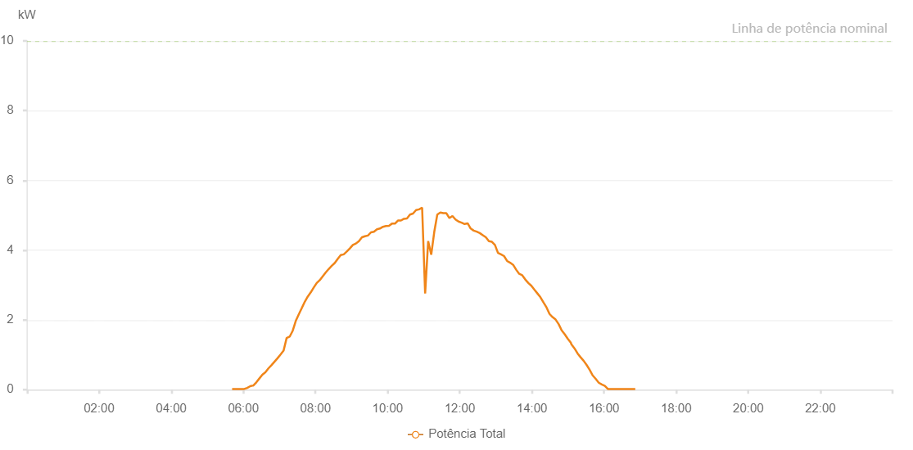

Number | Time | Working State | Alarm Code | Total Inverter Power(W)
1 | 08/06/2023 05:41:17 (UTC-4:00) | Normal |  | 20.000
2 | 08/06/2023 05:46:16 (UTC-4:00) | Normal |  | 20.000
3 | 08/06/2023 05:51:14 (UTC-4:00) | Normal |  | 20.000
4 | 08/06/2023 05:56:17 (UTC-4:00) | Normal |  | 20.000
5 | 08/06/2023 06:01:21 (UTC-4:00) | Normal |  | 20.000
6 | 08/06/2023 06:06:26 (UTC-4:00) | Normal |  | 50.000
7 | 08/06/2023 06:11:27 (UTC-4:00) | Normal |  | 100.000
8 | 08/06/2023 06:16:30 (UTC-4:00) | Normal |  | 120.000
9 | 08/06/2023 06:16:41 (UTC-4:00) | Normal |  | 120.000
10 | 08/06/2023 06:21:34 (UTC-4:00) | Normal |  | 210.000
11 | 08/06/2023 06:26:34 (UTC-4:00) | Normal |  | 320.000
12 | 08/06/2023 06:31:36 (UTC-4:00) | Normal |  | 430.000
13 | 08/06/2023 06:36:39 (UTC-4:00) | Normal |  | 500.000
14 | 08/06/2023 06:41:42 (UTC-4:00) | Normal |  | 610.000
15 | 08/06/2023 06:46:44 (UTC-4:00) | Normal |  | 700.000
16 | 08/06/2023 06:51:46 (UTC-4:00) | Normal |  | 800.000
17 | 08/06/2023 06:56:49 (UTC-4:00) | Normal |  | 900.000
18 | 08/06/2023 07:01:54 (UTC-4:00) | Normal |  | 1010.000
19 | 08/06/2023 07:06:57 (UTC-4:00) | Normal |  | 1120.000
20 | 08/06/2023 07:11:59 (UTC-4:00) | Normal |  | 1480.000
21 | 08/06/2023 07:17:02 (UTC-4:00) | Normal |  | 1520.000
22 | 08/06/2023 07:22:08 (UTC-4:00) | Normal |  | 1690.000
23 | 08/06/2023 07:27:10 (UTC-4:00) | Normal |  | 1970.000
24 | 08/06/2023 07:32:11 (UTC-4:00) | Normal |  | 2160.000
25 | 08/06/2023 07:37:14 (UTC-4:00) | Normal |  | 2340.000
26 | 08/06/2023 07:42:12 (UTC-4:00) | Normal |  | 2520.000
27 | 08/06/2023 07:47:10 (UTC-4:00) | Normal |  | 2670.000
28 | 08/06/2023 07:52:09 (UTC-4:00) | Normal |  | 2790.000
29 | 08/06/2023 07:57:07 (UTC-4:00) | Normal |  | 2930.000
30 | 08/06/2023 08:02:06 (UTC-4:00) | Normal |  | 3060.000
31 | 08/06/2023 08:07:05 (UTC-4:00) | Normal |  | 3140.000
32 | 08/06/2023 08:12:03 (UTC-4:00) | Normal |  | 3250.000
33 | 08/06/2023 08:17:02 (UTC-4:00) | Normal |  | 3360.000
34 | 08/06/2023 08:22:01 (UTC-4:00) | Normal |  | 3460.000
35 | 08/06/2023 08:27:00 (UTC-4:00) | Normal |  | 3550.000
36 | 08/06/2023 08:31:59 (UTC-4:00) | Normal |  | 3630.000
37 | 08/06/2023 08:36:57 (UTC-4:00) | Normal |  | 3750.000
38 | 08/06/2023 08:42:00 (UTC-4:00) | Normal |  | 3860.000
39 | 08/06/2023 08:47:03 (UTC-4:00) | Normal |  | 3880.000
40 | 08/06/2023 08:52:06 (UTC-4:00) | Normal |  | 3960.000
41 | 08/06/2023 08:57:07 (UTC-4:00) | Normal |  | 4050.000
42 | 08/06/2023 09:02:12 (UTC-4:00) | Normal |  | 4150.000
43 | 08/06/2023 09:07:16 (UTC-4:00) | Normal |  | 4190.000
44 | 08/06/2023 09:12:17 (UTC-4:00) | Normal |  | 4260.000
45 | 08/06/2023 09:17:19 (UTC-4:00) | Normal |  | 4370.000
46 | 08/06/2023 09:22:18 (UTC-4:00) | Normal |  | 4400.000
47 | 08/06/2023 09:27:16 (UTC-4:00) | Normal |  | 4420.000
48 | 08/06/2023 09:32:15 (UTC-4:00) | Normal |  | 4510.000
49 | 08/06/2023 09:37:13 (UTC-4:00) | Normal |  | 4530.000
50 | 08/06/2023 09:42:16 (UTC-4:00) | Normal |  | 4600.000
51 | 08/06/2023 09:47:14 (UTC-4:00) | Normal |  | 4620.000
52 | 08/06/2023 09:52:13 (UTC-4:00) | Normal |  | 4670.000
53 | 08/06/2023 09:57:11 (UTC-4:00) | Normal |  | 4690.000
54 | 08/06/2023 10:02:13 (UTC-4:00) | Normal |  | 4700.000
55 | 08/06/2023 10:07:12 (UTC-4:00) | Normal |  | 4760.000
56 | 08/06/2023 10:12:11 (UTC-4:00) | Normal |  | 4760.000
57 | 08/06/2023 10:17:10 (UTC-4:00) | Normal |  | 4850.000
58 | 08/06/2023 10:22:11 (UTC-4:00) | Normal |  | 4850.000
59 | 08/06/2023 10:27:10 (UTC-4:00) | Normal |  | 4900.000
60 | 08/06/2023 10:32:11 (UTC-4:00) | Normal |  | 4910.000
61 | 08/06/2023 10:37:13 (UTC-4:00) | Normal |  | 5020.000
62 | 08/06/2023 10:42:16 (UTC-4:00) | Normal |  | 5050.000
63 | 08/06/2023 10:47:19 (UTC-4:00) | Normal |  | 5150.000
64 | 08/06/2023 10:52:23 (UTC-4:00) | Normal |  | 5170.000
65 | 08/06/2023 10:57:24 (UTC-4:00) | Normal |  | 5220.000
66 | 08/06/2023 11:02:26 (UTC-4:00) | Normal |  | 2760.000
67 | 08/06/2023 11:07:29 (UTC-4:00) | Normal |  | 4260.000
68 | 08/06/2023 11:12:33 (UTC-4:00) | Normal |  | 3870.000
69 | 08/06/2023 11:17:35 (UTC-4:00) | Normal |  | 4520.000
70 | 08/06/2023 11:22:38 (UTC-4:00) | Normal |  | 5020.000
71 | 08/06/2023 11:27:41 (UTC-4:00) | Normal |  | 5080.000
72 | 08/06/2023 11:32:44 (UTC-4:00) | Normal |  | 5060.000
73 | 08/06/2023 11:37:46 (UTC-4:00) | Normal |  | 5060.000
74 | 08/06/2023 11:42:49 (UTC-4:00) | Normal |  | 4920.000
75 | 08/06/2023 11:47:53 (UTC-4:00) | Normal |  | 4980.000
76 | 08/06/2023 11:52:55 (UTC-4:00) | Normal |  | 4880.000
77 | 08/06/2023 11:57:57 (UTC-4:00) | Normal |  | 4820.000
78 | 08/06/2023 12:03:02 (UTC-4:00) | Normal |  | 4790.000
79 | 08/06/2023 12:08:05 (UTC-4:00) | Normal |  | 4750.000
80 | 08/06/2023 12:13:08 (UTC-4:00) | Normal |  | 4770.000
81 | 08/06/2023 12:18:10 (UTC-4:00) | Normal |  | 4620.000
82 | 08/06/2023 12:23:13 (UTC-4:00) | Normal |  | 4560.000
83 | 08/06/2023 12:28:16 (UTC-4:00) | Normal |  | 4530.000
84 | 08/06/2023 12:33:20 (UTC-4:00) | Normal |  | 4490.000
85 | 08/06/2023 12:38:23 (UTC-4:00) | Normal |  | 4430.000
86 | 08/06/2023 12:43:27 (UTC-4:00) | Normal |  | 4370.000
87 | 08/06/2023 12:48:29 (UTC-4:00) | Normal |  | 4260.000
88 | 08/06/2023 12:53:32 (UTC-4:00) | Normal |  | 4240.000
89 | 08/06/2023 12:58:33 (UTC-4:00) | Normal |  | 4150.000
90 | 08/06/2023 13:03:37 (UTC-4:00) | Normal |  | 3920.000
91 | 08/06/2023 13:08:39 (UTC-4:00) | Normal |  | 3880.000
92 | 08/06/2023 13:13:42 (UTC-4:00) | Normal |  | 3830.000
93 | 08/06/2023 13:18:46 (UTC-4:00) | Normal |  | 3690.000
94 | 08/06/2023 13:23:49 (UTC-4:00) | Normal |  | 3640.000
95 | 08/06/2023 13:28:49 (UTC-4:00) | Normal |  | 3580.000
96 | 08/06/2023 13:33:52 (UTC-4:00) | Normal |  | 3440.000
97 | 08/06/2023 13:38:56 (UTC-4:00) | Normal |  | 3320.000
98 | 08/06/2023 13:43:58 (UTC-4:00) | Normal |  | 3280.000
99 | 08/06/2023 13:49:01 (UTC-4:00) | Normal |  | 3160.000
100 | 08/06/2023 13:54:04 (UTC-4:00) | Normal |  | 3060.000
101 | 08/06/2023 13:59:07 (UTC-4:00) | Normal |  | 2980.000
102 | 08/06/2023 14:04:09 (UTC-4:00) | Normal |  | 2870.000
103 | 08/06/2023 14:09:13 (UTC-4:00) | Normal |  | 2760.000
104 | 08/06/2023 14:14:14 (UTC-4:00) | Normal |  | 2650.000
105 | 08/06/2023 14:19:18 (UTC-4:00) | Normal |  | 2500.000
106 | 08/06/2023 14:24:20 (UTC-4:00) | Normal |  | 2360.000
107 | 08/06/2023 14:29:23 (UTC-4:00) | Normal |  | 2170.000
108 | 08/06/2023 14:34:24 (UTC-4:00) | Normal |  | 2080.000
109 | 08/06/2023 14:39:29 (UTC-4:00) | Normal |  | 2010.000
110 | 08/06/2023 14:44:31 (UTC-4:00) | Normal |  | 1880.000
111 | 08/06/2023 14:49:33 (UTC-4:00) | Normal |  | 1700.000
112 | 08/06/2023 14:54:36 (UTC-4:00) | Normal |  | 1590.000
113 | 08/06/2023 14:59:41 (UTC-4:00) | Normal |  | 1460.000
114 | 08/06/2023 15:04:42 (UTC-4:00) | Normal |  | 1350.000
115 | 08/06/2023 15:05:42 (UTC-4:00) | Normal |  | 1300.000
116 | 08/06/2023 15:11:00 (UTC-4:00) | Normal |  | 1180.000
117 | 08/06/2023 15:16:00 (UTC-4:00) | Normal |  | 1040.000
118 | 08/06/2023 15:21:00 (UTC-4:00) | Normal |  | 930.000
119 | 08/06/2023 15:26:01 (UTC-4:00) | Normal |  | 830.000
120 | 08/06/2023 15:31:01 (UTC-4:00) | Normal |  | 710.000
121 | 08/06/2023 15:36:03 (UTC-4:00) | Normal |  | 570.000
122 | 08/06/2023 15:41:04 (UTC-4:00) | Normal |  | 410.000
123 | 08/06/2023 15:46:08 (UTC-4:00) | Normal |  | 310.000
124 | 08/06/2023 15:51:13 (UTC-4:00) | Normal |  | 200.000
125 | 08/06/2023 15:56:17 (UTC-4:00) | Normal |  | 150.000
126 | 08/06/2023 16:01:21 (UTC-4:00) | Normal |  | 110.000
127 | 08/06/2023 16:06:25 (UTC-4:00) | Normal |  | 20.000
128 | 08/06/2023 16:11:28 (UTC-4:00) | Normal |  | 20.000
129 | 08/06/2023 16:16:32 (UTC-4:00) | Normal |  | 20.000
130 | 08/06/2023 16:21:39 (UTC-4:00) | Normal |  | 20.000
131 | 08/06/2023 16:26:40 (UTC-4:00) | Normal |  | 20.000
132 | 08/06/2023 16:31:44 (UTC-4:00) | Normal |  | 20.000
133 | 08/06/2023 16:36:48 (UTC-4:00) | Normal |  | 20.000
134 | 08/06/2023 16:41:53 (UTC-4:00) | Normal |  | 20.000
135 | 08/06/2023 16:46:56 (UTC-4:00) | Normal |  | 20.000
136 | 08/06/2023 16:52:00 (UTC-4:00) | Normal |  | 20.000

