Inverter History Report__17-08-
Inverter History Report_09/06/2023_Report

Inverter SN:054B7020C020044 |  | Inverter type:B7
Collector SN:4045086367 |  | Full Load Hours(h):3.20
Rated Power:10000Wp

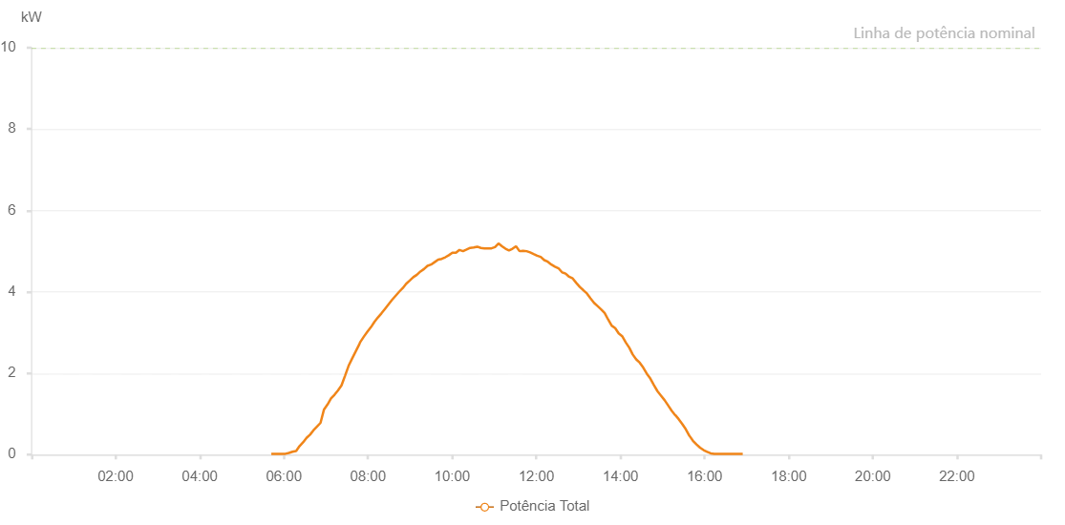

Number | Time | Working State | Alarm Code | Total Inverter Power(W)
1 | 09/06/2023 05:42:05 (UTC-4:00) | Normal |  | 20.000
2 | 09/06/2023 05:47:04 (UTC-4:00) | Normal |  | 20.000
3 | 09/06/2023 05:52:03 (UTC-4:00) | Normal |  | 20.000
4 | 09/06/2023 05:57:04 (UTC-4:00) | Normal |  | 20.000
5 | 09/06/2023 06:02:08 (UTC-4:00) | Normal |  | 20.000
6 | 09/06/2023 06:07:13 (UTC-4:00) | Normal |  | 40.000
7 | 09/06/2023 06:12:16 (UTC-4:00) | Normal |  | 70.000
8 | 09/06/2023 06:17:19 (UTC-4:00) | Normal |  | 90.000
9 | 09/06/2023 06:17:30 (UTC-4:00) | Normal |  | 90.000
10 | 09/06/2023 06:22:22 (UTC-4:00) | Normal |  | 210.000
11 | 09/06/2023 06:27:21 (UTC-4:00) | Normal |  | 300.000
12 | 09/06/2023 06:32:20 (UTC-4:00) | Normal |  | 410.000
13 | 09/06/2023 06:37:19 (UTC-4:00) | Normal |  | 490.000
14 | 09/06/2023 06:42:18 (UTC-4:00) | Normal |  | 600.000
15 | 09/06/2023 06:47:17 (UTC-4:00) | Normal |  | 690.000
16 | 09/06/2023 06:52:16 (UTC-4:00) | Normal |  | 780.000
17 | 09/06/2023 06:57:15 (UTC-4:00) | Normal |  | 1110.000
18 | 09/06/2023 07:02:14 (UTC-4:00) | Normal |  | 1230.000
19 | 09/06/2023 07:07:14 (UTC-4:00) | Normal |  | 1380.000
20 | 09/06/2023 07:12:13 (UTC-4:00) | Normal |  | 1470.000
21 | 09/06/2023 07:17:12 (UTC-4:00) | Normal |  | 1580.000
22 | 09/06/2023 07:22:12 (UTC-4:00) | Normal |  | 1700.000
23 | 09/06/2023 07:27:16 (UTC-4:00) | Normal |  | 1940.000
24 | 09/06/2023 07:32:17 (UTC-4:00) | Normal |  | 2180.000
25 | 09/06/2023 07:37:20 (UTC-4:00) | Normal |  | 2360.000
26 | 09/06/2023 07:42:18 (UTC-4:00) | Normal |  | 2530.000
27 | 09/06/2023 07:47:17 (UTC-4:00) | Normal |  | 2700.000
28 | 09/06/2023 07:48:43 (UTC-4:00) | Normal |  | 2760.000
29 | 09/06/2023 07:54:06 (UTC-4:00) | Normal |  | 2900.000
30 | 09/06/2023 07:59:06 (UTC-4:00) | Normal |  | 3020.000
31 | 09/06/2023 08:04:06 (UTC-4:00) | Normal |  | 3130.000
32 | 09/06/2023 08:09:06 (UTC-4:00) | Normal |  | 3260.000
33 | 09/06/2023 08:14:06 (UTC-4:00) | Normal |  | 3370.000
34 | 09/06/2023 08:19:06 (UTC-4:00) | Normal |  | 3470.000
35 | 09/06/2023 08:24:06 (UTC-4:00) | Normal |  | 3580.000
36 | 09/06/2023 08:29:06 (UTC-4:00) | Normal |  | 3690.000
37 | 09/06/2023 08:34:10 (UTC-4:00) | Normal |  | 3800.000
38 | 09/06/2023 08:39:14 (UTC-4:00) | Normal |  | 3900.000
39 | 09/06/2023 08:44:19 (UTC-4:00) | Normal |  | 4000.000
40 | 09/06/2023 08:49:25 (UTC-4:00) | Normal |  | 4090.000
41 | 09/06/2023 08:54:29 (UTC-4:00) | Normal |  | 4200.000
42 | 09/06/2023 08:59:33 (UTC-4:00) | Normal |  | 4280.000
43 | 09/06/2023 09:04:35 (UTC-4:00) | Normal |  | 4360.000
44 | 09/06/2023 09:09:41 (UTC-4:00) | Normal |  | 4420.000
45 | 09/06/2023 09:14:44 (UTC-4:00) | Normal |  | 4500.000
46 | 09/06/2023 09:19:47 (UTC-4:00) | Normal |  | 4560.000
47 | 09/06/2023 09:24:52 (UTC-4:00) | Normal |  | 4640.000
48 | 09/06/2023 09:29:55 (UTC-4:00) | Normal |  | 4670.000
49 | 09/06/2023 09:34:59 (UTC-4:00) | Normal |  | 4730.000
50 | 09/06/2023 09:40:05 (UTC-4:00) | Normal |  | 4790.000
51 | 09/06/2023 09:45:10 (UTC-4:00) | Normal |  | 4810.000
52 | 09/06/2023 09:50:13 (UTC-4:00) | Normal |  | 4850.000
53 | 09/06/2023 09:55:16 (UTC-4:00) | Normal |  | 4900.000
54 | 09/06/2023 10:00:21 (UTC-4:00) | Normal |  | 4960.000
55 | 09/06/2023 10:05:25 (UTC-4:00) | Normal |  | 4960.000
56 | 09/06/2023 10:10:28 (UTC-4:00) | Normal |  | 5030.000
57 | 09/06/2023 10:15:32 (UTC-4:00) | Normal |  | 5000.000
58 | 09/06/2023 10:20:37 (UTC-4:00) | Normal |  | 5040.000
59 | 09/06/2023 10:25:41 (UTC-4:00) | Normal |  | 5080.000
60 | 09/06/2023 10:30:45 (UTC-4:00) | Normal |  | 5090.000
61 | 09/06/2023 10:35:48 (UTC-4:00) | Normal |  | 5110.000
62 | 09/06/2023 10:40:55 (UTC-4:00) | Normal |  | 5080.000
63 | 09/06/2023 10:46:00 (UTC-4:00) | Normal |  | 5070.000
64 | 09/06/2023 10:51:02 (UTC-4:00) | Normal |  | 5070.000
65 | 09/06/2023 10:56:06 (UTC-4:00) | Normal |  | 5070.000
66 | 09/06/2023 11:01:06 (UTC-4:00) | Normal |  | 5100.000
67 | 09/06/2023 11:06:06 (UTC-4:00) | Normal |  | 5190.000
68 | 09/06/2023 11:11:06 (UTC-4:00) | Normal |  | 5120.000
69 | 09/06/2023 11:16:06 (UTC-4:00) | Normal |  | 5060.000
70 | 09/06/2023 11:21:06 (UTC-4:00) | Normal |  | 5020.000
71 | 09/06/2023 11:26:06 (UTC-4:00) | Normal |  | 5060.000
72 | 09/06/2023 11:31:06 (UTC-4:00) | Normal |  | 5120.000
73 | 09/06/2023 11:36:06 (UTC-4:00) | Normal |  | 5000.000
74 | 09/06/2023 11:41:07 (UTC-4:00) | Normal |  | 5010.000
75 | 09/06/2023 11:46:07 (UTC-4:00) | Normal |  | 5000.000
76 | 09/06/2023 11:51:09 (UTC-4:00) | Normal |  | 4970.000
77 | 09/06/2023 11:56:09 (UTC-4:00) | Normal |  | 4930.000
78 | 09/06/2023 12:01:13 (UTC-4:00) | Normal |  | 4890.000
79 | 09/06/2023 12:06:18 (UTC-4:00) | Normal |  | 4860.000
80 | 09/06/2023 12:11:22 (UTC-4:00) | Normal |  | 4780.000
81 | 09/06/2023 12:16:26 (UTC-4:00) | Normal |  | 4740.000
82 | 09/06/2023 12:21:31 (UTC-4:00) | Normal |  | 4670.000
83 | 09/06/2023 12:26:36 (UTC-4:00) | Normal |  | 4620.000
84 | 09/06/2023 12:31:39 (UTC-4:00) | Normal |  | 4580.000
85 | 09/06/2023 12:36:44 (UTC-4:00) | Normal |  | 4480.000
86 | 09/06/2023 12:41:48 (UTC-4:00) | Normal |  | 4450.000
87 | 09/06/2023 12:46:54 (UTC-4:00) | Normal |  | 4370.000
88 | 09/06/2023 12:51:56 (UTC-4:00) | Normal |  | 4330.000
89 | 09/06/2023 12:57:00 (UTC-4:00) | Normal |  | 4220.000
90 | 09/06/2023 13:02:05 (UTC-4:00) | Normal |  | 4120.000
91 | 09/06/2023 13:07:09 (UTC-4:00) | Normal |  | 4040.000
92 | 09/06/2023 13:12:11 (UTC-4:00) | Normal |  | 3960.000
93 | 09/06/2023 13:17:15 (UTC-4:00) | Normal |  | 3840.000
94 | 09/06/2023 13:22:19 (UTC-4:00) | Normal |  | 3730.000
95 | 09/06/2023 13:27:24 (UTC-4:00) | Normal |  | 3650.000
96 | 09/06/2023 13:32:28 (UTC-4:00) | Normal |  | 3570.000
97 | 09/06/2023 13:37:28 (UTC-4:00) | Normal |  | 3480.000
98 | 09/06/2023 13:42:28 (UTC-4:00) | Normal |  | 3320.000
99 | 09/06/2023 13:47:30 (UTC-4:00) | Normal |  | 3170.000
100 | 09/06/2023 13:52:30 (UTC-4:00) | Normal |  | 3110.000
101 | 09/06/2023 13:57:30 (UTC-4:00) | Normal |  | 2980.000
102 | 09/06/2023 14:02:30 (UTC-4:00) | Normal |  | 2910.000
103 | 09/06/2023 14:07:30 (UTC-4:00) | Normal |  | 2760.000
104 | 09/06/2023 14:12:31 (UTC-4:00) | Normal |  | 2630.000
105 | 09/06/2023 14:17:31 (UTC-4:00) | Normal |  | 2460.000
106 | 09/06/2023 14:22:31 (UTC-4:00) | Normal |  | 2340.000
107 | 09/06/2023 14:27:31 (UTC-4:00) | Normal |  | 2260.000
108 | 09/06/2023 14:32:31 (UTC-4:00) | Normal |  | 2140.000
109 | 09/06/2023 14:37:34 (UTC-4:00) | Normal |  | 1990.000
110 | 09/06/2023 14:42:38 (UTC-4:00) | Normal |  | 1870.000
111 | 09/06/2023 14:47:42 (UTC-4:00) | Normal |  | 1710.000
112 | 09/06/2023 14:52:47 (UTC-4:00) | Normal |  | 1560.000
113 | 09/06/2023 14:57:50 (UTC-4:00) | Normal |  | 1450.000
114 | 09/06/2023 15:02:54 (UTC-4:00) | Normal |  | 1340.000
115 | 09/06/2023 15:07:58 (UTC-4:00) | Normal |  | 1210.000
116 | 09/06/2023 15:13:03 (UTC-4:00) | Normal |  | 1080.000
117 | 09/06/2023 15:18:08 (UTC-4:00) | Normal |  | 970.000
118 | 09/06/2023 15:18:19 (UTC-4:00) | Normal |  | 970.000
119 | 09/06/2023 15:23:10 (UTC-4:00) | Normal |  | 870.000
120 | 09/06/2023 15:28:14 (UTC-4:00) | Normal |  | 750.000
121 | 09/06/2023 15:33:19 (UTC-4:00) | Normal |  | 620.000
122 | 09/06/2023 15:38:22 (UTC-4:00) | Normal |  | 460.000
123 | 09/06/2023 15:38:33 (UTC-4:00) | Normal |  | 460.000
124 | 09/06/2023 15:43:26 (UTC-4:00) | Normal |  | 340.000
125 | 09/06/2023 15:48:30 (UTC-4:00) | Normal |  | 250.000
126 | 09/06/2023 15:53:35 (UTC-4:00) | Normal |  | 170.000
127 | 09/06/2023 15:58:38 (UTC-4:00) | Normal |  | 110.000
128 | 09/06/2023 16:03:42 (UTC-4:00) | Normal |  | 70.000
129 | 09/06/2023 16:08:46 (UTC-4:00) | Normal |  | 30.000
130 | 09/06/2023 16:13:51 (UTC-4:00) | Normal |  | 20.000
131 | 09/06/2023 16:18:54 (UTC-4:00) | Normal |  | 20.000
132 | 09/06/2023 16:23:58 (UTC-4:00) | Normal |  | 20.000
133 | 09/06/2023 16:29:02 (UTC-4:00) | Normal |  | 20.000
134 | 09/06/2023 16:34:08 (UTC-4:00) | Normal |  | 20.000
135 | 09/06/2023 16:39:11 (UTC-4:00) | Normal |  | 20.000
136 | 09/06/2023 16:44:16 (UTC-4:00) | Normal |  | 20.000
137 | 09/06/2023 16:49:22 (UTC-4:00) | Normal |  | 20.000
138 | 09/06/2023 16:54:27 (UTC-4:00) | Normal |  | 20.000

