Inverter History Report__17-08-
Inverter History Report_10/06/2023_Report

Inverter SN:054B7020C020044 |  | Inverter type:B7
Collector SN:4045086367 |  | Full Load Hours(h):3.15
Rated Power:10000Wp

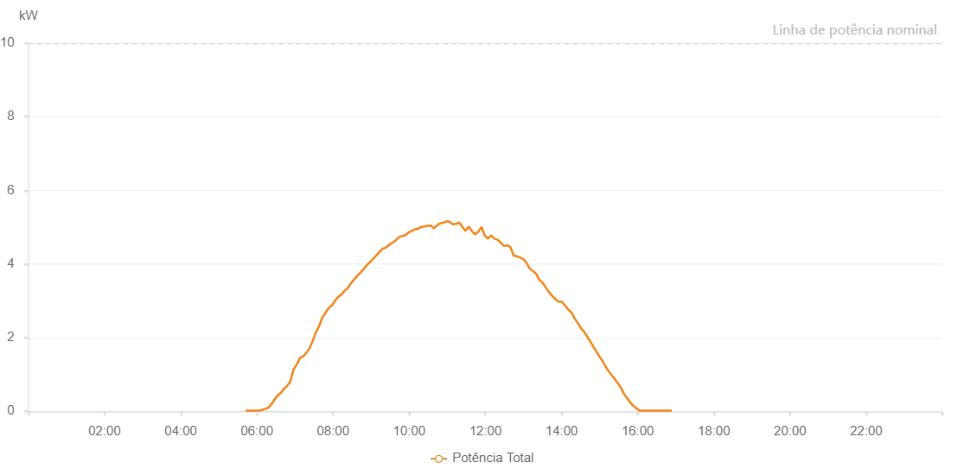

Number | Time | Working State | Alarm Code | Total Inverter Power(W)
1 | 10/06/2023 05:42:04 (UTC-4:00) | Normal |  | 20.000
2 | 10/06/2023 05:47:02 (UTC-4:00) | Normal |  | 20.000
3 | 10/06/2023 05:52:01 (UTC-4:00) | Normal |  | 20.000
4 | 10/06/2023 05:57:01 (UTC-4:00) | Normal |  | 20.000
5 | 10/06/2023 06:02:05 (UTC-4:00) | Normal |  | 20.000
6 | 10/06/2023 06:07:12 (UTC-4:00) | Normal |  | 30.000
7 | 10/06/2023 06:12:13 (UTC-4:00) | Normal |  | 60.000
8 | 10/06/2023 06:17:16 (UTC-4:00) | Normal |  | 90.000
9 | 10/06/2023 06:22:19 (UTC-4:00) | Normal |  | 180.000
10 | 10/06/2023 06:27:22 (UTC-4:00) | Normal |  | 310.000
11 | 10/06/2023 06:32:25 (UTC-4:00) | Normal |  | 430.000
12 | 10/06/2023 06:37:25 (UTC-4:00) | Normal |  | 500.000
13 | 10/06/2023 06:37:36 (UTC-4:00) | Normal |  | 500.000
14 | 10/06/2023 06:42:29 (UTC-4:00) | Normal |  | 610.000
15 | 10/06/2023 06:47:34 (UTC-4:00) | Normal |  | 690.000
16 | 10/06/2023 06:52:37 (UTC-4:00) | Normal |  | 810.000
17 | 10/06/2023 06:57:40 (UTC-4:00) | Normal |  | 1140.000
18 | 10/06/2023 07:02:44 (UTC-4:00) | Normal |  | 1270.000
19 | 10/06/2023 07:07:46 (UTC-4:00) | Normal |  | 1450.000
20 | 10/06/2023 07:12:48 (UTC-4:00) | Normal |  | 1490.000
21 | 10/06/2023 07:17:51 (UTC-4:00) | Normal |  | 1590.000
22 | 10/06/2023 07:22:54 (UTC-4:00) | Normal |  | 1710.000
23 | 10/06/2023 07:27:57 (UTC-4:00) | Normal |  | 1920.000
24 | 10/06/2023 07:33:02 (UTC-4:00) | Normal |  | 2150.000
25 | 10/06/2023 07:38:04 (UTC-4:00) | Normal |  | 2320.000
26 | 10/06/2023 07:43:08 (UTC-4:00) | Normal |  | 2550.000
27 | 10/06/2023 07:48:11 (UTC-4:00) | Normal |  | 2680.000
28 | 10/06/2023 07:53:14 (UTC-4:00) | Normal |  | 2810.000
29 | 10/06/2023 07:58:13 (UTC-4:00) | Normal |  | 2880.000
30 | 10/06/2023 08:03:13 (UTC-4:00) | Normal |  | 3010.000
31 | 10/06/2023 08:08:12 (UTC-4:00) | Normal |  | 3110.000
32 | 10/06/2023 08:13:11 (UTC-4:00) | Normal |  | 3170.000
33 | 10/06/2023 08:18:10 (UTC-4:00) | Normal |  | 3280.000
34 | 10/06/2023 08:23:08 (UTC-4:00) | Normal |  | 3350.000
35 | 10/06/2023 08:28:07 (UTC-4:00) | Normal |  | 3480.000
36 | 10/06/2023 08:33:06 (UTC-4:00) | Normal |  | 3580.000
37 | 10/06/2023 08:38:06 (UTC-4:00) | Normal |  | 3680.000
38 | 10/06/2023 08:43:04 (UTC-4:00) | Normal |  | 3770.000
39 | 10/06/2023 08:48:03 (UTC-4:00) | Normal |  | 3860.000
40 | 10/06/2023 08:53:02 (UTC-4:00) | Normal |  | 3970.000
41 | 10/06/2023 08:58:04 (UTC-4:00) | Normal |  | 4050.000
42 | 10/06/2023 09:03:09 (UTC-4:00) | Normal |  | 4140.000
43 | 10/06/2023 09:08:10 (UTC-4:00) | Normal |  | 4240.000
44 | 10/06/2023 09:13:12 (UTC-4:00) | Normal |  | 4330.000
45 | 10/06/2023 09:18:17 (UTC-4:00) | Normal |  | 4420.000
46 | 10/06/2023 09:23:20 (UTC-4:00) | Normal |  | 4450.000
47 | 10/06/2023 09:28:22 (UTC-4:00) | Normal |  | 4520.000
48 | 10/06/2023 09:33:26 (UTC-4:00) | Normal |  | 4580.000
49 | 10/06/2023 09:38:28 (UTC-4:00) | Normal |  | 4640.000
50 | 10/06/2023 09:43:32 (UTC-4:00) | Normal |  | 4730.000
51 | 10/06/2023 09:48:34 (UTC-4:00) | Normal |  | 4760.000
52 | 10/06/2023 09:53:36 (UTC-4:00) | Normal |  | 4780.000
53 | 10/06/2023 09:58:41 (UTC-4:00) | Normal |  | 4860.000
54 | 10/06/2023 10:03:46 (UTC-4:00) | Normal |  | 4900.000
55 | 10/06/2023 10:08:45 (UTC-4:00) | Normal |  | 4940.000
56 | 10/06/2023 10:13:48 (UTC-4:00) | Normal |  | 4960.000
57 | 10/06/2023 10:18:47 (UTC-4:00) | Normal |  | 5010.000
58 | 10/06/2023 10:23:46 (UTC-4:00) | Normal |  | 5020.000
59 | 10/06/2023 10:28:44 (UTC-4:00) | Normal |  | 5040.000
60 | 10/06/2023 10:33:43 (UTC-4:00) | Normal |  | 5050.000
61 | 10/06/2023 10:38:42 (UTC-4:00) | Normal |  | 4970.000
62 | 10/06/2023 10:43:41 (UTC-4:00) | Normal |  | 5050.000
63 | 10/06/2023 10:48:40 (UTC-4:00) | Normal |  | 5110.000
64 | 10/06/2023 10:53:38 (UTC-4:00) | Normal |  | 5120.000
65 | 10/06/2023 10:58:37 (UTC-4:00) | Normal |  | 5160.000
66 | 10/06/2023 11:03:36 (UTC-4:00) | Normal |  | 5150.000
67 | 10/06/2023 11:08:35 (UTC-4:00) | Normal |  | 5080.000
68 | 10/06/2023 11:13:35 (UTC-4:00) | Normal |  | 5090.000
69 | 10/06/2023 11:18:36 (UTC-4:00) | Normal |  | 5130.000
70 | 10/06/2023 11:23:39 (UTC-4:00) | Normal |  | 5010.000
71 | 10/06/2023 11:28:43 (UTC-4:00) | Normal |  | 4900.000
72 | 10/06/2023 11:33:45 (UTC-4:00) | Normal |  | 5020.000
73 | 10/06/2023 11:38:48 (UTC-4:00) | Normal |  | 4890.000
74 | 10/06/2023 11:43:51 (UTC-4:00) | Normal |  | 4810.000
75 | 10/06/2023 11:48:55 (UTC-4:00) | Normal |  | 4880.000
76 | 10/06/2023 11:53:56 (UTC-4:00) | Normal |  | 5010.000
77 | 10/06/2023 11:58:59 (UTC-4:00) | Normal |  | 4770.000
78 | 10/06/2023 12:04:02 (UTC-4:00) | Normal |  | 4690.000
79 | 10/06/2023 12:09:06 (UTC-4:00) | Normal |  | 4780.000
80 | 10/06/2023 12:14:07 (UTC-4:00) | Normal |  | 4690.000
81 | 10/06/2023 12:19:10 (UTC-4:00) | Normal |  | 4660.000
82 | 10/06/2023 12:24:13 (UTC-4:00) | Normal |  | 4580.000
83 | 10/06/2023 12:29:18 (UTC-4:00) | Normal |  | 4490.000
84 | 10/06/2023 12:34:21 (UTC-4:00) | Normal |  | 4510.000
85 | 10/06/2023 12:39:24 (UTC-4:00) | Normal |  | 4460.000
86 | 10/06/2023 12:44:27 (UTC-4:00) | Normal |  | 4230.000
87 | 10/06/2023 12:49:29 (UTC-4:00) | Normal |  | 4210.000
88 | 10/06/2023 12:54:32 (UTC-4:00) | Normal |  | 4180.000
89 | 10/06/2023 12:59:35 (UTC-4:00) | Normal |  | 4140.000
90 | 10/06/2023 13:04:39 (UTC-4:00) | Normal |  | 4030.000
91 | 10/06/2023 13:09:41 (UTC-4:00) | Normal |  | 3880.000
92 | 10/06/2023 13:14:44 (UTC-4:00) | Normal |  | 3810.000
93 | 10/06/2023 13:19:46 (UTC-4:00) | Normal |  | 3740.000
94 | 10/06/2023 13:24:48 (UTC-4:00) | Normal |  | 3570.000
95 | 10/06/2023 13:29:51 (UTC-4:00) | Normal |  | 3500.000
96 | 10/06/2023 13:34:53 (UTC-4:00) | Normal |  | 3370.000
97 | 10/06/2023 13:39:56 (UTC-4:00) | Normal |  | 3240.000
98 | 10/06/2023 13:45:01 (UTC-4:00) | Normal |  | 3140.000
99 | 10/06/2023 13:50:05 (UTC-4:00) | Normal |  | 3050.000
100 | 10/06/2023 13:55:06 (UTC-4:00) | Normal |  | 2980.000
101 | 10/06/2023 14:00:09 (UTC-4:00) | Normal |  | 2980.000
102 | 10/06/2023 14:05:12 (UTC-4:00) | Normal |  | 2880.000
103 | 10/06/2023 14:10:15 (UTC-4:00) | Normal |  | 2770.000
104 | 10/06/2023 14:15:17 (UTC-4:00) | Normal |  | 2690.000
105 | 10/06/2023 14:20:20 (UTC-4:00) | Normal |  | 2530.000
106 | 10/06/2023 14:25:25 (UTC-4:00) | Normal |  | 2400.000
107 | 10/06/2023 14:30:24 (UTC-4:00) | Normal |  | 2260.000
108 | 10/06/2023 14:35:23 (UTC-4:00) | Normal |  | 2160.000
109 | 10/06/2023 14:40:22 (UTC-4:00) | Normal |  | 2030.000
110 | 10/06/2023 14:45:20 (UTC-4:00) | Normal |  | 1890.000
111 | 10/06/2023 14:50:19 (UTC-4:00) | Normal |  | 1750.000
112 | 10/06/2023 14:55:18 (UTC-4:00) | Normal |  | 1610.000
113 | 10/06/2023 15:00:16 (UTC-4:00) | Normal |  | 1470.000
114 | 10/06/2023 15:05:15 (UTC-4:00) | Normal |  | 1350.000
115 | 10/06/2023 15:06:50 (UTC-4:00) | Normal |  | 1290.000
116 | 10/06/2023 15:12:09 (UTC-4:00) | Normal |  | 1140.000
117 | 10/06/2023 15:17:09 (UTC-4:00) | Normal |  | 1020.000
118 | 10/06/2023 15:22:09 (UTC-4:00) | Normal |  | 920.000
119 | 10/06/2023 15:27:10 (UTC-4:00) | Normal |  | 790.000
120 | 10/06/2023 15:27:29 (UTC-4:00) | Normal |  | 790.000
121 | 10/06/2023 15:32:47 (UTC-4:00) | Normal |  | 660.000
122 | 10/06/2023 15:37:47 (UTC-4:00) | Normal |  | 490.000
123 | 10/06/2023 15:42:48 (UTC-4:00) | Normal |  | 370.000
124 | 10/06/2023 15:47:48 (UTC-4:00) | Normal |  | 250.000
125 | 10/06/2023 15:52:49 (UTC-4:00) | Normal |  | 150.000
126 | 10/06/2023 15:57:50 (UTC-4:00) | Normal |  | 80.000
127 | 10/06/2023 16:02:53 (UTC-4:00) | Normal |  | 20.000
128 | 10/06/2023 16:07:57 (UTC-4:00) | Normal |  | 20.000
129 | 10/06/2023 16:13:01 (UTC-4:00) | Normal |  | 20.000
130 | 10/06/2023 16:18:06 (UTC-4:00) | Normal |  | 20.000
131 | 10/06/2023 16:23:11 (UTC-4:00) | Normal |  | 20.000
132 | 10/06/2023 16:28:15 (UTC-4:00) | Normal |  | 20.000
133 | 10/06/2023 16:33:19 (UTC-4:00) | Normal |  | 20.000
134 | 10/06/2023 16:38:23 (UTC-4:00) | Normal |  | 20.000
135 | 10/06/2023 16:43:30 (UTC-4:00) | Normal |  | 20.000
136 | 10/06/2023 16:48:34 (UTC-4:00) | Normal |  | 20.000
137 | 10/06/2023 16:53:39 (UTC-4:00) | Normal |  | 20.000

