Inverter History Report__17-08-
Inverter History Report_11/06/2023_Report

Inverter SN:054B7020C020044 |  | Inverter type:B7
Collector SN:4045086367 |  | Full Load Hours(h):2.86
Rated Power:10000Wp

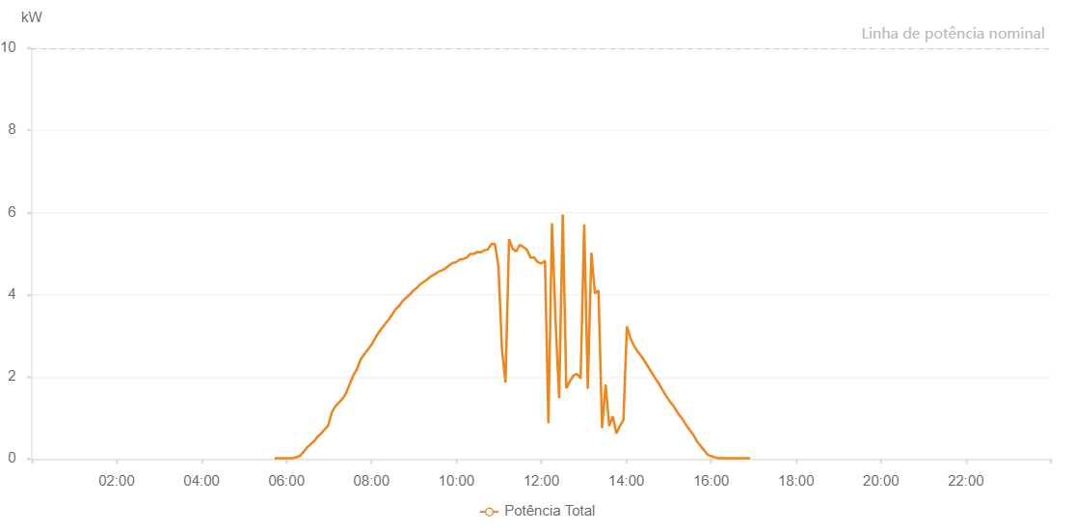

Number | Time | Working State | Alarm Code | Total Inverter Power(W)
1 | 11/06/2023 05:43:13 (UTC-4:00) | Normal |  | 20.000
2 | 11/06/2023 05:48:10 (UTC-4:00) | Normal |  | 20.000
3 | 11/06/2023 05:53:09 (UTC-4:00) | Normal |  | 20.000
4 | 11/06/2023 05:58:13 (UTC-4:00) | Normal |  | 20.000
5 | 11/06/2023 06:03:17 (UTC-4:00) | Normal |  | 20.000
6 | 11/06/2023 06:08:21 (UTC-4:00) | Normal |  | 20.000
7 | 11/06/2023 06:13:23 (UTC-4:00) | Normal |  | 40.000
8 | 11/06/2023 06:18:32 (UTC-4:00) | Normal |  | 70.000
9 | 11/06/2023 06:23:29 (UTC-4:00) | Normal |  | 160.000
10 | 11/06/2023 06:28:32 (UTC-4:00) | Normal |  | 270.000
11 | 11/06/2023 06:33:39 (UTC-4:00) | Normal |  | 350.000
12 | 11/06/2023 06:38:39 (UTC-4:00) | Normal |  | 430.000
13 | 11/06/2023 06:38:50 (UTC-4:00) | Normal |  | 430.000
14 | 11/06/2023 06:43:42 (UTC-4:00) | Normal |  | 540.000
15 | 11/06/2023 06:48:46 (UTC-4:00) | Normal |  | 620.000
16 | 11/06/2023 06:48:57 (UTC-4:00) | Normal |  | 620.000
17 | 11/06/2023 06:53:49 (UTC-4:00) | Normal |  | 720.000
18 | 11/06/2023 06:58:52 (UTC-4:00) | Normal |  | 810.000
19 | 11/06/2023 07:03:56 (UTC-4:00) | Normal |  | 1130.000
20 | 11/06/2023 07:08:58 (UTC-4:00) | Normal |  | 1280.000
21 | 11/06/2023 07:14:02 (UTC-4:00) | Normal |  | 1370.000
22 | 11/06/2023 07:19:04 (UTC-4:00) | Normal |  | 1470.000
23 | 11/06/2023 07:19:20 (UTC-4:00) | Normal |  | 1470.000
24 | 11/06/2023 07:24:08 (UTC-4:00) | Normal |  | 1600.000
25 | 11/06/2023 07:29:11 (UTC-4:00) | Normal |  | 1820.000
26 | 11/06/2023 07:34:15 (UTC-4:00) | Normal |  | 2030.000
27 | 11/06/2023 07:39:17 (UTC-4:00) | Normal |  | 2180.000
28 | 11/06/2023 07:44:21 (UTC-4:00) | Normal |  | 2410.000
29 | 11/06/2023 07:49:24 (UTC-4:00) | Normal |  | 2540.000
30 | 11/06/2023 07:54:23 (UTC-4:00) | Normal |  | 2650.000
31 | 11/06/2023 07:59:22 (UTC-4:00) | Normal |  | 2760.000
32 | 11/06/2023 08:04:25 (UTC-4:00) | Normal |  | 2910.000
33 | 11/06/2023 08:09:25 (UTC-4:00) | Normal |  | 3060.000
34 | 11/06/2023 08:14:24 (UTC-4:00) | Normal |  | 3180.000
35 | 11/06/2023 08:19:23 (UTC-4:00) | Normal |  | 3290.000
36 | 11/06/2023 08:24:23 (UTC-4:00) | Normal |  | 3390.000
37 | 11/06/2023 08:29:22 (UTC-4:00) | Normal |  | 3520.000
38 | 11/06/2023 08:34:21 (UTC-4:00) | Normal |  | 3650.000
39 | 11/06/2023 08:39:20 (UTC-4:00) | Normal |  | 3730.000
40 | 11/06/2023 08:44:19 (UTC-4:00) | Normal |  | 3850.000
41 | 11/06/2023 08:49:19 (UTC-4:00) | Normal |  | 3930.000
42 | 11/06/2023 08:54:20 (UTC-4:00) | Normal |  | 4010.000
43 | 11/06/2023 08:59:24 (UTC-4:00) | Normal |  | 4100.000
44 | 11/06/2023 09:04:26 (UTC-4:00) | Normal |  | 4170.000
45 | 11/06/2023 09:09:30 (UTC-4:00) | Normal |  | 4260.000
46 | 11/06/2023 09:14:33 (UTC-4:00) | Normal |  | 4320.000
47 | 11/06/2023 09:19:32 (UTC-4:00) | Normal |  | 4380.000
48 | 11/06/2023 09:24:34 (UTC-4:00) | Normal |  | 4450.000
49 | 11/06/2023 09:29:33 (UTC-4:00) | Normal |  | 4500.000
50 | 11/06/2023 09:34:34 (UTC-4:00) | Normal |  | 4560.000
51 | 11/06/2023 09:39:35 (UTC-4:00) | Normal |  | 4590.000
52 | 11/06/2023 09:44:34 (UTC-4:00) | Normal |  | 4640.000
53 | 11/06/2023 09:49:34 (UTC-4:00) | Normal |  | 4710.000
54 | 11/06/2023 09:54:33 (UTC-4:00) | Normal |  | 4770.000
55 | 11/06/2023 09:59:32 (UTC-4:00) | Normal |  | 4790.000
56 | 11/06/2023 10:04:31 (UTC-4:00) | Normal |  | 4850.000
57 | 11/06/2023 10:09:31 (UTC-4:00) | Normal |  | 4870.000
58 | 11/06/2023 10:14:31 (UTC-4:00) | Normal |  | 4900.000
59 | 11/06/2023 10:19:30 (UTC-4:00) | Normal |  | 4990.000
60 | 11/06/2023 10:24:30 (UTC-4:00) | Normal |  | 4990.000
61 | 11/06/2023 10:29:29 (UTC-4:00) | Normal |  | 5040.000
62 | 11/06/2023 10:34:28 (UTC-4:00) | Normal |  | 5030.000
63 | 11/06/2023 10:39:28 (UTC-4:00) | Normal |  | 5080.000
64 | 11/06/2023 10:44:27 (UTC-4:00) | Normal |  | 5100.000
65 | 11/06/2023 10:49:26 (UTC-4:00) | Normal |  | 5230.000
66 | 11/06/2023 10:54:25 (UTC-4:00) | Normal |  | 5240.000
67 | 11/06/2023 10:59:26 (UTC-4:00) | Normal |  | 4680.000
68 | 11/06/2023 11:04:25 (UTC-4:00) | Normal |  | 2650.000
69 | 11/06/2023 11:09:24 (UTC-4:00) | Normal |  | 1860.000
70 | 11/06/2023 11:14:25 (UTC-4:00) | Normal |  | 5350.000
71 | 11/06/2023 11:19:28 (UTC-4:00) | Normal |  | 5120.000
72 | 11/06/2023 11:24:31 (UTC-4:00) | Normal |  | 5050.000
73 | 11/06/2023 11:29:35 (UTC-4:00) | Normal |  | 5210.000
74 | 11/06/2023 11:34:37 (UTC-4:00) | Normal |  | 5160.000
75 | 11/06/2023 11:39:41 (UTC-4:00) | Normal |  | 5090.000
76 | 11/06/2023 11:44:43 (UTC-4:00) | Normal |  | 4900.000
77 | 11/06/2023 11:49:49 (UTC-4:00) | Normal |  | 4910.000
78 | 11/06/2023 11:54:51 (UTC-4:00) | Normal |  | 4790.000
79 | 11/06/2023 11:59:55 (UTC-4:00) | Normal |  | 4760.000
80 | 11/06/2023 12:04:59 (UTC-4:00) | Normal |  | 4820.000
81 | 11/06/2023 12:05:10 (UTC-4:00) | Normal |  | 4820.000
82 | 11/06/2023 12:10:02 (UTC-4:00) | Normal |  | 870.000
83 | 11/06/2023 12:15:04 (UTC-4:00) | Normal |  | 5740.000
84 | 11/06/2023 12:20:08 (UTC-4:00) | Normal |  | 3350.000
85 | 11/06/2023 12:25:12 (UTC-4:00) | Normal |  | 1480.000
86 | 11/06/2023 12:30:15 (UTC-4:00) | Normal |  | 5950.000
87 | 11/06/2023 12:35:18 (UTC-4:00) | Normal |  | 1720.000
88 | 11/06/2023 12:40:22 (UTC-4:00) | Normal |  | 1890.000
89 | 11/06/2023 12:45:26 (UTC-4:00) | Normal |  | 2030.000
90 | 11/06/2023 12:50:28 (UTC-4:00) | Normal |  | 2070.000
91 | 11/06/2023 12:55:32 (UTC-4:00) | Normal |  | 1960.000
92 | 11/06/2023 13:00:35 (UTC-4:00) | Normal |  | 5710.000
93 | 11/06/2023 13:05:39 (UTC-4:00) | Normal |  | 1710.000
94 | 11/06/2023 13:10:41 (UTC-4:00) | Normal |  | 5020.000
95 | 11/06/2023 13:15:45 (UTC-4:00) | Normal |  | 4030.000
96 | 11/06/2023 13:20:48 (UTC-4:00) | Normal |  | 4100.000
97 | 11/06/2023 13:25:52 (UTC-4:00) | Normal |  | 750.000
98 | 11/06/2023 13:30:55 (UTC-4:00) | Normal |  | 1810.000
99 | 11/06/2023 13:35:59 (UTC-4:00) | Normal |  | 800.000
100 | 11/06/2023 13:40:58 (UTC-4:00) | Normal |  | 1040.000
101 | 11/06/2023 13:45:57 (UTC-4:00) | Normal |  | 620.000
102 | 11/06/2023 13:50:57 (UTC-4:00) | Normal |  | 800.000
103 | 11/06/2023 13:55:56 (UTC-4:00) | Normal |  | 940.000
104 | 11/06/2023 14:00:55 (UTC-4:00) | Normal |  | 3230.000
105 | 11/06/2023 14:05:54 (UTC-4:00) | Normal |  | 2940.000
106 | 11/06/2023 14:10:54 (UTC-4:00) | Normal |  | 2760.000
107 | 11/06/2023 14:15:53 (UTC-4:00) | Normal |  | 2620.000
108 | 11/06/2023 14:20:55 (UTC-4:00) | Normal |  | 2510.000
109 | 11/06/2023 14:25:55 (UTC-4:00) | Normal |  | 2380.000
110 | 11/06/2023 14:31:02 (UTC-4:00) | Normal |  | 2240.000
111 | 11/06/2023 14:31:13 (UTC-4:00) | Normal |  | 2240.000
112 | 11/06/2023 14:35:56 (UTC-4:00) | Normal |  | 2100.000
113 | 11/06/2023 14:40:59 (UTC-4:00) | Normal |  | 1960.000
114 | 11/06/2023 14:46:02 (UTC-4:00) | Normal |  | 1840.000
115 | 11/06/2023 14:51:07 (UTC-4:00) | Normal |  | 1680.000
116 | 11/06/2023 14:56:09 (UTC-4:00) | Normal |  | 1540.000
117 | 11/06/2023 15:01:12 (UTC-4:00) | Normal |  | 1410.000
118 | 11/06/2023 15:06:16 (UTC-4:00) | Normal |  | 1300.000
119 | 11/06/2023 15:09:06 (UTC-4:00) | Normal |  | 1220.000
120 | 11/06/2023 15:14:23 (UTC-4:00) | Normal |  | 1080.000
121 | 11/06/2023 15:19:23 (UTC-4:00) | Normal |  | 970.000
122 | 11/06/2023 15:24:23 (UTC-4:00) | Normal |  | 830.000
123 | 11/06/2023 15:29:23 (UTC-4:00) | Normal |  | 710.000
124 | 11/06/2023 15:34:24 (UTC-4:00) | Normal |  | 600.000
125 | 11/06/2023 15:39:24 (UTC-4:00) | Normal |  | 440.000
126 | 11/06/2023 15:44:27 (UTC-4:00) | Normal |  | 330.000
127 | 11/06/2023 15:49:32 (UTC-4:00) | Normal |  | 220.000
128 | 11/06/2023 15:54:34 (UTC-4:00) | Normal |  | 110.000
129 | 11/06/2023 15:59:38 (UTC-4:00) | Normal |  | 70.000
130 | 11/06/2023 16:04:42 (UTC-4:00) | Normal |  | 40.000
131 | 11/06/2023 16:09:46 (UTC-4:00) | Normal |  | 20.000
132 | 11/06/2023 16:14:50 (UTC-4:00) | Normal |  | 20.000
133 | 11/06/2023 16:19:55 (UTC-4:00) | Normal |  | 20.000
134 | 11/06/2023 16:24:59 (UTC-4:00) | Normal |  | 20.000
135 | 11/06/2023 16:30:03 (UTC-4:00) | Normal |  | 20.000
136 | 11/06/2023 16:35:07 (UTC-4:00) | Normal |  | 20.000
137 | 11/06/2023 16:40:11 (UTC-4:00) | Normal |  | 20.000
138 | 11/06/2023 16:45:11 (UTC-4:00) | Normal |  | 20.000
139 | 11/06/2023 16:50:12 (UTC-4:00) | Normal |  | 20.000
140 | 11/06/2023 16:55:14 (UTC-4:00) | Normal |  | 20.000

