Inverter History Report__17-08-
Inverter History Report_14/06/2023_Report

Inverter SN:054B7020C020044 |  | Inverter type:B7
Collector SN:4045086367 |  | Full Load Hours(h):0.54
Rated Power:10000Wp

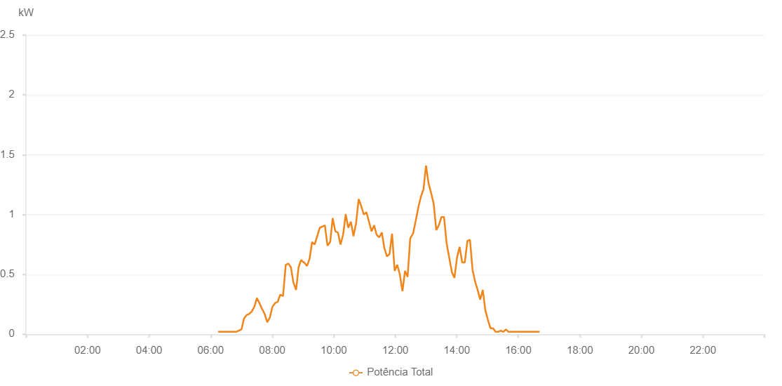

Number | Time | Working State | Alarm Code | Total Inverter Power(W)
1 | 14/06/2023 06:14:42 (UTC-4:00) | Normal |  | 20.000
2 | 14/06/2023 06:19:41 (UTC-4:00) | Normal |  | 20.000
3 | 14/06/2023 06:24:40 (UTC-4:00) | Normal |  | 20.000
4 | 14/06/2023 06:29:42 (UTC-4:00) | Normal |  | 20.000
5 | 14/06/2023 06:34:44 (UTC-4:00) | Normal |  | 20.000
6 | 14/06/2023 06:39:50 (UTC-4:00) | Normal |  | 20.000
7 | 14/06/2023 06:40:00 (UTC-4:00) | Normal |  | 20.000
8 | 14/06/2023 06:44:48 (UTC-4:00) | Normal |  | 20.000
9 | 14/06/2023 06:49:55 (UTC-4:00) | Normal |  | 20.000
10 | 14/06/2023 06:54:54 (UTC-4:00) | Normal |  | 30.000
11 | 14/06/2023 06:59:59 (UTC-4:00) | Normal |  | 40.000
12 | 14/06/2023 07:00:10 (UTC-4:00) | Normal |  | 40.000
13 | 14/06/2023 07:04:59 (UTC-4:00) | Normal |  | 130.000
14 | 14/06/2023 07:10:02 (UTC-4:00) | Normal |  | 160.000
15 | 14/06/2023 07:10:16 (UTC-4:00) | Normal |  | 160.000
16 | 14/06/2023 07:15:05 (UTC-4:00) | Normal |  | 170.000
17 | 14/06/2023 07:20:08 (UTC-4:00) | Normal |  | 190.000
18 | 14/06/2023 07:25:10 (UTC-4:00) | Normal |  | 230.000
19 | 14/06/2023 07:30:13 (UTC-4:00) | Normal |  | 300.000
20 | 14/06/2023 07:30:24 (UTC-4:00) | Normal |  | 300.000
21 | 14/06/2023 07:35:16 (UTC-4:00) | Normal |  | 260.000
22 | 14/06/2023 07:40:19 (UTC-4:00) | Normal |  | 210.000
23 | 14/06/2023 07:40:30 (UTC-4:00) | Normal |  | 210.000
24 | 14/06/2023 07:45:20 (UTC-4:00) | Normal |  | 170.000
25 | 14/06/2023 07:50:23 (UTC-4:00) | Normal |  | 100.000
26 | 14/06/2023 07:55:27 (UTC-4:00) | Normal |  | 140.000
27 | 14/06/2023 08:00:29 (UTC-4:00) | Normal |  | 230.000
28 | 14/06/2023 08:00:40 (UTC-4:00) | Normal |  | 230.000
29 | 14/06/2023 08:05:31 (UTC-4:00) | Normal |  | 260.000
30 | 14/06/2023 08:10:33 (UTC-4:00) | Normal |  | 270.000
31 | 14/06/2023 08:10:44 (UTC-4:00) | Normal |  | 270.000
32 | 14/06/2023 08:15:37 (UTC-4:00) | Normal |  | 330.000
33 | 14/06/2023 08:20:38 (UTC-4:00) | Normal |  | 320.000
34 | 14/06/2023 08:21:10 (UTC-4:00) | Normal |  | 320.000
35 | 14/06/2023 08:26:30 (UTC-4:00) | Normal |  | 580.000
36 | 14/06/2023 08:31:30 (UTC-4:00) | Normal |  | 590.000
37 | 14/06/2023 08:31:41 (UTC-4:00) | Normal |  | 590.000
38 | 14/06/2023 08:36:30 (UTC-4:00) | Normal |  | 560.000
39 | 14/06/2023 08:41:30 (UTC-4:00) | Normal |  | 430.000
40 | 14/06/2023 08:46:37 (UTC-4:00) | Normal |  | 370.000
41 | 14/06/2023 08:51:29 (UTC-4:00) | Normal |  | 560.000
42 | 14/06/2023 08:56:29 (UTC-4:00) | Normal |  | 620.000
43 | 14/06/2023 09:01:48 (UTC-4:00) | Normal |  | 600.000
44 | 14/06/2023 09:02:30 (UTC-4:00) | Normal |  | 600.000
45 | 14/06/2023 09:07:52 (UTC-4:00) | Normal |  | 570.000
46 | 14/06/2023 09:12:52 (UTC-4:00) | Normal |  | 630.000
47 | 14/06/2023 09:17:51 (UTC-4:00) | Normal |  | 770.000
48 | 14/06/2023 09:22:51 (UTC-4:00) | Normal |  | 750.000
49 | 14/06/2023 09:27:51 (UTC-4:00) | Normal |  | 820.000
50 | 14/06/2023 09:32:51 (UTC-4:00) | Normal |  | 890.000
51 | 14/06/2023 09:37:52 (UTC-4:00) | Normal |  | 900.000
52 | 14/06/2023 09:42:51 (UTC-4:00) | Normal |  | 910.000
53 | 14/06/2023 09:47:54 (UTC-4:00) | Normal |  | 740.000
54 | 14/06/2023 09:52:58 (UTC-4:00) | Normal |  | 770.000
55 | 14/06/2023 09:53:09 (UTC-4:00) | Normal |  | 770.000
56 | 14/06/2023 09:58:01 (UTC-4:00) | Normal |  | 970.000
57 | 14/06/2023 10:03:05 (UTC-4:00) | Normal |  | 860.000
58 | 14/06/2023 10:03:20 (UTC-4:00) | Normal |  | 860.000
59 | 14/06/2023 10:08:09 (UTC-4:00) | Normal |  | 850.000
60 | 14/06/2023 10:13:14 (UTC-4:00) | Normal |  | 750.000
61 | 14/06/2023 10:18:17 (UTC-4:00) | Normal |  | 830.000
62 | 14/06/2023 10:23:21 (UTC-4:00) | Normal |  | 1000.000
63 | 14/06/2023 10:23:32 (UTC-4:00) | Normal |  | 1000.000
64 | 14/06/2023 10:28:25 (UTC-4:00) | Normal |  | 890.000
65 | 14/06/2023 10:33:30 (UTC-4:00) | Normal |  | 940.000
66 | 14/06/2023 10:38:34 (UTC-4:00) | Normal |  | 820.000
67 | 14/06/2023 10:43:40 (UTC-4:00) | Normal |  | 930.000
68 | 14/06/2023 10:48:42 (UTC-4:00) | Normal |  | 1130.000
69 | 14/06/2023 10:53:45 (UTC-4:00) | Normal |  | 1070.000
70 | 14/06/2023 10:58:49 (UTC-4:00) | Normal |  | 1000.000
71 | 14/06/2023 11:03:49 (UTC-4:00) | Normal |  | 1020.000
72 | 14/06/2023 11:08:49 (UTC-4:00) | Normal |  | 940.000
73 | 14/06/2023 11:13:48 (UTC-4:00) | Normal |  | 860.000
74 | 14/06/2023 11:18:48 (UTC-4:00) | Normal |  | 910.000
75 | 14/06/2023 11:23:48 (UTC-4:00) | Normal |  | 830.000
76 | 14/06/2023 11:23:59 (UTC-4:00) | Normal |  | 830.000
77 | 14/06/2023 11:28:48 (UTC-4:00) | Normal |  | 810.000
78 | 14/06/2023 11:33:48 (UTC-4:00) | Normal |  | 850.000
79 | 14/06/2023 11:38:49 (UTC-4:00) | Normal |  | 720.000
80 | 14/06/2023 11:43:49 (UTC-4:00) | Normal |  | 650.000
81 | 14/06/2023 11:48:48 (UTC-4:00) | Normal |  | 670.000
82 | 14/06/2023 11:53:48 (UTC-4:00) | Normal |  | 840.000
83 | 14/06/2023 11:58:51 (UTC-4:00) | Normal |  | 530.000
84 | 14/06/2023 12:03:53 (UTC-4:00) | Normal |  | 580.000
85 | 14/06/2023 12:08:56 (UTC-4:00) | Normal |  | 500.000
86 | 14/06/2023 12:14:02 (UTC-4:00) | Normal |  | 360.000
87 | 14/06/2023 12:19:06 (UTC-4:00) | Normal |  | 530.000
88 | 14/06/2023 12:24:07 (UTC-4:00) | Normal |  | 480.000
89 | 14/06/2023 12:29:12 (UTC-4:00) | Normal |  | 800.000
90 | 14/06/2023 12:34:15 (UTC-4:00) | Normal |  | 840.000
91 | 14/06/2023 12:34:44 (UTC-4:00) | Normal |  | 840.000
92 | 14/06/2023 12:40:02 (UTC-4:00) | Normal |  | 950.000
93 | 14/06/2023 12:45:02 (UTC-4:00) | Normal |  | 1060.000
94 | 14/06/2023 12:50:01 (UTC-4:00) | Normal |  | 1150.000
95 | 14/06/2023 12:55:01 (UTC-4:00) | Normal |  | 1210.000
96 | 14/06/2023 13:00:00 (UTC-4:00) | Normal |  | 1410.000
97 | 14/06/2023 13:05:00 (UTC-4:00) | Normal |  | 1260.000
98 | 14/06/2023 13:09:59 (UTC-4:00) | Normal |  | 1180.000
99 | 14/06/2023 13:14:59 (UTC-4:00) | Normal |  | 1090.000
100 | 14/06/2023 13:19:58 (UTC-4:00) | Normal |  | 870.000
101 | 14/06/2023 13:25:00 (UTC-4:00) | Normal |  | 910.000
102 | 14/06/2023 13:30:05 (UTC-4:00) | Normal |  | 980.000
103 | 14/06/2023 13:35:07 (UTC-4:00) | Normal |  | 980.000
104 | 14/06/2023 13:40:11 (UTC-4:00) | Normal |  | 760.000
105 | 14/06/2023 13:45:15 (UTC-4:00) | Normal |  | 640.000
106 | 14/06/2023 13:50:23 (UTC-4:00) | Normal |  | 520.000
107 | 14/06/2023 13:55:23 (UTC-4:00) | Normal |  | 470.000
108 | 14/06/2023 14:00:25 (UTC-4:00) | Normal |  | 640.000
109 | 14/06/2023 14:05:28 (UTC-4:00) | Normal |  | 730.000
110 | 14/06/2023 14:10:35 (UTC-4:00) | Normal |  | 600.000
111 | 14/06/2023 14:15:36 (UTC-4:00) | Normal |  | 600.000
112 | 14/06/2023 14:20:44 (UTC-4:00) | Normal |  | 780.000
113 | 14/06/2023 14:25:42 (UTC-4:00) | Normal |  | 790.000
114 | 14/06/2023 14:30:42 (UTC-4:00) | Normal |  | 540.000
115 | 14/06/2023 14:35:41 (UTC-4:00) | Normal |  | 440.000
116 | 14/06/2023 14:40:41 (UTC-4:00) | Normal |  | 370.000
117 | 14/06/2023 14:45:40 (UTC-4:00) | Normal |  | 290.000
118 | 14/06/2023 14:50:43 (UTC-4:00) | Normal |  | 370.000
119 | 14/06/2023 14:55:42 (UTC-4:00) | Normal |  | 200.000
120 | 14/06/2023 15:00:42 (UTC-4:00) | Normal |  | 120.000
121 | 14/06/2023 15:05:41 (UTC-4:00) | Normal |  | 50.000
122 | 14/06/2023 15:10:41 (UTC-4:00) | Normal |  | 50.000
123 | 14/06/2023 15:15:40 (UTC-4:00) | Normal |  | 20.000
124 | 14/06/2023 15:20:40 (UTC-4:00) | Normal |  | 20.000
125 | 14/06/2023 15:25:40 (UTC-4:00) | Normal |  | 30.000
126 | 14/06/2023 15:30:44 (UTC-4:00) | Normal |  | 20.000
127 | 14/06/2023 15:35:48 (UTC-4:00) | Normal |  | 40.000
128 | 14/06/2023 15:40:51 (UTC-4:00) | Normal |  | 20.000
129 | 14/06/2023 15:45:54 (UTC-4:00) | Normal |  | 20.000
130 | 14/06/2023 15:50:58 (UTC-4:00) | Normal |  | 20.000
131 | 14/06/2023 15:56:02 (UTC-4:00) | Normal |  | 20.000
132 | 14/06/2023 16:01:04 (UTC-4:00) | Normal |  | 20.000
133 | 14/06/2023 16:06:08 (UTC-4:00) | Normal |  | 20.000
134 | 14/06/2023 16:11:11 (UTC-4:00) | Normal |  | 20.000
135 | 14/06/2023 16:16:16 (UTC-4:00) | Normal |  | 20.000
136 | 14/06/2023 16:21:18 (UTC-4:00) | Normal |  | 20.000
137 | 14/06/2023 16:26:24 (UTC-4:00) | Normal |  | 20.000
138 | 14/06/2023 16:31:25 (UTC-4:00) | Normal |  | 20.000
139 | 14/06/2023 16:36:30 (UTC-4:00) | Normal |  | 20.000
140 | 14/06/2023 16:41:32 (UTC-4:00) | Normal |  | 20.000

