Inverter History Report__17-08-
Inverter History Report_16/06/2023_Report

Inverter SN:054B7020C020044 |  | Inverter type:B7
Collector SN:4045086367 |  | Full Load Hours(h):1.45
Rated Power:10000Wp

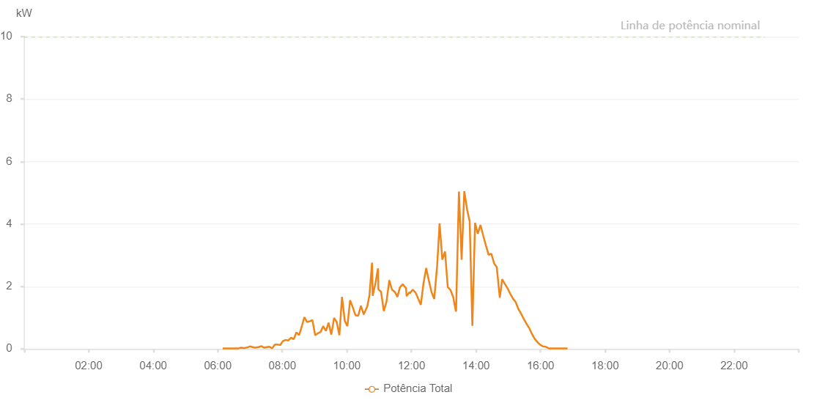

Number | Time | Working State | Alarm Code | Total Inverter Power(W)
1 | 16/06/2023 06:09:09 (UTC-4:00) | Normal |  | 20.000
2 | 16/06/2023 06:13:30 (UTC-4:00) | Normal |  | 20.000
3 | 16/06/2023 06:19:06 (UTC-4:00) | Normal |  | 20.000
4 | 16/06/2023 06:23:52 (UTC-4:00) | Normal |  | 20.000
5 | 16/06/2023 06:28:25 (UTC-4:00) | Normal |  | 20.000
6 | 16/06/2023 06:33:44 (UTC-4:00) | Normal |  | 20.000
7 | 16/06/2023 06:38:24 (UTC-4:00) | Normal |  | 20.000
8 | 16/06/2023 06:43:24 (UTC-4:00) | Normal |  | 40.000
9 | 16/06/2023 06:48:32 (UTC-4:00) | Normal |  | 30.000
10 | 16/06/2023 06:49:27 (UTC-4:00) | Normal |  | 30.000
11 | 16/06/2023 06:54:51 (UTC-4:00) | Normal |  | 50.000
12 | 16/06/2023 06:59:48 (UTC-4:00) | Normal |  | 80.000
13 | 16/06/2023 07:04:52 (UTC-4:00) | Normal |  | 60.000
14 | 16/06/2023 07:09:49 (UTC-4:00) | Normal |  | 40.000
15 | 16/06/2023 07:14:59 (UTC-4:00) | Normal |  | 60.000
16 | 16/06/2023 07:15:45 (UTC-4:00) | Normal |  | 60.000
17 | 16/06/2023 07:21:07 (UTC-4:00) | Normal |  | 90.000
18 | 16/06/2023 07:26:07 (UTC-4:00) | Normal |  | 40.000
19 | 16/06/2023 07:31:07 (UTC-4:00) | Normal |  | 60.000
20 | 16/06/2023 07:36:05 (UTC-4:00) | Normal |  | 70.000
21 | 16/06/2023 07:41:04 (UTC-4:00) | Normal |  | 20.000
22 | 16/06/2023 07:46:03 (UTC-4:00) | Normal |  | 140.000
23 | 16/06/2023 07:51:02 (UTC-4:00) | Normal |  | 140.000
24 | 16/06/2023 07:55:56 (UTC-4:00) | Normal |  | 130.000
25 | 16/06/2023 07:56:19 (UTC-4:00) | Normal |  | 130.000
26 | 16/06/2023 07:56:22 (UTC-4:00) | Normal |  | 130.000
27 | 16/06/2023 08:00:59 (UTC-4:00) | Normal |  | 250.000
28 | 16/06/2023 08:06:00 (UTC-4:00) | Normal |  | 290.000
29 | 16/06/2023 08:06:11 (UTC-4:00) | Normal |  | 290.000
30 | 16/06/2023 08:11:04 (UTC-4:00) | Normal |  | 270.000
31 | 16/06/2023 08:16:17 (UTC-4:00) | Normal |  | 360.000
32 | 16/06/2023 08:21:10 (UTC-4:00) | Normal |  | 310.000
33 | 16/06/2023 08:26:10 (UTC-4:00) | Normal |  | 530.000
34 | 16/06/2023 08:31:10 (UTC-4:00) | Normal |  | 440.000
35 | 16/06/2023 08:36:01 (UTC-4:00) | Normal |  | 710.000
36 | 16/06/2023 08:41:00 (UTC-4:00) | Normal |  | 1020.000
37 | 16/06/2023 08:46:01 (UTC-4:00) | Normal |  | 860.000
38 | 16/06/2023 08:50:58 (UTC-4:00) | Normal |  | 890.000
39 | 16/06/2023 08:56:00 (UTC-4:00) | Normal |  | 920.000
40 | 16/06/2023 09:01:06 (UTC-4:00) | Normal |  | 440.000
41 | 16/06/2023 09:05:59 (UTC-4:00) | Normal |  | 500.000
42 | 16/06/2023 09:11:04 (UTC-4:00) | Normal |  | 540.000
43 | 16/06/2023 09:16:03 (UTC-4:00) | Normal |  | 730.000
44 | 16/06/2023 09:21:06 (UTC-4:00) | Normal |  | 580.000
45 | 16/06/2023 09:26:05 (UTC-4:00) | Normal |  | 840.000
46 | 16/06/2023 09:31:04 (UTC-4:00) | Normal |  | 460.000
47 | 16/06/2023 09:36:16 (UTC-4:00) | Normal |  | 990.000
48 | 16/06/2023 09:41:04 (UTC-4:00) | Normal |  | 870.000
49 | 16/06/2023 09:46:04 (UTC-4:00) | Normal |  | 440.000
50 | 16/06/2023 09:51:00 (UTC-4:00) | Normal |  | 1670.000
51 | 16/06/2023 09:56:08 (UTC-4:00) | Normal |  | 900.000
52 | 16/06/2023 10:00:58 (UTC-4:00) | Normal |  | 730.000
53 | 16/06/2023 10:05:59 (UTC-4:00) | Normal |  | 1560.000
54 | 16/06/2023 10:10:55 (UTC-4:00) | Normal |  | 1340.000
55 | 16/06/2023 10:15:55 (UTC-4:00) | Normal |  | 1080.000
56 | 16/06/2023 10:16:06 (UTC-4:00) | Normal |  | 1080.000
57 | 16/06/2023 10:21:00 (UTC-4:00) | Normal |  | 1060.000
58 | 16/06/2023 10:26:10 (UTC-4:00) | Normal |  | 1380.000
59 | 16/06/2023 10:31:17 (UTC-4:00) | Normal |  | 1110.000
60 | 16/06/2023 10:31:21 (UTC-4:00) | Normal |  | 1110.000
61 | 16/06/2023 10:37:55 (UTC-4:00) | Normal |  | 1360.000
62 | 16/06/2023 10:41:58 (UTC-4:00) | Normal |  | 1710.000
63 | 16/06/2023 10:46:47 (UTC-4:00) | Normal |  | 2760.000
64 | 16/06/2023 10:48:01 (UTC-4:00) | Normal |  | 1700.000
65 | 16/06/2023 10:53:08 (UTC-4:00) | Normal |  | 2100.000
66 | 16/06/2023 10:57:52 (UTC-4:00) | Normal |  | 2580.000
67 | 16/06/2023 10:58:33 (UTC-4:00) | Normal |  | 1910.000
68 | 16/06/2023 11:03:36 (UTC-4:00) | Normal |  | 1830.000
69 | 16/06/2023 11:08:41 (UTC-4:00) | Normal |  | 1210.000
70 | 16/06/2023 11:13:47 (UTC-4:00) | Normal |  | 1520.000
71 | 16/06/2023 11:18:48 (UTC-4:00) | Normal |  | 2190.000
72 | 16/06/2023 11:18:59 (UTC-4:00) | Normal |  | 2190.000
73 | 16/06/2023 11:23:52 (UTC-4:00) | Normal |  | 1900.000
74 | 16/06/2023 11:29:30 (UTC-4:00) | Normal |  | 1820.000
75 | 16/06/2023 11:33:58 (UTC-4:00) | Normal |  | 1670.000
76 | 16/06/2023 11:39:03 (UTC-4:00) | Normal |  | 1990.000
77 | 16/06/2023 11:39:14 (UTC-4:00) | Normal |  | 1990.000
78 | 16/06/2023 11:44:07 (UTC-4:00) | Normal |  | 2070.000
79 | 16/06/2023 11:50:07 (UTC-4:00) | Normal |  | 1940.000
80 | 16/06/2023 11:50:42 (UTC-4:00) | Normal |  | 1760.000
81 | 16/06/2023 11:51:15 (UTC-4:00) | Normal |  | 1700.000
82 | 16/06/2023 11:51:26 (UTC-4:00) | Normal |  | 1700.000
83 | 16/06/2023 11:56:29 (UTC-4:00) | Normal |  | 1820.000
84 | 16/06/2023 11:56:55 (UTC-4:00) | Normal |  | 1780.000
85 | 16/06/2023 12:02:31 (UTC-4:00) | Normal |  | 1900.000
86 | 16/06/2023 12:07:30 (UTC-4:00) | Normal |  | 1810.000
87 | 16/06/2023 12:12:29 (UTC-4:00) | Normal |  | 1620.000
88 | 16/06/2023 12:17:28 (UTC-4:00) | Normal |  | 1410.000
89 | 16/06/2023 12:22:27 (UTC-4:00) | Normal |  | 2100.000
90 | 16/06/2023 12:27:27 (UTC-4:00) | Normal |  | 2590.000
91 | 16/06/2023 12:32:27 (UTC-4:00) | Normal |  | 2190.000
92 | 16/06/2023 12:37:26 (UTC-4:00) | Normal |  | 1820.000
93 | 16/06/2023 12:42:25 (UTC-4:00) | Normal |  | 1600.000
94 | 16/06/2023 12:47:24 (UTC-4:00) | Normal |  | 2580.000
95 | 16/06/2023 12:47:35 (UTC-4:00) | Normal |  | 2580.000
96 | 16/06/2023 12:52:24 (UTC-4:00) | Normal |  | 4020.000
97 | 16/06/2023 12:57:27 (UTC-4:00) | Normal |  | 2860.000
98 | 16/06/2023 13:02:30 (UTC-4:00) | Normal |  | 3120.000
99 | 16/06/2023 13:07:35 (UTC-4:00) | Normal |  | 1980.000
100 | 16/06/2023 13:12:38 (UTC-4:00) | Normal |  | 1890.000
101 | 16/06/2023 13:17:42 (UTC-4:00) | Normal |  | 1660.000
102 | 16/06/2023 13:22:44 (UTC-4:00) | Normal |  | 1200.000
103 | 16/06/2023 13:23:05 (UTC-4:00) | Normal |  | 1220.000
104 | 16/06/2023 13:28:21 (UTC-4:00) | Normal |  | 5040.000
105 | 16/06/2023 13:33:21 (UTC-4:00) | Normal |  | 2860.000
106 | 16/06/2023 13:38:20 (UTC-4:00) | Normal |  | 5050.000
107 | 16/06/2023 13:43:35 (UTC-4:00) | Normal |  | 4460.000
108 | 16/06/2023 13:48:20 (UTC-4:00) | Normal |  | 4080.000
109 | 16/06/2023 13:53:19 (UTC-4:00) | Normal |  | 740.000
110 | 16/06/2023 13:58:20 (UTC-4:00) | Normal |  | 4040.000
111 | 16/06/2023 14:03:23 (UTC-4:00) | Normal |  | 3690.000
112 | 16/06/2023 14:08:26 (UTC-4:00) | Normal |  | 3970.000
113 | 16/06/2023 14:13:30 (UTC-4:00) | Normal |  | 3630.000
114 | 16/06/2023 14:18:32 (UTC-4:00) | Normal |  | 3310.000
115 | 16/06/2023 14:23:38 (UTC-4:00) | Normal |  | 3010.000
116 | 16/06/2023 14:28:39 (UTC-4:00) | Normal |  | 3050.000
117 | 16/06/2023 14:33:43 (UTC-4:00) | Normal |  | 2740.000
118 | 16/06/2023 14:38:42 (UTC-4:00) | Normal |  | 2620.000
119 | 16/06/2023 14:44:21 (UTC-4:00) | Normal |  | 1640.000
120 | 16/06/2023 14:48:46 (UTC-4:00) | Normal |  | 2230.000
121 | 16/06/2023 14:53:48 (UTC-4:00) | Normal |  | 2080.000
122 | 16/06/2023 14:58:52 (UTC-4:00) | Normal |  | 1940.000
123 | 16/06/2023 15:03:51 (UTC-4:00) | Normal |  | 1760.000
124 | 16/06/2023 15:08:51 (UTC-4:00) | Normal |  | 1610.000
125 | 16/06/2023 15:13:51 (UTC-4:00) | Normal |  | 1500.000
126 | 16/06/2023 15:18:50 (UTC-4:00) | Normal |  | 1280.000
127 | 16/06/2023 15:23:56 (UTC-4:00) | Normal |  | 1130.000
128 | 16/06/2023 15:29:01 (UTC-4:00) | Normal |  | 960.000
129 | 16/06/2023 15:33:50 (UTC-4:00) | Normal |  | 810.000
130 | 16/06/2023 15:38:59 (UTC-4:00) | Normal |  | 670.000
131 | 16/06/2023 15:43:53 (UTC-4:00) | Normal |  | 490.000
132 | 16/06/2023 15:48:57 (UTC-4:00) | Normal |  | 330.000
133 | 16/06/2023 15:49:30 (UTC-4:00) | Normal |  | 320.000
134 | 16/06/2023 15:55:09 (UTC-4:00) | Normal |  | 200.000
135 | 16/06/2023 15:55:11 (UTC-4:00) | Normal |  | 200.000
136 | 16/06/2023 15:59:54 (UTC-4:00) | Normal |  | 130.000
137 | 16/06/2023 16:04:53 (UTC-4:00) | Normal |  | 80.000
138 | 16/06/2023 16:09:54 (UTC-4:00) | Normal |  | 70.000
139 | 16/06/2023 16:15:23 (UTC-4:00) | Normal |  | 20.000
140 | 16/06/2023 16:19:53 (UTC-4:00) | Normal |  | 20.000
141 | 16/06/2023 16:24:53 (UTC-4:00) | Normal |  | 20.000
142 | 16/06/2023 16:29:55 (UTC-4:00) | Normal |  | 20.000
143 | 16/06/2023 16:35:01 (UTC-4:00) | Normal |  | 20.000
144 | 16/06/2023 16:40:03 (UTC-4:00) | Normal |  | 20.000
145 | 16/06/2023 16:45:09 (UTC-4:00) | Normal |  | 20.000
146 | 16/06/2023 16:50:14 (UTC-4:00) | Normal |  | 20.000

