Inverter History Report__17-08-
Inverter History Report_17/06/2023_Report

Inverter SN:054B7020C020044 |  | Inverter type:B7
Collector SN:4045086367 |  | Full Load Hours(h):2.84
Rated Power:10000Wp

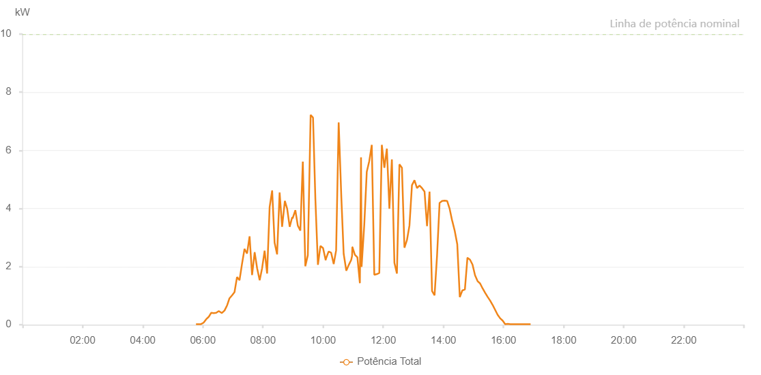

Number | Time | Working State | Alarm Code | Total Inverter Power(W)
1 | 17/06/2023 05:46:23 (UTC-4:00) | Normal |  | 20.000
2 | 17/06/2023 05:51:18 (UTC-4:00) | Normal |  | 20.000
3 | 17/06/2023 05:56:18 (UTC-4:00) | Normal |  | 20.000
4 | 17/06/2023 06:01:30 (UTC-4:00) | Normal |  | 70.000
5 | 17/06/2023 06:06:43 (UTC-4:00) | Normal |  | 190.000
6 | 17/06/2023 06:11:38 (UTC-4:00) | Normal |  | 270.000
7 | 17/06/2023 06:11:40 (UTC-4:00) | Normal |  | 270.000
8 | 17/06/2023 06:11:53 (UTC-4:00) | Normal |  | 270.000
9 | 17/06/2023 06:16:37 (UTC-4:00) | Normal |  | 410.000
10 | 17/06/2023 06:21:39 (UTC-4:00) | Normal |  | 400.000
11 | 17/06/2023 06:26:43 (UTC-4:00) | Normal |  | 410.000
12 | 17/06/2023 06:31:48 (UTC-4:00) | Normal |  | 470.000
13 | 17/06/2023 06:37:06 (UTC-4:00) | Normal |  | 410.000
14 | 17/06/2023 06:37:53 (UTC-4:00) | Normal |  | 400.000
15 | 17/06/2023 06:43:21 (UTC-4:00) | Normal |  | 490.000
16 | 17/06/2023 06:48:29 (UTC-4:00) | Normal |  | 670.000
17 | 17/06/2023 06:48:31 (UTC-4:00) | Normal |  | 670.000
18 | 17/06/2023 06:53:12 (UTC-4:00) | Normal |  | 910.000
19 | 17/06/2023 06:58:13 (UTC-4:00) | Normal |  | 1010.000
20 | 17/06/2023 07:03:12 (UTC-4:00) | Normal |  | 1120.000
21 | 17/06/2023 07:08:13 (UTC-4:00) | Normal |  | 1640.000
22 | 17/06/2023 07:13:11 (UTC-4:00) | Normal |  | 1530.000
23 | 17/06/2023 07:18:10 (UTC-4:00) | Normal |  | 2090.000
24 | 17/06/2023 07:23:11 (UTC-4:00) | Normal |  | 2610.000
25 | 17/06/2023 07:28:13 (UTC-4:00) | Normal |  | 2450.000
26 | 17/06/2023 07:33:17 (UTC-4:00) | Normal |  | 3040.000
27 | 17/06/2023 07:38:17 (UTC-4:00) | Normal |  | 1710.000
28 | 17/06/2023 07:43:20 (UTC-4:00) | Normal |  | 2480.000
29 | 17/06/2023 07:43:31 (UTC-4:00) | Normal |  | 2480.000
30 | 17/06/2023 07:48:22 (UTC-4:00) | Normal |  | 1940.000
31 | 17/06/2023 07:53:25 (UTC-4:00) | Normal |  | 1530.000
32 | 17/06/2023 07:58:20 (UTC-4:00) | Normal |  | 1950.000
33 | 17/06/2023 08:03:18 (UTC-4:00) | Normal |  | 2550.000
34 | 17/06/2023 08:08:17 (UTC-4:00) | Normal |  | 1760.000
35 | 17/06/2023 08:13:19 (UTC-4:00) | Normal |  | 4050.000
36 | 17/06/2023 08:18:21 (UTC-4:00) | Normal |  | 4620.000
37 | 17/06/2023 08:23:13 (UTC-4:00) | Normal |  | 2820.000
38 | 17/06/2023 08:28:12 (UTC-4:00) | Normal |  | 2420.000
39 | 17/06/2023 08:33:14 (UTC-4:00) | Normal |  | 4550.000
40 | 17/06/2023 08:38:13 (UTC-4:00) | Normal |  | 3370.000
41 | 17/06/2023 08:43:42 (UTC-4:00) | Normal |  | 4260.000
42 | 17/06/2023 08:48:19 (UTC-4:00) | Normal |  | 3990.000
43 | 17/06/2023 08:53:21 (UTC-4:00) | Normal |  | 3370.000
44 | 17/06/2023 08:58:23 (UTC-4:00) | Normal |  | 3700.000
45 | 17/06/2023 08:59:13 (UTC-4:00) | Normal |  | 3660.000
46 | 17/06/2023 09:04:37 (UTC-4:00) | Normal |  | 3940.000
47 | 17/06/2023 09:09:34 (UTC-4:00) | Normal |  | 3410.000
48 | 17/06/2023 09:14:36 (UTC-4:00) | Normal |  | 3240.000
49 | 17/06/2023 09:19:33 (UTC-4:00) | Normal |  | 5610.000
50 | 17/06/2023 09:24:32 (UTC-4:00) | Normal |  | 2010.000
51 | 17/06/2023 09:29:31 (UTC-4:00) | Normal |  | 2390.000
52 | 17/06/2023 09:35:09 (UTC-4:00) | Normal |  | 7220.000
53 | 17/06/2023 09:39:48 (UTC-4:00) | Normal |  | 7130.000
54 | 17/06/2023 09:39:55 (UTC-4:00) | Normal |  | 7130.000
55 | 17/06/2023 09:44:36 (UTC-4:00) | Normal |  | 4330.000
56 | 17/06/2023 09:49:42 (UTC-4:00) | Normal |  | 2060.000
57 | 17/06/2023 09:54:45 (UTC-4:00) | Normal |  | 2710.000
58 | 17/06/2023 09:59:53 (UTC-4:00) | Normal |  | 2640.000
59 | 17/06/2023 10:05:14 (UTC-4:00) | Normal |  | 2220.000
60 | 17/06/2023 10:05:40 (UTC-4:00) | Normal |  | 2270.000
61 | 17/06/2023 10:11:03 (UTC-4:00) | Normal |  | 2520.000
62 | 17/06/2023 10:16:02 (UTC-4:00) | Normal |  | 2480.000
63 | 17/06/2023 10:21:11 (UTC-4:00) | Normal |  | 2090.000
64 | 17/06/2023 10:26:02 (UTC-4:00) | Normal |  | 2560.000
65 | 17/06/2023 10:31:06 (UTC-4:00) | Normal |  | 6960.000
66 | 17/06/2023 10:36:24 (UTC-4:00) | Normal |  | 4390.000
67 | 17/06/2023 10:41:06 (UTC-4:00) | Normal |  | 2440.000
68 | 17/06/2023 10:46:21 (UTC-4:00) | Normal |  | 1860.000
69 | 17/06/2023 10:51:04 (UTC-4:00) | Normal |  | 2050.000
70 | 17/06/2023 10:56:08 (UTC-4:00) | Normal |  | 2230.000
71 | 17/06/2023 10:57:53 (UTC-4:00) | Normal |  | 2370.000
72 | 17/06/2023 10:58:23 (UTC-4:00) | Normal |  | 2670.000
73 | 17/06/2023 10:58:35 (UTC-4:00) | Normal |  | 2670.000
74 | 17/06/2023 11:03:25 (UTC-4:00) | Normal |  | 2410.000
75 | 17/06/2023 11:08:27 (UTC-4:00) | Normal |  | 2320.000
76 | 17/06/2023 11:13:27 (UTC-4:00) | Normal |  | 1430.000
77 | 17/06/2023 11:15:44 (UTC-4:00) | Normal |  | 5760.000
78 | 17/06/2023 11:16:51 (UTC-4:00) | Normal |  | 1990.000
79 | 17/06/2023 11:22:11 (UTC-4:00) | Normal |  | 3440.000
80 | 17/06/2023 11:27:11 (UTC-4:00) | Normal |  | 5260.000
81 | 17/06/2023 11:32:11 (UTC-4:00) | Normal |  | 5630.000
82 | 17/06/2023 11:37:12 (UTC-4:00) | Normal |  | 6190.000
83 | 17/06/2023 11:42:12 (UTC-4:00) | Normal |  | 1720.000
84 | 17/06/2023 11:47:12 (UTC-4:00) | Normal |  | 1740.000
85 | 17/06/2023 11:52:12 (UTC-4:00) | Normal |  | 1780.000
86 | 17/06/2023 11:57:15 (UTC-4:00) | Normal |  | 6190.000
87 | 17/06/2023 12:02:19 (UTC-4:00) | Normal |  | 5400.000
88 | 17/06/2023 12:07:19 (UTC-4:00) | Normal |  | 6060.000
89 | 17/06/2023 12:12:19 (UTC-4:00) | Normal |  | 3990.000
90 | 17/06/2023 12:17:19 (UTC-4:00) | Normal |  | 5690.000
91 | 17/06/2023 12:22:21 (UTC-4:00) | Normal |  | 2130.000
92 | 17/06/2023 12:27:22 (UTC-4:00) | Normal |  | 1760.000
93 | 17/06/2023 12:32:22 (UTC-4:00) | Normal |  | 5520.000
94 | 17/06/2023 12:37:22 (UTC-4:00) | Normal |  | 5400.000
95 | 17/06/2023 12:42:23 (UTC-4:00) | Normal |  | 2650.000
96 | 17/06/2023 12:47:23 (UTC-4:00) | Normal |  | 2910.000
97 | 17/06/2023 12:52:23 (UTC-4:00) | Normal |  | 3410.000
98 | 17/06/2023 12:57:23 (UTC-4:00) | Normal |  | 4800.000
99 | 17/06/2023 13:02:24 (UTC-4:00) | Normal |  | 4970.000
100 | 17/06/2023 13:07:28 (UTC-4:00) | Normal |  | 4700.000
101 | 17/06/2023 13:12:28 (UTC-4:00) | Normal |  | 4790.000
102 | 17/06/2023 13:17:28 (UTC-4:00) | Normal |  | 4700.000
103 | 17/06/2023 13:22:29 (UTC-4:00) | Normal |  | 4580.000
104 | 17/06/2023 13:27:29 (UTC-4:00) | Normal |  | 3390.000
105 | 17/06/2023 13:32:29 (UTC-4:00) | Normal |  | 4580.000
106 | 17/06/2023 13:37:29 (UTC-4:00) | Normal |  | 1160.000
107 | 17/06/2023 13:42:29 (UTC-4:00) | Normal |  | 1010.000
108 | 17/06/2023 13:47:29 (UTC-4:00) | Normal |  | 2380.000
109 | 17/06/2023 13:52:31 (UTC-4:00) | Normal |  | 4190.000
110 | 17/06/2023 13:57:31 (UTC-4:00) | Normal |  | 4260.000
111 | 17/06/2023 14:02:31 (UTC-4:00) | Normal |  | 4270.000
112 | 17/06/2023 14:07:33 (UTC-4:00) | Normal |  | 4260.000
113 | 17/06/2023 14:12:36 (UTC-4:00) | Normal |  | 3990.000
114 | 17/06/2023 14:17:41 (UTC-4:00) | Normal |  | 3570.000
115 | 17/06/2023 14:17:52 (UTC-4:00) | Normal |  | 3570.000
116 | 17/06/2023 14:22:44 (UTC-4:00) | Normal |  | 3230.000
117 | 17/06/2023 14:27:49 (UTC-4:00) | Normal |  | 2770.000
118 | 17/06/2023 14:32:52 (UTC-4:00) | Normal |  | 950.000
119 | 17/06/2023 14:37:57 (UTC-4:00) | Normal |  | 1180.000
120 | 17/06/2023 14:43:01 (UTC-4:00) | Normal |  | 1210.000
121 | 17/06/2023 14:48:06 (UTC-4:00) | Normal |  | 2300.000
122 | 17/06/2023 14:48:17 (UTC-4:00) | Normal |  | 2300.000
123 | 17/06/2023 14:53:09 (UTC-4:00) | Normal |  | 2240.000
124 | 17/06/2023 14:58:13 (UTC-4:00) | Normal |  | 2070.000
125 | 17/06/2023 15:03:17 (UTC-4:00) | Normal |  | 1700.000
126 | 17/06/2023 15:08:23 (UTC-4:00) | Normal |  | 1500.000
127 | 17/06/2023 15:13:23 (UTC-4:00) | Normal |  | 1420.000
128 | 17/06/2023 15:18:23 (UTC-4:00) | Normal |  | 1250.000
129 | 17/06/2023 15:23:23 (UTC-4:00) | Normal |  | 1100.000
130 | 17/06/2023 15:28:23 (UTC-4:00) | Normal |  | 960.000
131 | 17/06/2023 15:33:24 (UTC-4:00) | Normal |  | 830.000
132 | 17/06/2023 15:38:26 (UTC-4:00) | Normal |  | 680.000
133 | 17/06/2023 15:43:26 (UTC-4:00) | Normal |  | 510.000
134 | 17/06/2023 15:48:26 (UTC-4:00) | Normal |  | 340.000
135 | 17/06/2023 15:53:26 (UTC-4:00) | Normal |  | 220.000
136 | 17/06/2023 15:58:27 (UTC-4:00) | Normal |  | 140.000
137 | 17/06/2023 16:03:27 (UTC-4:00) | Normal |  | 20.000
138 | 17/06/2023 16:08:32 (UTC-4:00) | Normal |  | 30.000
139 | 17/06/2023 16:13:37 (UTC-4:00) | Normal |  | 20.000
140 | 17/06/2023 16:18:41 (UTC-4:00) | Normal |  | 20.000
141 | 17/06/2023 16:23:45 (UTC-4:00) | Normal |  | 20.000
142 | 17/06/2023 16:28:50 (UTC-4:00) | Normal |  | 20.000
143 | 17/06/2023 16:33:53 (UTC-4:00) | Normal |  | 20.000
144 | 17/06/2023 16:38:57 (UTC-4:00) | Normal |  | 20.000
145 | 17/06/2023 16:44:01 (UTC-4:00) | Normal |  | 20.000
146 | 17/06/2023 16:49:07 (UTC-4:00) | Normal |  | 20.000
147 | 17/06/2023 16:54:10 (UTC-4:00) | Normal |  | 20.000

