Inverter History Report__17-08-
Inverter History Report_21/06/2023_Report

Inverter SN:054B7020C020044 |  | Inverter type:B7
Collector SN:4045086367 |  | Full Load Hours(h):3.37
Rated Power:10000Wp

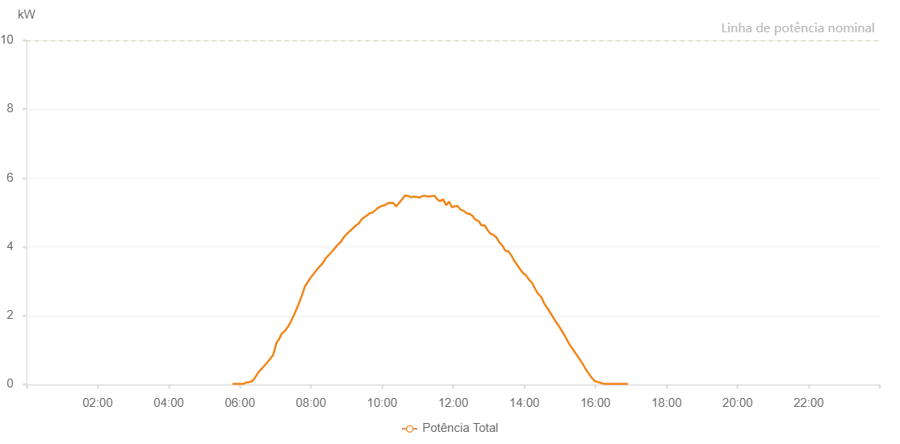

Number | Time | Working State | Alarm Code | Total Inverter Power(W)
1 | 21/06/2023 05:47:37 (UTC-4:00) | Normal |  | 20.000
2 | 21/06/2023 05:52:40 (UTC-4:00) | Normal |  | 20.000
3 | 21/06/2023 05:58:23 (UTC-4:00) | Normal |  | 20.000
4 | 21/06/2023 06:03:34 (UTC-4:00) | Normal |  | 20.000
5 | 21/06/2023 06:08:04 (UTC-4:00) | Normal |  | 30.000
6 | 21/06/2023 06:11:15 (UTC-4:00) | Normal |  | 60.000
7 | 21/06/2023 06:16:25 (UTC-4:00) | Normal |  | 70.000
8 | 21/06/2023 06:21:13 (UTC-4:00) | Normal |  | 100.000
9 | 21/06/2023 06:26:23 (UTC-4:00) | Normal |  | 220.000
10 | 21/06/2023 06:31:27 (UTC-4:00) | Normal |  | 360.000
11 | 21/06/2023 06:37:29 (UTC-4:00) | Normal |  | 470.000
12 | 21/06/2023 06:41:01 (UTC-4:00) | Normal |  | 540.000
13 | 21/06/2023 06:46:10 (UTC-4:00) | Normal |  | 640.000
14 | 21/06/2023 06:50:51 (UTC-4:00) | Normal |  | 740.000
15 | 21/06/2023 06:56:13 (UTC-4:00) | Normal |  | 860.000
16 | 21/06/2023 07:01:49 (UTC-4:00) | Normal |  | 1210.000
17 | 21/06/2023 07:06:34 (UTC-4:00) | Normal |  | 1330.000
18 | 21/06/2023 07:10:46 (UTC-4:00) | Normal |  | 1480.000
19 | 21/06/2023 07:15:03 (UTC-4:00) | Normal |  | 1540.000
20 | 21/06/2023 07:21:02 (UTC-4:00) | Normal |  | 1670.000
21 | 21/06/2023 07:26:57 (UTC-4:00) | Normal |  | 1860.000
22 | 21/06/2023 07:31:36 (UTC-4:00) | Normal |  | 2030.000
23 | 21/06/2023 07:37:04 (UTC-4:00) | Normal |  | 2250.000
24 | 21/06/2023 07:40:23 (UTC-4:00) | Normal |  | 2390.000
25 | 21/06/2023 07:44:51 (UTC-4:00) | Normal |  | 2600.000
26 | 21/06/2023 07:49:52 (UTC-4:00) | Normal |  | 2850.000
27 | 21/06/2023 07:54:56 (UTC-4:00) | Normal |  | 2990.000
28 | 21/06/2023 08:00:38 (UTC-4:00) | Normal |  | 3130.000
29 | 21/06/2023 08:04:48 (UTC-4:00) | Normal |  | 3220.000
30 | 21/06/2023 08:10:06 (UTC-4:00) | Normal |  | 3340.000
31 | 21/06/2023 08:15:10 (UTC-4:00) | Normal |  | 3440.000
32 | 21/06/2023 08:19:39 (UTC-4:00) | Normal |  | 3520.000
33 | 21/06/2023 08:24:26 (UTC-4:00) | Normal |  | 3660.000
34 | 21/06/2023 08:30:10 (UTC-4:00) | Normal |  | 3760.000
35 | 21/06/2023 08:35:17 (UTC-4:00) | Normal |  | 3860.000
36 | 21/06/2023 08:39:49 (UTC-4:00) | Normal |  | 3950.000
37 | 21/06/2023 08:44:32 (UTC-4:00) | Normal |  | 4050.000
38 | 21/06/2023 08:50:10 (UTC-4:00) | Normal |  | 4140.000
39 | 21/06/2023 08:54:18 (UTC-4:00) | Normal |  | 4250.000
40 | 21/06/2023 09:00:09 (UTC-4:00) | Normal |  | 4370.000
41 | 21/06/2023 09:05:04 (UTC-4:00) | Normal |  | 4450.000
42 | 21/06/2023 09:09:29 (UTC-4:00) | Normal |  | 4520.000
43 | 21/06/2023 09:15:07 (UTC-4:00) | Normal |  | 4610.000
44 | 21/06/2023 09:20:42 (UTC-4:00) | Normal |  | 4680.000
45 | 21/06/2023 09:25:27 (UTC-4:00) | Normal |  | 4800.000
46 | 21/06/2023 09:30:07 (UTC-4:00) | Normal |  | 4860.000
47 | 21/06/2023 09:36:03 (UTC-4:00) | Normal |  | 4930.000
48 | 21/06/2023 09:39:08 (UTC-4:00) | Normal |  | 4980.000
49 | 21/06/2023 09:43:30 (UTC-4:00) | Normal |  | 4990.000
50 | 21/06/2023 09:49:01 (UTC-4:00) | Normal |  | 5070.000
51 | 21/06/2023 09:54:32 (UTC-4:00) | Normal |  | 5150.000
52 | 21/06/2023 09:59:36 (UTC-4:00) | Normal |  | 5190.000
53 | 21/06/2023 10:03:47 (UTC-4:00) | Normal |  | 5200.000
54 | 21/06/2023 10:08:47 (UTC-4:00) | Normal |  | 5260.000
55 | 21/06/2023 10:13:32 (UTC-4:00) | Normal |  | 5280.000
56 | 21/06/2023 10:18:57 (UTC-4:00) | Normal |  | 5270.000
57 | 21/06/2023 10:24:03 (UTC-4:00) | Normal |  | 5170.000
58 | 21/06/2023 10:28:16 (UTC-4:00) | Normal |  | 5270.000
59 | 21/06/2023 10:34:14 (UTC-4:00) | Normal |  | 5390.000
60 | 21/06/2023 10:38:27 (UTC-4:00) | Normal |  | 5490.000
61 | 21/06/2023 10:44:01 (UTC-4:00) | Normal |  | 5480.000
62 | 21/06/2023 10:49:00 (UTC-4:00) | Normal |  | 5440.000
63 | 21/06/2023 10:53:47 (UTC-4:00) | Normal |  | 5460.000
64 | 21/06/2023 10:58:41 (UTC-4:00) | Normal |  | 5450.000
65 | 21/06/2023 11:03:57 (UTC-4:00) | Normal |  | 5430.000
66 | 21/06/2023 11:08:06 (UTC-4:00) | Normal |  | 5480.000
67 | 21/06/2023 11:13:37 (UTC-4:00) | Normal |  | 5480.000
68 | 21/06/2023 11:18:45 (UTC-4:00) | Normal |  | 5460.000
69 | 21/06/2023 11:23:43 (UTC-4:00) | Normal |  | 5480.000
70 | 21/06/2023 11:28:30 (UTC-4:00) | Normal |  | 5480.000
71 | 21/06/2023 11:33:46 (UTC-4:00) | Normal |  | 5370.000
72 | 21/06/2023 11:37:42 (UTC-4:00) | Normal |  | 5330.000
73 | 21/06/2023 11:42:57 (UTC-4:00) | Normal |  | 5380.000
74 | 21/06/2023 11:48:06 (UTC-4:00) | Normal |  | 5210.000
75 | 21/06/2023 11:53:14 (UTC-4:00) | Normal |  | 5310.000
76 | 21/06/2023 11:57:50 (UTC-4:00) | Normal |  | 5150.000
77 | 21/06/2023 12:03:05 (UTC-4:00) | Normal |  | 5180.000
78 | 21/06/2023 12:07:18 (UTC-4:00) | Normal |  | 5190.000
79 | 21/06/2023 12:12:24 (UTC-4:00) | Normal |  | 5080.000
80 | 21/06/2023 12:18:04 (UTC-4:00) | Normal |  | 5040.000
81 | 21/06/2023 12:23:25 (UTC-4:00) | Normal |  | 4970.000
82 | 21/06/2023 12:28:28 (UTC-4:00) | Normal |  | 4950.000
83 | 21/06/2023 12:33:14 (UTC-4:00) | Normal |  | 4890.000
84 | 21/06/2023 12:36:10 (UTC-4:00) | Normal |  | 4810.000
85 | 21/06/2023 12:37:44 (UTC-4:00) | Normal |  | 4790.000
86 | 21/06/2023 12:42:48 (UTC-4:00) | Normal |  | 4750.000
87 | 21/06/2023 12:47:54 (UTC-4:00) | Normal |  | 4620.000
88 | 21/06/2023 12:52:54 (UTC-4:00) | Normal |  | 4630.000
89 | 21/06/2023 12:58:44 (UTC-4:00) | Normal |  | 4470.000
90 | 21/06/2023 13:02:57 (UTC-4:00) | Normal |  | 4380.000
91 | 21/06/2023 13:08:04 (UTC-4:00) | Normal |  | 4350.000
92 | 21/06/2023 13:12:56 (UTC-4:00) | Normal |  | 4270.000
93 | 21/06/2023 13:17:55 (UTC-4:00) | Normal |  | 4130.000
94 | 21/06/2023 13:22:55 (UTC-4:00) | Normal |  | 4040.000
95 | 21/06/2023 13:27:54 (UTC-4:00) | Normal |  | 3890.000
96 | 21/06/2023 13:32:54 (UTC-4:00) | Normal |  | 3870.000
97 | 21/06/2023 13:37:54 (UTC-4:00) | Normal |  | 3760.000
98 | 21/06/2023 13:42:53 (UTC-4:00) | Normal |  | 3600.000
99 | 21/06/2023 13:47:53 (UTC-4:00) | Normal |  | 3480.000
100 | 21/06/2023 13:52:58 (UTC-4:00) | Normal |  | 3350.000
101 | 21/06/2023 13:58:07 (UTC-4:00) | Normal |  | 3230.000
102 | 21/06/2023 14:03:03 (UTC-4:00) | Normal |  | 3170.000
103 | 21/06/2023 14:08:06 (UTC-4:00) | Normal |  | 3040.000
104 | 21/06/2023 14:08:16 (UTC-4:00) | Normal |  | 3040.000
105 | 21/06/2023 14:13:16 (UTC-4:00) | Normal |  | 2950.000
106 | 21/06/2023 14:18:13 (UTC-4:00) | Normal |  | 2780.000
107 | 21/06/2023 14:18:16 (UTC-4:00) | Normal |  | 2780.000
108 | 21/06/2023 14:23:16 (UTC-4:00) | Normal |  | 2630.000
109 | 21/06/2023 14:28:19 (UTC-4:00) | Normal |  | 2550.000
110 | 21/06/2023 14:28:30 (UTC-4:00) | Normal |  | 2550.000
111 | 21/06/2023 14:33:25 (UTC-4:00) | Normal |  | 2360.000
112 | 21/06/2023 14:38:19 (UTC-4:00) | Normal |  | 2230.000
113 | 21/06/2023 14:38:30 (UTC-4:00) | Normal |  | 2230.000
114 | 21/06/2023 14:43:18 (UTC-4:00) | Normal |  | 2100.000
115 | 21/06/2023 14:48:18 (UTC-4:00) | Normal |  | 1960.000
116 | 21/06/2023 14:53:17 (UTC-4:00) | Normal |  | 1820.000
117 | 21/06/2023 14:58:18 (UTC-4:00) | Normal |  | 1700.000
118 | 21/06/2023 15:03:16 (UTC-4:00) | Normal |  | 1560.000
119 | 21/06/2023 15:08:16 (UTC-4:00) | Normal |  | 1420.000
120 | 21/06/2023 15:13:15 (UTC-4:00) | Normal |  | 1260.000
121 | 21/06/2023 15:18:15 (UTC-4:00) | Normal |  | 1110.000
122 | 21/06/2023 15:23:17 (UTC-4:00) | Normal |  | 990.000
123 | 21/06/2023 15:28:21 (UTC-4:00) | Normal |  | 860.000
124 | 21/06/2023 15:28:46 (UTC-4:00) | Normal |  | 860.000
125 | 21/06/2023 15:33:32 (UTC-4:00) | Normal |  | 730.000
126 | 21/06/2023 15:38:28 (UTC-4:00) | Normal |  | 600.000
127 | 21/06/2023 15:38:39 (UTC-4:00) | Normal |  | 600.000
128 | 21/06/2023 15:43:40 (UTC-4:00) | Normal |  | 440.000
129 | 21/06/2023 15:48:36 (UTC-4:00) | Normal |  | 320.000
130 | 21/06/2023 15:53:39 (UTC-4:00) | Normal |  | 200.000
131 | 21/06/2023 15:58:44 (UTC-4:00) | Normal |  | 100.000
132 | 21/06/2023 16:03:47 (UTC-4:00) | Normal |  | 70.000
133 | 21/06/2023 16:08:49 (UTC-4:00) | Normal |  | 50.000
134 | 21/06/2023 16:09:00 (UTC-4:00) | Normal |  | 50.000
135 | 21/06/2023 16:09:25 (UTC-4:00) | Normal |  | 40.000
136 | 21/06/2023 16:14:54 (UTC-4:00) | Normal |  | 20.000
137 | 21/06/2023 16:19:52 (UTC-4:00) | Normal |  | 20.000
138 | 21/06/2023 16:24:52 (UTC-4:00) | Normal |  | 20.000
139 | 21/06/2023 16:29:53 (UTC-4:00) | Normal |  | 20.000
140 | 21/06/2023 16:34:53 (UTC-4:00) | Normal |  | 20.000
141 | 21/06/2023 16:39:53 (UTC-4:00) | Normal |  | 20.000
142 | 21/06/2023 16:44:53 (UTC-4:00) | Normal |  | 20.000
143 | 21/06/2023 16:49:53 (UTC-4:00) | Normal |  | 20.000
144 | 21/06/2023 16:54:53 (UTC-4:00) | Normal |  | 20.000

