Inverter History Report__17-08-
Inverter History Report_24/06/2023_Report

Inverter SN:054B7020C020044 |  | Inverter type:B7
Collector SN:4045086367 |  | Full Load Hours(h):3.27
Rated Power:10000Wp

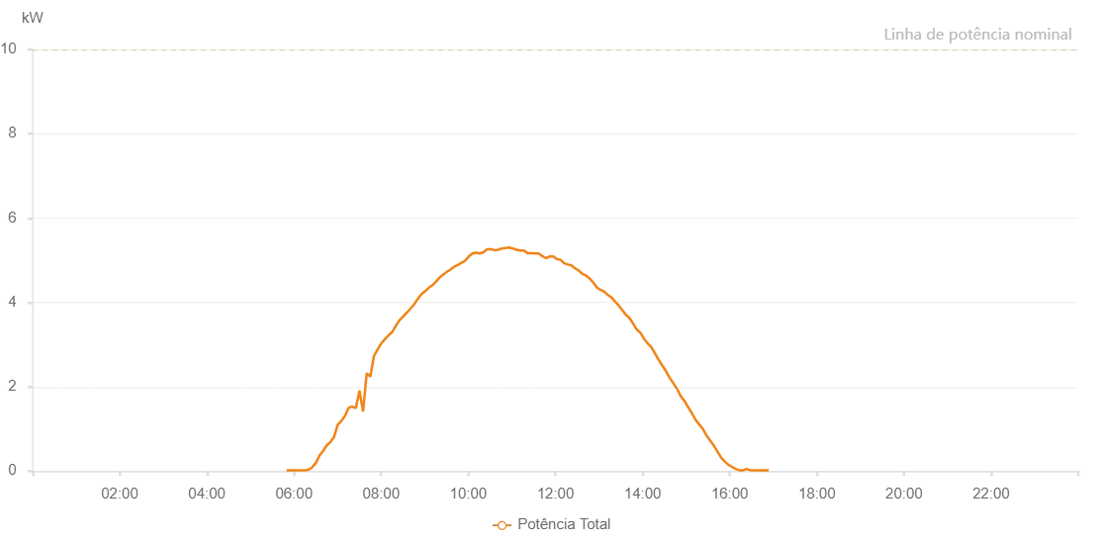

Number | Time | Working State | Alarm Code | Total Inverter Power(W)
1 | 24/06/2023 05:49:47 (UTC-4:00) | Normal |  | 20.000
2 | 24/06/2023 05:54:46 (UTC-4:00) | Normal |  | 20.000
3 | 24/06/2023 05:59:45 (UTC-4:00) | Normal |  | 20.000
4 | 24/06/2023 06:04:47 (UTC-4:00) | Normal |  | 20.000
5 | 24/06/2023 06:09:50 (UTC-4:00) | Normal |  | 20.000
6 | 24/06/2023 06:14:53 (UTC-4:00) | Normal |  | 20.000
7 | 24/06/2023 06:19:55 (UTC-4:00) | Normal |  | 30.000
8 | 24/06/2023 06:25:00 (UTC-4:00) | Normal |  | 90.000
9 | 24/06/2023 06:30:03 (UTC-4:00) | Normal |  | 190.000
10 | 24/06/2023 06:35:07 (UTC-4:00) | Normal |  | 370.000
11 | 24/06/2023 06:40:11 (UTC-4:00) | Normal |  | 480.000
12 | 24/06/2023 06:45:11 (UTC-4:00) | Normal |  | 610.000
13 | 24/06/2023 06:50:14 (UTC-4:00) | Normal |  | 690.000
14 | 24/06/2023 06:55:13 (UTC-4:00) | Normal |  | 810.000
15 | 24/06/2023 07:00:13 (UTC-4:00) | Normal |  | 1100.000
16 | 24/06/2023 07:05:14 (UTC-4:00) | Normal |  | 1190.000
17 | 24/06/2023 07:10:13 (UTC-4:00) | Normal |  | 1310.000
18 | 24/06/2023 07:15:12 (UTC-4:00) | Normal |  | 1500.000
19 | 24/06/2023 07:20:11 (UTC-4:00) | Normal |  | 1530.000
20 | 24/06/2023 07:25:10 (UTC-4:00) | Normal |  | 1490.000
21 | 24/06/2023 07:30:10 (UTC-4:00) | Normal |  | 1910.000
22 | 24/06/2023 07:35:08 (UTC-4:00) | Normal |  | 1410.000
23 | 24/06/2023 07:40:08 (UTC-4:00) | Normal |  | 2320.000
24 | 24/06/2023 07:45:07 (UTC-4:00) | Normal |  | 2240.000
25 | 24/06/2023 07:50:06 (UTC-4:00) | Normal |  | 2730.000
26 | 24/06/2023 07:55:07 (UTC-4:00) | Normal |  | 2880.000
27 | 24/06/2023 08:00:09 (UTC-4:00) | Normal |  | 3030.000
28 | 24/06/2023 08:05:18 (UTC-4:00) | Normal |  | 3130.000
29 | 24/06/2023 08:10:15 (UTC-4:00) | Normal |  | 3220.000
30 | 24/06/2023 08:15:19 (UTC-4:00) | Normal |  | 3300.000
31 | 24/06/2023 08:20:24 (UTC-4:00) | Normal |  | 3450.000
32 | 24/06/2023 08:25:26 (UTC-4:00) | Normal |  | 3580.000
33 | 24/06/2023 08:30:30 (UTC-4:00) | Normal |  | 3670.000
34 | 24/06/2023 08:35:33 (UTC-4:00) | Normal |  | 3760.000
35 | 24/06/2023 08:40:44 (UTC-4:00) | Normal |  | 3860.000
36 | 24/06/2023 08:45:38 (UTC-4:00) | Normal |  | 3960.000
37 | 24/06/2023 08:50:40 (UTC-4:00) | Normal |  | 4090.000
38 | 24/06/2023 08:55:43 (UTC-4:00) | Normal |  | 4200.000
39 | 24/06/2023 09:00:51 (UTC-4:00) | Normal |  | 4270.000
40 | 24/06/2023 09:05:48 (UTC-4:00) | Normal |  | 4350.000
41 | 24/06/2023 09:10:47 (UTC-4:00) | Normal |  | 4410.000
42 | 24/06/2023 09:15:51 (UTC-4:00) | Normal |  | 4500.000
43 | 24/06/2023 09:21:00 (UTC-4:00) | Normal |  | 4600.000
44 | 24/06/2023 09:21:01 (UTC-4:00) | Normal |  | 4600.000
45 | 24/06/2023 09:25:44 (UTC-4:00) | Normal |  | 4660.000
46 | 24/06/2023 09:30:44 (UTC-4:00) | Normal |  | 4730.000
47 | 24/06/2023 09:35:42 (UTC-4:00) | Normal |  | 4780.000
48 | 24/06/2023 09:40:41 (UTC-4:00) | Normal |  | 4850.000
49 | 24/06/2023 09:45:40 (UTC-4:00) | Normal |  | 4890.000
50 | 24/06/2023 09:50:40 (UTC-4:00) | Normal |  | 4940.000
51 | 24/06/2023 09:55:44 (UTC-4:00) | Normal |  | 4990.000
52 | 24/06/2023 10:00:46 (UTC-4:00) | Normal |  | 5090.000
53 | 24/06/2023 10:05:48 (UTC-4:00) | Normal |  | 5160.000
54 | 24/06/2023 10:10:51 (UTC-4:00) | Normal |  | 5180.000
55 | 24/06/2023 10:15:53 (UTC-4:00) | Normal |  | 5160.000
56 | 24/06/2023 10:20:56 (UTC-4:00) | Normal |  | 5190.000
57 | 24/06/2023 10:25:59 (UTC-4:00) | Normal |  | 5260.000
58 | 24/06/2023 10:31:02 (UTC-4:00) | Normal |  | 5260.000
59 | 24/06/2023 10:36:09 (UTC-4:00) | Normal |  | 5240.000
60 | 24/06/2023 10:41:10 (UTC-4:00) | Normal |  | 5250.000
61 | 24/06/2023 10:41:21 (UTC-4:00) | Normal |  | 5250.000
62 | 24/06/2023 10:46:13 (UTC-4:00) | Normal |  | 5280.000
63 | 24/06/2023 10:51:16 (UTC-4:00) | Normal |  | 5290.000
64 | 24/06/2023 10:51:31 (UTC-4:00) | Normal |  | 5290.000
65 | 24/06/2023 10:56:19 (UTC-4:00) | Normal |  | 5300.000
66 | 24/06/2023 11:01:22 (UTC-4:00) | Normal |  | 5280.000
67 | 24/06/2023 11:06:25 (UTC-4:00) | Normal |  | 5250.000
68 | 24/06/2023 11:11:29 (UTC-4:00) | Normal |  | 5230.000
69 | 24/06/2023 11:16:31 (UTC-4:00) | Normal |  | 5230.000
70 | 24/06/2023 11:21:34 (UTC-4:00) | Normal |  | 5170.000
71 | 24/06/2023 11:26:37 (UTC-4:00) | Normal |  | 5170.000
72 | 24/06/2023 11:31:40 (UTC-4:00) | Normal |  | 5160.000
73 | 24/06/2023 11:36:48 (UTC-4:00) | Normal |  | 5160.000
74 | 24/06/2023 11:41:48 (UTC-4:00) | Normal |  | 5100.000
75 | 24/06/2023 11:46:51 (UTC-4:00) | Normal |  | 5050.000
76 | 24/06/2023 11:51:54 (UTC-4:00) | Normal |  | 5090.000
77 | 24/06/2023 11:56:56 (UTC-4:00) | Normal |  | 5090.000
78 | 24/06/2023 12:01:59 (UTC-4:00) | Normal |  | 5030.000
79 | 24/06/2023 12:06:58 (UTC-4:00) | Normal |  | 5010.000
80 | 24/06/2023 12:11:57 (UTC-4:00) | Normal |  | 4930.000
81 | 24/06/2023 12:16:57 (UTC-4:00) | Normal |  | 4900.000
82 | 24/06/2023 12:21:56 (UTC-4:00) | Normal |  | 4880.000
83 | 24/06/2023 12:26:55 (UTC-4:00) | Normal |  | 4810.000
84 | 24/06/2023 12:31:54 (UTC-4:00) | Normal |  | 4760.000
85 | 24/06/2023 12:36:54 (UTC-4:00) | Normal |  | 4680.000
86 | 24/06/2023 12:41:51 (UTC-4:00) | Normal |  | 4640.000
87 | 24/06/2023 12:46:50 (UTC-4:00) | Normal |  | 4570.000
88 | 24/06/2023 12:51:49 (UTC-4:00) | Normal |  | 4480.000
89 | 24/06/2023 12:56:48 (UTC-4:00) | Normal |  | 4360.000
90 | 24/06/2023 13:01:50 (UTC-4:00) | Normal |  | 4300.000
91 | 24/06/2023 13:06:53 (UTC-4:00) | Normal |  | 4260.000
92 | 24/06/2023 13:11:56 (UTC-4:00) | Normal |  | 4180.000
93 | 24/06/2023 13:16:59 (UTC-4:00) | Normal |  | 4120.000
94 | 24/06/2023 13:17:10 (UTC-4:00) | Normal |  | 4120.000
95 | 24/06/2023 13:22:02 (UTC-4:00) | Normal |  | 4020.000
96 | 24/06/2023 13:27:01 (UTC-4:00) | Normal |  | 3930.000
97 | 24/06/2023 13:32:00 (UTC-4:00) | Normal |  | 3820.000
98 | 24/06/2023 13:36:59 (UTC-4:00) | Normal |  | 3710.000
99 | 24/06/2023 13:41:58 (UTC-4:00) | Normal |  | 3630.000
100 | 24/06/2023 13:46:57 (UTC-4:00) | Normal |  | 3500.000
101 | 24/06/2023 13:51:57 (UTC-4:00) | Normal |  | 3360.000
102 | 24/06/2023 13:56:55 (UTC-4:00) | Normal |  | 3280.000
103 | 24/06/2023 14:01:55 (UTC-4:00) | Normal |  | 3140.000
104 | 24/06/2023 14:06:54 (UTC-4:00) | Normal |  | 3030.000
105 | 24/06/2023 14:11:53 (UTC-4:00) | Normal |  | 2940.000
106 | 24/06/2023 14:16:52 (UTC-4:00) | Normal |  | 2800.000
107 | 24/06/2023 14:21:51 (UTC-4:00) | Normal |  | 2650.000
108 | 24/06/2023 14:26:54 (UTC-4:00) | Normal |  | 2510.000
109 | 24/06/2023 14:31:57 (UTC-4:00) | Normal |  | 2380.000
110 | 24/06/2023 14:37:00 (UTC-4:00) | Normal |  | 2220.000
111 | 24/06/2023 14:42:02 (UTC-4:00) | Normal |  | 2090.000
112 | 24/06/2023 14:47:05 (UTC-4:00) | Normal |  | 1960.000
113 | 24/06/2023 14:47:16 (UTC-4:00) | Normal |  | 1960.000
114 | 24/06/2023 14:52:10 (UTC-4:00) | Normal |  | 1790.000
115 | 24/06/2023 14:57:12 (UTC-4:00) | Normal |  | 1670.000
116 | 24/06/2023 14:57:38 (UTC-4:00) | Normal |  | 1670.000
117 | 24/06/2023 15:02:14 (UTC-4:00) | Normal |  | 1530.000
118 | 24/06/2023 15:07:17 (UTC-4:00) | Normal |  | 1390.000
119 | 24/06/2023 15:07:32 (UTC-4:00) | Normal |  | 1390.000
120 | 24/06/2023 15:07:56 (UTC-4:00) | Normal |  | 1370.000
121 | 24/06/2023 15:13:21 (UTC-4:00) | Normal |  | 1210.000
122 | 24/06/2023 15:18:19 (UTC-4:00) | Normal |  | 1100.000
123 | 24/06/2023 15:23:18 (UTC-4:00) | Normal |  | 990.000
124 | 24/06/2023 15:28:17 (UTC-4:00) | Normal |  | 840.000
125 | 24/06/2023 15:33:15 (UTC-4:00) | Normal |  | 720.000
126 | 24/06/2023 15:38:14 (UTC-4:00) | Normal |  | 600.000
127 | 24/06/2023 15:43:13 (UTC-4:00) | Normal |  | 460.000
128 | 24/06/2023 15:48:12 (UTC-4:00) | Normal |  | 320.000
129 | 24/06/2023 15:53:33 (UTC-4:00) | Normal |  | 220.000
130 | 24/06/2023 15:58:09 (UTC-4:00) | Normal |  | 150.000
131 | 24/06/2023 16:03:11 (UTC-4:00) | Normal |  | 100.000
132 | 24/06/2023 16:08:14 (UTC-4:00) | Normal |  | 50.000
133 | 24/06/2023 16:13:16 (UTC-4:00) | Normal |  | 20.000
134 | 24/06/2023 16:18:22 (UTC-4:00) | Normal |  | 20.000
135 | 24/06/2023 16:23:23 (UTC-4:00) | Normal |  | 50.000
136 | 24/06/2023 16:28:27 (UTC-4:00) | Normal |  | 20.000
137 | 24/06/2023 16:33:28 (UTC-4:00) | Normal |  | 20.000
138 | 24/06/2023 16:38:33 (UTC-4:00) | Normal |  | 20.000
139 | 24/06/2023 16:43:33 (UTC-4:00) | Normal |  | 20.000
140 | 24/06/2023 16:48:36 (UTC-4:00) | Normal |  | 20.000
141 | 24/06/2023 16:53:41 (UTC-4:00) | Normal |  | 20.000

