Inverter History Report__17-08-
Inverter History Report_25/06/2023_Report

Inverter SN:054B7020C020044 |  | Inverter type:B7
Collector SN:4045086367 |  | Full Load Hours(h):3.25
Rated Power:10000Wp

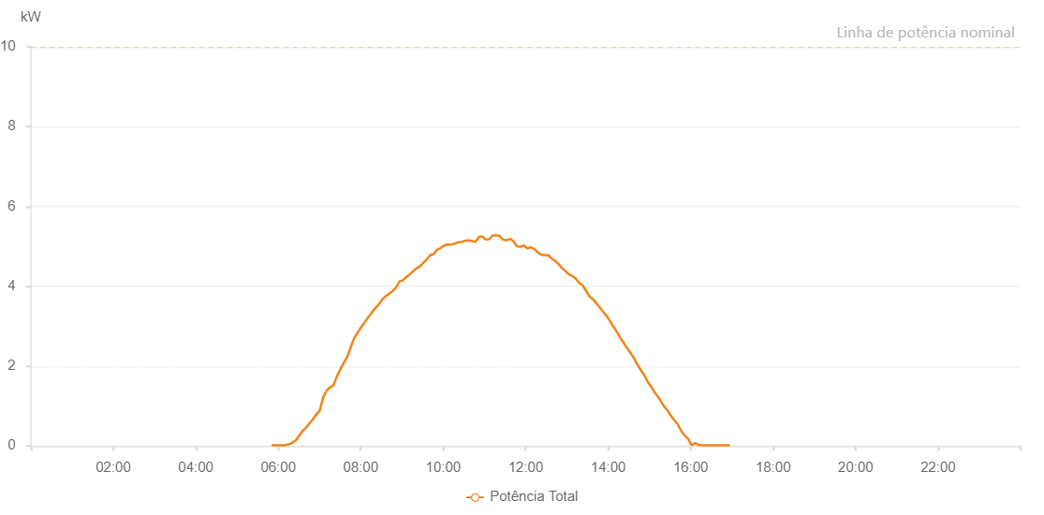

Number | Time | Working State | Alarm Code | Total Inverter Power(W)
1 | 25/06/2023 05:50:22 (UTC-4:00) | Normal |  | 20.000
2 | 25/06/2023 05:55:21 (UTC-4:00) | Normal |  | 20.000
3 | 25/06/2023 06:00:20 (UTC-4:00) | Normal |  | 20.000
4 | 25/06/2023 06:05:21 (UTC-4:00) | Normal |  | 20.000
5 | 25/06/2023 06:10:23 (UTC-4:00) | Normal |  | 20.000
6 | 25/06/2023 06:15:26 (UTC-4:00) | Normal |  | 40.000
7 | 25/06/2023 06:20:29 (UTC-4:00) | Normal |  | 80.000
8 | 25/06/2023 06:25:33 (UTC-4:00) | Normal |  | 140.000
9 | 25/06/2023 06:30:32 (UTC-4:00) | Normal |  | 260.000
10 | 25/06/2023 06:35:31 (UTC-4:00) | Normal |  | 380.000
11 | 25/06/2023 06:40:30 (UTC-4:00) | Normal |  | 460.000
12 | 25/06/2023 06:45:29 (UTC-4:00) | Normal |  | 570.000
13 | 25/06/2023 06:50:28 (UTC-4:00) | Normal |  | 670.000
14 | 25/06/2023 06:55:30 (UTC-4:00) | Normal |  | 790.000
15 | 25/06/2023 07:00:29 (UTC-4:00) | Normal |  | 890.000
16 | 25/06/2023 07:05:28 (UTC-4:00) | Normal |  | 1230.000
17 | 25/06/2023 07:10:28 (UTC-4:00) | Normal |  | 1390.000
18 | 25/06/2023 07:15:27 (UTC-4:00) | Normal |  | 1470.000
19 | 25/06/2023 07:20:27 (UTC-4:00) | Normal |  | 1520.000
20 | 25/06/2023 07:25:26 (UTC-4:00) | Normal |  | 1750.000
21 | 25/06/2023 07:30:25 (UTC-4:00) | Normal |  | 1920.000
22 | 25/06/2023 07:35:28 (UTC-4:00) | Normal |  | 2090.000
23 | 25/06/2023 07:35:39 (UTC-4:00) | Normal |  | 2090.000
24 | 25/06/2023 07:40:31 (UTC-4:00) | Normal |  | 2240.000
25 | 25/06/2023 07:45:34 (UTC-4:00) | Normal |  | 2480.000
26 | 25/06/2023 07:50:37 (UTC-4:00) | Normal |  | 2710.000
27 | 25/06/2023 07:55:40 (UTC-4:00) | Normal |  | 2840.000
28 | 25/06/2023 08:00:43 (UTC-4:00) | Normal |  | 2980.000
29 | 25/06/2023 08:05:46 (UTC-4:00) | Normal |  | 3100.000
30 | 25/06/2023 08:10:49 (UTC-4:00) | Normal |  | 3220.000
31 | 25/06/2023 08:15:53 (UTC-4:00) | Normal |  | 3340.000
32 | 25/06/2023 08:20:56 (UTC-4:00) | Normal |  | 3450.000
33 | 25/06/2023 08:25:59 (UTC-4:00) | Normal |  | 3540.000
34 | 25/06/2023 08:31:02 (UTC-4:00) | Normal |  | 3660.000
35 | 25/06/2023 08:36:05 (UTC-4:00) | Normal |  | 3750.000
36 | 25/06/2023 08:41:08 (UTC-4:00) | Normal |  | 3810.000
37 | 25/06/2023 08:46:11 (UTC-4:00) | Normal |  | 3880.000
38 | 25/06/2023 08:51:14 (UTC-4:00) | Normal |  | 3970.000
39 | 25/06/2023 08:56:17 (UTC-4:00) | Normal |  | 4120.000
40 | 25/06/2023 09:01:16 (UTC-4:00) | Normal |  | 4150.000
41 | 25/06/2023 09:06:15 (UTC-4:00) | Normal |  | 4230.000
42 | 25/06/2023 09:11:14 (UTC-4:00) | Normal |  | 4300.000
43 | 25/06/2023 09:16:14 (UTC-4:00) | Normal |  | 4380.000
44 | 25/06/2023 09:21:13 (UTC-4:00) | Normal |  | 4450.000
45 | 25/06/2023 09:26:12 (UTC-4:00) | Normal |  | 4500.000
46 | 25/06/2023 09:31:11 (UTC-4:00) | Normal |  | 4590.000
47 | 25/06/2023 09:36:12 (UTC-4:00) | Normal |  | 4680.000
48 | 25/06/2023 09:41:11 (UTC-4:00) | Normal |  | 4780.000
49 | 25/06/2023 09:46:11 (UTC-4:00) | Normal |  | 4810.000
50 | 25/06/2023 09:51:10 (UTC-4:00) | Normal |  | 4920.000
51 | 25/06/2023 09:56:10 (UTC-4:00) | Normal |  | 4960.000
52 | 25/06/2023 09:56:20 (UTC-4:00) | Normal |  | 4960.000
53 | 25/06/2023 10:01:12 (UTC-4:00) | Normal |  | 5020.000
54 | 25/06/2023 10:06:15 (UTC-4:00) | Normal |  | 5050.000
55 | 25/06/2023 10:11:18 (UTC-4:00) | Normal |  | 5040.000
56 | 25/06/2023 10:16:21 (UTC-4:00) | Normal |  | 5070.000
57 | 25/06/2023 10:16:46 (UTC-4:00) | Normal |  | 5070.000
58 | 25/06/2023 10:21:24 (UTC-4:00) | Normal |  | 5100.000
59 | 25/06/2023 10:26:27 (UTC-4:00) | Normal |  | 5110.000
60 | 25/06/2023 10:31:30 (UTC-4:00) | Normal |  | 5140.000
61 | 25/06/2023 10:36:34 (UTC-4:00) | Normal |  | 5150.000
62 | 25/06/2023 10:41:37 (UTC-4:00) | Normal |  | 5140.000
63 | 25/06/2023 10:46:40 (UTC-4:00) | Normal |  | 5110.000
64 | 25/06/2023 10:51:43 (UTC-4:00) | Normal |  | 5230.000
65 | 25/06/2023 10:56:47 (UTC-4:00) | Normal |  | 5250.000
66 | 25/06/2023 11:01:50 (UTC-4:00) | Normal |  | 5170.000
67 | 25/06/2023 11:06:52 (UTC-4:00) | Normal |  | 5180.000
68 | 25/06/2023 11:11:56 (UTC-4:00) | Normal |  | 5270.000
69 | 25/06/2023 11:17:00 (UTC-4:00) | Normal |  | 5280.000
70 | 25/06/2023 11:22:03 (UTC-4:00) | Normal |  | 5260.000
71 | 25/06/2023 11:27:07 (UTC-4:00) | Normal |  | 5170.000
72 | 25/06/2023 11:32:09 (UTC-4:00) | Normal |  | 5150.000
73 | 25/06/2023 11:37:13 (UTC-4:00) | Normal |  | 5190.000
74 | 25/06/2023 11:42:16 (UTC-4:00) | Normal |  | 5130.000
75 | 25/06/2023 11:47:20 (UTC-4:00) | Normal |  | 5000.000
76 | 25/06/2023 11:52:23 (UTC-4:00) | Normal |  | 4990.000
77 | 25/06/2023 11:57:26 (UTC-4:00) | Normal |  | 5020.000
78 | 25/06/2023 12:02:28 (UTC-4:00) | Normal |  | 4950.000
79 | 25/06/2023 12:07:33 (UTC-4:00) | Normal |  | 4980.000
80 | 25/06/2023 12:12:37 (UTC-4:00) | Normal |  | 4930.000
81 | 25/06/2023 12:17:37 (UTC-4:00) | Normal |  | 4850.000
82 | 25/06/2023 12:22:36 (UTC-4:00) | Normal |  | 4790.000
83 | 25/06/2023 12:27:35 (UTC-4:00) | Normal |  | 4780.000
84 | 25/06/2023 12:32:34 (UTC-4:00) | Normal |  | 4780.000
85 | 25/06/2023 12:37:33 (UTC-4:00) | Normal |  | 4700.000
86 | 25/06/2023 12:42:32 (UTC-4:00) | Normal |  | 4640.000
87 | 25/06/2023 12:47:31 (UTC-4:00) | Normal |  | 4560.000
88 | 25/06/2023 12:52:30 (UTC-4:00) | Normal |  | 4460.000
89 | 25/06/2023 12:57:29 (UTC-4:00) | Normal |  | 4390.000
90 | 25/06/2023 13:02:28 (UTC-4:00) | Normal |  | 4300.000
91 | 25/06/2023 13:07:27 (UTC-4:00) | Normal |  | 4260.000
92 | 25/06/2023 13:12:26 (UTC-4:00) | Normal |  | 4200.000
93 | 25/06/2023 13:17:28 (UTC-4:00) | Normal |  | 4090.000
94 | 25/06/2023 13:22:30 (UTC-4:00) | Normal |  | 4030.000
95 | 25/06/2023 13:27:33 (UTC-4:00) | Normal |  | 3900.000
96 | 25/06/2023 13:32:36 (UTC-4:00) | Normal |  | 3750.000
97 | 25/06/2023 13:37:40 (UTC-4:00) | Normal |  | 3680.000
98 | 25/06/2023 13:42:38 (UTC-4:00) | Normal |  | 3580.000
99 | 25/06/2023 13:47:37 (UTC-4:00) | Normal |  | 3470.000
100 | 25/06/2023 13:52:36 (UTC-4:00) | Normal |  | 3360.000
101 | 25/06/2023 13:57:36 (UTC-4:00) | Normal |  | 3260.000
102 | 25/06/2023 14:02:35 (UTC-4:00) | Normal |  | 3130.000
103 | 25/06/2023 14:07:36 (UTC-4:00) | Normal |  | 2990.000
104 | 25/06/2023 14:12:35 (UTC-4:00) | Normal |  | 2860.000
105 | 25/06/2023 14:17:34 (UTC-4:00) | Normal |  | 2710.000
106 | 25/06/2023 14:22:33 (UTC-4:00) | Normal |  | 2580.000
107 | 25/06/2023 14:27:32 (UTC-4:00) | Normal |  | 2450.000
108 | 25/06/2023 14:32:31 (UTC-4:00) | Normal |  | 2330.000
109 | 25/06/2023 14:37:33 (UTC-4:00) | Normal |  | 2200.000
110 | 25/06/2023 14:42:34 (UTC-4:00) | Normal |  | 2040.000
111 | 25/06/2023 14:47:37 (UTC-4:00) | Normal |  | 1900.000
112 | 25/06/2023 14:52:39 (UTC-4:00) | Normal |  | 1770.000
113 | 25/06/2023 14:57:42 (UTC-4:00) | Normal |  | 1600.000
114 | 25/06/2023 15:02:46 (UTC-4:00) | Normal |  | 1480.000
115 | 25/06/2023 15:07:48 (UTC-4:00) | Normal |  | 1340.000
116 | 25/06/2023 15:12:52 (UTC-4:00) | Normal |  | 1220.000
117 | 25/06/2023 15:15:50 (UTC-4:00) | Normal |  | 1140.000
118 | 25/06/2023 15:21:08 (UTC-4:00) | Normal |  | 1000.000
119 | 25/06/2023 15:26:08 (UTC-4:00) | Normal |  | 890.000
120 | 25/06/2023 15:31:09 (UTC-4:00) | Normal |  | 760.000
121 | 25/06/2023 15:36:09 (UTC-4:00) | Normal |  | 650.000
122 | 25/06/2023 15:41:10 (UTC-4:00) | Normal |  | 540.000
123 | 25/06/2023 15:46:10 (UTC-4:00) | Normal |  | 380.000
124 | 25/06/2023 15:51:13 (UTC-4:00) | Normal |  | 260.000
125 | 25/06/2023 15:56:18 (UTC-4:00) | Normal |  | 180.000
126 | 25/06/2023 16:01:22 (UTC-4:00) | Normal |  | 20.000
127 | 25/06/2023 16:06:27 (UTC-4:00) | Normal |  | 70.000
128 | 25/06/2023 16:11:31 (UTC-4:00) | Normal |  | 30.000
129 | 25/06/2023 16:16:36 (UTC-4:00) | Normal |  | 20.000
130 | 25/06/2023 16:21:39 (UTC-4:00) | Normal |  | 20.000
131 | 25/06/2023 16:26:44 (UTC-4:00) | Normal |  | 20.000
132 | 25/06/2023 16:31:48 (UTC-4:00) | Normal |  | 20.000
133 | 25/06/2023 16:36:53 (UTC-4:00) | Normal |  | 20.000
134 | 25/06/2023 16:41:57 (UTC-4:00) | Normal |  | 20.000
135 | 25/06/2023 16:47:02 (UTC-4:00) | Normal |  | 20.000
136 | 25/06/2023 16:52:06 (UTC-4:00) | Normal |  | 20.000
137 | 25/06/2023 16:57:10 (UTC-4:00) | Normal |  | 20.000

