Inverter History Report__17-08-
Inverter History Report_26/06/2023_Report

Inverter SN:054B7020C020044 |  | Inverter type:B7
Collector SN:4045086367 |  | Full Load Hours(h):3.33
Rated Power:10000Wp

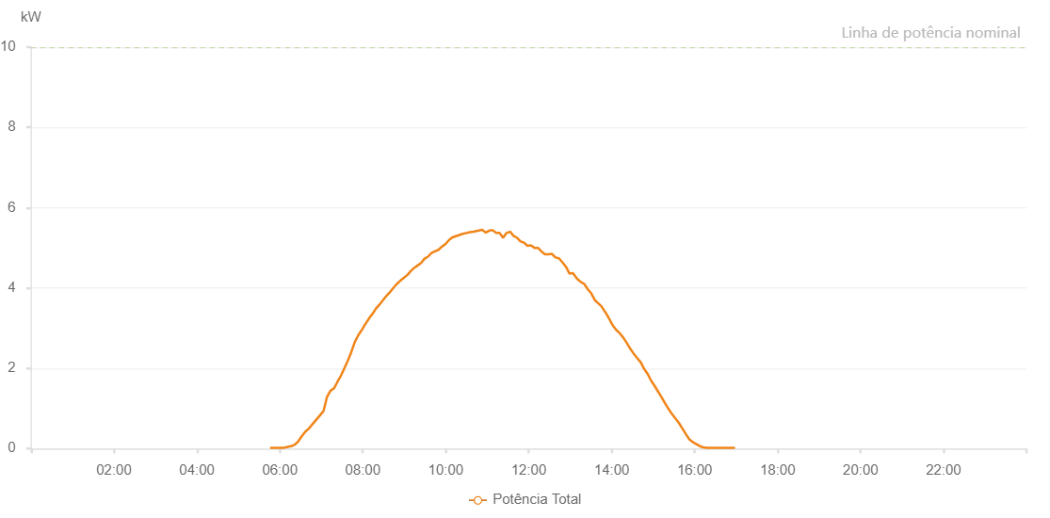

Number | Time | Working State | Alarm Code | Total Inverter Power(W)
1 | 26/06/2023 05:45:55 (UTC-4:00) | Normal |  | 20.000
2 | 26/06/2023 05:50:54 (UTC-4:00) | Normal |  | 20.000
3 | 26/06/2023 05:55:53 (UTC-4:00) | Normal |  | 20.000
4 | 26/06/2023 06:00:55 (UTC-4:00) | Normal |  | 20.000
5 | 26/06/2023 06:05:59 (UTC-4:00) | Normal |  | 20.000
6 | 26/06/2023 06:11:04 (UTC-4:00) | Normal |  | 40.000
7 | 26/06/2023 06:16:06 (UTC-4:00) | Normal |  | 60.000
8 | 26/06/2023 06:21:13 (UTC-4:00) | Normal |  | 90.000
9 | 26/06/2023 06:26:11 (UTC-4:00) | Normal |  | 170.000
10 | 26/06/2023 06:31:21 (UTC-4:00) | Normal |  | 300.000
11 | 26/06/2023 06:36:20 (UTC-4:00) | Normal |  | 410.000
12 | 26/06/2023 06:41:23 (UTC-4:00) | Normal |  | 490.000
13 | 26/06/2023 06:41:34 (UTC-4:00) | Normal |  | 490.000
14 | 26/06/2023 06:46:44 (UTC-4:00) | Normal |  | 600.000
15 | 26/06/2023 06:47:20 (UTC-4:00) | Normal |  | 610.000
16 | 26/06/2023 06:47:43 (UTC-4:00) | Normal |  | 620.000
17 | 26/06/2023 06:52:43 (UTC-4:00) | Normal |  | 720.000
18 | 26/06/2023 06:58:13 (UTC-4:00) | Normal |  | 830.000
19 | 26/06/2023 07:03:13 (UTC-4:00) | Normal |  | 940.000
20 | 26/06/2023 07:08:13 (UTC-4:00) | Normal |  | 1290.000
21 | 26/06/2023 07:13:14 (UTC-4:00) | Normal |  | 1440.000
22 | 26/06/2023 07:18:15 (UTC-4:00) | Normal |  | 1500.000
23 | 26/06/2023 07:23:15 (UTC-4:00) | Normal |  | 1660.000
24 | 26/06/2023 07:28:15 (UTC-4:00) | Normal |  | 1810.000
25 | 26/06/2023 07:33:18 (UTC-4:00) | Normal |  | 2000.000
26 | 26/06/2023 07:38:16 (UTC-4:00) | Normal |  | 2190.000
27 | 26/06/2023 07:43:16 (UTC-4:00) | Normal |  | 2400.000
28 | 26/06/2023 07:48:18 (UTC-4:00) | Normal |  | 2650.000
29 | 26/06/2023 07:53:22 (UTC-4:00) | Normal |  | 2820.000
30 | 26/06/2023 07:58:23 (UTC-4:00) | Normal |  | 2950.000
31 | 26/06/2023 08:03:28 (UTC-4:00) | Normal |  | 3100.000
32 | 26/06/2023 08:03:39 (UTC-4:00) | Normal |  | 3100.000
33 | 26/06/2023 08:08:34 (UTC-4:00) | Normal |  | 3230.000
34 | 26/06/2023 08:13:37 (UTC-4:00) | Normal |  | 3350.000
35 | 26/06/2023 08:13:48 (UTC-4:00) | Normal |  | 3350.000
36 | 26/06/2023 08:18:43 (UTC-4:00) | Normal |  | 3480.000
37 | 26/06/2023 08:23:48 (UTC-4:00) | Normal |  | 3580.000
38 | 26/06/2023 08:28:52 (UTC-4:00) | Normal |  | 3690.000
39 | 26/06/2023 08:33:57 (UTC-4:00) | Normal |  | 3800.000
40 | 26/06/2023 08:39:01 (UTC-4:00) | Normal |  | 3890.000
41 | 26/06/2023 08:44:05 (UTC-4:00) | Normal |  | 4000.000
42 | 26/06/2023 08:49:10 (UTC-4:00) | Normal |  | 4100.000
43 | 26/06/2023 08:54:14 (UTC-4:00) | Normal |  | 4180.000
44 | 26/06/2023 08:59:15 (UTC-4:00) | Normal |  | 4250.000
45 | 26/06/2023 09:04:15 (UTC-4:00) | Normal |  | 4320.000
46 | 26/06/2023 09:09:15 (UTC-4:00) | Normal |  | 4420.000
47 | 26/06/2023 09:14:16 (UTC-4:00) | Normal |  | 4500.000
48 | 26/06/2023 09:19:16 (UTC-4:00) | Normal |  | 4560.000
49 | 26/06/2023 09:24:17 (UTC-4:00) | Normal |  | 4620.000
50 | 26/06/2023 09:29:17 (UTC-4:00) | Normal |  | 4730.000
51 | 26/06/2023 09:34:18 (UTC-4:00) | Normal |  | 4780.000
52 | 26/06/2023 09:39:18 (UTC-4:00) | Normal |  | 4870.000
53 | 26/06/2023 09:44:18 (UTC-4:00) | Normal |  | 4910.000
54 | 26/06/2023 09:49:19 (UTC-4:00) | Normal |  | 4950.000
55 | 26/06/2023 09:54:23 (UTC-4:00) | Normal |  | 5030.000
56 | 26/06/2023 09:59:27 (UTC-4:00) | Normal |  | 5090.000
57 | 26/06/2023 10:04:32 (UTC-4:00) | Normal |  | 5190.000
58 | 26/06/2023 10:09:37 (UTC-4:00) | Normal |  | 5260.000
59 | 26/06/2023 10:14:40 (UTC-4:00) | Normal |  | 5290.000
60 | 26/06/2023 10:19:45 (UTC-4:00) | Normal |  | 5320.000
61 | 26/06/2023 10:24:49 (UTC-4:00) | Normal |  | 5350.000
62 | 26/06/2023 10:29:54 (UTC-4:00) | Normal |  | 5370.000
63 | 26/06/2023 10:34:58 (UTC-4:00) | Normal |  | 5390.000
64 | 26/06/2023 10:40:02 (UTC-4:00) | Normal |  | 5400.000
65 | 26/06/2023 10:45:06 (UTC-4:00) | Normal |  | 5420.000
66 | 26/06/2023 10:47:47 (UTC-4:00) | Normal |  | 5430.000
67 | 26/06/2023 10:52:34 (UTC-4:00) | Normal |  | 5450.000
68 | 26/06/2023 10:57:58 (UTC-4:00) | Normal |  | 5380.000
69 | 26/06/2023 11:02:57 (UTC-4:00) | Normal |  | 5430.000
70 | 26/06/2023 11:07:56 (UTC-4:00) | Normal |  | 5440.000
71 | 26/06/2023 11:12:55 (UTC-4:00) | Normal |  | 5370.000
72 | 26/06/2023 11:17:54 (UTC-4:00) | Normal |  | 5370.000
73 | 26/06/2023 11:22:53 (UTC-4:00) | Normal |  | 5250.000
74 | 26/06/2023 11:27:55 (UTC-4:00) | Normal |  | 5370.000
75 | 26/06/2023 11:32:57 (UTC-4:00) | Normal |  | 5400.000
76 | 26/06/2023 11:33:08 (UTC-4:00) | Normal |  | 5400.000
77 | 26/06/2023 11:37:58 (UTC-4:00) | Normal |  | 5300.000
78 | 26/06/2023 11:43:02 (UTC-4:00) | Normal |  | 5250.000
79 | 26/06/2023 11:48:05 (UTC-4:00) | Normal |  | 5160.000
80 | 26/06/2023 11:53:08 (UTC-4:00) | Normal |  | 5130.000
81 | 26/06/2023 11:58:12 (UTC-4:00) | Normal |  | 5050.000
82 | 26/06/2023 12:03:15 (UTC-4:00) | Normal |  | 5060.000
83 | 26/06/2023 12:08:18 (UTC-4:00) | Normal |  | 5000.000
84 | 26/06/2023 12:13:21 (UTC-4:00) | Normal |  | 5000.000
85 | 26/06/2023 12:18:24 (UTC-4:00) | Normal |  | 4910.000
86 | 26/06/2023 12:23:27 (UTC-4:00) | Normal |  | 4840.000
87 | 26/06/2023 12:28:32 (UTC-4:00) | Normal |  | 4840.000
88 | 26/06/2023 12:33:35 (UTC-4:00) | Normal |  | 4850.000
89 | 26/06/2023 12:38:41 (UTC-4:00) | Normal |  | 4760.000
90 | 26/06/2023 12:43:41 (UTC-4:00) | Normal |  | 4740.000
91 | 26/06/2023 12:48:44 (UTC-4:00) | Normal |  | 4640.000
92 | 26/06/2023 12:53:47 (UTC-4:00) | Normal |  | 4530.000
93 | 26/06/2023 12:58:53 (UTC-4:00) | Normal |  | 4360.000
94 | 26/06/2023 13:03:55 (UTC-4:00) | Normal |  | 4370.000
95 | 26/06/2023 13:09:56 (UTC-4:00) | Normal |  | 4230.000
96 | 26/06/2023 13:09:58 (UTC-4:00) | Normal |  | 4230.000
97 | 26/06/2023 13:15:18 (UTC-4:00) | Normal |  | 4150.000
98 | 26/06/2023 13:20:17 (UTC-4:00) | Normal |  | 4100.000
99 | 26/06/2023 13:25:15 (UTC-4:00) | Normal |  | 3970.000
100 | 26/06/2023 13:30:16 (UTC-4:00) | Normal |  | 3870.000
101 | 26/06/2023 13:35:53 (UTC-4:00) | Normal |  | 3690.000
102 | 26/06/2023 13:40:20 (UTC-4:00) | Normal |  | 3620.000
103 | 26/06/2023 13:45:19 (UTC-4:00) | Normal |  | 3540.000
104 | 26/06/2023 13:50:34 (UTC-4:00) | Normal |  | 3400.000
105 | 26/06/2023 13:51:25 (UTC-4:00) | Normal |  | 3380.000
106 | 26/06/2023 13:56:48 (UTC-4:00) | Normal |  | 3220.000
107 | 26/06/2023 14:01:49 (UTC-4:00) | Normal |  | 3060.000
108 | 26/06/2023 14:06:49 (UTC-4:00) | Normal |  | 2950.000
109 | 26/06/2023 14:11:50 (UTC-4:00) | Normal |  | 2870.000
110 | 26/06/2023 14:16:50 (UTC-4:00) | Normal |  | 2760.000
111 | 26/06/2023 14:21:51 (UTC-4:00) | Normal |  | 2630.000
112 | 26/06/2023 14:27:07 (UTC-4:00) | Normal |  | 2480.000
113 | 26/06/2023 14:31:55 (UTC-4:00) | Normal |  | 2360.000
114 | 26/06/2023 14:37:01 (UTC-4:00) | Normal |  | 2250.000
115 | 26/06/2023 14:42:00 (UTC-4:00) | Normal |  | 2150.000
116 | 26/06/2023 14:47:02 (UTC-4:00) | Normal |  | 1980.000
117 | 26/06/2023 14:52:03 (UTC-4:00) | Normal |  | 1860.000
118 | 26/06/2023 14:57:04 (UTC-4:00) | Normal |  | 1690.000
119 | 26/06/2023 15:02:05 (UTC-4:00) | Normal |  | 1560.000
120 | 26/06/2023 15:07:05 (UTC-4:00) | Normal |  | 1420.000
121 | 26/06/2023 15:12:06 (UTC-4:00) | Normal |  | 1280.000
122 | 26/06/2023 15:17:08 (UTC-4:00) | Normal |  | 1130.000
123 | 26/06/2023 15:22:07 (UTC-4:00) | Normal |  | 990.000
124 | 26/06/2023 15:27:09 (UTC-4:00) | Normal |  | 860.000
125 | 26/06/2023 15:32:10 (UTC-4:00) | Normal |  | 750.000
126 | 26/06/2023 15:37:10 (UTC-4:00) | Normal |  | 640.000
127 | 26/06/2023 15:42:11 (UTC-4:00) | Normal |  | 500.000
128 | 26/06/2023 15:47:15 (UTC-4:00) | Normal |  | 360.000
129 | 26/06/2023 15:52:21 (UTC-4:00) | Normal |  | 230.000
130 | 26/06/2023 15:57:26 (UTC-4:00) | Normal |  | 160.000
131 | 26/06/2023 16:02:31 (UTC-4:00) | Normal |  | 110.000
132 | 26/06/2023 16:02:42 (UTC-4:00) | Normal |  | 110.000
133 | 26/06/2023 16:07:33 (UTC-4:00) | Normal |  | 60.000
134 | 26/06/2023 16:12:39 (UTC-4:00) | Normal |  | 30.000
135 | 26/06/2023 16:17:42 (UTC-4:00) | Normal |  | 20.000
136 | 26/06/2023 16:22:48 (UTC-4:00) | Normal |  | 20.000
137 | 26/06/2023 16:28:04 (UTC-4:00) | Normal |  | 20.000
138 | 26/06/2023 16:28:17 (UTC-4:00) | Normal |  | 20.000
139 | 26/06/2023 16:32:57 (UTC-4:00) | Normal |  | 20.000
140 | 26/06/2023 16:33:08 (UTC-4:00) | Normal |  | 20.000
141 | 26/06/2023 16:38:01 (UTC-4:00) | Normal |  | 20.000
142 | 26/06/2023 16:38:11 (UTC-4:00) | Normal |  | 20.000
143 | 26/06/2023 16:43:05 (UTC-4:00) | Normal |  | 20.000
144 | 26/06/2023 16:48:12 (UTC-4:00) | Normal |  | 20.000
145 | 26/06/2023 16:53:14 (UTC-4:00) | Normal |  | 20.000
146 | 26/06/2023 16:58:18 (UTC-4:00) | Normal |  | 20.000

