Inverter History Report__17-08-
Inverter History Report_27/06/2023_Report

Inverter SN:054B7020C020044 |  | Inverter type:B7
Collector SN:4045086367 |  | Full Load Hours(h):3.38
Rated Power:10000Wp

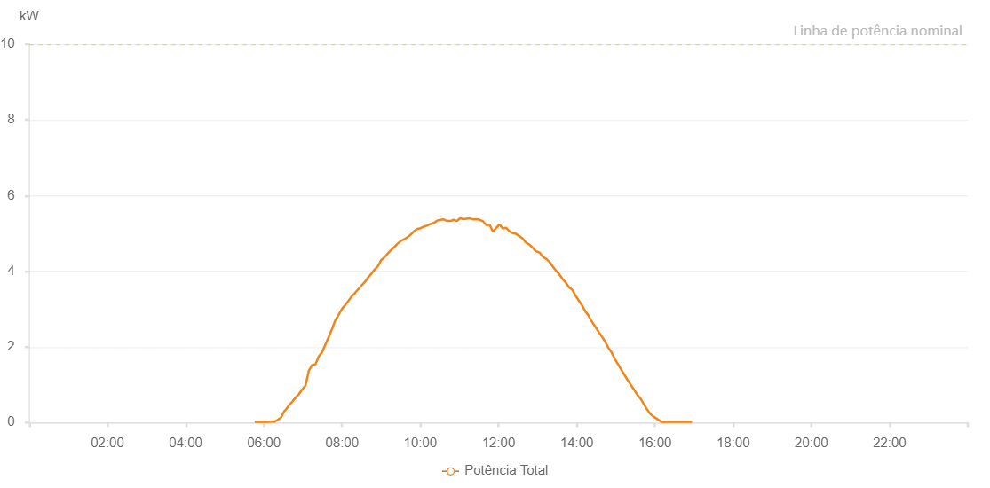

Number | Time | Working State | Alarm Code | Total Inverter Power(W)
1 | 27/06/2023 05:45:55 (UTC-4:00) | Normal |  | 20.000
2 | 27/06/2023 05:51:00 (UTC-4:00) | Normal |  | 20.000
3 | 27/06/2023 05:56:01 (UTC-4:00) | Normal |  | 20.000
4 | 27/06/2023 06:01:02 (UTC-4:00) | Normal |  | 20.000
5 | 27/06/2023 06:06:06 (UTC-4:00) | Normal |  | 20.000
6 | 27/06/2023 06:11:58 (UTC-4:00) | Normal |  | 30.000
7 | 27/06/2023 06:16:10 (UTC-4:00) | Normal |  | 20.000
8 | 27/06/2023 06:21:11 (UTC-4:00) | Normal |  | 70.000
9 | 27/06/2023 06:26:12 (UTC-4:00) | Normal |  | 130.000
10 | 27/06/2023 06:31:17 (UTC-4:00) | Normal |  | 300.000
11 | 27/06/2023 06:32:39 (UTC-4:00) | Normal |  | 320.000
12 | 27/06/2023 06:33:01 (UTC-4:00) | Normal |  | 330.000
13 | 27/06/2023 06:37:56 (UTC-4:00) | Normal |  | 440.000
14 | 27/06/2023 06:38:34 (UTC-4:00) | Normal |  | 460.000
15 | 27/06/2023 06:43:38 (UTC-4:00) | Normal |  | 550.000
16 | 27/06/2023 06:48:42 (UTC-4:00) | Normal |  | 660.000
17 | 27/06/2023 06:53:46 (UTC-4:00) | Normal |  | 750.000
18 | 27/06/2023 06:58:49 (UTC-4:00) | Normal |  | 880.000
19 | 27/06/2023 06:59:00 (UTC-4:00) | Normal |  | 880.000
20 | 27/06/2023 07:03:52 (UTC-4:00) | Normal |  | 980.000
21 | 27/06/2023 07:08:57 (UTC-4:00) | Normal |  | 1370.000
22 | 27/06/2023 07:14:01 (UTC-4:00) | Normal |  | 1520.000
23 | 27/06/2023 07:19:05 (UTC-4:00) | Normal |  | 1540.000
24 | 27/06/2023 07:24:09 (UTC-4:00) | Normal |  | 1750.000
25 | 27/06/2023 07:29:13 (UTC-4:00) | Normal |  | 1860.000
26 | 27/06/2023 07:34:17 (UTC-4:00) | Normal |  | 2060.000
27 | 27/06/2023 07:39:21 (UTC-4:00) | Normal |  | 2260.000
28 | 27/06/2023 07:44:25 (UTC-4:00) | Normal |  | 2470.000
29 | 27/06/2023 07:49:31 (UTC-4:00) | Normal |  | 2700.000
30 | 27/06/2023 07:54:36 (UTC-4:00) | Normal |  | 2850.000
31 | 27/06/2023 07:59:39 (UTC-4:00) | Normal |  | 3000.000
32 | 27/06/2023 08:04:42 (UTC-4:00) | Normal |  | 3110.000
33 | 27/06/2023 08:09:46 (UTC-4:00) | Normal |  | 3220.000
34 | 27/06/2023 08:14:53 (UTC-4:00) | Normal |  | 3340.000
35 | 27/06/2023 08:19:55 (UTC-4:00) | Normal |  | 3430.000
36 | 27/06/2023 08:24:58 (UTC-4:00) | Normal |  | 3530.000
37 | 27/06/2023 08:25:09 (UTC-4:00) | Normal |  | 3530.000
38 | 27/06/2023 08:30:02 (UTC-4:00) | Normal |  | 3630.000
39 | 27/06/2023 08:35:02 (UTC-4:00) | Normal |  | 3720.000
40 | 27/06/2023 08:40:02 (UTC-4:00) | Normal |  | 3840.000
41 | 27/06/2023 08:45:04 (UTC-4:00) | Normal |  | 3940.000
42 | 27/06/2023 08:50:04 (UTC-4:00) | Normal |  | 4050.000
43 | 27/06/2023 08:55:04 (UTC-4:00) | Normal |  | 4140.000
44 | 27/06/2023 09:00:04 (UTC-4:00) | Normal |  | 4300.000
45 | 27/06/2023 09:05:04 (UTC-4:00) | Normal |  | 4370.000
46 | 27/06/2023 09:10:04 (UTC-4:00) | Normal |  | 4470.000
47 | 27/06/2023 09:15:04 (UTC-4:00) | Normal |  | 4560.000
48 | 27/06/2023 09:20:04 (UTC-4:00) | Normal |  | 4640.000
49 | 27/06/2023 09:25:05 (UTC-4:00) | Normal |  | 4730.000
50 | 27/06/2023 09:30:07 (UTC-4:00) | Normal |  | 4800.000
51 | 27/06/2023 09:35:11 (UTC-4:00) | Normal |  | 4850.000
52 | 27/06/2023 09:35:36 (UTC-4:00) | Normal |  | 4850.000
53 | 27/06/2023 09:40:17 (UTC-4:00) | Normal |  | 4900.000
54 | 27/06/2023 09:45:21 (UTC-4:00) | Normal |  | 4970.000
55 | 27/06/2023 09:50:25 (UTC-4:00) | Normal |  | 5060.000
56 | 27/06/2023 09:55:30 (UTC-4:00) | Normal |  | 5120.000
57 | 27/06/2023 10:00:33 (UTC-4:00) | Normal |  | 5140.000
58 | 27/06/2023 10:05:37 (UTC-4:00) | Normal |  | 5180.000
59 | 27/06/2023 10:10:41 (UTC-4:00) | Normal |  | 5210.000
60 | 27/06/2023 10:15:46 (UTC-4:00) | Normal |  | 5250.000
61 | 27/06/2023 10:20:49 (UTC-4:00) | Normal |  | 5280.000
62 | 27/06/2023 10:25:54 (UTC-4:00) | Normal |  | 5340.000
63 | 27/06/2023 10:30:57 (UTC-4:00) | Normal |  | 5360.000
64 | 27/06/2023 10:36:04 (UTC-4:00) | Normal |  | 5370.000
65 | 27/06/2023 10:41:08 (UTC-4:00) | Normal |  | 5330.000
66 | 27/06/2023 10:46:12 (UTC-4:00) | Normal |  | 5330.000
67 | 27/06/2023 10:51:12 (UTC-4:00) | Normal |  | 5360.000
68 | 27/06/2023 10:56:12 (UTC-4:00) | Normal |  | 5330.000
69 | 27/06/2023 11:01:14 (UTC-4:00) | Normal |  | 5400.000
70 | 27/06/2023 11:06:14 (UTC-4:00) | Normal |  | 5380.000
71 | 27/06/2023 11:11:14 (UTC-4:00) | Normal |  | 5390.000
72 | 27/06/2023 11:16:14 (UTC-4:00) | Normal |  | 5400.000
73 | 27/06/2023 11:21:14 (UTC-4:00) | Normal |  | 5370.000
74 | 27/06/2023 11:26:14 (UTC-4:00) | Normal |  | 5380.000
75 | 27/06/2023 11:31:16 (UTC-4:00) | Normal |  | 5360.000
76 | 27/06/2023 11:36:17 (UTC-4:00) | Normal |  | 5320.000
77 | 27/06/2023 11:41:21 (UTC-4:00) | Normal |  | 5220.000
78 | 27/06/2023 11:46:20 (UTC-4:00) | Normal |  | 5230.000
79 | 27/06/2023 11:51:20 (UTC-4:00) | Normal |  | 5050.000
80 | 27/06/2023 11:56:22 (UTC-4:00) | Normal |  | 5140.000
81 | 27/06/2023 12:01:27 (UTC-4:00) | Normal |  | 5240.000
82 | 27/06/2023 12:06:31 (UTC-4:00) | Normal |  | 5130.000
83 | 27/06/2023 12:11:35 (UTC-4:00) | Normal |  | 5150.000
84 | 27/06/2023 12:16:39 (UTC-4:00) | Normal |  | 5060.000
85 | 27/06/2023 12:21:44 (UTC-4:00) | Normal |  | 5010.000
86 | 27/06/2023 12:26:48 (UTC-4:00) | Normal |  | 4990.000
87 | 27/06/2023 12:31:52 (UTC-4:00) | Normal |  | 4930.000
88 | 27/06/2023 12:32:03 (UTC-4:00) | Normal |  | 4930.000
89 | 27/06/2023 12:36:59 (UTC-4:00) | Normal |  | 4870.000
90 | 27/06/2023 12:42:02 (UTC-4:00) | Normal |  | 4760.000
91 | 27/06/2023 12:47:06 (UTC-4:00) | Normal |  | 4710.000
92 | 27/06/2023 12:52:10 (UTC-4:00) | Normal |  | 4630.000
93 | 27/06/2023 12:57:15 (UTC-4:00) | Normal |  | 4530.000
94 | 27/06/2023 13:02:18 (UTC-4:00) | Normal |  | 4500.000
95 | 27/06/2023 13:02:49 (UTC-4:00) | Normal |  | 4500.000
96 | 27/06/2023 13:08:12 (UTC-4:00) | Normal |  | 4380.000
97 | 27/06/2023 13:13:12 (UTC-4:00) | Normal |  | 4330.000
98 | 27/06/2023 13:18:11 (UTC-4:00) | Normal |  | 4250.000
99 | 27/06/2023 13:23:11 (UTC-4:00) | Normal |  | 4130.000
100 | 27/06/2023 13:28:11 (UTC-4:00) | Normal |  | 4020.000
101 | 27/06/2023 13:33:11 (UTC-4:00) | Normal |  | 3920.000
102 | 27/06/2023 13:38:11 (UTC-4:00) | Normal |  | 3800.000
103 | 27/06/2023 13:43:11 (UTC-4:00) | Normal |  | 3700.000
104 | 27/06/2023 13:48:13 (UTC-4:00) | Normal |  | 3580.000
105 | 27/06/2023 13:53:17 (UTC-4:00) | Normal |  | 3510.000
106 | 27/06/2023 13:58:21 (UTC-4:00) | Normal |  | 3350.000
107 | 27/06/2023 14:03:24 (UTC-4:00) | Normal |  | 3220.000
108 | 27/06/2023 14:08:27 (UTC-4:00) | Normal |  | 3090.000
109 | 27/06/2023 14:13:31 (UTC-4:00) | Normal |  | 2930.000
110 | 27/06/2023 14:18:02 (UTC-4:00) | Normal |  | 2830.000
111 | 27/06/2023 14:18:49 (UTC-4:00) | Normal |  | 2800.000
112 | 27/06/2023 14:23:33 (UTC-4:00) | Normal |  | 2660.000
113 | 27/06/2023 14:28:21 (UTC-4:00) | Normal |  | 2540.000
114 | 27/06/2023 14:33:53 (UTC-4:00) | Normal |  | 2390.000
115 | 27/06/2023 14:39:02 (UTC-4:00) | Normal |  | 2260.000
116 | 27/06/2023 14:43:54 (UTC-4:00) | Normal |  | 2130.000
117 | 27/06/2023 14:48:22 (UTC-4:00) | Normal |  | 1980.000
118 | 27/06/2023 14:53:19 (UTC-4:00) | Normal |  | 1860.000
119 | 27/06/2023 14:58:23 (UTC-4:00) | Normal |  | 1680.000
120 | 27/06/2023 15:04:28 (UTC-4:00) | Normal |  | 1510.000
121 | 27/06/2023 15:09:21 (UTC-4:00) | Normal |  | 1370.000
122 | 27/06/2023 15:14:38 (UTC-4:00) | Normal |  | 1220.000
123 | 27/06/2023 15:17:55 (UTC-4:00) | Normal |  | 1130.000
124 | 27/06/2023 15:22:20 (UTC-4:00) | Normal |  | 1010.000
125 | 27/06/2023 15:28:23 (UTC-4:00) | Normal |  | 860.000
126 | 27/06/2023 15:33:06 (UTC-4:00) | Normal |  | 730.000
127 | 27/06/2023 15:38:02 (UTC-4:00) | Normal |  | 630.000
128 | 27/06/2023 15:42:50 (UTC-4:00) | Normal |  | 490.000
129 | 27/06/2023 15:47:26 (UTC-4:00) | Normal |  | 360.000
130 | 27/06/2023 15:52:47 (UTC-4:00) | Normal |  | 230.000
131 | 27/06/2023 15:58:18 (UTC-4:00) | Normal |  | 150.000
132 | 27/06/2023 16:03:50 (UTC-4:00) | Normal |  | 90.000
133 | 27/06/2023 16:09:37 (UTC-4:00) | Normal |  | 20.000
134 | 27/06/2023 16:13:45 (UTC-4:00) | Normal |  | 20.000
135 | 27/06/2023 16:16:57 (UTC-4:00) | Normal |  | 20.000
136 | 27/06/2023 16:22:12 (UTC-4:00) | Normal |  | 20.000
137 | 27/06/2023 16:27:25 (UTC-4:00) | Normal |  | 20.000
138 | 27/06/2023 16:31:46 (UTC-4:00) | Normal |  | 20.000
139 | 27/06/2023 16:37:36 (UTC-4:00) | Normal |  | 20.000
140 | 27/06/2023 16:42:33 (UTC-4:00) | Normal |  | 20.000
141 | 27/06/2023 16:46:31 (UTC-4:00) | Normal |  | 20.000
142 | 27/06/2023 16:51:28 (UTC-4:00) | Normal |  | 20.000
143 | 27/06/2023 16:57:01 (UTC-4:00) | Normal |  | 20.000

