Inverter History Report__17-08-
Inverter History Report_28/06/2023_Report

Inverter SN:054B7020C020044 |  | Inverter type:B7
Collector SN:4045086367 |  | Full Load Hours(h):3.24
Rated Power:10000Wp

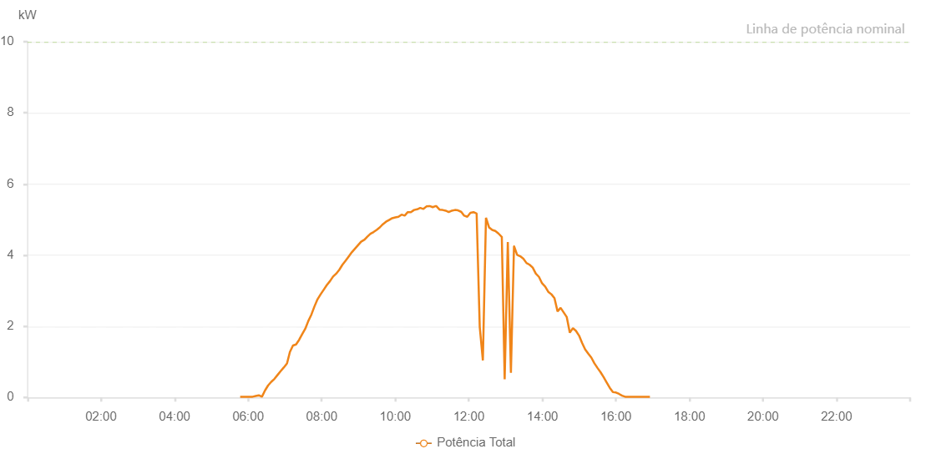

Number | Time | Working State | Alarm Code | Total Inverter Power(W)
1 | 28/06/2023 05:46:57 (UTC-4:00) | Normal |  | 20.000
2 | 28/06/2023 05:52:02 (UTC-4:00) | Normal |  | 20.000
3 | 28/06/2023 05:57:06 (UTC-4:00) | Normal |  | 20.000
4 | 28/06/2023 06:02:11 (UTC-4:00) | Normal |  | 20.000
5 | 28/06/2023 06:07:16 (UTC-4:00) | Normal |  | 20.000
6 | 28/06/2023 06:12:20 (UTC-4:00) | Normal |  | 40.000
7 | 28/06/2023 06:17:25 (UTC-4:00) | Normal |  | 60.000
8 | 28/06/2023 06:22:30 (UTC-4:00) | Normal |  | 20.000
9 | 28/06/2023 06:27:35 (UTC-4:00) | Normal |  | 200.000
10 | 28/06/2023 06:32:39 (UTC-4:00) | Normal |  | 340.000
11 | 28/06/2023 06:37:44 (UTC-4:00) | Normal |  | 440.000
12 | 28/06/2023 06:42:48 (UTC-4:00) | Normal |  | 520.000
13 | 28/06/2023 06:47:53 (UTC-4:00) | Normal |  | 630.000
14 | 28/06/2023 06:52:57 (UTC-4:00) | Normal |  | 740.000
15 | 28/06/2023 06:58:02 (UTC-4:00) | Normal |  | 840.000
16 | 28/06/2023 07:03:07 (UTC-4:00) | Normal |  | 950.000
17 | 28/06/2023 07:03:18 (UTC-4:00) | Normal |  | 950.000
18 | 28/06/2023 07:08:07 (UTC-4:00) | Normal |  | 1280.000
19 | 28/06/2023 07:13:08 (UTC-4:00) | Normal |  | 1460.000
20 | 28/06/2023 07:18:08 (UTC-4:00) | Normal |  | 1490.000
21 | 28/06/2023 07:23:09 (UTC-4:00) | Normal |  | 1620.000
22 | 28/06/2023 07:28:10 (UTC-4:00) | Normal |  | 1780.000
23 | 28/06/2023 07:33:10 (UTC-4:00) | Normal |  | 1930.000
24 | 28/06/2023 07:38:10 (UTC-4:00) | Normal |  | 2150.000
25 | 28/06/2023 07:43:11 (UTC-4:00) | Normal |  | 2330.000
26 | 28/06/2023 07:48:12 (UTC-4:00) | Normal |  | 2560.000
27 | 28/06/2023 07:53:12 (UTC-4:00) | Normal |  | 2760.000
28 | 28/06/2023 07:58:15 (UTC-4:00) | Normal |  | 2900.000
29 | 28/06/2023 08:03:19 (UTC-4:00) | Normal |  | 3030.000
30 | 28/06/2023 08:08:24 (UTC-4:00) | Normal |  | 3160.000
31 | 28/06/2023 08:13:29 (UTC-4:00) | Normal |  | 3270.000
32 | 28/06/2023 08:18:33 (UTC-4:00) | Normal |  | 3400.000
33 | 28/06/2023 08:23:38 (UTC-4:00) | Normal |  | 3480.000
34 | 28/06/2023 08:28:42 (UTC-4:00) | Normal |  | 3590.000
35 | 28/06/2023 08:33:48 (UTC-4:00) | Normal |  | 3730.000
36 | 28/06/2023 08:38:52 (UTC-4:00) | Normal |  | 3840.000
37 | 28/06/2023 08:43:56 (UTC-4:00) | Normal |  | 3960.000
38 | 28/06/2023 08:49:01 (UTC-4:00) | Normal |  | 4080.000
39 | 28/06/2023 08:54:05 (UTC-4:00) | Normal |  | 4180.000
40 | 28/06/2023 08:59:10 (UTC-4:00) | Normal |  | 4280.000
41 | 28/06/2023 09:04:15 (UTC-4:00) | Normal |  | 4380.000
42 | 28/06/2023 09:09:19 (UTC-4:00) | Normal |  | 4430.000
43 | 28/06/2023 09:09:35 (UTC-4:00) | Normal |  | 4430.000
44 | 28/06/2023 09:14:25 (UTC-4:00) | Normal |  | 4520.000
45 | 28/06/2023 09:19:29 (UTC-4:00) | Normal |  | 4600.000
46 | 28/06/2023 09:24:33 (UTC-4:00) | Normal |  | 4650.000
47 | 28/06/2023 09:29:38 (UTC-4:00) | Normal |  | 4710.000
48 | 28/06/2023 09:34:43 (UTC-4:00) | Normal |  | 4780.000
49 | 28/06/2023 09:39:48 (UTC-4:00) | Normal |  | 4870.000
50 | 28/06/2023 09:44:52 (UTC-4:00) | Normal |  | 4940.000
51 | 28/06/2023 09:49:57 (UTC-4:00) | Normal |  | 4990.000
52 | 28/06/2023 09:55:03 (UTC-4:00) | Normal |  | 5040.000
53 | 28/06/2023 10:00:06 (UTC-4:00) | Normal |  | 5060.000
54 | 28/06/2023 10:05:11 (UTC-4:00) | Normal |  | 5080.000
55 | 28/06/2023 10:10:17 (UTC-4:00) | Normal |  | 5140.000
56 | 28/06/2023 10:15:21 (UTC-4:00) | Normal |  | 5110.000
57 | 28/06/2023 10:20:26 (UTC-4:00) | Normal |  | 5210.000
58 | 28/06/2023 10:25:31 (UTC-4:00) | Normal |  | 5210.000
59 | 28/06/2023 10:30:36 (UTC-4:00) | Normal |  | 5270.000
60 | 28/06/2023 10:35:40 (UTC-4:00) | Normal |  | 5290.000
61 | 28/06/2023 10:40:45 (UTC-4:00) | Normal |  | 5330.000
62 | 28/06/2023 10:45:50 (UTC-4:00) | Normal |  | 5300.000
63 | 28/06/2023 10:46:00 (UTC-4:00) | Normal |  | 5300.000
64 | 28/06/2023 10:50:55 (UTC-4:00) | Normal |  | 5370.000
65 | 28/06/2023 10:56:00 (UTC-4:00) | Normal |  | 5380.000
66 | 28/06/2023 10:56:11 (UTC-4:00) | Normal |  | 5380.000
67 | 28/06/2023 11:01:05 (UTC-4:00) | Normal |  | 5350.000
68 | 28/06/2023 11:06:10 (UTC-4:00) | Normal |  | 5380.000
69 | 28/06/2023 11:06:50 (UTC-4:00) | Normal |  | 5380.000
70 | 28/06/2023 11:12:14 (UTC-4:00) | Normal |  | 5280.000
71 | 28/06/2023 11:17:14 (UTC-4:00) | Normal |  | 5270.000
72 | 28/06/2023 11:17:25 (UTC-4:00) | Normal |  | 5270.000
73 | 28/06/2023 11:22:15 (UTC-4:00) | Normal |  | 5250.000
74 | 28/06/2023 11:27:17 (UTC-4:00) | Normal |  | 5210.000
75 | 28/06/2023 11:32:19 (UTC-4:00) | Normal |  | 5250.000
76 | 28/06/2023 11:37:22 (UTC-4:00) | Normal |  | 5270.000
77 | 28/06/2023 11:42:22 (UTC-4:00) | Normal |  | 5260.000
78 | 28/06/2023 11:47:22 (UTC-4:00) | Normal |  | 5220.000
79 | 28/06/2023 11:47:33 (UTC-4:00) | Normal |  | 5220.000
80 | 28/06/2023 11:52:27 (UTC-4:00) | Normal |  | 5110.000
81 | 28/06/2023 11:57:31 (UTC-4:00) | Normal |  | 5080.000
82 | 28/06/2023 12:02:37 (UTC-4:00) | Normal |  | 5190.000
83 | 28/06/2023 12:07:40 (UTC-4:00) | Normal |  | 5210.000
84 | 28/06/2023 12:12:45 (UTC-4:00) | Normal |  | 5170.000
85 | 28/06/2023 12:17:50 (UTC-4:00) | Normal |  | 1980.000
86 | 28/06/2023 12:22:56 (UTC-4:00) | Normal |  | 1040.000
87 | 28/06/2023 12:27:59 (UTC-4:00) | Normal |  | 5050.000
88 | 28/06/2023 12:33:04 (UTC-4:00) | Normal |  | 4780.000
89 | 28/06/2023 12:38:09 (UTC-4:00) | Normal |  | 4710.000
90 | 28/06/2023 12:43:15 (UTC-4:00) | Normal |  | 4680.000
91 | 28/06/2023 12:48:19 (UTC-4:00) | Normal |  | 4610.000
92 | 28/06/2023 12:53:24 (UTC-4:00) | Normal |  | 4520.000
93 | 28/06/2023 12:53:50 (UTC-4:00) | Normal |  | 4520.000
94 | 28/06/2023 12:58:30 (UTC-4:00) | Normal |  | 510.000
95 | 28/06/2023 13:03:37 (UTC-4:00) | Normal |  | 4370.000
96 | 28/06/2023 13:08:41 (UTC-4:00) | Normal |  | 690.000
97 | 28/06/2023 13:13:44 (UTC-4:00) | Normal |  | 4250.000
98 | 28/06/2023 13:13:55 (UTC-4:00) | Normal |  | 4250.000
99 | 28/06/2023 13:18:49 (UTC-4:00) | Normal |  | 4010.000
100 | 28/06/2023 13:23:56 (UTC-4:00) | Normal |  | 3970.000
101 | 28/06/2023 13:29:01 (UTC-4:00) | Normal |  | 3900.000
102 | 28/06/2023 13:34:06 (UTC-4:00) | Normal |  | 3780.000
103 | 28/06/2023 13:39:11 (UTC-4:00) | Normal |  | 3730.000
104 | 28/06/2023 13:44:15 (UTC-4:00) | Normal |  | 3650.000
105 | 28/06/2023 13:49:20 (UTC-4:00) | Normal |  | 3480.000
106 | 28/06/2023 13:54:25 (UTC-4:00) | Normal |  | 3390.000
107 | 28/06/2023 13:59:30 (UTC-4:00) | Normal |  | 3210.000
108 | 28/06/2023 14:04:34 (UTC-4:00) | Normal |  | 3120.000
109 | 28/06/2023 14:09:39 (UTC-4:00) | Normal |  | 2970.000
110 | 28/06/2023 14:14:44 (UTC-4:00) | Normal |  | 2900.000
111 | 28/06/2023 14:19:45 (UTC-4:00) | Normal |  | 2790.000
112 | 28/06/2023 14:24:46 (UTC-4:00) | Normal |  | 2420.000
113 | 28/06/2023 14:29:46 (UTC-4:00) | Normal |  | 2520.000
114 | 28/06/2023 14:34:47 (UTC-4:00) | Normal |  | 2390.000
115 | 28/06/2023 14:39:48 (UTC-4:00) | Normal |  | 2260.000
116 | 28/06/2023 14:44:49 (UTC-4:00) | Normal |  | 1820.000
117 | 28/06/2023 14:49:49 (UTC-4:00) | Normal |  | 1950.000
118 | 28/06/2023 14:54:50 (UTC-4:00) | Normal |  | 1870.000
119 | 28/06/2023 14:59:51 (UTC-4:00) | Normal |  | 1740.000
120 | 28/06/2023 15:04:52 (UTC-4:00) | Normal |  | 1530.000
121 | 28/06/2023 15:09:53 (UTC-4:00) | Normal |  | 1350.000
122 | 28/06/2023 15:14:53 (UTC-4:00) | Normal |  | 1230.000
123 | 28/06/2023 15:19:54 (UTC-4:00) | Normal |  | 1120.000
124 | 28/06/2023 15:24:55 (UTC-4:00) | Normal |  | 960.000
125 | 28/06/2023 15:29:56 (UTC-4:00) | Normal |  | 830.000
126 | 28/06/2023 15:34:56 (UTC-4:00) | Normal |  | 710.000
127 | 28/06/2023 15:39:57 (UTC-4:00) | Normal |  | 570.000
128 | 28/06/2023 15:44:58 (UTC-4:00) | Normal |  | 420.000
129 | 28/06/2023 15:49:59 (UTC-4:00) | Normal |  | 270.000
130 | 28/06/2023 15:55:02 (UTC-4:00) | Normal |  | 150.000
131 | 28/06/2023 16:00:02 (UTC-4:00) | Normal |  | 140.000
132 | 28/06/2023 16:05:03 (UTC-4:00) | Normal |  | 100.000
133 | 28/06/2023 16:10:05 (UTC-4:00) | Normal |  | 50.000
134 | 28/06/2023 16:15:05 (UTC-4:00) | Normal |  | 20.000
135 | 28/06/2023 16:20:10 (UTC-4:00) | Normal |  | 20.000
136 | 28/06/2023 16:25:15 (UTC-4:00) | Normal |  | 20.000
137 | 28/06/2023 16:30:20 (UTC-4:00) | Normal |  | 20.000
138 | 28/06/2023 16:35:25 (UTC-4:00) | Normal |  | 20.000
139 | 28/06/2023 16:40:25 (UTC-4:00) | Normal |  | 20.000
140 | 28/06/2023 16:45:26 (UTC-4:00) | Normal |  | 20.000
141 | 28/06/2023 16:50:27 (UTC-4:00) | Normal |  | 20.000
142 | 28/06/2023 16:55:28 (UTC-4:00) | Normal |  | 20.000

