Inverter History Report__17-08-
Inverter History Report_29/06/2023_Report

Inverter SN:054B7020C020044 |  | Inverter type:B7
Collector SN:4045086367 |  | Full Load Hours(h):3.21
Rated Power:10000Wp

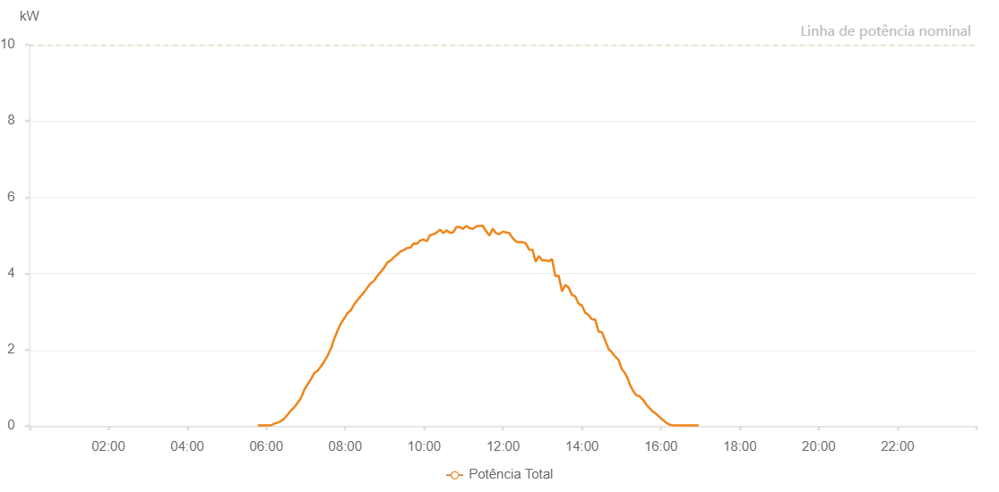

Number | Time | Working State | Alarm Code | Total Inverter Power(W)
1 | 29/06/2023 05:47:06 (UTC-4:00) | Normal |  | 20.000
2 | 29/06/2023 05:52:05 (UTC-4:00) | Normal |  | 20.000
3 | 29/06/2023 05:57:06 (UTC-4:00) | Normal |  | 20.000
4 | 29/06/2023 06:02:09 (UTC-4:00) | Normal |  | 20.000
5 | 29/06/2023 06:07:10 (UTC-4:00) | Normal |  | 20.000
6 | 29/06/2023 06:12:14 (UTC-4:00) | Normal |  | 60.000
7 | 29/06/2023 06:17:17 (UTC-4:00) | Normal |  | 90.000
8 | 29/06/2023 06:22:21 (UTC-4:00) | Normal |  | 130.000
9 | 29/06/2023 06:27:25 (UTC-4:00) | Normal |  | 200.000
10 | 29/06/2023 06:32:27 (UTC-4:00) | Normal |  | 300.000
11 | 29/06/2023 06:37:30 (UTC-4:00) | Normal |  | 410.000
12 | 29/06/2023 06:42:33 (UTC-4:00) | Normal |  | 490.000
13 | 29/06/2023 06:47:37 (UTC-4:00) | Normal |  | 610.000
14 | 29/06/2023 06:52:39 (UTC-4:00) | Normal |  | 730.000
15 | 29/06/2023 06:57:44 (UTC-4:00) | Normal |  | 950.000
16 | 29/06/2023 07:02:46 (UTC-4:00) | Normal |  | 1090.000
17 | 29/06/2023 07:07:58 (UTC-4:00) | Normal |  | 1230.000
18 | 29/06/2023 07:12:56 (UTC-4:00) | Normal |  | 1390.000
19 | 29/06/2023 07:17:57 (UTC-4:00) | Normal |  | 1450.000
20 | 29/06/2023 07:23:01 (UTC-4:00) | Normal |  | 1560.000
21 | 29/06/2023 07:28:04 (UTC-4:00) | Normal |  | 1690.000
22 | 29/06/2023 07:33:07 (UTC-4:00) | Normal |  | 1840.000
23 | 29/06/2023 07:38:24 (UTC-4:00) | Normal |  | 2040.000
24 | 29/06/2023 07:38:34 (UTC-4:00) | Normal |  | 2040.000
25 | 29/06/2023 07:43:13 (UTC-4:00) | Normal |  | 2280.000
26 | 29/06/2023 07:48:17 (UTC-4:00) | Normal |  | 2500.000
27 | 29/06/2023 07:53:19 (UTC-4:00) | Normal |  | 2690.000
28 | 29/06/2023 07:58:24 (UTC-4:00) | Normal |  | 2820.000
29 | 29/06/2023 08:03:26 (UTC-4:00) | Normal |  | 2960.000
30 | 29/06/2023 08:08:28 (UTC-4:00) | Normal |  | 3030.000
31 | 29/06/2023 08:13:32 (UTC-4:00) | Normal |  | 3190.000
32 | 29/06/2023 08:18:35 (UTC-4:00) | Normal |  | 3300.000
33 | 29/06/2023 08:23:43 (UTC-4:00) | Normal |  | 3410.000
34 | 29/06/2023 08:28:43 (UTC-4:00) | Normal |  | 3510.000
35 | 29/06/2023 08:33:46 (UTC-4:00) | Normal |  | 3630.000
36 | 29/06/2023 08:38:50 (UTC-4:00) | Normal |  | 3740.000
37 | 29/06/2023 08:43:53 (UTC-4:00) | Normal |  | 3810.000
38 | 29/06/2023 08:48:58 (UTC-4:00) | Normal |  | 3940.000
39 | 29/06/2023 08:53:59 (UTC-4:00) | Normal |  | 4040.000
40 | 29/06/2023 08:59:03 (UTC-4:00) | Normal |  | 4150.000
41 | 29/06/2023 09:04:06 (UTC-4:00) | Normal |  | 4290.000
42 | 29/06/2023 09:09:10 (UTC-4:00) | Normal |  | 4340.000
43 | 29/06/2023 09:14:13 (UTC-4:00) | Normal |  | 4430.000
44 | 29/06/2023 09:14:28 (UTC-4:00) | Normal |  | 4430.000
45 | 29/06/2023 09:19:14 (UTC-4:00) | Normal |  | 4500.000
46 | 29/06/2023 09:24:18 (UTC-4:00) | Normal |  | 4580.000
47 | 29/06/2023 09:24:29 (UTC-4:00) | Normal |  | 4580.000
48 | 29/06/2023 09:29:21 (UTC-4:00) | Normal |  | 4620.000
49 | 29/06/2023 09:34:20 (UTC-4:00) | Normal |  | 4670.000
50 | 29/06/2023 09:39:19 (UTC-4:00) | Normal |  | 4680.000
51 | 29/06/2023 09:44:19 (UTC-4:00) | Normal |  | 4790.000
52 | 29/06/2023 09:49:18 (UTC-4:00) | Normal |  | 4780.000
53 | 29/06/2023 09:54:17 (UTC-4:00) | Normal |  | 4870.000
54 | 29/06/2023 09:59:17 (UTC-4:00) | Normal |  | 4890.000
55 | 29/06/2023 10:04:17 (UTC-4:00) | Normal |  | 4850.000
56 | 29/06/2023 10:09:16 (UTC-4:00) | Normal |  | 5010.000
57 | 29/06/2023 10:14:15 (UTC-4:00) | Normal |  | 5030.000
58 | 29/06/2023 10:19:14 (UTC-4:00) | Normal |  | 5080.000
59 | 29/06/2023 10:24:14 (UTC-4:00) | Normal |  | 5150.000
60 | 29/06/2023 10:29:13 (UTC-4:00) | Normal |  | 5060.000
61 | 29/06/2023 10:34:14 (UTC-4:00) | Normal |  | 5130.000
62 | 29/06/2023 10:39:13 (UTC-4:00) | Normal |  | 5070.000
63 | 29/06/2023 10:44:13 (UTC-4:00) | Normal |  | 5080.000
64 | 29/06/2023 10:49:12 (UTC-4:00) | Normal |  | 5220.000
65 | 29/06/2023 10:54:12 (UTC-4:00) | Normal |  | 5220.000
66 | 29/06/2023 10:59:12 (UTC-4:00) | Normal |  | 5170.000
67 | 29/06/2023 11:04:11 (UTC-4:00) | Normal |  | 5250.000
68 | 29/06/2023 11:09:10 (UTC-4:00) | Normal |  | 5190.000
69 | 29/06/2023 11:14:09 (UTC-4:00) | Normal |  | 5170.000
70 | 29/06/2023 11:19:09 (UTC-4:00) | Normal |  | 5240.000
71 | 29/06/2023 11:24:08 (UTC-4:00) | Normal |  | 5250.000
72 | 29/06/2023 11:29:07 (UTC-4:00) | Normal |  | 5250.000
73 | 29/06/2023 11:34:07 (UTC-4:00) | Normal |  | 5120.000
74 | 29/06/2023 11:39:10 (UTC-4:00) | Normal |  | 4990.000
75 | 29/06/2023 11:44:13 (UTC-4:00) | Normal |  | 5170.000
76 | 29/06/2023 11:44:24 (UTC-4:00) | Normal |  | 5170.000
77 | 29/06/2023 11:49:16 (UTC-4:00) | Normal |  | 5060.000
78 | 29/06/2023 11:54:19 (UTC-4:00) | Normal |  | 5030.000
79 | 29/06/2023 11:59:22 (UTC-4:00) | Normal |  | 5100.000
80 | 29/06/2023 12:04:25 (UTC-4:00) | Normal |  | 5080.000
81 | 29/06/2023 12:09:29 (UTC-4:00) | Normal |  | 5060.000
82 | 29/06/2023 12:14:31 (UTC-4:00) | Normal |  | 4930.000
83 | 29/06/2023 12:19:34 (UTC-4:00) | Normal |  | 4840.000
84 | 29/06/2023 12:24:37 (UTC-4:00) | Normal |  | 4820.000
85 | 29/06/2023 12:25:34 (UTC-4:00) | Normal |  | 4820.000
86 | 29/06/2023 12:29:37 (UTC-4:00) | Normal |  | 4820.000
87 | 29/06/2023 12:34:36 (UTC-4:00) | Normal |  | 4790.000
88 | 29/06/2023 12:39:35 (UTC-4:00) | Normal |  | 4630.000
89 | 29/06/2023 12:44:34 (UTC-4:00) | Normal |  | 4620.000
90 | 29/06/2023 12:44:46 (UTC-4:00) | Normal |  | 4620.000
91 | 29/06/2023 12:49:33 (UTC-4:00) | Normal |  | 4310.000
92 | 29/06/2023 12:54:32 (UTC-4:00) | Normal |  | 4460.000
93 | 29/06/2023 12:59:31 (UTC-4:00) | Normal |  | 4340.000
94 | 29/06/2023 13:04:31 (UTC-4:00) | Normal |  | 4350.000
95 | 29/06/2023 13:09:31 (UTC-4:00) | Normal |  | 4320.000
96 | 29/06/2023 13:14:29 (UTC-4:00) | Normal |  | 4380.000
97 | 29/06/2023 13:19:31 (UTC-4:00) | Normal |  | 3930.000
98 | 29/06/2023 13:24:34 (UTC-4:00) | Normal |  | 3950.000
99 | 29/06/2023 13:29:39 (UTC-4:00) | Normal |  | 3530.000
100 | 29/06/2023 13:34:41 (UTC-4:00) | Normal |  | 3700.000
101 | 29/06/2023 13:39:44 (UTC-4:00) | Normal |  | 3630.000
102 | 29/06/2023 13:44:47 (UTC-4:00) | Normal |  | 3440.000
103 | 29/06/2023 13:49:52 (UTC-4:00) | Normal |  | 3400.000
104 | 29/06/2023 13:54:54 (UTC-4:00) | Normal |  | 3210.000
105 | 29/06/2023 13:59:58 (UTC-4:00) | Normal |  | 3160.000
106 | 29/06/2023 14:05:01 (UTC-4:00) | Normal |  | 2970.000
107 | 29/06/2023 14:10:05 (UTC-4:00) | Normal |  | 2910.000
108 | 29/06/2023 14:15:08 (UTC-4:00) | Normal |  | 2800.000
109 | 29/06/2023 14:20:11 (UTC-4:00) | Normal |  | 2790.000
110 | 29/06/2023 14:25:15 (UTC-4:00) | Normal |  | 2480.000
111 | 29/06/2023 14:30:18 (UTC-4:00) | Normal |  | 2460.000
112 | 29/06/2023 14:35:22 (UTC-4:00) | Normal |  | 2240.000
113 | 29/06/2023 14:40:25 (UTC-4:00) | Normal |  | 2020.000
114 | 29/06/2023 14:45:28 (UTC-4:00) | Normal |  | 1930.000
115 | 29/06/2023 14:50:33 (UTC-4:00) | Normal |  | 1820.000
116 | 29/06/2023 14:50:43 (UTC-4:00) | Normal |  | 1820.000
117 | 29/06/2023 14:55:35 (UTC-4:00) | Normal |  | 1730.000
118 | 29/06/2023 15:00:39 (UTC-4:00) | Normal |  | 1490.000
119 | 29/06/2023 15:05:42 (UTC-4:00) | Normal |  | 1380.000
120 | 29/06/2023 15:10:45 (UTC-4:00) | Normal |  | 1200.000
121 | 29/06/2023 15:11:00 (UTC-4:00) | Normal |  | 1200.000
122 | 29/06/2023 15:12:26 (UTC-4:00) | Normal |  | 1100.000
123 | 29/06/2023 15:17:45 (UTC-4:00) | Normal |  | 920.000
124 | 29/06/2023 15:22:42 (UTC-4:00) | Normal |  | 810.000
125 | 29/06/2023 15:27:42 (UTC-4:00) | Normal |  | 780.000
126 | 29/06/2023 15:32:39 (UTC-4:00) | Normal |  | 690.000
127 | 29/06/2023 15:37:38 (UTC-4:00) | Normal |  | 570.000
128 | 29/06/2023 15:42:38 (UTC-4:00) | Normal |  | 470.000
129 | 29/06/2023 15:42:49 (UTC-4:00) | Normal |  | 470.000
130 | 29/06/2023 15:47:38 (UTC-4:00) | Normal |  | 380.000
131 | 29/06/2023 15:52:42 (UTC-4:00) | Normal |  | 320.000
132 | 29/06/2023 15:57:45 (UTC-4:00) | Normal |  | 240.000
133 | 29/06/2023 16:02:51 (UTC-4:00) | Normal |  | 160.000
134 | 29/06/2023 16:03:01 (UTC-4:00) | Normal |  | 160.000
135 | 29/06/2023 16:07:50 (UTC-4:00) | Normal |  | 90.000
136 | 29/06/2023 16:12:49 (UTC-4:00) | Normal |  | 40.000
137 | 29/06/2023 16:17:48 (UTC-4:00) | Normal |  | 20.000
138 | 29/06/2023 16:22:46 (UTC-4:00) | Normal |  | 20.000
139 | 29/06/2023 16:27:46 (UTC-4:00) | Normal |  | 20.000
140 | 29/06/2023 16:32:45 (UTC-4:00) | Normal |  | 20.000
141 | 29/06/2023 16:37:49 (UTC-4:00) | Normal |  | 20.000
142 | 29/06/2023 16:42:41 (UTC-4:00) | Normal |  | 20.000
143 | 29/06/2023 16:47:40 (UTC-4:00) | Normal |  | 20.000
144 | 29/06/2023 16:52:40 (UTC-4:00) | Normal |  | 20.000
145 | 29/06/2023 16:57:38 (UTC-4:00) | Normal |  | 20.000

