Inverter History Report__17-08-
Inverter History Report_30/06/2023_Report

Inverter SN:054B7020C020044 |  | Inverter type:B7
Collector SN:4045086367 |  | Full Load Hours(h):2.98
Rated Power:10000Wp

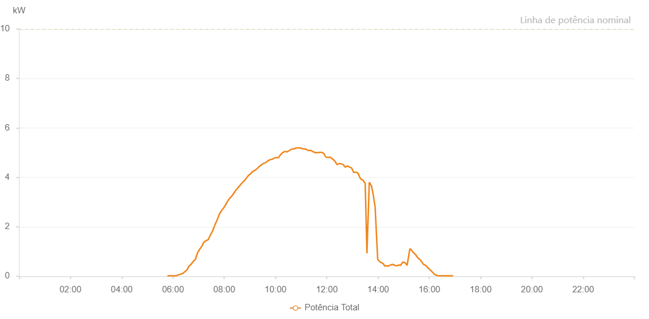

Number | Time | Working State | Alarm Code | Total Inverter Power(W)
1 | 30/06/2023 05:46:54 (UTC-4:00) | Normal |  | 20.000
2 | 30/06/2023 05:51:57 (UTC-4:00) | Normal |  | 20.000
3 | 30/06/2023 05:56:58 (UTC-4:00) | Normal |  | 20.000
4 | 30/06/2023 06:02:02 (UTC-4:00) | Normal |  | 20.000
5 | 30/06/2023 06:07:07 (UTC-4:00) | Normal |  | 20.000
6 | 30/06/2023 06:12:09 (UTC-4:00) | Normal |  | 50.000
7 | 30/06/2023 06:17:13 (UTC-4:00) | Normal |  | 80.000
8 | 30/06/2023 06:22:58 (UTC-4:00) | Normal |  | 110.000
9 | 30/06/2023 06:27:24 (UTC-4:00) | Normal |  | 180.000
10 | 30/06/2023 06:32:15 (UTC-4:00) | Normal |  | 240.000
11 | 30/06/2023 06:37:17 (UTC-4:00) | Normal |  | 400.000
12 | 30/06/2023 06:42:18 (UTC-4:00) | Normal |  | 480.000
13 | 30/06/2023 06:47:24 (UTC-4:00) | Normal |  | 600.000
14 | 30/06/2023 06:52:22 (UTC-4:00) | Normal |  | 680.000
15 | 30/06/2023 06:57:21 (UTC-4:00) | Normal |  | 940.000
16 | 30/06/2023 07:02:22 (UTC-4:00) | Normal |  | 1090.000
17 | 30/06/2023 07:07:23 (UTC-4:00) | Normal |  | 1210.000
18 | 30/06/2023 07:12:23 (UTC-4:00) | Normal |  | 1380.000
19 | 30/06/2023 07:17:27 (UTC-4:00) | Normal |  | 1440.000
20 | 30/06/2023 07:22:35 (UTC-4:00) | Normal |  | 1480.000
21 | 30/06/2023 07:27:36 (UTC-4:00) | Normal |  | 1670.000
22 | 30/06/2023 07:32:42 (UTC-4:00) | Normal |  | 1830.000
23 | 30/06/2023 07:38:14 (UTC-4:00) | Normal |  | 2080.000
24 | 30/06/2023 07:42:52 (UTC-4:00) | Normal |  | 2260.000
25 | 30/06/2023 07:47:56 (UTC-4:00) | Normal |  | 2480.000
26 | 30/06/2023 07:48:38 (UTC-4:00) | Normal |  | 2510.000
27 | 30/06/2023 07:54:15 (UTC-4:00) | Normal |  | 2670.000
28 | 30/06/2023 07:59:13 (UTC-4:00) | Normal |  | 2780.000
29 | 30/06/2023 08:04:14 (UTC-4:00) | Normal |  | 2920.000
30 | 30/06/2023 08:04:34 (UTC-4:00) | Normal |  | 2940.000
31 | 30/06/2023 08:09:52 (UTC-4:00) | Normal |  | 3090.000
32 | 30/06/2023 08:14:46 (UTC-4:00) | Normal |  | 3190.000
33 | 30/06/2023 08:15:03 (UTC-4:00) | Normal |  | 3190.000
34 | 30/06/2023 08:15:32 (UTC-4:00) | Normal |  | 3220.000
35 | 30/06/2023 08:16:12 (UTC-4:00) | Normal |  | 3210.000
36 | 30/06/2023 08:20:56 (UTC-4:00) | Normal |  | 3320.000
37 | 30/06/2023 08:26:29 (UTC-4:00) | Normal |  | 3460.000
38 | 30/06/2023 08:31:32 (UTC-4:00) | Normal |  | 3570.000
39 | 30/06/2023 08:36:33 (UTC-4:00) | Normal |  | 3670.000
40 | 30/06/2023 08:41:25 (UTC-4:00) | Normal |  | 3770.000
41 | 30/06/2023 08:46:26 (UTC-4:00) | Normal |  | 3850.000
42 | 30/06/2023 08:51:24 (UTC-4:00) | Normal |  | 3960.000
43 | 30/06/2023 08:56:22 (UTC-4:00) | Normal |  | 4070.000
44 | 30/06/2023 09:01:22 (UTC-4:00) | Normal |  | 4140.000
45 | 30/06/2023 09:06:20 (UTC-4:00) | Normal |  | 4230.000
46 | 30/06/2023 09:11:19 (UTC-4:00) | Normal |  | 4280.000
47 | 30/06/2023 09:16:17 (UTC-4:00) | Normal |  | 4340.000
48 | 30/06/2023 09:21:18 (UTC-4:00) | Normal |  | 4430.000
49 | 30/06/2023 09:26:20 (UTC-4:00) | Normal |  | 4500.000
50 | 30/06/2023 09:31:24 (UTC-4:00) | Normal |  | 4560.000
51 | 30/06/2023 09:31:35 (UTC-4:00) | Normal |  | 4560.000
52 | 30/06/2023 09:36:25 (UTC-4:00) | Normal |  | 4590.000
53 | 30/06/2023 09:41:28 (UTC-4:00) | Normal |  | 4660.000
54 | 30/06/2023 09:41:39 (UTC-4:00) | Normal |  | 4660.000
55 | 30/06/2023 09:46:30 (UTC-4:00) | Normal |  | 4710.000
56 | 30/06/2023 09:51:33 (UTC-4:00) | Normal |  | 4730.000
57 | 30/06/2023 09:51:48 (UTC-4:00) | Normal |  | 4730.000
58 | 30/06/2023 09:56:36 (UTC-4:00) | Normal |  | 4770.000
59 | 30/06/2023 10:01:39 (UTC-4:00) | Normal |  | 4800.000
60 | 30/06/2023 10:06:42 (UTC-4:00) | Normal |  | 4790.000
61 | 30/06/2023 10:11:45 (UTC-4:00) | Normal |  | 4920.000
62 | 30/06/2023 10:16:49 (UTC-4:00) | Normal |  | 5000.000
63 | 30/06/2023 10:21:51 (UTC-4:00) | Normal |  | 5050.000
64 | 30/06/2023 10:26:54 (UTC-4:00) | Normal |  | 5030.000
65 | 30/06/2023 10:31:57 (UTC-4:00) | Normal |  | 5080.000
66 | 30/06/2023 10:37:01 (UTC-4:00) | Normal |  | 5140.000
67 | 30/06/2023 10:42:04 (UTC-4:00) | Normal |  | 5150.000
68 | 30/06/2023 10:47:07 (UTC-4:00) | Normal |  | 5180.000
69 | 30/06/2023 10:52:12 (UTC-4:00) | Normal |  | 5190.000
70 | 30/06/2023 10:57:14 (UTC-4:00) | Normal |  | 5190.000
71 | 30/06/2023 11:02:16 (UTC-4:00) | Normal |  | 5160.000
72 | 30/06/2023 11:07:18 (UTC-4:00) | Normal |  | 5150.000
73 | 30/06/2023 11:12:21 (UTC-4:00) | Normal |  | 5130.000
74 | 30/06/2023 11:17:25 (UTC-4:00) | Normal |  | 5080.000
75 | 30/06/2023 11:17:36 (UTC-4:00) | Normal |  | 5080.000
76 | 30/06/2023 11:22:30 (UTC-4:00) | Normal |  | 5090.000
77 | 30/06/2023 11:27:30 (UTC-4:00) | Normal |  | 5040.000
78 | 30/06/2023 11:32:34 (UTC-4:00) | Normal |  | 5000.000
79 | 30/06/2023 11:37:36 (UTC-4:00) | Normal |  | 5000.000
80 | 30/06/2023 11:42:39 (UTC-4:00) | Normal |  | 5010.000
81 | 30/06/2023 11:47:41 (UTC-4:00) | Normal |  | 5010.000
82 | 30/06/2023 11:52:44 (UTC-4:00) | Normal |  | 4970.000
83 | 30/06/2023 11:57:49 (UTC-4:00) | Normal |  | 4820.000
84 | 30/06/2023 12:02:52 (UTC-4:00) | Normal |  | 4810.000
85 | 30/06/2023 12:07:55 (UTC-4:00) | Normal |  | 4810.000
86 | 30/06/2023 12:08:06 (UTC-4:00) | Normal |  | 4810.000
87 | 30/06/2023 12:12:58 (UTC-4:00) | Normal |  | 4750.000
88 | 30/06/2023 12:18:02 (UTC-4:00) | Normal |  | 4670.000
89 | 30/06/2023 12:18:31 (UTC-4:00) | Normal |  | 4670.000
90 | 30/06/2023 12:23:33 (UTC-4:00) | Normal |  | 4520.000
91 | 30/06/2023 12:23:34 (UTC-4:00) | Normal |  | 4520.000
92 | 30/06/2023 12:23:53 (UTC-4:00) | Normal |  | 4520.000
93 | 30/06/2023 12:28:07 (UTC-4:00) | Normal |  | 4550.000
94 | 30/06/2023 12:33:06 (UTC-4:00) | Normal |  | 4550.000
95 | 30/06/2023 12:38:02 (UTC-4:00) | Normal |  | 4520.000
96 | 30/06/2023 12:43:01 (UTC-4:00) | Normal |  | 4410.000
97 | 30/06/2023 12:48:00 (UTC-4:00) | Normal |  | 4460.000
98 | 30/06/2023 12:52:58 (UTC-4:00) | Normal |  | 4420.000
99 | 30/06/2023 12:57:58 (UTC-4:00) | Normal |  | 4380.000
100 | 30/06/2023 13:02:57 (UTC-4:00) | Normal |  | 4200.000
101 | 30/06/2023 13:07:55 (UTC-4:00) | Normal |  | 4210.000
102 | 30/06/2023 13:12:54 (UTC-4:00) | Normal |  | 4170.000
103 | 30/06/2023 13:18:47 (UTC-4:00) | Normal |  | 3940.000
104 | 30/06/2023 13:24:29 (UTC-4:00) | Normal |  | 3890.000
105 | 30/06/2023 13:29:50 (UTC-4:00) | Normal |  | 3760.000
106 | 30/06/2023 13:33:55 (UTC-4:00) | Normal |  | 930.000
107 | 30/06/2023 13:39:26 (UTC-4:00) | Normal |  | 3800.000
108 | 30/06/2023 13:44:13 (UTC-4:00) | Normal |  | 3670.000
109 | 30/06/2023 13:48:26 (UTC-4:00) | Normal |  | 3320.000
110 | 30/06/2023 13:53:00 (UTC-4:00) | Normal |  | 2810.000
111 | 30/06/2023 13:59:08 (UTC-4:00) | Normal |  | 680.000
112 | 30/06/2023 14:05:07 (UTC-4:00) | Normal |  | 570.000
113 | 30/06/2023 14:11:12 (UTC-4:00) | Normal |  | 520.000
114 | 30/06/2023 14:15:56 (UTC-4:00) | Normal |  | 410.000
115 | 30/06/2023 14:18:01 (UTC-4:00) | Normal |  | 420.000
116 | 30/06/2023 14:22:54 (UTC-4:00) | Normal |  | 410.000
117 | 30/06/2023 14:28:44 (UTC-4:00) | Normal |  | 450.000
118 | 30/06/2023 14:34:10 (UTC-4:00) | Normal |  | 480.000
119 | 30/06/2023 14:39:22 (UTC-4:00) | Normal |  | 440.000
120 | 30/06/2023 14:43:44 (UTC-4:00) | Normal |  | 420.000
121 | 30/06/2023 14:47:38 (UTC-4:00) | Normal |  | 450.000
122 | 30/06/2023 14:52:35 (UTC-4:00) | Normal |  | 440.000
123 | 30/06/2023 14:58:15 (UTC-4:00) | Normal |  | 580.000
124 | 30/06/2023 15:03:32 (UTC-4:00) | Normal |  | 540.000
125 | 30/06/2023 15:07:59 (UTC-4:00) | Normal |  | 440.000
126 | 30/06/2023 15:14:21 (UTC-4:00) | Normal |  | 1110.000
127 | 30/06/2023 15:17:14 (UTC-4:00) | Normal |  | 1080.000
128 | 30/06/2023 15:21:47 (UTC-4:00) | Normal |  | 970.000
129 | 30/06/2023 15:27:33 (UTC-4:00) | Normal |  | 880.000
130 | 30/06/2023 15:32:46 (UTC-4:00) | Normal |  | 750.000
131 | 30/06/2023 15:38:30 (UTC-4:00) | Normal |  | 670.000
132 | 30/06/2023 15:43:23 (UTC-4:00) | Normal |  | 550.000
133 | 30/06/2023 15:46:51 (UTC-4:00) | Normal |  | 470.000
134 | 30/06/2023 15:52:15 (UTC-4:00) | Normal |  | 430.000
135 | 30/06/2023 15:56:35 (UTC-4:00) | Normal |  | 340.000
136 | 30/06/2023 16:01:48 (UTC-4:00) | Normal |  | 260.000
137 | 30/06/2023 16:08:06 (UTC-4:00) | Normal |  | 150.000
138 | 30/06/2023 16:12:49 (UTC-4:00) | Normal |  | 70.000
139 | 30/06/2023 16:16:28 (UTC-4:00) | Normal |  | 40.000
140 | 30/06/2023 16:20:45 (UTC-4:00) | Normal |  | 20.000
141 | 30/06/2023 16:26:06 (UTC-4:00) | Normal |  | 20.000
142 | 30/06/2023 16:30:54 (UTC-4:00) | Normal |  | 20.000
143 | 30/06/2023 16:36:42 (UTC-4:00) | Normal |  | 20.000
144 | 30/06/2023 16:42:14 (UTC-4:00) | Normal |  | 20.000
145 | 30/06/2023 16:46:05 (UTC-4:00) | Normal |  | 20.000
146 | 30/06/2023 16:50:49 (UTC-4:00) | Normal |  | 20.000
147 | 30/06/2023 16:55:42 (UTC-4:00) | Normal |  | 20.000

