Inverter History Report__17-08-
Inverter History Report_01/07/2023_Report

Inverter SN:054B7020C020044 |  | Inverter type:B7
Collector SN:4045086367 |  | Full Load Hours(h):3.16
Rated Power:10000Wp

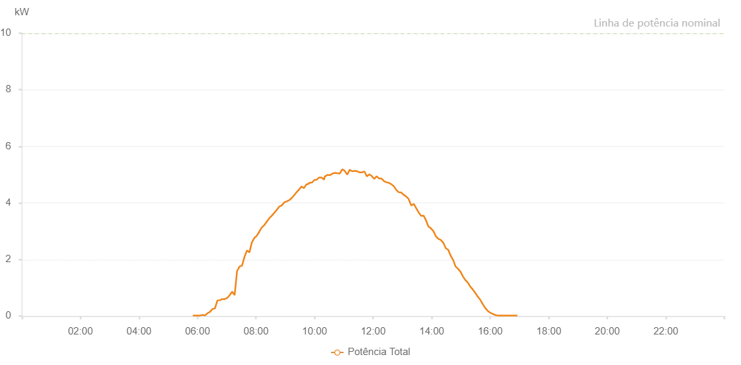

Number | Time | Working State | Alarm Code | Total Inverter Power(W)
1 | 01/07/2023 05:50:22 (UTC-4:00) | Normal |  | 20.000
2 | 01/07/2023 05:55:20 (UTC-4:00) | Normal |  | 20.000
3 | 01/07/2023 06:00:20 (UTC-4:00) | Normal |  | 20.000
4 | 01/07/2023 06:05:22 (UTC-4:00) | Normal |  | 20.000
5 | 01/07/2023 06:05:33 (UTC-4:00) | Normal |  | 20.000
6 | 01/07/2023 06:10:24 (UTC-4:00) | Normal |  | 40.000
7 | 01/07/2023 06:15:27 (UTC-4:00) | Normal |  | 20.000
8 | 01/07/2023 06:20:31 (UTC-4:00) | Normal |  | 100.000
9 | 01/07/2023 06:25:35 (UTC-4:00) | Normal |  | 150.000
10 | 01/07/2023 06:30:38 (UTC-4:00) | Normal |  | 250.000
11 | 01/07/2023 06:35:42 (UTC-4:00) | Normal |  | 270.000
12 | 01/07/2023 06:40:46 (UTC-4:00) | Normal |  | 550.000
13 | 01/07/2023 06:45:49 (UTC-4:00) | Normal |  | 560.000
14 | 01/07/2023 06:50:51 (UTC-4:00) | Normal |  | 600.000
15 | 01/07/2023 06:55:54 (UTC-4:00) | Normal |  | 600.000
16 | 01/07/2023 07:00:55 (UTC-4:00) | Normal |  | 640.000
17 | 01/07/2023 07:05:58 (UTC-4:00) | Normal |  | 740.000
18 | 01/07/2023 07:11:01 (UTC-4:00) | Normal |  | 860.000
19 | 01/07/2023 07:16:05 (UTC-4:00) | Normal |  | 740.000
20 | 01/07/2023 07:21:07 (UTC-4:00) | Normal |  | 1590.000
21 | 01/07/2023 07:26:10 (UTC-4:00) | Normal |  | 1750.000
22 | 01/07/2023 07:31:13 (UTC-4:00) | Normal |  | 1780.000
23 | 01/07/2023 07:36:17 (UTC-4:00) | Normal |  | 2090.000
24 | 01/07/2023 07:41:20 (UTC-4:00) | Normal |  | 2320.000
25 | 01/07/2023 07:46:23 (UTC-4:00) | Normal |  | 2250.000
26 | 01/07/2023 07:51:25 (UTC-4:00) | Normal |  | 2600.000
27 | 01/07/2023 07:56:29 (UTC-4:00) | Normal |  | 2760.000
28 | 01/07/2023 08:01:29 (UTC-4:00) | Normal |  | 2840.000
29 | 01/07/2023 08:06:33 (UTC-4:00) | Normal |  | 2980.000
30 | 01/07/2023 08:11:36 (UTC-4:00) | Normal |  | 3130.000
31 | 01/07/2023 08:16:39 (UTC-4:00) | Normal |  | 3210.000
32 | 01/07/2023 08:21:42 (UTC-4:00) | Normal |  | 3330.000
33 | 01/07/2023 08:26:44 (UTC-4:00) | Normal |  | 3450.000
34 | 01/07/2023 08:31:46 (UTC-4:00) | Normal |  | 3540.000
35 | 01/07/2023 08:36:51 (UTC-4:00) | Normal |  | 3640.000
36 | 01/07/2023 08:41:52 (UTC-4:00) | Normal |  | 3740.000
37 | 01/07/2023 08:47:44 (UTC-4:00) | Normal |  | 3870.000
38 | 01/07/2023 08:53:06 (UTC-4:00) | Normal |  | 3920.000
39 | 01/07/2023 08:58:04 (UTC-4:00) | Normal |  | 4020.000
40 | 01/07/2023 09:03:39 (UTC-4:00) | Normal |  | 4060.000
41 | 01/07/2023 09:03:52 (UTC-4:00) | Normal |  | 4060.000
42 | 01/07/2023 09:08:11 (UTC-4:00) | Normal |  | 4100.000
43 | 01/07/2023 09:13:04 (UTC-4:00) | Normal |  | 4170.000
44 | 01/07/2023 09:18:04 (UTC-4:00) | Normal |  | 4270.000
45 | 01/07/2023 09:23:11 (UTC-4:00) | Normal |  | 4380.000
46 | 01/07/2023 09:28:04 (UTC-4:00) | Normal |  | 4470.000
47 | 01/07/2023 09:33:04 (UTC-4:00) | Normal |  | 4580.000
48 | 01/07/2023 09:38:06 (UTC-4:00) | Normal |  | 4520.000
49 | 01/07/2023 09:43:06 (UTC-4:00) | Normal |  | 4650.000
50 | 01/07/2023 09:48:10 (UTC-4:00) | Normal |  | 4680.000
51 | 01/07/2023 09:48:56 (UTC-4:00) | Normal |  | 4710.000
52 | 01/07/2023 09:55:01 (UTC-4:00) | Normal |  | 4720.000
53 | 01/07/2023 09:59:20 (UTC-4:00) | Normal |  | 4810.000
54 | 01/07/2023 10:04:21 (UTC-4:00) | Normal |  | 4820.000
55 | 01/07/2023 10:09:22 (UTC-4:00) | Normal |  | 4900.000
56 | 01/07/2023 10:14:24 (UTC-4:00) | Normal |  | 4900.000
57 | 01/07/2023 10:19:29 (UTC-4:00) | Normal |  | 4820.000
58 | 01/07/2023 10:20:47 (UTC-4:00) | Normal |  | 4930.000
59 | 01/07/2023 10:26:28 (UTC-4:00) | Normal |  | 4990.000
60 | 01/07/2023 10:31:44 (UTC-4:00) | Normal |  | 4980.000
61 | 01/07/2023 10:36:45 (UTC-4:00) | Normal |  | 5040.000
62 | 01/07/2023 10:41:53 (UTC-4:00) | Normal |  | 5060.000
63 | 01/07/2023 10:46:46 (UTC-4:00) | Normal |  | 5050.000
64 | 01/07/2023 10:51:46 (UTC-4:00) | Normal |  | 5040.000
65 | 01/07/2023 10:56:47 (UTC-4:00) | Normal |  | 5190.000
66 | 01/07/2023 11:01:50 (UTC-4:00) | Normal |  | 5130.000
67 | 01/07/2023 11:06:55 (UTC-4:00) | Normal |  | 5000.000
68 | 01/07/2023 11:11:58 (UTC-4:00) | Normal |  | 5170.000
69 | 01/07/2023 11:17:03 (UTC-4:00) | Normal |  | 5120.000
70 | 01/07/2023 11:17:14 (UTC-4:00) | Normal |  | 5120.000
71 | 01/07/2023 11:22:04 (UTC-4:00) | Normal |  | 5130.000
72 | 01/07/2023 11:27:09 (UTC-4:00) | Normal |  | 5120.000
73 | 01/07/2023 11:32:08 (UTC-4:00) | Normal |  | 5080.000
74 | 01/07/2023 11:37:10 (UTC-4:00) | Normal |  | 5080.000
75 | 01/07/2023 11:42:15 (UTC-4:00) | Normal |  | 5110.000
76 | 01/07/2023 11:47:09 (UTC-4:00) | Normal |  | 4940.000
77 | 01/07/2023 11:52:09 (UTC-4:00) | Normal |  | 5010.000
78 | 01/07/2023 11:57:08 (UTC-4:00) | Normal |  | 4950.000
79 | 01/07/2023 12:02:10 (UTC-4:00) | Normal |  | 4850.000
80 | 01/07/2023 12:07:08 (UTC-4:00) | Normal |  | 4940.000
81 | 01/07/2023 12:12:23 (UTC-4:00) | Normal |  | 4860.000
82 | 01/07/2023 12:17:11 (UTC-4:00) | Normal |  | 4860.000
83 | 01/07/2023 12:22:10 (UTC-4:00) | Normal |  | 4770.000
84 | 01/07/2023 12:27:10 (UTC-4:00) | Normal |  | 4730.000
85 | 01/07/2023 12:32:14 (UTC-4:00) | Normal |  | 4710.000
86 | 01/07/2023 12:37:16 (UTC-4:00) | Normal |  | 4660.000
87 | 01/07/2023 12:42:22 (UTC-4:00) | Normal |  | 4590.000
88 | 01/07/2023 12:47:22 (UTC-4:00) | Normal |  | 4460.000
89 | 01/07/2023 12:52:22 (UTC-4:00) | Normal |  | 4380.000
90 | 01/07/2023 12:57:20 (UTC-4:00) | Normal |  | 4370.000
91 | 01/07/2023 13:02:20 (UTC-4:00) | Normal |  | 4290.000
92 | 01/07/2023 13:07:24 (UTC-4:00) | Normal |  | 4230.000
93 | 01/07/2023 13:12:25 (UTC-4:00) | Normal |  | 4150.000
94 | 01/07/2023 13:18:02 (UTC-4:00) | Normal |  | 3910.000
95 | 01/07/2023 13:23:29 (UTC-4:00) | Normal |  | 3960.000
96 | 01/07/2023 13:28:25 (UTC-4:00) | Normal |  | 3810.000
97 | 01/07/2023 13:33:26 (UTC-4:00) | Normal |  | 3660.000
98 | 01/07/2023 13:38:27 (UTC-4:00) | Normal |  | 3540.000
99 | 01/07/2023 13:43:28 (UTC-4:00) | Normal |  | 3550.000
100 | 01/07/2023 13:48:29 (UTC-4:00) | Normal |  | 3380.000
101 | 01/07/2023 13:53:30 (UTC-4:00) | Normal |  | 3160.000
102 | 01/07/2023 13:58:31 (UTC-4:00) | Normal |  | 3100.000
103 | 01/07/2023 14:03:36 (UTC-4:00) | Normal |  | 3000.000
104 | 01/07/2023 14:08:37 (UTC-4:00) | Normal |  | 2820.000
105 | 01/07/2023 14:13:42 (UTC-4:00) | Normal |  | 2730.000
106 | 01/07/2023 14:18:48 (UTC-4:00) | Normal |  | 2690.000
107 | 01/07/2023 14:23:53 (UTC-4:00) | Normal |  | 2590.000
108 | 01/07/2023 14:28:58 (UTC-4:00) | Normal |  | 2400.000
109 | 01/07/2023 14:33:59 (UTC-4:00) | Normal |  | 2340.000
110 | 01/07/2023 14:39:00 (UTC-4:00) | Normal |  | 2130.000
111 | 01/07/2023 14:44:03 (UTC-4:00) | Normal |  | 1980.000
112 | 01/07/2023 14:49:04 (UTC-4:00) | Normal |  | 1750.000
113 | 01/07/2023 14:54:05 (UTC-4:00) | Normal |  | 1670.000
114 | 01/07/2023 14:59:06 (UTC-4:00) | Normal |  | 1570.000
115 | 01/07/2023 15:04:07 (UTC-4:00) | Normal |  | 1400.000
116 | 01/07/2023 15:09:08 (UTC-4:00) | Normal |  | 1270.000
117 | 01/07/2023 15:14:09 (UTC-4:00) | Normal |  | 1180.000
118 | 01/07/2023 15:19:10 (UTC-4:00) | Normal |  | 1040.000
119 | 01/07/2023 15:24:14 (UTC-4:00) | Normal |  | 940.000
120 | 01/07/2023 15:29:14 (UTC-4:00) | Normal |  | 820.000
121 | 01/07/2023 15:34:20 (UTC-4:00) | Normal |  | 690.000
122 | 01/07/2023 15:39:22 (UTC-4:00) | Normal |  | 580.000
123 | 01/07/2023 15:44:27 (UTC-4:00) | Normal |  | 430.000
124 | 01/07/2023 15:49:33 (UTC-4:00) | Normal |  | 290.000
125 | 01/07/2023 15:54:37 (UTC-4:00) | Normal |  | 190.000
126 | 01/07/2023 15:59:42 (UTC-4:00) | Normal |  | 120.000
127 | 01/07/2023 15:59:54 (UTC-4:00) | Normal |  | 120.000
128 | 01/07/2023 16:04:54 (UTC-4:00) | Normal |  | 80.000
129 | 01/07/2023 16:09:53 (UTC-4:00) | Normal |  | 40.000
130 | 01/07/2023 16:14:58 (UTC-4:00) | Normal |  | 20.000
131 | 01/07/2023 16:20:09 (UTC-4:00) | Normal |  | 20.000
132 | 01/07/2023 16:25:10 (UTC-4:00) | Normal |  | 20.000
133 | 01/07/2023 16:30:19 (UTC-4:00) | Normal |  | 20.000
134 | 01/07/2023 16:35:25 (UTC-4:00) | Normal |  | 20.000
135 | 01/07/2023 16:40:26 (UTC-4:00) | Normal |  | 20.000
136 | 01/07/2023 16:45:33 (UTC-4:00) | Normal |  | 20.000
137 | 01/07/2023 16:50:38 (UTC-4:00) | Normal |  | 20.000
138 | 01/07/2023 16:55:44 (UTC-4:00) | Normal |  | 20.000

