Inverter History Report__17-08-
Inverter History Report_02/07/2023_Report

Inverter SN:054B7020C020044 |  | Inverter type:B7
Collector SN:4045086367 |  | Full Load Hours(h):3.21
Rated Power:10000Wp

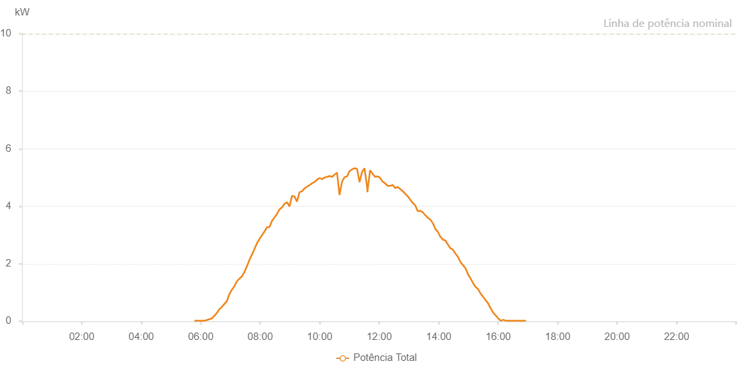

Number | Time | Working State | Alarm Code | Total Inverter Power(W)
1 | 02/07/2023 05:47:21 (UTC-4:00) | Normal |  | 20.000
2 | 02/07/2023 05:52:21 (UTC-4:00) | Normal |  | 20.000
3 | 02/07/2023 05:57:18 (UTC-4:00) | Normal |  | 20.000
4 | 02/07/2023 06:02:19 (UTC-4:00) | Normal |  | 20.000
5 | 02/07/2023 06:07:22 (UTC-4:00) | Normal |  | 20.000
6 | 02/07/2023 06:12:27 (UTC-4:00) | Normal |  | 40.000
7 | 02/07/2023 06:17:27 (UTC-4:00) | Normal |  | 70.000
8 | 02/07/2023 06:22:31 (UTC-4:00) | Normal |  | 100.000
9 | 02/07/2023 06:27:34 (UTC-4:00) | Normal |  | 190.000
10 | 02/07/2023 06:32:41 (UTC-4:00) | Normal |  | 290.000
11 | 02/07/2023 06:37:41 (UTC-4:00) | Normal |  | 420.000
12 | 02/07/2023 06:42:47 (UTC-4:00) | Normal |  | 500.000
13 | 02/07/2023 06:47:48 (UTC-4:00) | Normal |  | 600.000
14 | 02/07/2023 06:52:50 (UTC-4:00) | Normal |  | 700.000
15 | 02/07/2023 06:57:54 (UTC-4:00) | Normal |  | 950.000
16 | 02/07/2023 07:02:56 (UTC-4:00) | Normal |  | 1100.000
17 | 02/07/2023 07:03:07 (UTC-4:00) | Normal |  | 1100.000
18 | 02/07/2023 07:07:58 (UTC-4:00) | Normal |  | 1220.000
19 | 02/07/2023 07:13:02 (UTC-4:00) | Normal |  | 1390.000
20 | 02/07/2023 07:18:05 (UTC-4:00) | Normal |  | 1480.000
21 | 02/07/2023 07:23:06 (UTC-4:00) | Normal |  | 1560.000
22 | 02/07/2023 07:28:10 (UTC-4:00) | Normal |  | 1710.000
23 | 02/07/2023 07:33:11 (UTC-4:00) | Normal |  | 1910.000
24 | 02/07/2023 07:38:14 (UTC-4:00) | Normal |  | 2130.000
25 | 02/07/2023 07:43:21 (UTC-4:00) | Normal |  | 2320.000
26 | 02/07/2023 07:48:24 (UTC-4:00) | Normal |  | 2510.000
27 | 02/07/2023 07:53:26 (UTC-4:00) | Normal |  | 2710.000
28 | 02/07/2023 07:58:31 (UTC-4:00) | Normal |  | 2860.000
29 | 02/07/2023 08:03:31 (UTC-4:00) | Normal |  | 2990.000
30 | 02/07/2023 08:08:37 (UTC-4:00) | Normal |  | 3120.000
31 | 02/07/2023 08:13:37 (UTC-4:00) | Normal |  | 3270.000
32 | 02/07/2023 08:18:42 (UTC-4:00) | Normal |  | 3280.000
33 | 02/07/2023 08:23:45 (UTC-4:00) | Normal |  | 3490.000
34 | 02/07/2023 08:28:47 (UTC-4:00) | Normal |  | 3610.000
35 | 02/07/2023 08:33:49 (UTC-4:00) | Normal |  | 3730.000
36 | 02/07/2023 08:38:52 (UTC-4:00) | Normal |  | 3890.000
37 | 02/07/2023 08:43:54 (UTC-4:00) | Normal |  | 3960.000
38 | 02/07/2023 08:48:58 (UTC-4:00) | Normal |  | 4080.000
39 | 02/07/2023 08:53:59 (UTC-4:00) | Normal |  | 4140.000
40 | 02/07/2023 08:59:03 (UTC-4:00) | Normal |  | 4000.000
41 | 02/07/2023 08:59:13 (UTC-4:00) | Normal |  | 4000.000
42 | 02/07/2023 09:04:05 (UTC-4:00) | Normal |  | 4360.000
43 | 02/07/2023 09:09:08 (UTC-4:00) | Normal |  | 4340.000
44 | 02/07/2023 09:14:11 (UTC-4:00) | Normal |  | 4160.000
45 | 02/07/2023 09:19:14 (UTC-4:00) | Normal |  | 4490.000
46 | 02/07/2023 09:24:16 (UTC-4:00) | Normal |  | 4520.000
47 | 02/07/2023 09:29:19 (UTC-4:00) | Normal |  | 4620.000
48 | 02/07/2023 09:34:40 (UTC-4:00) | Normal |  | 4680.000
49 | 02/07/2023 09:39:25 (UTC-4:00) | Normal |  | 4730.000
50 | 02/07/2023 09:44:35 (UTC-4:00) | Normal |  | 4800.000
51 | 02/07/2023 09:49:32 (UTC-4:00) | Normal |  | 4840.000
52 | 02/07/2023 09:54:37 (UTC-4:00) | Normal |  | 4920.000
53 | 02/07/2023 09:59:37 (UTC-4:00) | Normal |  | 4980.000
54 | 02/07/2023 10:04:43 (UTC-4:00) | Normal |  | 4940.000
55 | 02/07/2023 10:09:43 (UTC-4:00) | Normal |  | 5000.000
56 | 02/07/2023 10:14:48 (UTC-4:00) | Normal |  | 5020.000
57 | 02/07/2023 10:19:50 (UTC-4:00) | Normal |  | 5050.000
58 | 02/07/2023 10:24:51 (UTC-4:00) | Normal |  | 5020.000
59 | 02/07/2023 10:25:02 (UTC-4:00) | Normal |  | 5020.000
60 | 02/07/2023 10:29:59 (UTC-4:00) | Normal |  | 5100.000
61 | 02/07/2023 10:34:57 (UTC-4:00) | Normal |  | 5170.000
62 | 02/07/2023 10:40:01 (UTC-4:00) | Normal |  | 4390.000
63 | 02/07/2023 10:45:03 (UTC-4:00) | Normal |  | 4850.000
64 | 02/07/2023 10:50:07 (UTC-4:00) | Normal |  | 5010.000
65 | 02/07/2023 10:55:09 (UTC-4:00) | Normal |  | 5040.000
66 | 02/07/2023 10:55:19 (UTC-4:00) | Normal |  | 5040.000
67 | 02/07/2023 11:00:10 (UTC-4:00) | Normal |  | 5220.000
68 | 02/07/2023 11:05:16 (UTC-4:00) | Normal |  | 5280.000
69 | 02/07/2023 11:10:18 (UTC-4:00) | Normal |  | 5320.000
70 | 02/07/2023 11:15:20 (UTC-4:00) | Normal |  | 5300.000
71 | 02/07/2023 11:20:24 (UTC-4:00) | Normal |  | 4840.000
72 | 02/07/2023 11:25:25 (UTC-4:00) | Normal |  | 5190.000
73 | 02/07/2023 11:30:28 (UTC-4:00) | Normal |  | 5320.000
74 | 02/07/2023 11:35:32 (UTC-4:00) | Normal |  | 4680.000
75 | 02/07/2023 11:35:46 (UTC-4:00) | Normal |  | 4680.000
76 | 02/07/2023 11:36:12 (UTC-4:00) | Normal |  | 4490.000
77 | 02/07/2023 11:41:37 (UTC-4:00) | Normal |  | 5250.000
78 | 02/07/2023 11:46:39 (UTC-4:00) | Normal |  | 5130.000
79 | 02/07/2023 11:51:41 (UTC-4:00) | Normal |  | 5020.000
80 | 02/07/2023 11:56:41 (UTC-4:00) | Normal |  | 5040.000
81 | 02/07/2023 12:01:41 (UTC-4:00) | Normal |  | 4990.000
82 | 02/07/2023 12:06:42 (UTC-4:00) | Normal |  | 4860.000
83 | 02/07/2023 12:11:42 (UTC-4:00) | Normal |  | 4800.000
84 | 02/07/2023 12:17:09 (UTC-4:00) | Normal |  | 4710.000
85 | 02/07/2023 12:22:28 (UTC-4:00) | Normal |  | 4710.000
86 | 02/07/2023 12:27:27 (UTC-4:00) | Normal |  | 4740.000
87 | 02/07/2023 12:32:27 (UTC-4:00) | Normal |  | 4630.000
88 | 02/07/2023 12:37:30 (UTC-4:00) | Normal |  | 4670.000
89 | 02/07/2023 12:42:27 (UTC-4:00) | Normal |  | 4600.000
90 | 02/07/2023 12:47:29 (UTC-4:00) | Normal |  | 4530.000
91 | 02/07/2023 12:52:31 (UTC-4:00) | Normal |  | 4430.000
92 | 02/07/2023 12:57:30 (UTC-4:00) | Normal |  | 4350.000
93 | 02/07/2023 13:02:32 (UTC-4:00) | Normal |  | 4230.000
94 | 02/07/2023 13:07:35 (UTC-4:00) | Normal |  | 4120.000
95 | 02/07/2023 13:12:39 (UTC-4:00) | Normal |  | 4030.000
96 | 02/07/2023 13:17:45 (UTC-4:00) | Normal |  | 3830.000
97 | 02/07/2023 13:22:49 (UTC-4:00) | Normal |  | 3840.000
98 | 02/07/2023 13:27:53 (UTC-4:00) | Normal |  | 3790.000
99 | 02/07/2023 13:32:58 (UTC-4:00) | Normal |  | 3690.000
100 | 02/07/2023 13:38:02 (UTC-4:00) | Normal |  | 3600.000
101 | 02/07/2023 13:43:06 (UTC-4:00) | Normal |  | 3540.000
102 | 02/07/2023 13:48:10 (UTC-4:00) | Normal |  | 3410.000
103 | 02/07/2023 13:48:21 (UTC-4:00) | Normal |  | 3410.000
104 | 02/07/2023 13:53:15 (UTC-4:00) | Normal |  | 3210.000
105 | 02/07/2023 13:58:19 (UTC-4:00) | Normal |  | 3110.000
106 | 02/07/2023 13:58:31 (UTC-4:00) | Normal |  | 3110.000
107 | 02/07/2023 14:03:23 (UTC-4:00) | Normal |  | 2940.000
108 | 02/07/2023 14:08:27 (UTC-4:00) | Normal |  | 2840.000
109 | 02/07/2023 14:13:32 (UTC-4:00) | Normal |  | 2810.000
110 | 02/07/2023 14:18:36 (UTC-4:00) | Normal |  | 2670.000
111 | 02/07/2023 14:23:40 (UTC-4:00) | Normal |  | 2540.000
112 | 02/07/2023 14:28:44 (UTC-4:00) | Normal |  | 2490.000
113 | 02/07/2023 14:33:51 (UTC-4:00) | Normal |  | 2350.000
114 | 02/07/2023 14:38:56 (UTC-4:00) | Normal |  | 2240.000
115 | 02/07/2023 14:44:00 (UTC-4:00) | Normal |  | 2060.000
116 | 02/07/2023 14:49:05 (UTC-4:00) | Normal |  | 1950.000
117 | 02/07/2023 14:54:11 (UTC-4:00) | Normal |  | 1840.000
118 | 02/07/2023 14:59:15 (UTC-4:00) | Normal |  | 1630.000
119 | 02/07/2023 15:04:19 (UTC-4:00) | Normal |  | 1490.000
120 | 02/07/2023 15:09:25 (UTC-4:00) | Normal |  | 1330.000
121 | 02/07/2023 15:14:27 (UTC-4:00) | Normal |  | 1190.000
122 | 02/07/2023 15:19:31 (UTC-4:00) | Normal |  | 1120.000
123 | 02/07/2023 15:24:36 (UTC-4:00) | Normal |  | 960.000
124 | 02/07/2023 15:29:39 (UTC-4:00) | Normal |  | 850.000
125 | 02/07/2023 15:34:45 (UTC-4:00) | Normal |  | 730.000
126 | 02/07/2023 15:39:48 (UTC-4:00) | Normal |  | 620.000
127 | 02/07/2023 15:44:51 (UTC-4:00) | Normal |  | 450.000
128 | 02/07/2023 15:49:57 (UTC-4:00) | Normal |  | 300.000
129 | 02/07/2023 15:55:02 (UTC-4:00) | Normal |  | 200.000
130 | 02/07/2023 15:55:18 (UTC-4:00) | Normal |  | 200.000
131 | 02/07/2023 16:00:05 (UTC-4:00) | Normal |  | 100.000
132 | 02/07/2023 16:05:10 (UTC-4:00) | Normal |  | 20.000
133 | 02/07/2023 16:05:21 (UTC-4:00) | Normal |  | 20.000
134 | 02/07/2023 16:10:15 (UTC-4:00) | Normal |  | 50.000
135 | 02/07/2023 16:15:18 (UTC-4:00) | Normal |  | 20.000
136 | 02/07/2023 16:15:29 (UTC-4:00) | Normal |  | 20.000
137 | 02/07/2023 16:20:24 (UTC-4:00) | Normal |  | 20.000
138 | 02/07/2023 16:25:28 (UTC-4:00) | Normal |  | 20.000
139 | 02/07/2023 16:30:33 (UTC-4:00) | Normal |  | 20.000
140 | 02/07/2023 16:35:37 (UTC-4:00) | Normal |  | 20.000
141 | 02/07/2023 16:40:42 (UTC-4:00) | Normal |  | 20.000
142 | 02/07/2023 16:45:46 (UTC-4:00) | Normal |  | 20.000
143 | 02/07/2023 16:50:51 (UTC-4:00) | Normal |  | 20.000
144 | 02/07/2023 16:55:56 (UTC-4:00) | Normal |  | 20.000

