Inverter History Report__17-08-
Inverter History Report_03/07/2023_Report

Inverter SN:054B7020C020044 |  | Inverter type:B7
Collector SN:4045086367 |  | Full Load Hours(h):3.34
Rated Power:10000Wp

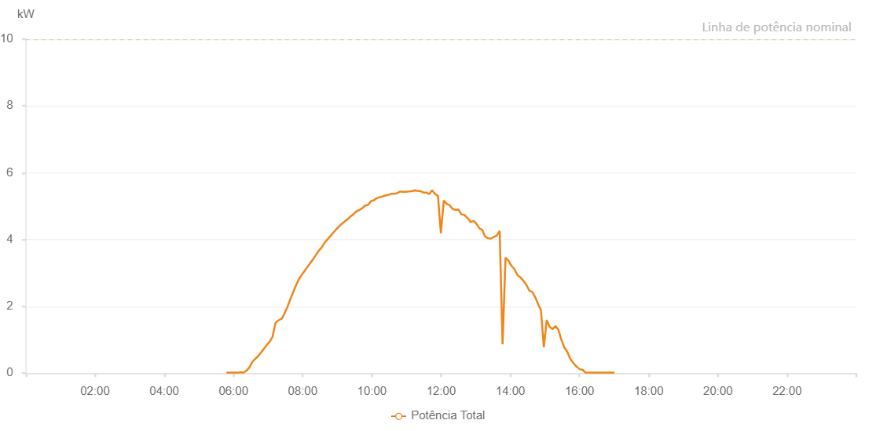

Number | Time | Working State | Alarm Code | Total Inverter Power(W)
1 | 03/07/2023 05:47:45 (UTC-4:00) | Normal |  | 20.000
2 | 03/07/2023 05:52:44 (UTC-4:00) | Normal |  | 20.000
3 | 03/07/2023 05:57:45 (UTC-4:00) | Normal |  | 20.000
4 | 03/07/2023 06:03:33 (UTC-4:00) | Normal |  | 20.000
5 | 03/07/2023 06:07:45 (UTC-4:00) | Normal |  | 20.000
6 | 03/07/2023 06:12:44 (UTC-4:00) | Normal |  | 30.000
7 | 03/07/2023 06:17:49 (UTC-4:00) | Normal |  | 20.000
8 | 03/07/2023 06:22:45 (UTC-4:00) | Normal |  | 80.000
9 | 03/07/2023 06:27:44 (UTC-4:00) | Normal |  | 180.000
10 | 03/07/2023 06:32:48 (UTC-4:00) | Normal |  | 340.000
11 | 03/07/2023 06:37:46 (UTC-4:00) | Normal |  | 430.000
12 | 03/07/2023 06:42:46 (UTC-4:00) | Normal |  | 510.000
13 | 03/07/2023 06:47:44 (UTC-4:00) | Normal |  | 620.000
14 | 03/07/2023 06:52:43 (UTC-4:00) | Normal |  | 730.000
15 | 03/07/2023 06:57:42 (UTC-4:00) | Normal |  | 850.000
16 | 03/07/2023 07:02:42 (UTC-4:00) | Normal |  | 940.000
17 | 03/07/2023 07:07:44 (UTC-4:00) | Normal |  | 1090.000
18 | 03/07/2023 07:12:49 (UTC-4:00) | Normal |  | 1510.000
19 | 03/07/2023 07:13:00 (UTC-4:00) | Normal |  | 1510.000
20 | 03/07/2023 07:17:50 (UTC-4:00) | Normal |  | 1580.000
21 | 03/07/2023 07:22:54 (UTC-4:00) | Normal |  | 1630.000
22 | 03/07/2023 07:23:48 (UTC-4:00) | Normal |  | 1630.000
23 | 03/07/2023 07:27:52 (UTC-4:00) | Normal |  | 1770.000
24 | 03/07/2023 07:32:55 (UTC-4:00) | Normal |  | 1960.000
25 | 03/07/2023 07:37:51 (UTC-4:00) | Normal |  | 2180.000
26 | 03/07/2023 07:42:50 (UTC-4:00) | Normal |  | 2400.000
27 | 03/07/2023 07:47:50 (UTC-4:00) | Normal |  | 2610.000
28 | 03/07/2023 07:52:48 (UTC-4:00) | Normal |  | 2800.000
29 | 03/07/2023 07:57:48 (UTC-4:00) | Normal |  | 2930.000
30 | 03/07/2023 08:02:47 (UTC-4:00) | Normal |  | 3050.000
31 | 03/07/2023 08:07:48 (UTC-4:00) | Normal |  | 3170.000
32 | 03/07/2023 08:12:47 (UTC-4:00) | Normal |  | 3290.000
33 | 03/07/2023 08:17:50 (UTC-4:00) | Normal |  | 3410.000
34 | 03/07/2023 08:22:54 (UTC-4:00) | Normal |  | 3540.000
35 | 03/07/2023 08:27:57 (UTC-4:00) | Normal |  | 3670.000
36 | 03/07/2023 08:33:01 (UTC-4:00) | Normal |  | 3770.000
37 | 03/07/2023 08:38:04 (UTC-4:00) | Normal |  | 3910.000
38 | 03/07/2023 08:43:09 (UTC-4:00) | Normal |  | 4010.000
39 | 03/07/2023 08:48:12 (UTC-4:00) | Normal |  | 4110.000
40 | 03/07/2023 08:53:15 (UTC-4:00) | Normal |  | 4210.000
41 | 03/07/2023 08:58:20 (UTC-4:00) | Normal |  | 4310.000
42 | 03/07/2023 09:03:23 (UTC-4:00) | Normal |  | 4400.000
43 | 03/07/2023 09:08:29 (UTC-4:00) | Normal |  | 4480.000
44 | 03/07/2023 09:13:28 (UTC-4:00) | Normal |  | 4550.000
45 | 03/07/2023 09:18:27 (UTC-4:00) | Normal |  | 4620.000
46 | 03/07/2023 09:23:26 (UTC-4:00) | Normal |  | 4700.000
47 | 03/07/2023 09:28:36 (UTC-4:00) | Normal |  | 4770.000
48 | 03/07/2023 09:33:27 (UTC-4:00) | Normal |  | 4850.000
49 | 03/07/2023 09:38:28 (UTC-4:00) | Normal |  | 4890.000
50 | 03/07/2023 09:43:25 (UTC-4:00) | Normal |  | 4940.000
51 | 03/07/2023 09:48:24 (UTC-4:00) | Normal |  | 5020.000
52 | 03/07/2023 09:53:23 (UTC-4:00) | Normal |  | 5040.000
53 | 03/07/2023 09:58:23 (UTC-4:00) | Normal |  | 5150.000
54 | 03/07/2023 10:03:22 (UTC-4:00) | Normal |  | 5180.000
55 | 03/07/2023 10:08:23 (UTC-4:00) | Normal |  | 5240.000
56 | 03/07/2023 10:13:22 (UTC-4:00) | Normal |  | 5270.000
57 | 03/07/2023 10:18:25 (UTC-4:00) | Normal |  | 5290.000
58 | 03/07/2023 10:23:28 (UTC-4:00) | Normal |  | 5320.000
59 | 03/07/2023 10:28:32 (UTC-4:00) | Normal |  | 5340.000
60 | 03/07/2023 10:33:35 (UTC-4:00) | Normal |  | 5370.000
61 | 03/07/2023 10:38:40 (UTC-4:00) | Normal |  | 5370.000
62 | 03/07/2023 10:43:43 (UTC-4:00) | Normal |  | 5390.000
63 | 03/07/2023 10:48:46 (UTC-4:00) | Normal |  | 5440.000
64 | 03/07/2023 10:53:49 (UTC-4:00) | Normal |  | 5430.000
65 | 03/07/2023 10:58:52 (UTC-4:00) | Normal |  | 5430.000
66 | 03/07/2023 11:03:56 (UTC-4:00) | Normal |  | 5440.000
67 | 03/07/2023 11:09:01 (UTC-4:00) | Normal |  | 5450.000
68 | 03/07/2023 11:14:04 (UTC-4:00) | Normal |  | 5470.000
69 | 03/07/2023 11:14:15 (UTC-4:00) | Normal |  | 5470.000
70 | 03/07/2023 11:19:06 (UTC-4:00) | Normal |  | 5460.000
71 | 03/07/2023 11:24:09 (UTC-4:00) | Normal |  | 5450.000
72 | 03/07/2023 11:29:13 (UTC-4:00) | Normal |  | 5410.000
73 | 03/07/2023 11:34:16 (UTC-4:00) | Normal |  | 5410.000
74 | 03/07/2023 11:39:20 (UTC-4:00) | Normal |  | 5360.000
75 | 03/07/2023 11:44:23 (UTC-4:00) | Normal |  | 5480.000
76 | 03/07/2023 11:49:27 (UTC-4:00) | Normal |  | 5360.000
77 | 03/07/2023 11:54:31 (UTC-4:00) | Normal |  | 5310.000
78 | 03/07/2023 11:59:34 (UTC-4:00) | Normal |  | 4190.000
79 | 03/07/2023 12:04:37 (UTC-4:00) | Normal |  | 5170.000
80 | 03/07/2023 12:09:42 (UTC-4:00) | Normal |  | 5070.000
81 | 03/07/2023 12:14:44 (UTC-4:00) | Normal |  | 5030.000
82 | 03/07/2023 12:19:47 (UTC-4:00) | Normal |  | 4920.000
83 | 03/07/2023 12:24:50 (UTC-4:00) | Normal |  | 4890.000
84 | 03/07/2023 12:29:54 (UTC-4:00) | Normal |  | 4900.000
85 | 03/07/2023 12:30:05 (UTC-4:00) | Normal |  | 4900.000
86 | 03/07/2023 12:34:57 (UTC-4:00) | Normal |  | 4760.000
87 | 03/07/2023 12:40:00 (UTC-4:00) | Normal |  | 4740.000
88 | 03/07/2023 12:45:03 (UTC-4:00) | Normal |  | 4660.000
89 | 03/07/2023 12:50:07 (UTC-4:00) | Normal |  | 4560.000
90 | 03/07/2023 12:50:29 (UTC-4:00) | Normal |  | 4520.000
91 | 03/07/2023 12:56:25 (UTC-4:00) | Normal |  | 4560.000
92 | 03/07/2023 13:01:19 (UTC-4:00) | Normal |  | 4470.000
93 | 03/07/2023 13:06:42 (UTC-4:00) | Normal |  | 4330.000
94 | 03/07/2023 13:11:20 (UTC-4:00) | Normal |  | 4290.000
95 | 03/07/2023 13:16:21 (UTC-4:00) | Normal |  | 4090.000
96 | 03/07/2023 13:21:20 (UTC-4:00) | Normal |  | 4040.000
97 | 03/07/2023 13:26:21 (UTC-4:00) | Normal |  | 4030.000
98 | 03/07/2023 13:31:22 (UTC-4:00) | Normal |  | 4080.000
99 | 03/07/2023 13:36:25 (UTC-4:00) | Normal |  | 4120.000
100 | 03/07/2023 13:41:31 (UTC-4:00) | Normal |  | 4260.000
101 | 03/07/2023 13:46:34 (UTC-4:00) | Normal |  | 870.000
102 | 03/07/2023 13:51:41 (UTC-4:00) | Normal |  | 3460.000
103 | 03/07/2023 13:56:42 (UTC-4:00) | Normal |  | 3370.000
104 | 03/07/2023 14:01:47 (UTC-4:00) | Normal |  | 3220.000
105 | 03/07/2023 14:06:53 (UTC-4:00) | Normal |  | 3120.000
106 | 03/07/2023 14:12:41 (UTC-4:00) | Normal |  | 2930.000
107 | 03/07/2023 14:18:02 (UTC-4:00) | Normal |  | 2860.000
108 | 03/07/2023 14:23:02 (UTC-4:00) | Normal |  | 2760.000
109 | 03/07/2023 14:28:02 (UTC-4:00) | Normal |  | 2640.000
110 | 03/07/2023 14:33:05 (UTC-4:00) | Normal |  | 2470.000
111 | 03/07/2023 14:38:05 (UTC-4:00) | Normal |  | 2430.000
112 | 03/07/2023 14:43:05 (UTC-4:00) | Normal |  | 2280.000
113 | 03/07/2023 14:48:05 (UTC-4:00) | Normal |  | 2070.000
114 | 03/07/2023 14:53:05 (UTC-4:00) | Normal |  | 1890.000
115 | 03/07/2023 14:58:05 (UTC-4:00) | Normal |  | 780.000
116 | 03/07/2023 15:03:06 (UTC-4:00) | Normal |  | 1590.000
117 | 03/07/2023 15:08:09 (UTC-4:00) | Normal |  | 1390.000
118 | 03/07/2023 15:13:13 (UTC-4:00) | Normal |  | 1320.000
119 | 03/07/2023 15:18:17 (UTC-4:00) | Normal |  | 1410.000
120 | 03/07/2023 15:23:21 (UTC-4:00) | Normal |  | 1300.000
121 | 03/07/2023 15:28:33 (UTC-4:00) | Normal |  | 1000.000
122 | 03/07/2023 15:33:37 (UTC-4:00) | Normal |  | 770.000
123 | 03/07/2023 15:38:35 (UTC-4:00) | Normal |  | 650.000
124 | 03/07/2023 15:43:39 (UTC-4:00) | Normal |  | 440.000
125 | 03/07/2023 15:49:59 (UTC-4:00) | Normal |  | 290.000
126 | 03/07/2023 15:55:21 (UTC-4:00) | Normal |  | 190.000
127 | 03/07/2023 16:00:21 (UTC-4:00) | Normal |  | 120.000
128 | 03/07/2023 16:00:32 (UTC-4:00) | Normal |  | 120.000
129 | 03/07/2023 16:05:23 (UTC-4:00) | Normal |  | 100.000
130 | 03/07/2023 16:10:20 (UTC-4:00) | Normal |  | 20.000
131 | 03/07/2023 16:15:25 (UTC-4:00) | Normal |  | 20.000
132 | 03/07/2023 16:20:20 (UTC-4:00) | Normal |  | 20.000
133 | 03/07/2023 16:20:31 (UTC-4:00) | Normal |  | 20.000
134 | 03/07/2023 16:25:20 (UTC-4:00) | Normal |  | 20.000
135 | 03/07/2023 16:30:25 (UTC-4:00) | Normal |  | 20.000
136 | 03/07/2023 16:35:22 (UTC-4:00) | Normal |  | 20.000
137 | 03/07/2023 16:40:26 (UTC-4:00) | Normal |  | 20.000
138 | 03/07/2023 16:40:51 (UTC-4:00) | Normal |  | 20.000
139 | 03/07/2023 16:45:30 (UTC-4:00) | Normal |  | 20.000
140 | 03/07/2023 16:50:33 (UTC-4:00) | Normal |  | 20.000
141 | 03/07/2023 16:50:43 (UTC-4:00) | Normal |  | 20.000
142 | 03/07/2023 16:55:35 (UTC-4:00) | Normal |  | 20.000
143 | 03/07/2023 17:00:40 (UTC-4:00) | Normal |  | 20.000

