Inverter History Report__17-08-
Inverter History Report_05/07/2023_Report

Inverter SN:054B7020C020044 |  | Inverter type:B7
Collector SN:4045086367 |  | Full Load Hours(h):3.28
Rated Power:10000Wp

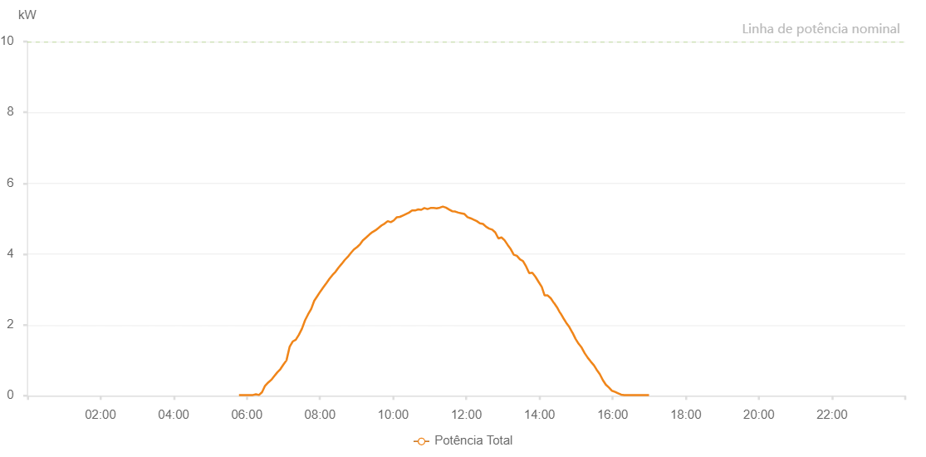

Number | Time | Working State | Alarm Code | Total Inverter Power(W)
1 | 05/07/2023 05:47:08 (UTC-4:00) | Normal |  | 20.000
2 | 05/07/2023 05:52:11 (UTC-4:00) | Normal |  | 20.000
3 | 05/07/2023 05:57:29 (UTC-4:00) | Normal |  | 20.000
4 | 05/07/2023 06:02:34 (UTC-4:00) | Normal |  | 20.000
5 | 05/07/2023 06:04:40 (UTC-4:00) | Normal |  | 20.000
6 | 05/07/2023 06:09:57 (UTC-4:00) | Normal |  | 20.000
7 | 05/07/2023 06:14:57 (UTC-4:00) | Normal |  | 40.000
8 | 05/07/2023 06:19:56 (UTC-4:00) | Normal |  | 20.000
9 | 05/07/2023 06:24:56 (UTC-4:00) | Normal |  | 100.000
10 | 05/07/2023 06:29:55 (UTC-4:00) | Normal |  | 280.000
11 | 05/07/2023 06:34:56 (UTC-4:00) | Normal |  | 370.000
12 | 05/07/2023 06:40:04 (UTC-4:00) | Normal |  | 450.000
13 | 05/07/2023 06:40:06 (UTC-4:00) | Normal |  | 450.000
14 | 05/07/2023 06:40:22 (UTC-4:00) | Normal |  | 450.000
15 | 05/07/2023 06:44:54 (UTC-4:00) | Normal |  | 550.000
16 | 05/07/2023 06:50:01 (UTC-4:00) | Normal |  | 660.000
17 | 05/07/2023 06:55:00 (UTC-4:00) | Normal |  | 750.000
18 | 05/07/2023 07:00:01 (UTC-4:00) | Normal |  | 880.000
19 | 05/07/2023 07:05:05 (UTC-4:00) | Normal |  | 1000.000
20 | 05/07/2023 07:10:11 (UTC-4:00) | Normal |  | 1380.000
21 | 05/07/2023 07:15:15 (UTC-4:00) | Normal |  | 1530.000
22 | 05/07/2023 07:20:19 (UTC-4:00) | Normal |  | 1580.000
23 | 05/07/2023 07:25:25 (UTC-4:00) | Normal |  | 1720.000
24 | 05/07/2023 07:30:26 (UTC-4:00) | Normal |  | 1890.000
25 | 05/07/2023 07:35:30 (UTC-4:00) | Normal |  | 2130.000
26 | 05/07/2023 07:40:33 (UTC-4:00) | Normal |  | 2300.000
27 | 05/07/2023 07:45:34 (UTC-4:00) | Normal |  | 2450.000
28 | 05/07/2023 07:50:34 (UTC-4:00) | Normal |  | 2680.000
29 | 05/07/2023 07:55:33 (UTC-4:00) | Normal |  | 2810.000
30 | 05/07/2023 08:00:31 (UTC-4:00) | Normal |  | 2940.000
31 | 05/07/2023 08:05:30 (UTC-4:00) | Normal |  | 3060.000
32 | 05/07/2023 08:10:32 (UTC-4:00) | Normal |  | 3180.000
33 | 05/07/2023 08:15:32 (UTC-4:00) | Normal |  | 3300.000
34 | 05/07/2023 08:20:32 (UTC-4:00) | Normal |  | 3410.000
35 | 05/07/2023 08:25:31 (UTC-4:00) | Normal |  | 3500.000
36 | 05/07/2023 08:30:31 (UTC-4:00) | Normal |  | 3620.000
37 | 05/07/2023 08:35:30 (UTC-4:00) | Normal |  | 3720.000
38 | 05/07/2023 08:40:30 (UTC-4:00) | Normal |  | 3830.000
39 | 05/07/2023 08:45:32 (UTC-4:00) | Normal |  | 3920.000
40 | 05/07/2023 08:50:37 (UTC-4:00) | Normal |  | 4030.000
41 | 05/07/2023 08:55:39 (UTC-4:00) | Normal |  | 4130.000
42 | 05/07/2023 09:01:04 (UTC-4:00) | Normal |  | 4200.000
43 | 05/07/2023 09:05:54 (UTC-4:00) | Normal |  | 4280.000
44 | 05/07/2023 09:10:52 (UTC-4:00) | Normal |  | 4400.000
45 | 05/07/2023 09:11:16 (UTC-4:00) | Normal |  | 4400.000
46 | 05/07/2023 09:15:54 (UTC-4:00) | Normal |  | 4470.000
47 | 05/07/2023 09:20:57 (UTC-4:00) | Normal |  | 4550.000
48 | 05/07/2023 09:26:01 (UTC-4:00) | Normal |  | 4620.000
49 | 05/07/2023 09:31:05 (UTC-4:00) | Normal |  | 4670.000
50 | 05/07/2023 09:36:08 (UTC-4:00) | Normal |  | 4740.000
51 | 05/07/2023 09:41:07 (UTC-4:00) | Normal |  | 4810.000
52 | 05/07/2023 09:46:07 (UTC-4:00) | Normal |  | 4860.000
53 | 05/07/2023 09:51:07 (UTC-4:00) | Normal |  | 4930.000
54 | 05/07/2023 09:56:07 (UTC-4:00) | Normal |  | 4900.000
55 | 05/07/2023 10:01:06 (UTC-4:00) | Normal |  | 4950.000
56 | 05/07/2023 10:06:07 (UTC-4:00) | Normal |  | 5040.000
57 | 05/07/2023 10:11:06 (UTC-4:00) | Normal |  | 5050.000
58 | 05/07/2023 10:16:05 (UTC-4:00) | Normal |  | 5090.000
59 | 05/07/2023 10:21:05 (UTC-4:00) | Normal |  | 5130.000
60 | 05/07/2023 10:26:05 (UTC-4:00) | Normal |  | 5170.000
61 | 05/07/2023 10:31:04 (UTC-4:00) | Normal |  | 5230.000
62 | 05/07/2023 10:36:03 (UTC-4:00) | Normal |  | 5230.000
63 | 05/07/2023 10:41:06 (UTC-4:00) | Normal |  | 5260.000
64 | 05/07/2023 10:46:09 (UTC-4:00) | Normal |  | 5250.000
65 | 05/07/2023 10:51:13 (UTC-4:00) | Normal |  | 5300.000
66 | 05/07/2023 10:56:17 (UTC-4:00) | Normal |  | 5270.000
67 | 05/07/2023 11:01:20 (UTC-4:00) | Normal |  | 5300.000
68 | 05/07/2023 11:06:25 (UTC-4:00) | Normal |  | 5300.000
69 | 05/07/2023 11:11:28 (UTC-4:00) | Normal |  | 5290.000
70 | 05/07/2023 11:16:33 (UTC-4:00) | Normal |  | 5310.000
71 | 05/07/2023 11:21:35 (UTC-4:00) | Normal |  | 5340.000
72 | 05/07/2023 11:26:39 (UTC-4:00) | Normal |  | 5310.000
73 | 05/07/2023 11:31:42 (UTC-4:00) | Normal |  | 5260.000
74 | 05/07/2023 11:36:47 (UTC-4:00) | Normal |  | 5210.000
75 | 05/07/2023 11:36:57 (UTC-4:00) | Normal |  | 5210.000
76 | 05/07/2023 11:41:49 (UTC-4:00) | Normal |  | 5200.000
77 | 05/07/2023 11:46:52 (UTC-4:00) | Normal |  | 5170.000
78 | 05/07/2023 11:51:56 (UTC-4:00) | Normal |  | 5150.000
79 | 05/07/2023 11:57:00 (UTC-4:00) | Normal |  | 5130.000
80 | 05/07/2023 12:02:03 (UTC-4:00) | Normal |  | 5040.000
81 | 05/07/2023 12:07:06 (UTC-4:00) | Normal |  | 5010.000
82 | 05/07/2023 12:12:09 (UTC-4:00) | Normal |  | 4970.000
83 | 05/07/2023 12:17:14 (UTC-4:00) | Normal |  | 4930.000
84 | 05/07/2023 12:22:18 (UTC-4:00) | Normal |  | 4870.000
85 | 05/07/2023 12:27:23 (UTC-4:00) | Normal |  | 4850.000
86 | 05/07/2023 12:32:27 (UTC-4:00) | Normal |  | 4770.000
87 | 05/07/2023 12:37:29 (UTC-4:00) | Normal |  | 4720.000
88 | 05/07/2023 12:42:33 (UTC-4:00) | Normal |  | 4690.000
89 | 05/07/2023 12:47:36 (UTC-4:00) | Normal |  | 4610.000
90 | 05/07/2023 12:52:40 (UTC-4:00) | Normal |  | 4440.000
91 | 05/07/2023 12:57:43 (UTC-4:00) | Normal |  | 4470.000
92 | 05/07/2023 13:02:46 (UTC-4:00) | Normal |  | 4390.000
93 | 05/07/2023 13:07:49 (UTC-4:00) | Normal |  | 4260.000
94 | 05/07/2023 13:12:54 (UTC-4:00) | Normal |  | 4140.000
95 | 05/07/2023 13:17:56 (UTC-4:00) | Normal |  | 3980.000
96 | 05/07/2023 13:22:59 (UTC-4:00) | Normal |  | 3950.000
97 | 05/07/2023 13:28:03 (UTC-4:00) | Normal |  | 3850.000
98 | 05/07/2023 13:33:07 (UTC-4:00) | Normal |  | 3800.000
99 | 05/07/2023 13:38:09 (UTC-4:00) | Normal |  | 3650.000
100 | 05/07/2023 13:43:13 (UTC-4:00) | Normal |  | 3460.000
101 | 05/07/2023 13:48:16 (UTC-4:00) | Normal |  | 3470.000
102 | 05/07/2023 13:53:20 (UTC-4:00) | Normal |  | 3360.000
103 | 05/07/2023 13:58:23 (UTC-4:00) | Normal |  | 3220.000
104 | 05/07/2023 14:03:26 (UTC-4:00) | Normal |  | 3080.000
105 | 05/07/2023 14:03:37 (UTC-4:00) | Normal |  | 3080.000
106 | 05/07/2023 14:08:29 (UTC-4:00) | Normal |  | 2830.000
107 | 05/07/2023 14:13:35 (UTC-4:00) | Normal |  | 2830.000
108 | 05/07/2023 14:18:36 (UTC-4:00) | Normal |  | 2750.000
109 | 05/07/2023 14:23:40 (UTC-4:00) | Normal |  | 2620.000
110 | 05/07/2023 14:23:51 (UTC-4:00) | Normal |  | 2620.000
111 | 05/07/2023 14:28:43 (UTC-4:00) | Normal |  | 2500.000
112 | 05/07/2023 14:33:48 (UTC-4:00) | Normal |  | 2340.000
113 | 05/07/2023 14:34:14 (UTC-4:00) | Normal |  | 2340.000
114 | 05/07/2023 14:38:53 (UTC-4:00) | Normal |  | 2200.000
115 | 05/07/2023 14:43:55 (UTC-4:00) | Normal |  | 2060.000
116 | 05/07/2023 14:48:59 (UTC-4:00) | Normal |  | 1940.000
117 | 05/07/2023 14:54:03 (UTC-4:00) | Normal |  | 1780.000
118 | 05/07/2023 14:54:14 (UTC-4:00) | Normal |  | 1780.000
119 | 05/07/2023 14:59:04 (UTC-4:00) | Normal |  | 1610.000
120 | 05/07/2023 15:04:07 (UTC-4:00) | Normal |  | 1470.000
121 | 05/07/2023 15:09:12 (UTC-4:00) | Normal |  | 1360.000
122 | 05/07/2023 15:14:15 (UTC-4:00) | Normal |  | 1200.000
123 | 05/07/2023 15:19:18 (UTC-4:00) | Normal |  | 1070.000
124 | 05/07/2023 15:24:21 (UTC-4:00) | Normal |  | 960.000
125 | 05/07/2023 15:29:21 (UTC-4:00) | Normal |  | 860.000
126 | 05/07/2023 15:33:36 (UTC-4:00) | Normal |  | 740.000
127 | 05/07/2023 15:38:57 (UTC-4:00) | Normal |  | 610.000
128 | 05/07/2023 15:44:01 (UTC-4:00) | Normal |  | 440.000
129 | 05/07/2023 15:48:57 (UTC-4:00) | Normal |  | 310.000
130 | 05/07/2023 15:53:58 (UTC-4:00) | Normal |  | 230.000
131 | 05/07/2023 15:59:00 (UTC-4:00) | Normal |  | 140.000
132 | 05/07/2023 16:04:00 (UTC-4:00) | Normal |  | 110.000
133 | 05/07/2023 16:09:02 (UTC-4:00) | Normal |  | 70.000
134 | 05/07/2023 16:14:02 (UTC-4:00) | Normal |  | 30.000
135 | 05/07/2023 16:19:06 (UTC-4:00) | Normal |  | 20.000
136 | 05/07/2023 16:24:10 (UTC-4:00) | Normal |  | 20.000
137 | 05/07/2023 16:29:15 (UTC-4:00) | Normal |  | 20.000
138 | 05/07/2023 16:34:21 (UTC-4:00) | Normal |  | 20.000
139 | 05/07/2023 16:39:26 (UTC-4:00) | Normal |  | 20.000
140 | 05/07/2023 16:44:31 (UTC-4:00) | Normal |  | 20.000
141 | 05/07/2023 16:49:36 (UTC-4:00) | Normal |  | 20.000
142 | 05/07/2023 16:54:41 (UTC-4:00) | Normal |  | 20.000
143 | 05/07/2023 16:59:45 (UTC-4:00) | Normal |  | 20.000

