Inverter History Report__17-08-
Inverter History Report_06/07/2023_Report

Inverter SN:054B7020C020044 |  | Inverter type:B7
Collector SN:4045086367 |  | Full Load Hours(h):3.25
Rated Power:10000Wp

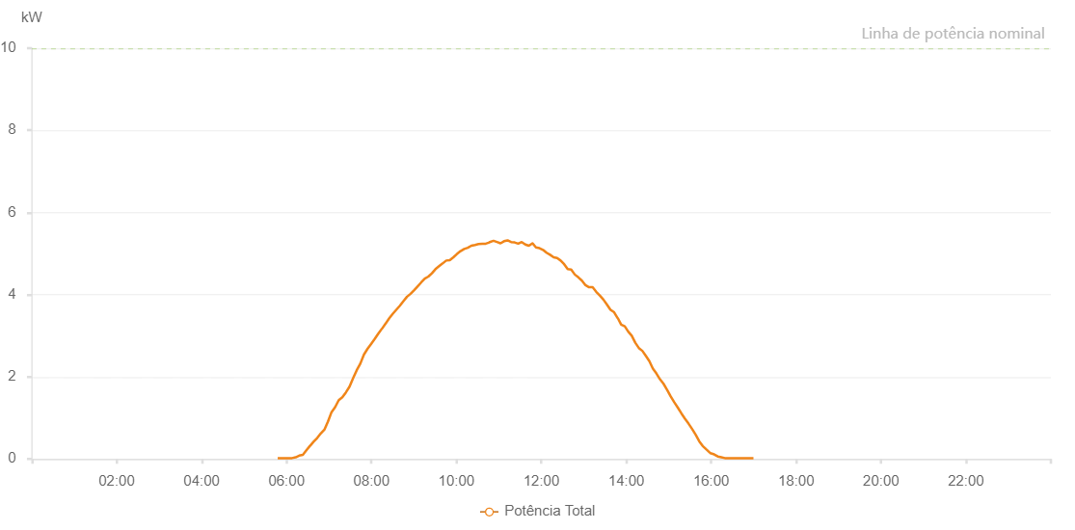

Number | Time | Working State | Alarm Code | Total Inverter Power(W)
1 | 06/07/2023 05:47:32 (UTC-4:00) | Normal |  | 20.000
2 | 06/07/2023 05:52:33 (UTC-4:00) | Normal |  | 20.000
3 | 06/07/2023 05:57:42 (UTC-4:00) | Normal |  | 20.000
4 | 06/07/2023 06:02:40 (UTC-4:00) | Normal |  | 20.000
5 | 06/07/2023 06:07:47 (UTC-4:00) | Normal |  | 20.000
6 | 06/07/2023 06:12:54 (UTC-4:00) | Normal |  | 40.000
7 | 06/07/2023 06:17:54 (UTC-4:00) | Normal |  | 80.000
8 | 06/07/2023 06:23:03 (UTC-4:00) | Normal |  | 100.000
9 | 06/07/2023 06:28:03 (UTC-4:00) | Normal |  | 210.000
10 | 06/07/2023 06:33:10 (UTC-4:00) | Normal |  | 320.000
11 | 06/07/2023 06:33:21 (UTC-4:00) | Normal |  | 320.000
12 | 06/07/2023 06:38:12 (UTC-4:00) | Normal |  | 420.000
13 | 06/07/2023 06:43:17 (UTC-4:00) | Normal |  | 510.000
14 | 06/07/2023 06:48:21 (UTC-4:00) | Normal |  | 620.000
15 | 06/07/2023 06:53:27 (UTC-4:00) | Normal |  | 710.000
16 | 06/07/2023 06:58:31 (UTC-4:00) | Normal |  | 910.000
17 | 06/07/2023 07:03:36 (UTC-4:00) | Normal |  | 1140.000
18 | 06/07/2023 07:08:40 (UTC-4:00) | Normal |  | 1260.000
19 | 06/07/2023 07:13:46 (UTC-4:00) | Normal |  | 1430.000
20 | 06/07/2023 07:18:50 (UTC-4:00) | Normal |  | 1500.000
21 | 06/07/2023 07:23:55 (UTC-4:00) | Normal |  | 1620.000
22 | 06/07/2023 07:29:00 (UTC-4:00) | Normal |  | 1760.000
23 | 06/07/2023 07:34:10 (UTC-4:00) | Normal |  | 1970.000
24 | 06/07/2023 07:39:10 (UTC-4:00) | Normal |  | 2160.000
25 | 06/07/2023 07:44:15 (UTC-4:00) | Normal |  | 2320.000
26 | 06/07/2023 07:49:19 (UTC-4:00) | Normal |  | 2540.000
27 | 06/07/2023 07:54:24 (UTC-4:00) | Normal |  | 2680.000
28 | 06/07/2023 07:59:28 (UTC-4:00) | Normal |  | 2800.000
29 | 06/07/2023 08:04:33 (UTC-4:00) | Normal |  | 2920.000
30 | 06/07/2023 08:09:38 (UTC-4:00) | Normal |  | 3050.000
31 | 06/07/2023 08:14:43 (UTC-4:00) | Normal |  | 3170.000
32 | 06/07/2023 08:14:54 (UTC-4:00) | Normal |  | 3170.000
33 | 06/07/2023 08:20:14 (UTC-4:00) | Normal |  | 3300.000
34 | 06/07/2023 08:24:53 (UTC-4:00) | Normal |  | 3420.000
35 | 06/07/2023 08:29:58 (UTC-4:00) | Normal |  | 3530.000
36 | 06/07/2023 08:35:02 (UTC-4:00) | Normal |  | 3630.000
37 | 06/07/2023 08:40:09 (UTC-4:00) | Normal |  | 3730.000
38 | 06/07/2023 08:45:11 (UTC-4:00) | Normal |  | 3840.000
39 | 06/07/2023 08:50:17 (UTC-4:00) | Normal |  | 3950.000
40 | 06/07/2023 08:55:17 (UTC-4:00) | Normal |  | 4020.000
41 | 06/07/2023 09:00:20 (UTC-4:00) | Normal |  | 4110.000
42 | 06/07/2023 09:05:39 (UTC-4:00) | Normal |  | 4210.000
43 | 06/07/2023 09:05:40 (UTC-4:00) | Normal |  | 4210.000
44 | 06/07/2023 09:10:22 (UTC-4:00) | Normal |  | 4300.000
45 | 06/07/2023 09:15:21 (UTC-4:00) | Normal |  | 4390.000
46 | 06/07/2023 09:20:24 (UTC-4:00) | Normal |  | 4440.000
47 | 06/07/2023 09:25:23 (UTC-4:00) | Normal |  | 4520.000
48 | 06/07/2023 09:30:25 (UTC-4:00) | Normal |  | 4620.000
49 | 06/07/2023 09:35:24 (UTC-4:00) | Normal |  | 4690.000
50 | 06/07/2023 09:40:36 (UTC-4:00) | Normal |  | 4760.000
51 | 06/07/2023 09:45:37 (UTC-4:00) | Normal |  | 4830.000
52 | 06/07/2023 09:50:40 (UTC-4:00) | Normal |  | 4840.000
53 | 06/07/2023 09:55:44 (UTC-4:00) | Normal |  | 4910.000
54 | 06/07/2023 10:00:48 (UTC-4:00) | Normal |  | 4990.000
55 | 06/07/2023 10:05:54 (UTC-4:00) | Normal |  | 5060.000
56 | 06/07/2023 10:10:58 (UTC-4:00) | Normal |  | 5110.000
57 | 06/07/2023 10:16:03 (UTC-4:00) | Normal |  | 5140.000
58 | 06/07/2023 10:21:07 (UTC-4:00) | Normal |  | 5190.000
59 | 06/07/2023 10:26:14 (UTC-4:00) | Normal |  | 5210.000
60 | 06/07/2023 10:31:16 (UTC-4:00) | Normal |  | 5230.000
61 | 06/07/2023 10:36:21 (UTC-4:00) | Normal |  | 5240.000
62 | 06/07/2023 10:41:25 (UTC-4:00) | Normal |  | 5240.000
63 | 06/07/2023 10:46:31 (UTC-4:00) | Normal |  | 5270.000
64 | 06/07/2023 10:47:04 (UTC-4:00) | Normal |  | 5280.000
65 | 06/07/2023 10:52:26 (UTC-4:00) | Normal |  | 5310.000
66 | 06/07/2023 10:57:24 (UTC-4:00) | Normal |  | 5280.000
67 | 06/07/2023 11:02:22 (UTC-4:00) | Normal |  | 5250.000
68 | 06/07/2023 11:07:21 (UTC-4:00) | Normal |  | 5300.000
69 | 06/07/2023 11:12:20 (UTC-4:00) | Normal |  | 5320.000
70 | 06/07/2023 11:17:19 (UTC-4:00) | Normal |  | 5280.000
71 | 06/07/2023 11:22:20 (UTC-4:00) | Normal |  | 5270.000
72 | 06/07/2023 11:27:18 (UTC-4:00) | Normal |  | 5240.000
73 | 06/07/2023 11:32:19 (UTC-4:00) | Normal |  | 5280.000
74 | 06/07/2023 11:37:24 (UTC-4:00) | Normal |  | 5220.000
75 | 06/07/2023 11:42:25 (UTC-4:00) | Normal |  | 5190.000
76 | 06/07/2023 11:47:29 (UTC-4:00) | Normal |  | 5250.000
77 | 06/07/2023 11:47:40 (UTC-4:00) | Normal |  | 5250.000
78 | 06/07/2023 11:52:27 (UTC-4:00) | Normal |  | 5150.000
79 | 06/07/2023 11:57:26 (UTC-4:00) | Normal |  | 5130.000
80 | 06/07/2023 12:02:24 (UTC-4:00) | Normal |  | 5090.000
81 | 06/07/2023 12:07:23 (UTC-4:00) | Normal |  | 5020.000
82 | 06/07/2023 12:12:21 (UTC-4:00) | Normal |  | 4970.000
83 | 06/07/2023 12:17:27 (UTC-4:00) | Normal |  | 4910.000
84 | 06/07/2023 12:22:19 (UTC-4:00) | Normal |  | 4890.000
85 | 06/07/2023 12:27:17 (UTC-4:00) | Normal |  | 4830.000
86 | 06/07/2023 12:32:18 (UTC-4:00) | Normal |  | 4740.000
87 | 06/07/2023 12:37:16 (UTC-4:00) | Normal |  | 4620.000
88 | 06/07/2023 12:42:15 (UTC-4:00) | Normal |  | 4610.000
89 | 06/07/2023 12:47:17 (UTC-4:00) | Normal |  | 4490.000
90 | 06/07/2023 12:52:20 (UTC-4:00) | Normal |  | 4420.000
91 | 06/07/2023 12:57:23 (UTC-4:00) | Normal |  | 4340.000
92 | 06/07/2023 13:02:24 (UTC-4:00) | Normal |  | 4230.000
93 | 06/07/2023 13:07:28 (UTC-4:00) | Normal |  | 4180.000
94 | 06/07/2023 13:12:28 (UTC-4:00) | Normal |  | 4180.000
95 | 06/07/2023 13:17:31 (UTC-4:00) | Normal |  | 4070.000
96 | 06/07/2023 13:22:36 (UTC-4:00) | Normal |  | 3980.000
97 | 06/07/2023 13:27:41 (UTC-4:00) | Normal |  | 3880.000
98 | 06/07/2023 13:32:39 (UTC-4:00) | Normal |  | 3760.000
99 | 06/07/2023 13:37:44 (UTC-4:00) | Normal |  | 3630.000
100 | 06/07/2023 13:42:51 (UTC-4:00) | Normal |  | 3570.000
101 | 06/07/2023 13:47:48 (UTC-4:00) | Normal |  | 3430.000
102 | 06/07/2023 13:47:59 (UTC-4:00) | Normal |  | 3430.000
103 | 06/07/2023 13:52:50 (UTC-4:00) | Normal |  | 3270.000
104 | 06/07/2023 13:57:54 (UTC-4:00) | Normal |  | 3230.000
105 | 06/07/2023 14:02:47 (UTC-4:00) | Normal |  | 3100.000
106 | 06/07/2023 14:07:45 (UTC-4:00) | Normal |  | 3000.000
107 | 06/07/2023 14:12:44 (UTC-4:00) | Normal |  | 2830.000
108 | 06/07/2023 14:17:47 (UTC-4:00) | Normal |  | 2700.000
109 | 06/07/2023 14:22:46 (UTC-4:00) | Normal |  | 2630.000
110 | 06/07/2023 14:27:39 (UTC-4:00) | Normal |  | 2510.000
111 | 06/07/2023 14:32:38 (UTC-4:00) | Normal |  | 2380.000
112 | 06/07/2023 14:37:36 (UTC-4:00) | Normal |  | 2200.000
113 | 06/07/2023 14:42:37 (UTC-4:00) | Normal |  | 2080.000
114 | 06/07/2023 14:47:38 (UTC-4:00) | Normal |  | 1940.000
115 | 06/07/2023 14:52:40 (UTC-4:00) | Normal |  | 1830.000
116 | 06/07/2023 14:58:08 (UTC-4:00) | Normal |  | 1670.000
117 | 06/07/2023 15:02:48 (UTC-4:00) | Normal |  | 1520.000
118 | 06/07/2023 15:07:48 (UTC-4:00) | Normal |  | 1380.000
119 | 06/07/2023 15:12:50 (UTC-4:00) | Normal |  | 1250.000
120 | 06/07/2023 15:17:53 (UTC-4:00) | Normal |  | 1110.000
121 | 06/07/2023 15:22:57 (UTC-4:00) | Normal |  | 980.000
122 | 06/07/2023 15:27:59 (UTC-4:00) | Normal |  | 860.000
123 | 06/07/2023 15:33:02 (UTC-4:00) | Normal |  | 730.000
124 | 06/07/2023 15:38:05 (UTC-4:00) | Normal |  | 590.000
125 | 06/07/2023 15:43:08 (UTC-4:00) | Normal |  | 430.000
126 | 06/07/2023 15:48:13 (UTC-4:00) | Normal |  | 310.000
127 | 06/07/2023 15:48:24 (UTC-4:00) | Normal |  | 310.000
128 | 06/07/2023 15:53:13 (UTC-4:00) | Normal |  | 230.000
129 | 06/07/2023 15:58:16 (UTC-4:00) | Normal |  | 150.000
130 | 06/07/2023 15:58:26 (UTC-4:00) | Normal |  | 150.000
131 | 06/07/2023 15:58:53 (UTC-4:00) | Normal |  | 140.000
132 | 06/07/2023 16:04:16 (UTC-4:00) | Normal |  | 110.000
133 | 06/07/2023 16:09:16 (UTC-4:00) | Normal |  | 60.000
134 | 06/07/2023 16:14:16 (UTC-4:00) | Normal |  | 40.000
135 | 06/07/2023 16:19:17 (UTC-4:00) | Normal |  | 20.000
136 | 06/07/2023 16:24:18 (UTC-4:00) | Normal |  | 20.000
137 | 06/07/2023 16:29:20 (UTC-4:00) | Normal |  | 20.000
138 | 06/07/2023 16:34:20 (UTC-4:00) | Normal |  | 20.000
139 | 06/07/2023 16:39:22 (UTC-4:00) | Normal |  | 20.000
140 | 06/07/2023 16:44:28 (UTC-4:00) | Normal |  | 20.000
141 | 06/07/2023 16:49:31 (UTC-4:00) | Normal |  | 20.000
142 | 06/07/2023 16:49:41 (UTC-4:00) | Normal |  | 20.000
143 | 06/07/2023 16:54:31 (UTC-4:00) | Normal |  | 20.000
144 | 06/07/2023 16:59:33 (UTC-4:00) | Normal |  | 20.000
145 | 06/07/2023 16:59:44 (UTC-4:00) | Normal |  | 20.000

