Inverter History Report__17-08-
Inverter History Report_07/07/2023_Report

Inverter SN:054B7020C020044 |  | Inverter type:B7
Collector SN:4045086367 |  | Full Load Hours(h):3.19
Rated Power:10000Wp

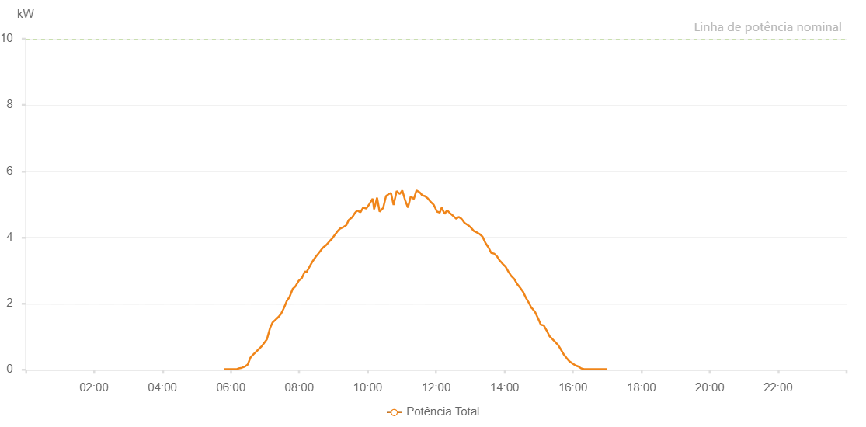

Number | Time | Working State | Alarm Code | Total Inverter Power(W)
1 | 07/07/2023 05:48:46 (UTC-4:00) | Normal |  | 20.000
2 | 07/07/2023 05:54:36 (UTC-4:00) | Normal |  | 20.000
3 | 07/07/2023 05:59:07 (UTC-4:00) | Normal |  | 20.000
4 | 07/07/2023 06:05:14 (UTC-4:00) | Normal |  | 20.000
5 | 07/07/2023 06:10:43 (UTC-4:00) | Normal |  | 20.000
6 | 07/07/2023 06:13:53 (UTC-4:00) | Normal |  | 40.000
7 | 07/07/2023 06:19:12 (UTC-4:00) | Normal |  | 60.000
8 | 07/07/2023 06:24:00 (UTC-4:00) | Normal |  | 90.000
9 | 07/07/2023 06:29:39 (UTC-4:00) | Normal |  | 160.000
10 | 07/07/2023 06:34:30 (UTC-4:00) | Normal |  | 370.000
11 | 07/07/2023 06:39:20 (UTC-4:00) | Normal |  | 460.000
12 | 07/07/2023 06:43:33 (UTC-4:00) | Normal |  | 530.000
13 | 07/07/2023 06:48:16 (UTC-4:00) | Normal |  | 610.000
14 | 07/07/2023 06:53:34 (UTC-4:00) | Normal |  | 700.000
15 | 07/07/2023 06:57:59 (UTC-4:00) | Normal |  | 800.000
16 | 07/07/2023 07:03:18 (UTC-4:00) | Normal |  | 920.000
17 | 07/07/2023 07:08:46 (UTC-4:00) | Normal |  | 1260.000
18 | 07/07/2023 07:13:15 (UTC-4:00) | Normal |  | 1430.000
19 | 07/07/2023 07:17:36 (UTC-4:00) | Normal |  | 1500.000
20 | 07/07/2023 07:23:12 (UTC-4:00) | Normal |  | 1590.000
21 | 07/07/2023 07:28:04 (UTC-4:00) | Normal |  | 1690.000
22 | 07/07/2023 07:33:15 (UTC-4:00) | Normal |  | 1870.000
23 | 07/07/2023 07:38:16 (UTC-4:00) | Normal |  | 2080.000
24 | 07/07/2023 07:42:56 (UTC-4:00) | Normal |  | 2200.000
25 | 07/07/2023 07:48:27 (UTC-4:00) | Normal |  | 2440.000
26 | 07/07/2023 07:53:16 (UTC-4:00) | Normal |  | 2520.000
27 | 07/07/2023 07:59:05 (UTC-4:00) | Normal |  | 2690.000
28 | 07/07/2023 08:04:28 (UTC-4:00) | Normal |  | 2770.000
29 | 07/07/2023 08:09:50 (UTC-4:00) | Normal |  | 2970.000
30 | 07/07/2023 08:12:39 (UTC-4:00) | Normal |  | 2950.000
31 | 07/07/2023 08:17:57 (UTC-4:00) | Normal |  | 3110.000
32 | 07/07/2023 08:23:31 (UTC-4:00) | Normal |  | 3280.000
33 | 07/07/2023 08:29:07 (UTC-4:00) | Normal |  | 3420.000
34 | 07/07/2023 08:33:54 (UTC-4:00) | Normal |  | 3520.000
35 | 07/07/2023 08:38:51 (UTC-4:00) | Normal |  | 3630.000
36 | 07/07/2023 08:42:20 (UTC-4:00) | Normal |  | 3700.000
37 | 07/07/2023 08:46:48 (UTC-4:00) | Normal |  | 3760.000
38 | 07/07/2023 08:52:00 (UTC-4:00) | Normal |  | 3860.000
39 | 07/07/2023 08:57:28 (UTC-4:00) | Normal |  | 3960.000
40 | 07/07/2023 09:02:52 (UTC-4:00) | Normal |  | 4090.000
41 | 07/07/2023 09:07:25 (UTC-4:00) | Normal |  | 4190.000
42 | 07/07/2023 09:12:02 (UTC-4:00) | Normal |  | 4270.000
43 | 07/07/2023 09:17:12 (UTC-4:00) | Normal |  | 4310.000
44 | 07/07/2023 09:22:37 (UTC-4:00) | Normal |  | 4370.000
45 | 07/07/2023 09:26:56 (UTC-4:00) | Normal |  | 4530.000
46 | 07/07/2023 09:33:02 (UTC-4:00) | Normal |  | 4610.000
47 | 07/07/2023 09:37:21 (UTC-4:00) | Normal |  | 4730.000
48 | 07/07/2023 09:41:42 (UTC-4:00) | Normal |  | 4810.000
49 | 07/07/2023 09:47:20 (UTC-4:00) | Normal |  | 4760.000
50 | 07/07/2023 09:52:02 (UTC-4:00) | Normal |  | 4900.000
51 | 07/07/2023 09:57:37 (UTC-4:00) | Normal |  | 4870.000
52 | 07/07/2023 10:03:06 (UTC-4:00) | Normal |  | 5010.000
53 | 07/07/2023 10:08:47 (UTC-4:00) | Normal |  | 5170.000
54 | 07/07/2023 10:11:20 (UTC-4:00) | Normal |  | 4850.000
55 | 07/07/2023 10:16:31 (UTC-4:00) | Normal |  | 5200.000
56 | 07/07/2023 10:20:53 (UTC-4:00) | Normal |  | 4780.000
57 | 07/07/2023 10:27:13 (UTC-4:00) | Normal |  | 4890.000
58 | 07/07/2023 10:32:15 (UTC-4:00) | Normal |  | 5250.000
59 | 07/07/2023 10:36:52 (UTC-4:00) | Normal |  | 5310.000
60 | 07/07/2023 10:41:00 (UTC-4:00) | Normal |  | 5340.000
61 | 07/07/2023 10:45:26 (UTC-4:00) | Normal |  | 4980.000
62 | 07/07/2023 10:50:54 (UTC-4:00) | Normal |  | 5400.000
63 | 07/07/2023 10:56:26 (UTC-4:00) | Normal |  | 5310.000
64 | 07/07/2023 11:00:46 (UTC-4:00) | Normal |  | 5420.000
65 | 07/07/2023 11:05:46 (UTC-4:00) | Normal |  | 5120.000
66 | 07/07/2023 11:10:37 (UTC-4:00) | Normal |  | 4900.000
67 | 07/07/2023 11:15:37 (UTC-4:00) | Normal |  | 5240.000
68 | 07/07/2023 11:20:57 (UTC-4:00) | Normal |  | 5160.000
69 | 07/07/2023 11:25:40 (UTC-4:00) | Normal |  | 5420.000
70 | 07/07/2023 11:31:24 (UTC-4:00) | Normal |  | 5360.000
71 | 07/07/2023 11:35:48 (UTC-4:00) | Normal |  | 5270.000
72 | 07/07/2023 11:40:16 (UTC-4:00) | Normal |  | 5250.000
73 | 07/07/2023 11:45:29 (UTC-4:00) | Normal |  | 5180.000
74 | 07/07/2023 11:50:11 (UTC-4:00) | Normal |  | 5080.000
75 | 07/07/2023 11:55:44 (UTC-4:00) | Normal |  | 4990.000
76 | 07/07/2023 12:01:35 (UTC-4:00) | Normal |  | 4780.000
77 | 07/07/2023 12:06:28 (UTC-4:00) | Normal |  | 4750.000
78 | 07/07/2023 12:09:51 (UTC-4:00) | Normal |  | 4900.000
79 | 07/07/2023 12:14:57 (UTC-4:00) | Normal |  | 4710.000
80 | 07/07/2023 12:19:25 (UTC-4:00) | Normal |  | 4820.000
81 | 07/07/2023 12:24:31 (UTC-4:00) | Normal |  | 4730.000
82 | 07/07/2023 12:30:01 (UTC-4:00) | Normal |  | 4650.000
83 | 07/07/2023 12:35:35 (UTC-4:00) | Normal |  | 4560.000
84 | 07/07/2023 12:39:28 (UTC-4:00) | Normal |  | 4620.000
85 | 07/07/2023 12:44:45 (UTC-4:00) | Normal |  | 4560.000
86 | 07/07/2023 12:49:48 (UTC-4:00) | Normal |  | 4440.000
87 | 07/07/2023 12:55:55 (UTC-4:00) | Normal |  | 4370.000
88 | 07/07/2023 12:57:00 (UTC-4:00) | Normal |  | 4360.000
89 | 07/07/2023 13:01:18 (UTC-4:00) | Normal |  | 4290.000
90 | 07/07/2023 13:06:23 (UTC-4:00) | Normal |  | 4190.000
91 | 07/07/2023 13:11:32 (UTC-4:00) | Normal |  | 4150.000
92 | 07/07/2023 13:16:29 (UTC-4:00) | Normal |  | 4100.000
93 | 07/07/2023 13:21:34 (UTC-4:00) | Normal |  | 4020.000
94 | 07/07/2023 13:26:36 (UTC-4:00) | Normal |  | 3830.000
95 | 07/07/2023 13:31:39 (UTC-4:00) | Normal |  | 3700.000
96 | 07/07/2023 13:31:50 (UTC-4:00) | Normal |  | 3700.000
97 | 07/07/2023 13:36:42 (UTC-4:00) | Normal |  | 3530.000
98 | 07/07/2023 13:41:47 (UTC-4:00) | Normal |  | 3510.000
99 | 07/07/2023 13:46:49 (UTC-4:00) | Normal |  | 3430.000
100 | 07/07/2023 13:51:53 (UTC-4:00) | Normal |  | 3290.000
101 | 07/07/2023 13:52:19 (UTC-4:00) | Normal |  | 3290.000
102 | 07/07/2023 13:56:54 (UTC-4:00) | Normal |  | 3200.000
103 | 07/07/2023 14:01:58 (UTC-4:00) | Normal |  | 3110.000
104 | 07/07/2023 14:07:04 (UTC-4:00) | Normal |  | 2960.000
105 | 07/07/2023 14:12:03 (UTC-4:00) | Normal |  | 2830.000
106 | 07/07/2023 14:17:10 (UTC-4:00) | Normal |  | 2740.000
107 | 07/07/2023 14:22:11 (UTC-4:00) | Normal |  | 2590.000
108 | 07/07/2023 14:27:15 (UTC-4:00) | Normal |  | 2480.000
109 | 07/07/2023 14:32:23 (UTC-4:00) | Normal |  | 2360.000
110 | 07/07/2023 14:37:23 (UTC-4:00) | Normal |  | 2180.000
111 | 07/07/2023 14:42:26 (UTC-4:00) | Normal |  | 2030.000
112 | 07/07/2023 14:47:39 (UTC-4:00) | Normal |  | 1860.000
113 | 07/07/2023 14:48:17 (UTC-4:00) | Normal |  | 1860.000
114 | 07/07/2023 14:53:42 (UTC-4:00) | Normal |  | 1740.000
115 | 07/07/2023 14:58:43 (UTC-4:00) | Normal |  | 1560.000
116 | 07/07/2023 15:03:44 (UTC-4:00) | Normal |  | 1360.000
117 | 07/07/2023 15:08:48 (UTC-4:00) | Normal |  | 1340.000
118 | 07/07/2023 15:13:48 (UTC-4:00) | Normal |  | 1190.000
119 | 07/07/2023 15:18:47 (UTC-4:00) | Normal |  | 1020.000
120 | 07/07/2023 15:23:47 (UTC-4:00) | Normal |  | 930.000
121 | 07/07/2023 15:28:47 (UTC-4:00) | Normal |  | 840.000
122 | 07/07/2023 15:34:14 (UTC-4:00) | Normal |  | 740.000
123 | 07/07/2023 15:38:55 (UTC-4:00) | Normal |  | 610.000
124 | 07/07/2023 15:44:00 (UTC-4:00) | Normal |  | 460.000
125 | 07/07/2023 15:49:04 (UTC-4:00) | Normal |  | 350.000
126 | 07/07/2023 15:54:08 (UTC-4:00) | Normal |  | 250.000
127 | 07/07/2023 15:59:13 (UTC-4:00) | Normal |  | 190.000
128 | 07/07/2023 16:04:36 (UTC-4:00) | Normal |  | 130.000
129 | 07/07/2023 16:09:25 (UTC-4:00) | Normal |  | 100.000
130 | 07/07/2023 16:14:34 (UTC-4:00) | Normal |  | 40.000
131 | 07/07/2023 16:19:32 (UTC-4:00) | Normal |  | 20.000
132 | 07/07/2023 16:24:36 (UTC-4:00) | Normal |  | 20.000
133 | 07/07/2023 16:29:40 (UTC-4:00) | Normal |  | 20.000
134 | 07/07/2023 16:34:44 (UTC-4:00) | Normal |  | 20.000
135 | 07/07/2023 16:39:51 (UTC-4:00) | Normal |  | 20.000
136 | 07/07/2023 16:44:57 (UTC-4:00) | Normal |  | 20.000
137 | 07/07/2023 16:50:00 (UTC-4:00) | Normal |  | 20.000
138 | 07/07/2023 16:55:06 (UTC-4:00) | Normal |  | 20.000
139 | 07/07/2023 16:55:17 (UTC-4:00) | Normal |  | 20.000
140 | 07/07/2023 17:00:13 (UTC-4:00) | Normal |  | 20.000

