Inverter History Report__17-08-
Inverter History Report_08/07/2023_Report

Inverter SN:054B7020C020044 |  | Inverter type:B7
Collector SN:4045086367 |  | Full Load Hours(h):2.92
Rated Power:10000Wp

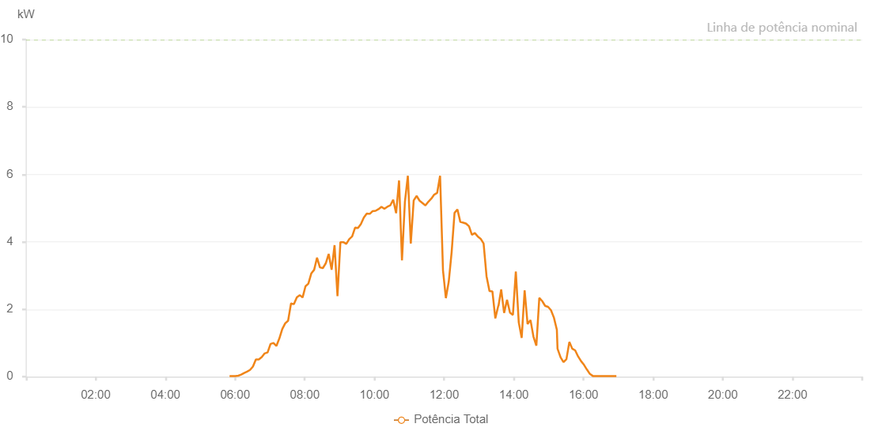

Number | Time | Working State | Alarm Code | Total Inverter Power(W)
1 | 08/07/2023 05:50:29 (UTC-4:00) | Normal |  | 20.000
2 | 08/07/2023 05:55:28 (UTC-4:00) | Normal |  | 20.000
3 | 08/07/2023 06:00:27 (UTC-4:00) | Normal |  | 20.000
4 | 08/07/2023 06:05:28 (UTC-4:00) | Normal |  | 30.000
5 | 08/07/2023 06:10:31 (UTC-4:00) | Normal |  | 60.000
6 | 08/07/2023 06:15:34 (UTC-4:00) | Normal |  | 110.000
7 | 08/07/2023 06:20:36 (UTC-4:00) | Normal |  | 150.000
8 | 08/07/2023 06:25:40 (UTC-4:00) | Normal |  | 200.000
9 | 08/07/2023 06:30:43 (UTC-4:00) | Normal |  | 300.000
10 | 08/07/2023 06:35:46 (UTC-4:00) | Normal |  | 510.000
11 | 08/07/2023 06:40:50 (UTC-4:00) | Normal |  | 510.000
12 | 08/07/2023 06:45:54 (UTC-4:00) | Normal |  | 580.000
13 | 08/07/2023 06:50:54 (UTC-4:00) | Normal |  | 690.000
14 | 08/07/2023 06:55:58 (UTC-4:00) | Normal |  | 720.000
15 | 08/07/2023 07:01:02 (UTC-4:00) | Normal |  | 970.000
16 | 08/07/2023 07:06:03 (UTC-4:00) | Normal |  | 1000.000
17 | 08/07/2023 07:11:06 (UTC-4:00) | Normal |  | 910.000
18 | 08/07/2023 07:16:09 (UTC-4:00) | Normal |  | 1130.000
19 | 08/07/2023 07:21:12 (UTC-4:00) | Normal |  | 1410.000
20 | 08/07/2023 07:26:14 (UTC-4:00) | Normal |  | 1580.000
21 | 08/07/2023 07:31:17 (UTC-4:00) | Normal |  | 1660.000
22 | 08/07/2023 07:36:19 (UTC-4:00) | Normal |  | 2170.000
23 | 08/07/2023 07:36:30 (UTC-4:00) | Normal |  | 2170.000
24 | 08/07/2023 07:41:18 (UTC-4:00) | Normal |  | 2150.000
25 | 08/07/2023 07:46:17 (UTC-4:00) | Normal |  | 2350.000
26 | 08/07/2023 07:51:16 (UTC-4:00) | Normal |  | 2420.000
27 | 08/07/2023 07:56:14 (UTC-4:00) | Normal |  | 2350.000
28 | 08/07/2023 08:01:13 (UTC-4:00) | Normal |  | 2680.000
29 | 08/07/2023 08:06:11 (UTC-4:00) | Normal |  | 2760.000
30 | 08/07/2023 08:11:10 (UTC-4:00) | Normal |  | 3060.000
31 | 08/07/2023 08:16:09 (UTC-4:00) | Normal |  | 3170.000
32 | 08/07/2023 08:21:07 (UTC-4:00) | Normal |  | 3530.000
33 | 08/07/2023 08:26:06 (UTC-4:00) | Normal |  | 3240.000
34 | 08/07/2023 08:31:06 (UTC-4:00) | Normal |  | 3220.000
35 | 08/07/2023 08:36:08 (UTC-4:00) | Normal |  | 3360.000
36 | 08/07/2023 08:41:11 (UTC-4:00) | Normal |  | 3640.000
37 | 08/07/2023 08:46:15 (UTC-4:00) | Normal |  | 3170.000
38 | 08/07/2023 08:51:17 (UTC-4:00) | Normal |  | 3900.000
39 | 08/07/2023 08:56:19 (UTC-4:00) | Normal |  | 2390.000
40 | 08/07/2023 09:01:22 (UTC-4:00) | Normal |  | 3990.000
41 | 08/07/2023 09:06:26 (UTC-4:00) | Normal |  | 3990.000
42 | 08/07/2023 09:11:30 (UTC-4:00) | Normal |  | 3940.000
43 | 08/07/2023 09:16:33 (UTC-4:00) | Normal |  | 4080.000
44 | 08/07/2023 09:21:36 (UTC-4:00) | Normal |  | 4160.000
45 | 08/07/2023 09:26:38 (UTC-4:00) | Normal |  | 4420.000
46 | 08/07/2023 09:31:40 (UTC-4:00) | Normal |  | 4410.000
47 | 08/07/2023 09:36:42 (UTC-4:00) | Normal |  | 4530.000
48 | 08/07/2023 09:41:45 (UTC-4:00) | Normal |  | 4720.000
49 | 08/07/2023 09:46:48 (UTC-4:00) | Normal |  | 4840.000
50 | 08/07/2023 09:51:52 (UTC-4:00) | Normal |  | 4830.000
51 | 08/07/2023 09:52:02 (UTC-4:00) | Normal |  | 4830.000
52 | 08/07/2023 09:56:54 (UTC-4:00) | Normal |  | 4910.000
53 | 08/07/2023 10:01:58 (UTC-4:00) | Normal |  | 4920.000
54 | 08/07/2023 10:07:00 (UTC-4:00) | Normal |  | 4970.000
55 | 08/07/2023 10:12:03 (UTC-4:00) | Normal |  | 5040.000
56 | 08/07/2023 10:17:05 (UTC-4:00) | Normal |  | 4980.000
57 | 08/07/2023 10:22:09 (UTC-4:00) | Normal |  | 5040.000
58 | 08/07/2023 10:27:13 (UTC-4:00) | Normal |  | 5080.000
59 | 08/07/2023 10:32:15 (UTC-4:00) | Normal |  | 5250.000
60 | 08/07/2023 10:37:18 (UTC-4:00) | Normal |  | 4850.000
61 | 08/07/2023 10:42:22 (UTC-4:00) | Normal |  | 5820.000
62 | 08/07/2023 10:47:24 (UTC-4:00) | Normal |  | 3450.000
63 | 08/07/2023 10:52:27 (UTC-4:00) | Normal |  | 5190.000
64 | 08/07/2023 10:57:32 (UTC-4:00) | Normal |  | 5960.000
65 | 08/07/2023 11:02:34 (UTC-4:00) | Normal |  | 3950.000
66 | 08/07/2023 11:07:35 (UTC-4:00) | Normal |  | 5230.000
67 | 08/07/2023 11:12:38 (UTC-4:00) | Normal |  | 5360.000
68 | 08/07/2023 11:17:41 (UTC-4:00) | Normal |  | 5220.000
69 | 08/07/2023 11:22:44 (UTC-4:00) | Normal |  | 5150.000
70 | 08/07/2023 11:27:46 (UTC-4:00) | Normal |  | 5080.000
71 | 08/07/2023 11:32:49 (UTC-4:00) | Normal |  | 5190.000
72 | 08/07/2023 11:37:54 (UTC-4:00) | Normal |  | 5280.000
73 | 08/07/2023 11:42:55 (UTC-4:00) | Normal |  | 5400.000
74 | 08/07/2023 11:47:58 (UTC-4:00) | Normal |  | 5450.000
75 | 08/07/2023 11:53:01 (UTC-4:00) | Normal |  | 5960.000
76 | 08/07/2023 11:58:00 (UTC-4:00) | Normal |  | 3160.000
77 | 08/07/2023 12:02:59 (UTC-4:00) | Normal |  | 2330.000
78 | 08/07/2023 12:07:57 (UTC-4:00) | Normal |  | 2820.000
79 | 08/07/2023 12:12:56 (UTC-4:00) | Normal |  | 3700.000
80 | 08/07/2023 12:17:55 (UTC-4:00) | Normal |  | 4860.000
81 | 08/07/2023 12:22:53 (UTC-4:00) | Normal |  | 4960.000
82 | 08/07/2023 12:27:52 (UTC-4:00) | Normal |  | 4590.000
83 | 08/07/2023 12:32:51 (UTC-4:00) | Normal |  | 4570.000
84 | 08/07/2023 12:37:49 (UTC-4:00) | Normal |  | 4540.000
85 | 08/07/2023 12:42:51 (UTC-4:00) | Normal |  | 4460.000
86 | 08/07/2023 12:47:49 (UTC-4:00) | Normal |  | 4210.000
87 | 08/07/2023 12:52:48 (UTC-4:00) | Normal |  | 4260.000
88 | 08/07/2023 12:57:51 (UTC-4:00) | Normal |  | 4160.000
89 | 08/07/2023 13:02:55 (UTC-4:00) | Normal |  | 4090.000
90 | 08/07/2023 13:07:58 (UTC-4:00) | Normal |  | 3950.000
91 | 08/07/2023 13:13:00 (UTC-4:00) | Normal |  | 2980.000
92 | 08/07/2023 13:18:04 (UTC-4:00) | Normal |  | 2540.000
93 | 08/07/2023 13:23:06 (UTC-4:00) | Normal |  | 2530.000
94 | 08/07/2023 13:28:10 (UTC-4:00) | Normal |  | 1730.000
95 | 08/07/2023 13:33:12 (UTC-4:00) | Normal |  | 2100.000
96 | 08/07/2023 13:33:36 (UTC-4:00) | Normal |  | 2100.000
97 | 08/07/2023 13:38:15 (UTC-4:00) | Normal |  | 2590.000
98 | 08/07/2023 13:43:17 (UTC-4:00) | Normal |  | 1890.000
99 | 08/07/2023 13:48:19 (UTC-4:00) | Normal |  | 2280.000
100 | 08/07/2023 13:53:22 (UTC-4:00) | Normal |  | 1900.000
101 | 08/07/2023 13:58:25 (UTC-4:00) | Normal |  | 1830.000
102 | 08/07/2023 14:03:27 (UTC-4:00) | Normal |  | 3120.000
103 | 08/07/2023 14:08:30 (UTC-4:00) | Normal |  | 1610.000
104 | 08/07/2023 14:13:33 (UTC-4:00) | Normal |  | 1150.000
105 | 08/07/2023 14:18:38 (UTC-4:00) | Normal |  | 2560.000
106 | 08/07/2023 14:23:41 (UTC-4:00) | Normal |  | 1560.000
107 | 08/07/2023 14:28:43 (UTC-4:00) | Normal |  | 1680.000
108 | 08/07/2023 14:33:47 (UTC-4:00) | Normal |  | 1190.000
109 | 08/07/2023 14:38:50 (UTC-4:00) | Normal |  | 920.000
110 | 08/07/2023 14:43:53 (UTC-4:00) | Normal |  | 2340.000
111 | 08/07/2023 14:48:56 (UTC-4:00) | Normal |  | 2240.000
112 | 08/07/2023 14:53:59 (UTC-4:00) | Normal |  | 2100.000
113 | 08/07/2023 14:59:01 (UTC-4:00) | Normal |  | 2070.000
114 | 08/07/2023 15:04:02 (UTC-4:00) | Normal |  | 1970.000
115 | 08/07/2023 15:09:04 (UTC-4:00) | Normal |  | 1750.000
116 | 08/07/2023 15:14:08 (UTC-4:00) | Normal |  | 1390.000
117 | 08/07/2023 15:15:16 (UTC-4:00) | Normal |  | 830.000
118 | 08/07/2023 15:20:34 (UTC-4:00) | Normal |  | 570.000
119 | 08/07/2023 15:25:35 (UTC-4:00) | Normal |  | 430.000
120 | 08/07/2023 15:30:36 (UTC-4:00) | Normal |  | 520.000
121 | 08/07/2023 15:35:37 (UTC-4:00) | Normal |  | 1030.000
122 | 08/07/2023 15:40:38 (UTC-4:00) | Normal |  | 830.000
123 | 08/07/2023 15:45:39 (UTC-4:00) | Normal |  | 780.000
124 | 08/07/2023 15:50:44 (UTC-4:00) | Normal |  | 600.000
125 | 08/07/2023 15:55:49 (UTC-4:00) | Normal |  | 460.000
126 | 08/07/2023 16:00:52 (UTC-4:00) | Normal |  | 350.000
127 | 08/07/2023 16:05:57 (UTC-4:00) | Normal |  | 210.000
128 | 08/07/2023 16:11:03 (UTC-4:00) | Normal |  | 80.000
129 | 08/07/2023 16:16:06 (UTC-4:00) | Normal |  | 20.000
130 | 08/07/2023 16:21:11 (UTC-4:00) | Normal |  | 20.000
131 | 08/07/2023 16:26:16 (UTC-4:00) | Normal |  | 20.000
132 | 08/07/2023 16:31:22 (UTC-4:00) | Normal |  | 20.000
133 | 08/07/2023 16:36:26 (UTC-4:00) | Normal |  | 20.000
134 | 08/07/2023 16:41:31 (UTC-4:00) | Normal |  | 20.000
135 | 08/07/2023 16:46:36 (UTC-4:00) | Normal |  | 20.000
136 | 08/07/2023 16:51:37 (UTC-4:00) | Normal |  | 20.000
137 | 08/07/2023 16:56:37 (UTC-4:00) | Normal |  | 20.000

