Inverter History Report__17-08-
Inverter History Report_09/07/2023_Report

Inverter SN:054B7020C020044 |  | Inverter type:B7
Collector SN:4045086367 |  | Full Load Hours(h):0.64
Rated Power:10000Wp

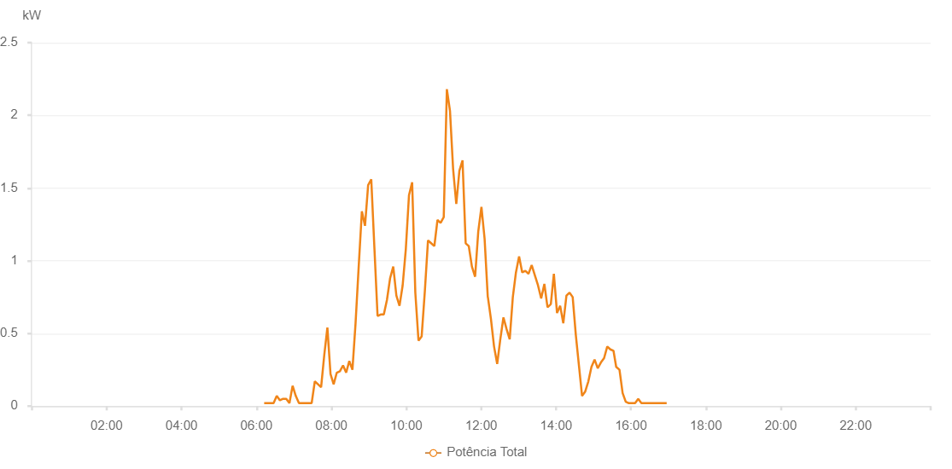

Number | Time | Working State | Alarm Code | Total Inverter Power(W)
1 | 09/07/2023 06:12:25 (UTC-4:00) | Normal |  | 20.000
2 | 09/07/2023 06:17:26 (UTC-4:00) | Normal |  | 20.000
3 | 09/07/2023 06:22:26 (UTC-4:00) | Normal |  | 20.000
4 | 09/07/2023 06:27:29 (UTC-4:00) | Normal |  | 20.000
5 | 09/07/2023 06:32:34 (UTC-4:00) | Normal |  | 70.000
6 | 09/07/2023 06:37:38 (UTC-4:00) | Normal |  | 40.000
7 | 09/07/2023 06:42:43 (UTC-4:00) | Normal |  | 50.000
8 | 09/07/2023 06:47:48 (UTC-4:00) | Normal |  | 50.000
9 | 09/07/2023 06:52:53 (UTC-4:00) | Normal |  | 20.000
10 | 09/07/2023 06:57:58 (UTC-4:00) | Normal |  | 140.000
11 | 09/07/2023 07:03:03 (UTC-4:00) | Normal |  | 70.000
12 | 09/07/2023 07:08:09 (UTC-4:00) | Normal |  | 20.000
13 | 09/07/2023 07:13:12 (UTC-4:00) | Normal |  | 20.000
14 | 09/07/2023 07:18:17 (UTC-4:00) | Normal |  | 20.000
15 | 09/07/2023 07:23:22 (UTC-4:00) | Normal |  | 20.000
16 | 09/07/2023 07:28:27 (UTC-4:00) | Normal |  | 20.000
17 | 09/07/2023 07:33:32 (UTC-4:00) | Normal |  | 170.000
18 | 09/07/2023 07:38:37 (UTC-4:00) | Normal |  | 150.000
19 | 09/07/2023 07:43:37 (UTC-4:00) | Normal |  | 130.000
20 | 09/07/2023 07:48:38 (UTC-4:00) | Normal |  | 350.000
21 | 09/07/2023 07:53:41 (UTC-4:00) | Normal |  | 540.000
22 | 09/07/2023 07:58:42 (UTC-4:00) | Normal |  | 220.000
23 | 09/07/2023 08:03:42 (UTC-4:00) | Normal |  | 150.000
24 | 09/07/2023 08:08:44 (UTC-4:00) | Normal |  | 230.000
25 | 09/07/2023 08:13:44 (UTC-4:00) | Normal |  | 240.000
26 | 09/07/2023 08:18:45 (UTC-4:00) | Normal |  | 280.000
27 | 09/07/2023 08:23:45 (UTC-4:00) | Normal |  | 230.000
28 | 09/07/2023 08:28:46 (UTC-4:00) | Normal |  | 310.000
29 | 09/07/2023 08:33:47 (UTC-4:00) | Normal |  | 250.000
30 | 09/07/2023 08:38:48 (UTC-4:00) | Normal |  | 570.000
31 | 09/07/2023 08:43:50 (UTC-4:00) | Normal |  | 960.000
32 | 09/07/2023 08:48:55 (UTC-4:00) | Normal |  | 1340.000
33 | 09/07/2023 08:53:56 (UTC-4:00) | Normal |  | 1240.000
34 | 09/07/2023 08:58:57 (UTC-4:00) | Normal |  | 1520.000
35 | 09/07/2023 09:03:57 (UTC-4:00) | Normal |  | 1560.000
36 | 09/07/2023 09:08:58 (UTC-4:00) | Normal |  | 1090.000
37 | 09/07/2023 09:14:03 (UTC-4:00) | Normal |  | 620.000
38 | 09/07/2023 09:19:03 (UTC-4:00) | Normal |  | 630.000
39 | 09/07/2023 09:24:04 (UTC-4:00) | Normal |  | 630.000
40 | 09/07/2023 09:29:05 (UTC-4:00) | Normal |  | 730.000
41 | 09/07/2023 09:34:09 (UTC-4:00) | Normal |  | 880.000
42 | 09/07/2023 09:39:10 (UTC-4:00) | Normal |  | 960.000
43 | 09/07/2023 09:44:11 (UTC-4:00) | Normal |  | 760.000
44 | 09/07/2023 09:49:12 (UTC-4:00) | Normal |  | 690.000
45 | 09/07/2023 09:54:14 (UTC-4:00) | Normal |  | 830.000
46 | 09/07/2023 09:59:19 (UTC-4:00) | Normal |  | 1080.000
47 | 09/07/2023 10:04:23 (UTC-4:00) | Normal |  | 1450.000
48 | 09/07/2023 10:09:27 (UTC-4:00) | Normal |  | 1540.000
49 | 09/07/2023 10:14:32 (UTC-4:00) | Normal |  | 780.000
50 | 09/07/2023 10:19:38 (UTC-4:00) | Normal |  | 450.000
51 | 09/07/2023 10:24:41 (UTC-4:00) | Normal |  | 480.000
52 | 09/07/2023 10:29:46 (UTC-4:00) | Normal |  | 790.000
53 | 09/07/2023 10:34:51 (UTC-4:00) | Normal |  | 1140.000
54 | 09/07/2023 10:39:56 (UTC-4:00) | Normal |  | 1120.000
55 | 09/07/2023 10:45:00 (UTC-4:00) | Normal |  | 1100.000
56 | 09/07/2023 10:50:01 (UTC-4:00) | Normal |  | 1280.000
57 | 09/07/2023 10:55:01 (UTC-4:00) | Normal |  | 1260.000
58 | 09/07/2023 11:00:03 (UTC-4:00) | Normal |  | 1300.000
59 | 09/07/2023 11:05:04 (UTC-4:00) | Normal |  | 2180.000
60 | 09/07/2023 11:10:04 (UTC-4:00) | Normal |  | 2030.000
61 | 09/07/2023 11:15:05 (UTC-4:00) | Normal |  | 1630.000
62 | 09/07/2023 11:20:08 (UTC-4:00) | Normal |  | 1390.000
63 | 09/07/2023 11:25:08 (UTC-4:00) | Normal |  | 1620.000
64 | 09/07/2023 11:30:09 (UTC-4:00) | Normal |  | 1690.000
65 | 09/07/2023 11:35:11 (UTC-4:00) | Normal |  | 1120.000
66 | 09/07/2023 11:40:11 (UTC-4:00) | Normal |  | 1100.000
67 | 09/07/2023 11:45:12 (UTC-4:00) | Normal |  | 960.000
68 | 09/07/2023 11:50:18 (UTC-4:00) | Normal |  | 890.000
69 | 09/07/2023 11:55:20 (UTC-4:00) | Normal |  | 1200.000
70 | 09/07/2023 12:00:26 (UTC-4:00) | Normal |  | 1370.000
71 | 09/07/2023 12:05:31 (UTC-4:00) | Normal |  | 1150.000
72 | 09/07/2023 12:10:35 (UTC-4:00) | Normal |  | 750.000
73 | 09/07/2023 12:10:46 (UTC-4:00) | Normal |  | 750.000
74 | 09/07/2023 12:15:38 (UTC-4:00) | Normal |  | 600.000
75 | 09/07/2023 12:20:39 (UTC-4:00) | Normal |  | 410.000
76 | 09/07/2023 12:25:39 (UTC-4:00) | Normal |  | 290.000
77 | 09/07/2023 12:30:40 (UTC-4:00) | Normal |  | 460.000
78 | 09/07/2023 12:35:41 (UTC-4:00) | Normal |  | 610.000
79 | 09/07/2023 12:40:41 (UTC-4:00) | Normal |  | 530.000
80 | 09/07/2023 12:45:42 (UTC-4:00) | Normal |  | 460.000
81 | 09/07/2023 12:50:43 (UTC-4:00) | Normal |  | 750.000
82 | 09/07/2023 12:55:43 (UTC-4:00) | Normal |  | 920.000
83 | 09/07/2023 13:00:44 (UTC-4:00) | Normal |  | 1030.000
84 | 09/07/2023 13:05:45 (UTC-4:00) | Normal |  | 920.000
85 | 09/07/2023 13:10:48 (UTC-4:00) | Normal |  | 930.000
86 | 09/07/2023 13:15:50 (UTC-4:00) | Normal |  | 910.000
87 | 09/07/2023 13:20:55 (UTC-4:00) | Normal |  | 970.000
88 | 09/07/2023 13:26:00 (UTC-4:00) | Normal |  | 900.000
89 | 09/07/2023 13:31:04 (UTC-4:00) | Normal |  | 830.000
90 | 09/07/2023 13:36:09 (UTC-4:00) | Normal |  | 740.000
91 | 09/07/2023 13:41:13 (UTC-4:00) | Normal |  | 840.000
92 | 09/07/2023 13:46:18 (UTC-4:00) | Normal |  | 680.000
93 | 09/07/2023 13:51:23 (UTC-4:00) | Normal |  | 700.000
94 | 09/07/2023 13:51:34 (UTC-4:00) | Normal |  | 700.000
95 | 09/07/2023 13:56:27 (UTC-4:00) | Normal |  | 910.000
96 | 09/07/2023 14:01:32 (UTC-4:00) | Normal |  | 640.000
97 | 09/07/2023 14:06:32 (UTC-4:00) | Normal |  | 690.000
98 | 09/07/2023 14:11:33 (UTC-4:00) | Normal |  | 570.000
99 | 09/07/2023 14:16:35 (UTC-4:00) | Normal |  | 760.000
100 | 09/07/2023 14:21:35 (UTC-4:00) | Normal |  | 780.000
101 | 09/07/2023 14:26:36 (UTC-4:00) | Normal |  | 750.000
102 | 09/07/2023 14:31:36 (UTC-4:00) | Normal |  | 490.000
103 | 09/07/2023 14:36:37 (UTC-4:00) | Normal |  | 280.000
104 | 09/07/2023 14:41:38 (UTC-4:00) | Normal |  | 70.000
105 | 09/07/2023 14:46:39 (UTC-4:00) | Normal |  | 100.000
106 | 09/07/2023 14:51:40 (UTC-4:00) | Normal |  | 170.000
107 | 09/07/2023 14:56:41 (UTC-4:00) | Normal |  | 270.000
108 | 09/07/2023 15:01:41 (UTC-4:00) | Normal |  | 320.000
109 | 09/07/2023 15:06:44 (UTC-4:00) | Normal |  | 260.000
110 | 09/07/2023 15:11:49 (UTC-4:00) | Normal |  | 300.000
111 | 09/07/2023 15:16:53 (UTC-4:00) | Normal |  | 330.000
112 | 09/07/2023 15:21:59 (UTC-4:00) | Normal |  | 410.000
113 | 09/07/2023 15:27:00 (UTC-4:00) | Normal |  | 390.000
114 | 09/07/2023 15:32:00 (UTC-4:00) | Normal |  | 380.000
115 | 09/07/2023 15:36:17 (UTC-4:00) | Normal |  | 270.000
116 | 09/07/2023 15:41:34 (UTC-4:00) | Normal |  | 250.000
117 | 09/07/2023 15:46:34 (UTC-4:00) | Normal |  | 90.000
118 | 09/07/2023 15:51:34 (UTC-4:00) | Normal |  | 30.000
119 | 09/07/2023 15:56:35 (UTC-4:00) | Normal |  | 20.000
120 | 09/07/2023 16:01:34 (UTC-4:00) | Normal |  | 20.000
121 | 09/07/2023 16:06:35 (UTC-4:00) | Normal |  | 20.000
122 | 09/07/2023 16:11:35 (UTC-4:00) | Normal |  | 50.000
123 | 09/07/2023 16:16:40 (UTC-4:00) | Normal |  | 20.000
124 | 09/07/2023 16:21:42 (UTC-4:00) | Normal |  | 20.000
125 | 09/07/2023 16:26:46 (UTC-4:00) | Normal |  | 20.000
126 | 09/07/2023 16:31:51 (UTC-4:00) | Normal |  | 20.000
127 | 09/07/2023 16:36:54 (UTC-4:00) | Normal |  | 20.000
128 | 09/07/2023 16:41:59 (UTC-4:00) | Normal |  | 20.000
129 | 09/07/2023 16:47:02 (UTC-4:00) | Normal |  | 20.000
130 | 09/07/2023 16:52:06 (UTC-4:00) | Normal |  | 20.000
131 | 09/07/2023 16:57:10 (UTC-4:00) | Normal |  | 20.000

