Inverter History Report__17-08-
Inverter History Report_10/07/2023_Report

Inverter SN:054B7020C020044 |  | Inverter type:B7
Collector SN:4045086367 |  | Full Load Hours(h):1.65
Rated Power:10000Wp

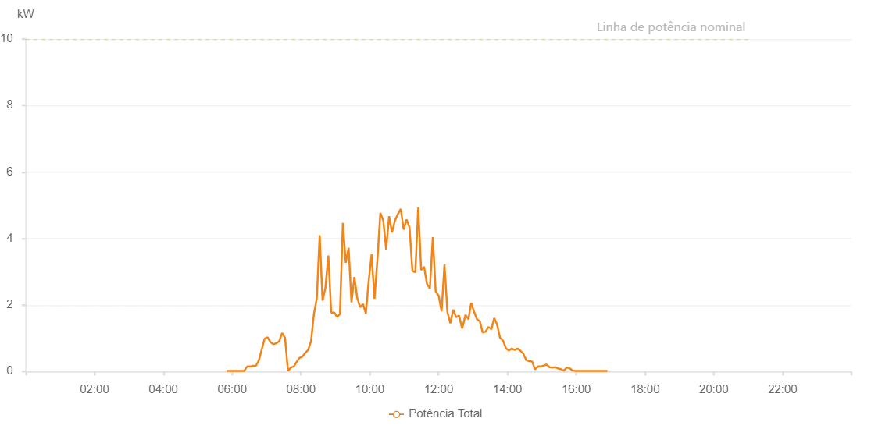

Number | Time | Working State | Alarm Code | Total Inverter Power(W)
1 | 10/07/2023 05:50:40 (UTC-4:00) | Normal |  | 20.000
2 | 10/07/2023 05:55:41 (UTC-4:00) | Normal |  | 20.000
3 | 10/07/2023 06:00:44 (UTC-4:00) | Normal |  | 20.000
4 | 10/07/2023 06:05:50 (UTC-4:00) | Normal |  | 20.000
5 | 10/07/2023 06:10:57 (UTC-4:00) | Normal |  | 20.000
6 | 10/07/2023 06:16:01 (UTC-4:00) | Normal |  | 20.000
7 | 10/07/2023 06:21:05 (UTC-4:00) | Normal |  | 20.000
8 | 10/07/2023 06:26:09 (UTC-4:00) | Normal |  | 150.000
9 | 10/07/2023 06:31:13 (UTC-4:00) | Normal |  | 150.000
10 | 10/07/2023 06:36:18 (UTC-4:00) | Normal |  | 170.000
11 | 10/07/2023 06:41:23 (UTC-4:00) | Normal |  | 170.000
12 | 10/07/2023 06:46:29 (UTC-4:00) | Normal |  | 330.000
13 | 10/07/2023 06:51:33 (UTC-4:00) | Normal |  | 660.000
14 | 10/07/2023 06:56:37 (UTC-4:00) | Normal |  | 990.000
15 | 10/07/2023 06:56:48 (UTC-4:00) | Normal |  | 990.000
16 | 10/07/2023 07:01:42 (UTC-4:00) | Normal |  | 1030.000
17 | 10/07/2023 07:06:48 (UTC-4:00) | Normal |  | 880.000
18 | 10/07/2023 07:06:59 (UTC-4:00) | Normal |  | 880.000
19 | 10/07/2023 07:11:52 (UTC-4:00) | Normal |  | 820.000
20 | 10/07/2023 07:16:57 (UTC-4:00) | Normal |  | 850.000
21 | 10/07/2023 07:22:02 (UTC-4:00) | Normal |  | 910.000
22 | 10/07/2023 07:27:08 (UTC-4:00) | Normal |  | 1160.000
23 | 10/07/2023 07:32:13 (UTC-4:00) | Normal |  | 1010.000
24 | 10/07/2023 07:37:18 (UTC-4:00) | Normal |  | 20.000
25 | 10/07/2023 07:42:23 (UTC-4:00) | Normal |  | 120.000
26 | 10/07/2023 07:47:28 (UTC-4:00) | Normal |  | 150.000
27 | 10/07/2023 07:52:29 (UTC-4:00) | Normal |  | 290.000
28 | 10/07/2023 07:57:30 (UTC-4:00) | Normal |  | 410.000
29 | 10/07/2023 08:02:31 (UTC-4:00) | Normal |  | 450.000
30 | 10/07/2023 08:07:32 (UTC-4:00) | Normal |  | 560.000
31 | 10/07/2023 08:12:33 (UTC-4:00) | Normal |  | 650.000
32 | 10/07/2023 08:17:34 (UTC-4:00) | Normal |  | 910.000
33 | 10/07/2023 08:22:35 (UTC-4:00) | Normal |  | 1730.000
34 | 10/07/2023 08:27:36 (UTC-4:00) | Normal |  | 2200.000
35 | 10/07/2023 08:32:37 (UTC-4:00) | Normal |  | 4100.000
36 | 10/07/2023 08:37:38 (UTC-4:00) | Normal |  | 2130.000
37 | 10/07/2023 08:42:38 (UTC-4:00) | Normal |  | 2520.000
38 | 10/07/2023 08:47:41 (UTC-4:00) | Normal |  | 3490.000
39 | 10/07/2023 08:52:47 (UTC-4:00) | Normal |  | 1770.000
40 | 10/07/2023 08:57:52 (UTC-4:00) | Normal |  | 1770.000
41 | 10/07/2023 08:58:17 (UTC-4:00) | Normal |  | 1770.000
42 | 10/07/2023 09:02:56 (UTC-4:00) | Normal |  | 1640.000
43 | 10/07/2023 09:08:01 (UTC-4:00) | Normal |  | 1730.000
44 | 10/07/2023 09:13:03 (UTC-4:00) | Normal |  | 4470.000
45 | 10/07/2023 09:18:03 (UTC-4:00) | Normal |  | 3270.000
46 | 10/07/2023 09:23:04 (UTC-4:00) | Normal |  | 3720.000
47 | 10/07/2023 09:28:05 (UTC-4:00) | Normal |  | 2080.000
48 | 10/07/2023 09:33:06 (UTC-4:00) | Normal |  | 2840.000
49 | 10/07/2023 09:38:07 (UTC-4:00) | Normal |  | 2210.000
50 | 10/07/2023 09:43:08 (UTC-4:00) | Normal |  | 1930.000
51 | 10/07/2023 09:48:09 (UTC-4:00) | Normal |  | 2030.000
52 | 10/07/2023 09:53:10 (UTC-4:00) | Normal |  | 1740.000
53 | 10/07/2023 09:58:11 (UTC-4:00) | Normal |  | 2740.000
54 | 10/07/2023 10:03:12 (UTC-4:00) | Normal |  | 3520.000
55 | 10/07/2023 10:08:14 (UTC-4:00) | Normal |  | 2190.000
56 | 10/07/2023 10:13:19 (UTC-4:00) | Normal |  | 3370.000
57 | 10/07/2023 10:18:25 (UTC-4:00) | Normal |  | 4770.000
58 | 10/07/2023 10:23:31 (UTC-4:00) | Normal |  | 4540.000
59 | 10/07/2023 10:28:34 (UTC-4:00) | Normal |  | 3670.000
60 | 10/07/2023 10:33:39 (UTC-4:00) | Normal |  | 4670.000
61 | 10/07/2023 10:38:45 (UTC-4:00) | Normal |  | 4180.000
62 | 10/07/2023 10:43:49 (UTC-4:00) | Normal |  | 4540.000
63 | 10/07/2023 10:48:54 (UTC-4:00) | Normal |  | 4730.000
64 | 10/07/2023 10:53:59 (UTC-4:00) | Normal |  | 4890.000
65 | 10/07/2023 10:59:05 (UTC-4:00) | Normal |  | 4280.000
66 | 10/07/2023 10:59:16 (UTC-4:00) | Normal |  | 4280.000
67 | 10/07/2023 11:04:10 (UTC-4:00) | Normal |  | 4570.000
68 | 10/07/2023 11:09:15 (UTC-4:00) | Normal |  | 4340.000
69 | 10/07/2023 11:14:19 (UTC-4:00) | Normal |  | 3030.000
70 | 10/07/2023 11:19:26 (UTC-4:00) | Normal |  | 2980.000
71 | 10/07/2023 11:24:29 (UTC-4:00) | Normal |  | 4930.000
72 | 10/07/2023 11:29:37 (UTC-4:00) | Normal |  | 3050.000
73 | 10/07/2023 11:34:39 (UTC-4:00) | Normal |  | 3150.000
74 | 10/07/2023 11:39:45 (UTC-4:00) | Normal |  | 2630.000
75 | 10/07/2023 11:44:50 (UTC-4:00) | Normal |  | 2500.000
76 | 10/07/2023 11:49:54 (UTC-4:00) | Normal |  | 4040.000
77 | 10/07/2023 11:54:59 (UTC-4:00) | Normal |  | 2400.000
78 | 10/07/2023 12:00:05 (UTC-4:00) | Normal |  | 2280.000
79 | 10/07/2023 12:05:12 (UTC-4:00) | Normal |  | 1810.000
80 | 10/07/2023 12:10:15 (UTC-4:00) | Normal |  | 3220.000
81 | 10/07/2023 12:15:22 (UTC-4:00) | Normal |  | 1790.000
82 | 10/07/2023 12:20:26 (UTC-4:00) | Normal |  | 1450.000
83 | 10/07/2023 12:25:30 (UTC-4:00) | Normal |  | 1860.000
84 | 10/07/2023 12:30:35 (UTC-4:00) | Normal |  | 1630.000
85 | 10/07/2023 12:35:40 (UTC-4:00) | Normal |  | 1680.000
86 | 10/07/2023 12:40:46 (UTC-4:00) | Normal |  | 1310.000
87 | 10/07/2023 12:41:24 (UTC-4:00) | Normal |  | 1310.000
88 | 10/07/2023 12:46:49 (UTC-4:00) | Normal |  | 1700.000
89 | 10/07/2023 12:51:49 (UTC-4:00) | Normal |  | 1580.000
90 | 10/07/2023 12:52:00 (UTC-4:00) | Normal |  | 1580.000
91 | 10/07/2023 12:56:50 (UTC-4:00) | Normal |  | 2060.000
92 | 10/07/2023 13:01:51 (UTC-4:00) | Normal |  | 1800.000
93 | 10/07/2023 13:06:52 (UTC-4:00) | Normal |  | 1570.000
94 | 10/07/2023 13:11:54 (UTC-4:00) | Normal |  | 1510.000
95 | 10/07/2023 13:16:55 (UTC-4:00) | Normal |  | 1170.000
96 | 10/07/2023 13:21:56 (UTC-4:00) | Normal |  | 1200.000
97 | 10/07/2023 13:26:57 (UTC-4:00) | Normal |  | 1340.000
98 | 10/07/2023 13:31:58 (UTC-4:00) | Normal |  | 1270.000
99 | 10/07/2023 13:37:04 (UTC-4:00) | Normal |  | 1610.000
100 | 10/07/2023 13:42:08 (UTC-4:00) | Normal |  | 1400.000
101 | 10/07/2023 13:47:13 (UTC-4:00) | Normal |  | 1010.000
102 | 10/07/2023 13:52:19 (UTC-4:00) | Normal |  | 930.000
103 | 10/07/2023 13:57:24 (UTC-4:00) | Normal |  | 700.000
104 | 10/07/2023 14:02:29 (UTC-4:00) | Normal |  | 630.000
105 | 10/07/2023 14:07:33 (UTC-4:00) | Normal |  | 690.000
106 | 10/07/2023 14:12:40 (UTC-4:00) | Normal |  | 650.000
107 | 10/07/2023 14:17:44 (UTC-4:00) | Normal |  | 690.000
108 | 10/07/2023 14:22:49 (UTC-4:00) | Normal |  | 620.000
109 | 10/07/2023 14:27:54 (UTC-4:00) | Normal |  | 530.000
110 | 10/07/2023 14:32:59 (UTC-4:00) | Normal |  | 340.000
111 | 10/07/2023 14:38:06 (UTC-4:00) | Normal |  | 310.000
112 | 10/07/2023 14:43:09 (UTC-4:00) | Normal |  | 300.000
113 | 10/07/2023 14:48:14 (UTC-4:00) | Normal |  | 60.000
114 | 10/07/2023 14:53:15 (UTC-4:00) | Normal |  | 150.000
115 | 10/07/2023 14:58:16 (UTC-4:00) | Normal |  | 150.000
116 | 10/07/2023 15:03:17 (UTC-4:00) | Normal |  | 180.000
117 | 10/07/2023 15:08:18 (UTC-4:00) | Normal |  | 210.000
118 | 10/07/2023 15:13:19 (UTC-4:00) | Normal |  | 130.000
119 | 10/07/2023 15:18:20 (UTC-4:00) | Normal |  | 120.000
120 | 10/07/2023 15:23:21 (UTC-4:00) | Normal |  | 130.000
121 | 10/07/2023 15:28:22 (UTC-4:00) | Normal |  | 90.000
122 | 10/07/2023 15:33:23 (UTC-4:00) | Normal |  | 70.000
123 | 10/07/2023 15:38:24 (UTC-4:00) | Normal |  | 20.000
124 | 10/07/2023 15:43:25 (UTC-4:00) | Normal |  | 120.000
125 | 10/07/2023 15:48:29 (UTC-4:00) | Normal |  | 100.000
126 | 10/07/2023 15:53:31 (UTC-4:00) | Normal |  | 30.000
127 | 10/07/2023 15:58:36 (UTC-4:00) | Normal |  | 20.000
128 | 10/07/2023 16:03:41 (UTC-4:00) | Normal |  | 20.000
129 | 10/07/2023 16:08:47 (UTC-4:00) | Normal |  | 20.000
130 | 10/07/2023 16:13:51 (UTC-4:00) | Normal |  | 20.000
131 | 10/07/2023 16:18:59 (UTC-4:00) | Normal |  | 20.000
132 | 10/07/2023 16:24:01 (UTC-4:00) | Normal |  | 20.000
133 | 10/07/2023 16:29:07 (UTC-4:00) | Normal |  | 20.000
134 | 10/07/2023 16:34:11 (UTC-4:00) | Normal |  | 20.000
135 | 10/07/2023 16:39:16 (UTC-4:00) | Normal |  | 20.000
136 | 10/07/2023 16:44:23 (UTC-4:00) | Normal |  | 20.000
137 | 10/07/2023 16:49:27 (UTC-4:00) | Normal |  | 20.000
138 | 10/07/2023 16:54:31 (UTC-4:00) | Normal |  | 20.000

