Inverter History Report__17-08-
Inverter History Report_11/07/2023_Report

Inverter SN:054B7020C020044 |  | Inverter type:B7
Collector SN:4045086367 |  | Full Load Hours(h):2.64
Rated Power:10000Wp

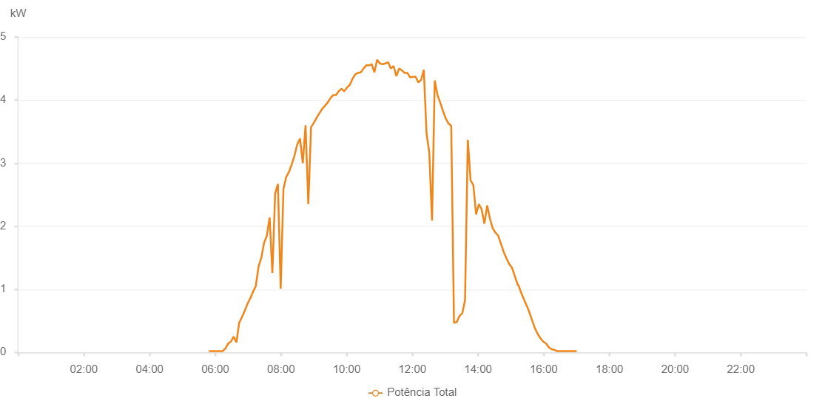

Number | Time | Working State | Alarm Code | Total Inverter Power(W)
1 | 11/07/2023 05:48:14 (UTC-4:00) | Normal |  | 20.000
2 | 11/07/2023 05:53:13 (UTC-4:00) | Normal |  | 20.000
3 | 11/07/2023 05:58:12 (UTC-4:00) | Normal |  | 20.000
4 | 11/07/2023 06:03:14 (UTC-4:00) | Normal |  | 20.000
5 | 11/07/2023 06:08:18 (UTC-4:00) | Normal |  | 20.000
6 | 11/07/2023 06:13:22 (UTC-4:00) | Normal |  | 20.000
7 | 11/07/2023 06:18:25 (UTC-4:00) | Normal |  | 60.000
8 | 11/07/2023 06:23:28 (UTC-4:00) | Normal |  | 140.000
9 | 11/07/2023 06:28:32 (UTC-4:00) | Normal |  | 170.000
10 | 11/07/2023 06:33:35 (UTC-4:00) | Normal |  | 250.000
11 | 11/07/2023 06:38:38 (UTC-4:00) | Normal |  | 160.000
12 | 11/07/2023 06:43:41 (UTC-4:00) | Normal |  | 470.000
13 | 11/07/2023 06:48:45 (UTC-4:00) | Normal |  | 560.000
14 | 11/07/2023 06:53:49 (UTC-4:00) | Normal |  | 660.000
15 | 11/07/2023 06:58:51 (UTC-4:00) | Normal |  | 770.000
16 | 11/07/2023 07:03:54 (UTC-4:00) | Normal |  | 860.000
17 | 11/07/2023 07:04:05 (UTC-4:00) | Normal |  | 860.000
18 | 11/07/2023 07:08:57 (UTC-4:00) | Normal |  | 960.000
19 | 11/07/2023 07:14:00 (UTC-4:00) | Normal |  | 1050.000
20 | 11/07/2023 07:19:02 (UTC-4:00) | Normal |  | 1360.000
21 | 11/07/2023 07:24:05 (UTC-4:00) | Normal |  | 1500.000
22 | 11/07/2023 07:29:11 (UTC-4:00) | Normal |  | 1740.000
23 | 11/07/2023 07:34:14 (UTC-4:00) | Normal |  | 1850.000
24 | 11/07/2023 07:39:17 (UTC-4:00) | Normal |  | 2140.000
25 | 11/07/2023 07:44:20 (UTC-4:00) | Normal |  | 1260.000
26 | 11/07/2023 07:49:23 (UTC-4:00) | Normal |  | 2520.000
27 | 11/07/2023 07:54:26 (UTC-4:00) | Normal |  | 2670.000
28 | 11/07/2023 07:59:29 (UTC-4:00) | Normal |  | 1010.000
29 | 11/07/2023 08:04:32 (UTC-4:00) | Normal |  | 2590.000
30 | 11/07/2023 08:09:34 (UTC-4:00) | Normal |  | 2780.000
31 | 11/07/2023 08:14:36 (UTC-4:00) | Normal |  | 2860.000
32 | 11/07/2023 08:19:39 (UTC-4:00) | Normal |  | 2980.000
33 | 11/07/2023 08:24:44 (UTC-4:00) | Normal |  | 3120.000
34 | 11/07/2023 08:29:46 (UTC-4:00) | Normal |  | 3300.000
35 | 11/07/2023 08:34:49 (UTC-4:00) | Normal |  | 3390.000
36 | 11/07/2023 08:39:52 (UTC-4:00) | Normal |  | 3000.000
37 | 11/07/2023 08:44:56 (UTC-4:00) | Normal |  | 3600.000
38 | 11/07/2023 08:49:58 (UTC-4:00) | Normal |  | 2350.000
39 | 11/07/2023 08:55:00 (UTC-4:00) | Normal |  | 3570.000
40 | 11/07/2023 09:00:03 (UTC-4:00) | Normal |  | 3640.000
41 | 11/07/2023 09:05:08 (UTC-4:00) | Normal |  | 3720.000
42 | 11/07/2023 09:10:10 (UTC-4:00) | Normal |  | 3790.000
43 | 11/07/2023 09:15:13 (UTC-4:00) | Normal |  | 3860.000
44 | 11/07/2023 09:20:18 (UTC-4:00) | Normal |  | 3910.000
45 | 11/07/2023 09:25:22 (UTC-4:00) | Normal |  | 3960.000
46 | 11/07/2023 09:30:25 (UTC-4:00) | Normal |  | 4030.000
47 | 11/07/2023 09:35:27 (UTC-4:00) | Normal |  | 4080.000
48 | 11/07/2023 09:40:30 (UTC-4:00) | Normal |  | 4080.000
49 | 11/07/2023 09:45:32 (UTC-4:00) | Normal |  | 4140.000
50 | 11/07/2023 09:50:35 (UTC-4:00) | Normal |  | 4180.000
51 | 11/07/2023 09:55:38 (UTC-4:00) | Normal |  | 4140.000
52 | 11/07/2023 10:00:42 (UTC-4:00) | Normal |  | 4200.000
53 | 11/07/2023 10:05:45 (UTC-4:00) | Normal |  | 4240.000
54 | 11/07/2023 10:10:48 (UTC-4:00) | Normal |  | 4340.000
55 | 11/07/2023 10:15:47 (UTC-4:00) | Normal |  | 4410.000
56 | 11/07/2023 10:20:46 (UTC-4:00) | Normal |  | 4430.000
57 | 11/07/2023 10:25:45 (UTC-4:00) | Normal |  | 4440.000
58 | 11/07/2023 10:30:44 (UTC-4:00) | Normal |  | 4500.000
59 | 11/07/2023 10:35:44 (UTC-4:00) | Normal |  | 4550.000
60 | 11/07/2023 10:40:43 (UTC-4:00) | Normal |  | 4550.000
61 | 11/07/2023 10:45:43 (UTC-4:00) | Normal |  | 4570.000
62 | 11/07/2023 10:50:41 (UTC-4:00) | Normal |  | 4440.000
63 | 11/07/2023 10:55:40 (UTC-4:00) | Normal |  | 4640.000
64 | 11/07/2023 11:00:39 (UTC-4:00) | Normal |  | 4580.000
65 | 11/07/2023 11:05:38 (UTC-4:00) | Normal |  | 4570.000
66 | 11/07/2023 11:10:37 (UTC-4:00) | Normal |  | 4580.000
67 | 11/07/2023 11:15:40 (UTC-4:00) | Normal |  | 4600.000
68 | 11/07/2023 11:20:43 (UTC-4:00) | Normal |  | 4500.000
69 | 11/07/2023 11:25:45 (UTC-4:00) | Normal |  | 4540.000
70 | 11/07/2023 11:30:49 (UTC-4:00) | Normal |  | 4380.000
71 | 11/07/2023 11:35:53 (UTC-4:00) | Normal |  | 4500.000
72 | 11/07/2023 11:40:55 (UTC-4:00) | Normal |  | 4470.000
73 | 11/07/2023 11:45:57 (UTC-4:00) | Normal |  | 4430.000
74 | 11/07/2023 11:51:02 (UTC-4:00) | Normal |  | 4430.000
75 | 11/07/2023 11:56:02 (UTC-4:00) | Normal |  | 4360.000
76 | 11/07/2023 12:01:01 (UTC-4:00) | Normal |  | 4370.000
77 | 11/07/2023 12:05:59 (UTC-4:00) | Normal |  | 4370.000
78 | 11/07/2023 12:10:58 (UTC-4:00) | Normal |  | 4280.000
79 | 11/07/2023 12:15:57 (UTC-4:00) | Normal |  | 4320.000
80 | 11/07/2023 12:20:57 (UTC-4:00) | Normal |  | 4480.000
81 | 11/07/2023 12:25:56 (UTC-4:00) | Normal |  | 3470.000
82 | 11/07/2023 12:30:55 (UTC-4:00) | Normal |  | 3170.000
83 | 11/07/2023 12:35:57 (UTC-4:00) | Normal |  | 2090.000
84 | 11/07/2023 12:40:56 (UTC-4:00) | Normal |  | 4310.000
85 | 11/07/2023 12:45:55 (UTC-4:00) | Normal |  | 4080.000
86 | 11/07/2023 12:50:54 (UTC-4:00) | Normal |  | 3960.000
87 | 11/07/2023 12:55:53 (UTC-4:00) | Normal |  | 3830.000
88 | 11/07/2023 13:00:55 (UTC-4:00) | Normal |  | 3710.000
89 | 11/07/2023 13:05:57 (UTC-4:00) | Normal |  | 3630.000
90 | 11/07/2023 13:11:00 (UTC-4:00) | Normal |  | 3590.000
91 | 11/07/2023 13:16:05 (UTC-4:00) | Normal |  | 470.000
92 | 11/07/2023 13:21:07 (UTC-4:00) | Normal |  | 480.000
93 | 11/07/2023 13:26:10 (UTC-4:00) | Normal |  | 580.000
94 | 11/07/2023 13:31:13 (UTC-4:00) | Normal |  | 620.000
95 | 11/07/2023 13:36:17 (UTC-4:00) | Normal |  | 830.000
96 | 11/07/2023 13:41:19 (UTC-4:00) | Normal |  | 3370.000
97 | 11/07/2023 13:46:22 (UTC-4:00) | Normal |  | 2730.000
98 | 11/07/2023 13:51:25 (UTC-4:00) | Normal |  | 2650.000
99 | 11/07/2023 13:56:29 (UTC-4:00) | Normal |  | 2190.000
100 | 11/07/2023 14:01:31 (UTC-4:00) | Normal |  | 2350.000
101 | 11/07/2023 14:06:33 (UTC-4:00) | Normal |  | 2270.000
102 | 11/07/2023 14:11:37 (UTC-4:00) | Normal |  | 2040.000
103 | 11/07/2023 14:16:40 (UTC-4:00) | Normal |  | 2330.000
104 | 11/07/2023 14:21:43 (UTC-4:00) | Normal |  | 2120.000
105 | 11/07/2023 14:26:45 (UTC-4:00) | Normal |  | 1970.000
106 | 11/07/2023 14:31:48 (UTC-4:00) | Normal |  | 1900.000
107 | 11/07/2023 14:36:52 (UTC-4:00) | Normal |  | 1850.000
108 | 11/07/2023 14:41:54 (UTC-4:00) | Normal |  | 1720.000
109 | 11/07/2023 14:46:57 (UTC-4:00) | Normal |  | 1590.000
110 | 11/07/2023 14:52:00 (UTC-4:00) | Normal |  | 1490.000
111 | 11/07/2023 14:57:04 (UTC-4:00) | Normal |  | 1400.000
112 | 11/07/2023 15:02:06 (UTC-4:00) | Normal |  | 1340.000
113 | 11/07/2023 15:07:10 (UTC-4:00) | Normal |  | 1210.000
114 | 11/07/2023 15:12:13 (UTC-4:00) | Normal |  | 1080.000
115 | 11/07/2023 15:13:22 (UTC-4:00) | Normal |  | 1060.000
116 | 11/07/2023 15:13:43 (UTC-4:00) | Normal |  | 1070.000
117 | 11/07/2023 15:19:01 (UTC-4:00) | Normal |  | 940.000
118 | 11/07/2023 15:24:01 (UTC-4:00) | Normal |  | 840.000
119 | 11/07/2023 15:29:03 (UTC-4:00) | Normal |  | 740.000
120 | 11/07/2023 15:34:04 (UTC-4:00) | Normal |  | 630.000
121 | 11/07/2023 15:39:05 (UTC-4:00) | Normal |  | 500.000
122 | 11/07/2023 15:44:05 (UTC-4:00) | Normal |  | 380.000
123 | 11/07/2023 15:49:11 (UTC-4:00) | Normal |  | 290.000
124 | 11/07/2023 15:54:15 (UTC-4:00) | Normal |  | 220.000
125 | 11/07/2023 15:54:26 (UTC-4:00) | Normal |  | 220.000
126 | 11/07/2023 15:59:18 (UTC-4:00) | Normal |  | 170.000
127 | 11/07/2023 16:04:23 (UTC-4:00) | Normal |  | 140.000
128 | 11/07/2023 16:09:29 (UTC-4:00) | Normal |  | 80.000
129 | 11/07/2023 16:14:33 (UTC-4:00) | Normal |  | 50.000
130 | 11/07/2023 16:19:37 (UTC-4:00) | Normal |  | 40.000
131 | 11/07/2023 16:24:43 (UTC-4:00) | Normal |  | 20.000
132 | 11/07/2023 16:29:50 (UTC-4:00) | Normal |  | 20.000
133 | 11/07/2023 16:34:54 (UTC-4:00) | Normal |  | 20.000
134 | 11/07/2023 16:39:59 (UTC-4:00) | Normal |  | 20.000
135 | 11/07/2023 16:45:04 (UTC-4:00) | Normal |  | 20.000
136 | 11/07/2023 16:50:09 (UTC-4:00) | Normal |  | 20.000
137 | 11/07/2023 16:55:14 (UTC-4:00) | Normal |  | 20.000
138 | 11/07/2023 17:00:14 (UTC-4:00) | Normal |  | 20.000

