Inverter History Report__17-08-
Inverter History Report_12/07/2023_Report

Inverter SN:054B7020C020044 |  | Inverter type:B7
Collector SN:4045086367 |  | Full Load Hours(h):2.66
Rated Power:10000Wp

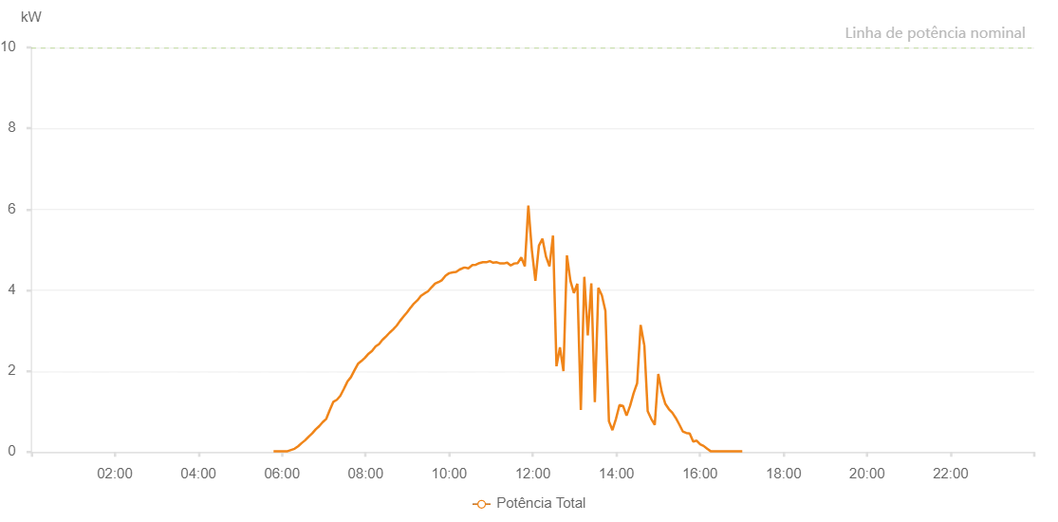

Number | Time | Working State | Alarm Code | Total Inverter Power(W)
1 | 12/07/2023 05:47:52 (UTC-4:00) | Normal |  | 20.000
2 | 12/07/2023 05:52:51 (UTC-4:00) | Normal |  | 20.000
3 | 12/07/2023 05:57:52 (UTC-4:00) | Normal |  | 20.000
4 | 12/07/2023 06:02:51 (UTC-4:00) | Normal |  | 20.000
5 | 12/07/2023 06:07:55 (UTC-4:00) | Normal |  | 20.000
6 | 12/07/2023 06:12:57 (UTC-4:00) | Normal |  | 50.000
7 | 12/07/2023 06:18:01 (UTC-4:00) | Normal |  | 80.000
8 | 12/07/2023 06:23:05 (UTC-4:00) | Normal |  | 140.000
9 | 12/07/2023 06:28:09 (UTC-4:00) | Normal |  | 220.000
10 | 12/07/2023 06:33:13 (UTC-4:00) | Normal |  | 290.000
11 | 12/07/2023 06:38:16 (UTC-4:00) | Normal |  | 380.000
12 | 12/07/2023 06:43:19 (UTC-4:00) | Normal |  | 460.000
13 | 12/07/2023 06:48:23 (UTC-4:00) | Normal |  | 560.000
14 | 12/07/2023 06:53:26 (UTC-4:00) | Normal |  | 640.000
15 | 12/07/2023 06:58:29 (UTC-4:00) | Normal |  | 740.000
16 | 12/07/2023 07:03:32 (UTC-4:00) | Normal |  | 820.000
17 | 12/07/2023 07:08:36 (UTC-4:00) | Normal |  | 1040.000
18 | 12/07/2023 07:13:39 (UTC-4:00) | Normal |  | 1240.000
19 | 12/07/2023 07:18:44 (UTC-4:00) | Normal |  | 1290.000
20 | 12/07/2023 07:23:45 (UTC-4:00) | Normal |  | 1390.000
21 | 12/07/2023 07:28:50 (UTC-4:00) | Normal |  | 1560.000
22 | 12/07/2023 07:33:53 (UTC-4:00) | Normal |  | 1740.000
23 | 12/07/2023 07:38:57 (UTC-4:00) | Normal |  | 1850.000
24 | 12/07/2023 07:44:02 (UTC-4:00) | Normal |  | 2020.000
25 | 12/07/2023 07:49:06 (UTC-4:00) | Normal |  | 2180.000
26 | 12/07/2023 07:54:08 (UTC-4:00) | Normal |  | 2250.000
27 | 12/07/2023 07:59:11 (UTC-4:00) | Normal |  | 2330.000
28 | 12/07/2023 08:04:16 (UTC-4:00) | Normal |  | 2430.000
29 | 12/07/2023 08:09:18 (UTC-4:00) | Normal |  | 2500.000
30 | 12/07/2023 08:14:21 (UTC-4:00) | Normal |  | 2610.000
31 | 12/07/2023 08:19:24 (UTC-4:00) | Normal |  | 2670.000
32 | 12/07/2023 08:24:28 (UTC-4:00) | Normal |  | 2780.000
33 | 12/07/2023 08:24:39 (UTC-4:00) | Normal |  | 2780.000
34 | 12/07/2023 08:29:30 (UTC-4:00) | Normal |  | 2860.000
35 | 12/07/2023 08:34:30 (UTC-4:00) | Normal |  | 2950.000
36 | 12/07/2023 08:39:29 (UTC-4:00) | Normal |  | 3030.000
37 | 12/07/2023 08:44:28 (UTC-4:00) | Normal |  | 3120.000
38 | 12/07/2023 08:49:27 (UTC-4:00) | Normal |  | 3240.000
39 | 12/07/2023 08:54:27 (UTC-4:00) | Normal |  | 3350.000
40 | 12/07/2023 08:59:26 (UTC-4:00) | Normal |  | 3450.000
41 | 12/07/2023 09:04:40 (UTC-4:00) | Normal |  | 3570.000
42 | 12/07/2023 09:04:52 (UTC-4:00) | Normal |  | 3570.000
43 | 12/07/2023 09:09:24 (UTC-4:00) | Normal |  | 3670.000
44 | 12/07/2023 09:14:24 (UTC-4:00) | Normal |  | 3750.000
45 | 12/07/2023 09:19:25 (UTC-4:00) | Normal |  | 3860.000
46 | 12/07/2023 09:24:30 (UTC-4:00) | Normal |  | 3920.000
47 | 12/07/2023 09:29:30 (UTC-4:00) | Normal |  | 3970.000
48 | 12/07/2023 09:34:34 (UTC-4:00) | Normal |  | 4070.000
49 | 12/07/2023 09:39:37 (UTC-4:00) | Normal |  | 4160.000
50 | 12/07/2023 09:44:42 (UTC-4:00) | Normal |  | 4200.000
51 | 12/07/2023 09:44:53 (UTC-4:00) | Normal |  | 4200.000
52 | 12/07/2023 09:49:44 (UTC-4:00) | Normal |  | 4250.000
53 | 12/07/2023 09:54:47 (UTC-4:00) | Normal |  | 4360.000
54 | 12/07/2023 09:59:51 (UTC-4:00) | Normal |  | 4420.000
55 | 12/07/2023 10:04:55 (UTC-4:00) | Normal |  | 4440.000
56 | 12/07/2023 10:09:58 (UTC-4:00) | Normal |  | 4450.000
57 | 12/07/2023 10:15:01 (UTC-4:00) | Normal |  | 4510.000
58 | 12/07/2023 10:20:05 (UTC-4:00) | Normal |  | 4550.000
59 | 12/07/2023 10:22:30 (UTC-4:00) | Normal |  | 4560.000
60 | 12/07/2023 10:27:31 (UTC-4:00) | Normal |  | 4540.000
61 | 12/07/2023 10:33:22 (UTC-4:00) | Normal |  | 4620.000
62 | 12/07/2023 10:38:21 (UTC-4:00) | Normal |  | 4630.000
63 | 12/07/2023 10:43:21 (UTC-4:00) | Normal |  | 4670.000
64 | 12/07/2023 10:48:20 (UTC-4:00) | Normal |  | 4690.000
65 | 12/07/2023 10:53:20 (UTC-4:00) | Normal |  | 4690.000
66 | 12/07/2023 10:58:19 (UTC-4:00) | Normal |  | 4720.000
67 | 12/07/2023 11:03:19 (UTC-4:00) | Normal |  | 4680.000
68 | 12/07/2023 11:08:21 (UTC-4:00) | Normal |  | 4690.000
69 | 12/07/2023 11:13:21 (UTC-4:00) | Normal |  | 4660.000
70 | 12/07/2023 11:18:20 (UTC-4:00) | Normal |  | 4660.000
71 | 12/07/2023 11:23:20 (UTC-4:00) | Normal |  | 4680.000
72 | 12/07/2023 11:28:21 (UTC-4:00) | Normal |  | 4610.000
73 | 12/07/2023 11:33:25 (UTC-4:00) | Normal |  | 4660.000
74 | 12/07/2023 11:38:29 (UTC-4:00) | Normal |  | 4670.000
75 | 12/07/2023 11:43:32 (UTC-4:00) | Normal |  | 4810.000
76 | 12/07/2023 11:48:35 (UTC-4:00) | Normal |  | 4590.000
77 | 12/07/2023 11:53:39 (UTC-4:00) | Normal |  | 6090.000
78 | 12/07/2023 11:58:43 (UTC-4:00) | Normal |  | 4990.000
79 | 12/07/2023 12:03:47 (UTC-4:00) | Normal |  | 4230.000
80 | 12/07/2023 12:08:50 (UTC-4:00) | Normal |  | 5100.000
81 | 12/07/2023 12:13:54 (UTC-4:00) | Normal |  | 5270.000
82 | 12/07/2023 12:18:58 (UTC-4:00) | Normal |  | 4830.000
83 | 12/07/2023 12:24:01 (UTC-4:00) | Normal |  | 4590.000
84 | 12/07/2023 12:29:04 (UTC-4:00) | Normal |  | 5350.000
85 | 12/07/2023 12:34:04 (UTC-4:00) | Normal |  | 2120.000
86 | 12/07/2023 12:39:03 (UTC-4:00) | Normal |  | 2590.000
87 | 12/07/2023 12:44:03 (UTC-4:00) | Normal |  | 2000.000
88 | 12/07/2023 12:49:02 (UTC-4:00) | Normal |  | 4860.000
89 | 12/07/2023 12:54:03 (UTC-4:00) | Normal |  | 4230.000
90 | 12/07/2023 12:59:02 (UTC-4:00) | Normal |  | 3930.000
91 | 12/07/2023 13:04:01 (UTC-4:00) | Normal |  | 4160.000
92 | 12/07/2023 13:09:01 (UTC-4:00) | Normal |  | 1040.000
93 | 12/07/2023 13:14:00 (UTC-4:00) | Normal |  | 4330.000
94 | 12/07/2023 13:19:00 (UTC-4:00) | Normal |  | 2880.000
95 | 12/07/2023 13:24:03 (UTC-4:00) | Normal |  | 4170.000
96 | 12/07/2023 13:29:07 (UTC-4:00) | Normal |  | 1230.000
97 | 12/07/2023 13:34:11 (UTC-4:00) | Normal |  | 4060.000
98 | 12/07/2023 13:39:15 (UTC-4:00) | Normal |  | 3870.000
99 | 12/07/2023 13:44:17 (UTC-4:00) | Normal |  | 3490.000
100 | 12/07/2023 13:49:21 (UTC-4:00) | Normal |  | 760.000
101 | 12/07/2023 13:54:25 (UTC-4:00) | Normal |  | 540.000
102 | 12/07/2023 13:59:28 (UTC-4:00) | Normal |  | 820.000
103 | 12/07/2023 14:04:32 (UTC-4:00) | Normal |  | 1160.000
104 | 12/07/2023 14:09:37 (UTC-4:00) | Normal |  | 1140.000
105 | 12/07/2023 14:14:40 (UTC-4:00) | Normal |  | 900.000
106 | 12/07/2023 14:19:43 (UTC-4:00) | Normal |  | 1140.000
107 | 12/07/2023 14:24:46 (UTC-4:00) | Normal |  | 1450.000
108 | 12/07/2023 14:29:51 (UTC-4:00) | Normal |  | 1700.000
109 | 12/07/2023 14:34:54 (UTC-4:00) | Normal |  | 3140.000
110 | 12/07/2023 14:39:58 (UTC-4:00) | Normal |  | 2650.000
111 | 12/07/2023 14:40:09 (UTC-4:00) | Normal |  | 2650.000
112 | 12/07/2023 14:45:00 (UTC-4:00) | Normal |  | 1010.000
113 | 12/07/2023 14:50:04 (UTC-4:00) | Normal |  | 820.000
114 | 12/07/2023 14:55:08 (UTC-4:00) | Normal |  | 670.000
115 | 12/07/2023 15:00:13 (UTC-4:00) | Normal |  | 1930.000
116 | 12/07/2023 15:05:15 (UTC-4:00) | Normal |  | 1480.000
117 | 12/07/2023 15:10:19 (UTC-4:00) | Normal |  | 1190.000
118 | 12/07/2023 15:15:23 (UTC-4:00) | Normal |  | 1060.000
119 | 12/07/2023 15:20:23 (UTC-4:00) | Normal |  | 970.000
120 | 12/07/2023 15:25:22 (UTC-4:00) | Normal |  | 840.000
121 | 12/07/2023 15:30:22 (UTC-4:00) | Normal |  | 680.000
122 | 12/07/2023 15:35:21 (UTC-4:00) | Normal |  | 510.000
123 | 12/07/2023 15:40:21 (UTC-4:00) | Normal |  | 470.000
124 | 12/07/2023 15:45:20 (UTC-4:00) | Normal |  | 460.000
125 | 12/07/2023 15:50:20 (UTC-4:00) | Normal |  | 260.000
126 | 12/07/2023 15:55:20 (UTC-4:00) | Normal |  | 280.000
127 | 12/07/2023 16:00:20 (UTC-4:00) | Normal |  | 190.000
128 | 12/07/2023 16:05:20 (UTC-4:00) | Normal |  | 150.000
129 | 12/07/2023 16:10:19 (UTC-4:00) | Normal |  | 80.000
130 | 12/07/2023 16:15:20 (UTC-4:00) | Normal |  | 20.000
131 | 12/07/2023 16:20:22 (UTC-4:00) | Normal |  | 20.000
132 | 12/07/2023 16:25:25 (UTC-4:00) | Normal |  | 20.000
133 | 12/07/2023 16:30:28 (UTC-4:00) | Normal |  | 20.000
134 | 12/07/2023 16:35:32 (UTC-4:00) | Normal |  | 20.000
135 | 12/07/2023 16:40:36 (UTC-4:00) | Normal |  | 20.000
136 | 12/07/2023 16:41:01 (UTC-4:00) | Normal |  | 20.000
137 | 12/07/2023 16:45:39 (UTC-4:00) | Normal |  | 20.000
138 | 12/07/2023 16:50:42 (UTC-4:00) | Normal |  | 20.000
139 | 12/07/2023 16:50:53 (UTC-4:00) | Normal |  | 20.000
140 | 12/07/2023 16:55:45 (UTC-4:00) | Normal |  | 20.000
141 | 12/07/2023 17:00:49 (UTC-4:00) | Normal |  | 20.000

