Inverter History Report__17-08-
Inverter History Report_13/07/2023_Report

Inverter SN:054B7020C020044 |  | Inverter type:B7
Collector SN:4045086367 |  | Full Load Hours(h):3.04
Rated Power:10000Wp

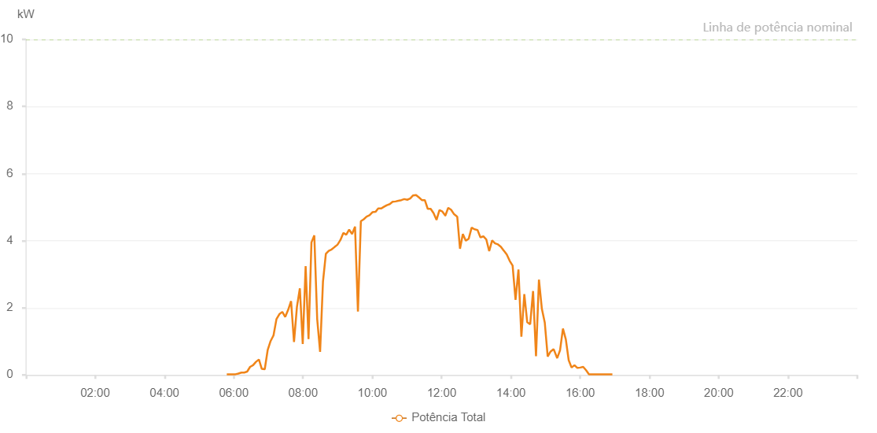

Number | Time | Working State | Alarm Code | Total Inverter Power(W)
1 | 13/07/2023 05:47:56 (UTC-4:00) | Normal |  | 20.000
2 | 13/07/2023 05:52:56 (UTC-4:00) | Normal |  | 20.000
3 | 13/07/2023 05:57:56 (UTC-4:00) | Normal |  | 20.000
4 | 13/07/2023 06:02:57 (UTC-4:00) | Normal |  | 20.000
5 | 13/07/2023 06:08:02 (UTC-4:00) | Normal |  | 40.000
6 | 13/07/2023 06:13:17 (UTC-4:00) | Normal |  | 70.000
7 | 13/07/2023 06:13:18 (UTC-4:00) | Normal |  | 70.000
8 | 13/07/2023 06:13:28 (UTC-4:00) | Normal |  | 70.000
9 | 13/07/2023 06:18:09 (UTC-4:00) | Normal |  | 70.000
10 | 13/07/2023 06:23:13 (UTC-4:00) | Normal |  | 100.000
11 | 13/07/2023 06:28:18 (UTC-4:00) | Normal |  | 240.000
12 | 13/07/2023 06:33:23 (UTC-4:00) | Normal |  | 290.000
13 | 13/07/2023 06:38:27 (UTC-4:00) | Normal |  | 390.000
14 | 13/07/2023 06:43:32 (UTC-4:00) | Normal |  | 460.000
15 | 13/07/2023 06:48:35 (UTC-4:00) | Normal |  | 180.000
16 | 13/07/2023 06:53:39 (UTC-4:00) | Normal |  | 170.000
17 | 13/07/2023 06:58:43 (UTC-4:00) | Normal |  | 740.000
18 | 13/07/2023 07:03:48 (UTC-4:00) | Normal |  | 1010.000
19 | 13/07/2023 07:08:51 (UTC-4:00) | Normal |  | 1180.000
20 | 13/07/2023 07:13:55 (UTC-4:00) | Normal |  | 1660.000
21 | 13/07/2023 07:18:59 (UTC-4:00) | Normal |  | 1810.000
22 | 13/07/2023 07:24:07 (UTC-4:00) | Normal |  | 1880.000
23 | 13/07/2023 07:29:08 (UTC-4:00) | Normal |  | 1730.000
24 | 13/07/2023 07:34:12 (UTC-4:00) | Normal |  | 1940.000
25 | 13/07/2023 07:39:16 (UTC-4:00) | Normal |  | 2200.000
26 | 13/07/2023 07:44:21 (UTC-4:00) | Normal |  | 980.000
27 | 13/07/2023 07:49:26 (UTC-4:00) | Normal |  | 2030.000
28 | 13/07/2023 07:54:28 (UTC-4:00) | Normal |  | 2580.000
29 | 13/07/2023 07:59:28 (UTC-4:00) | Normal |  | 920.000
30 | 13/07/2023 08:04:29 (UTC-4:00) | Normal |  | 3240.000
31 | 13/07/2023 08:09:29 (UTC-4:00) | Normal |  | 1070.000
32 | 13/07/2023 08:14:33 (UTC-4:00) | Normal |  | 3950.000
33 | 13/07/2023 08:19:29 (UTC-4:00) | Normal |  | 4160.000
34 | 13/07/2023 08:24:31 (UTC-4:00) | Normal |  | 1660.000
35 | 13/07/2023 08:29:31 (UTC-4:00) | Normal |  | 690.000
36 | 13/07/2023 08:34:31 (UTC-4:00) | Normal |  | 2780.000
37 | 13/07/2023 08:39:31 (UTC-4:00) | Normal |  | 3610.000
38 | 13/07/2023 08:44:32 (UTC-4:00) | Normal |  | 3700.000
39 | 13/07/2023 08:49:31 (UTC-4:00) | Normal |  | 3740.000
40 | 13/07/2023 08:54:32 (UTC-4:00) | Normal |  | 3810.000
41 | 13/07/2023 08:59:36 (UTC-4:00) | Normal |  | 3880.000
42 | 13/07/2023 09:04:41 (UTC-4:00) | Normal |  | 4020.000
43 | 13/07/2023 09:09:45 (UTC-4:00) | Normal |  | 4230.000
44 | 13/07/2023 09:14:50 (UTC-4:00) | Normal |  | 4180.000
45 | 13/07/2023 09:19:52 (UTC-4:00) | Normal |  | 4330.000
46 | 13/07/2023 09:24:56 (UTC-4:00) | Normal |  | 4200.000
47 | 13/07/2023 09:30:01 (UTC-4:00) | Normal |  | 4420.000
48 | 13/07/2023 09:35:04 (UTC-4:00) | Normal |  | 1890.000
49 | 13/07/2023 09:40:08 (UTC-4:00) | Normal |  | 4580.000
50 | 13/07/2023 09:45:09 (UTC-4:00) | Normal |  | 4640.000
51 | 13/07/2023 09:50:08 (UTC-4:00) | Normal |  | 4720.000
52 | 13/07/2023 09:55:08 (UTC-4:00) | Normal |  | 4760.000
53 | 13/07/2023 10:00:08 (UTC-4:00) | Normal |  | 4850.000
54 | 13/07/2023 10:05:27 (UTC-4:00) | Normal |  | 4860.000
55 | 13/07/2023 10:05:29 (UTC-4:00) | Normal |  | 4860.000
56 | 13/07/2023 10:10:11 (UTC-4:00) | Normal |  | 4960.000
57 | 13/07/2023 10:15:11 (UTC-4:00) | Normal |  | 4960.000
58 | 13/07/2023 10:20:11 (UTC-4:00) | Normal |  | 5010.000
59 | 13/07/2023 10:25:11 (UTC-4:00) | Normal |  | 5060.000
60 | 13/07/2023 10:30:11 (UTC-4:00) | Normal |  | 5090.000
61 | 13/07/2023 10:35:11 (UTC-4:00) | Normal |  | 5160.000
62 | 13/07/2023 10:40:12 (UTC-4:00) | Normal |  | 5170.000
63 | 13/07/2023 10:45:16 (UTC-4:00) | Normal |  | 5190.000
64 | 13/07/2023 10:50:20 (UTC-4:00) | Normal |  | 5210.000
65 | 13/07/2023 10:55:24 (UTC-4:00) | Normal |  | 5240.000
66 | 13/07/2023 11:00:27 (UTC-4:00) | Normal |  | 5220.000
67 | 13/07/2023 11:05:33 (UTC-4:00) | Normal |  | 5260.000
68 | 13/07/2023 11:10:38 (UTC-4:00) | Normal |  | 5350.000
69 | 13/07/2023 11:15:41 (UTC-4:00) | Normal |  | 5360.000
70 | 13/07/2023 11:20:45 (UTC-4:00) | Normal |  | 5290.000
71 | 13/07/2023 11:25:49 (UTC-4:00) | Normal |  | 5210.000
72 | 13/07/2023 11:30:54 (UTC-4:00) | Normal |  | 5210.000
73 | 13/07/2023 11:35:57 (UTC-4:00) | Normal |  | 4950.000
74 | 13/07/2023 11:41:01 (UTC-4:00) | Normal |  | 4950.000
75 | 13/07/2023 11:46:05 (UTC-4:00) | Normal |  | 4820.000
76 | 13/07/2023 11:51:10 (UTC-4:00) | Normal |  | 4620.000
77 | 13/07/2023 11:56:13 (UTC-4:00) | Normal |  | 4910.000
78 | 13/07/2023 12:01:17 (UTC-4:00) | Normal |  | 4870.000
79 | 13/07/2023 12:06:21 (UTC-4:00) | Normal |  | 4750.000
80 | 13/07/2023 12:06:32 (UTC-4:00) | Normal |  | 4750.000
81 | 13/07/2023 12:11:25 (UTC-4:00) | Normal |  | 4980.000
82 | 13/07/2023 12:16:29 (UTC-4:00) | Normal |  | 4920.000
83 | 13/07/2023 12:21:33 (UTC-4:00) | Normal |  | 4790.000
84 | 13/07/2023 12:26:37 (UTC-4:00) | Normal |  | 4720.000
85 | 13/07/2023 12:27:03 (UTC-4:00) | Normal |  | 4720.000
86 | 13/07/2023 12:31:50 (UTC-4:00) | Normal |  | 3760.000
87 | 13/07/2023 12:36:46 (UTC-4:00) | Normal |  | 4200.000
88 | 13/07/2023 12:41:51 (UTC-4:00) | Normal |  | 4000.000
89 | 13/07/2023 12:46:56 (UTC-4:00) | Normal |  | 4060.000
90 | 13/07/2023 12:52:00 (UTC-4:00) | Normal |  | 4390.000
91 | 13/07/2023 12:57:04 (UTC-4:00) | Normal |  | 4340.000
92 | 13/07/2023 13:02:08 (UTC-4:00) | Normal |  | 4320.000
93 | 13/07/2023 13:07:12 (UTC-4:00) | Normal |  | 4100.000
94 | 13/07/2023 13:12:18 (UTC-4:00) | Normal |  | 4130.000
95 | 13/07/2023 13:17:20 (UTC-4:00) | Normal |  | 4040.000
96 | 13/07/2023 13:22:24 (UTC-4:00) | Normal |  | 3690.000
97 | 13/07/2023 13:27:28 (UTC-4:00) | Normal |  | 4010.000
98 | 13/07/2023 13:32:32 (UTC-4:00) | Normal |  | 3920.000
99 | 13/07/2023 13:37:36 (UTC-4:00) | Normal |  | 3890.000
100 | 13/07/2023 13:42:40 (UTC-4:00) | Normal |  | 3820.000
101 | 13/07/2023 13:47:44 (UTC-4:00) | Normal |  | 3700.000
102 | 13/07/2023 13:47:55 (UTC-4:00) | Normal |  | 3700.000
103 | 13/07/2023 13:52:49 (UTC-4:00) | Normal |  | 3590.000
104 | 13/07/2023 13:57:53 (UTC-4:00) | Normal |  | 3400.000
105 | 13/07/2023 14:02:57 (UTC-4:00) | Normal |  | 3260.000
106 | 13/07/2023 14:08:01 (UTC-4:00) | Normal |  | 2240.000
107 | 13/07/2023 14:13:05 (UTC-4:00) | Normal |  | 3140.000
108 | 13/07/2023 14:18:08 (UTC-4:00) | Normal |  | 1140.000
109 | 13/07/2023 14:23:13 (UTC-4:00) | Normal |  | 2410.000
110 | 13/07/2023 14:28:17 (UTC-4:00) | Normal |  | 1570.000
111 | 13/07/2023 14:33:23 (UTC-4:00) | Normal |  | 1510.000
112 | 13/07/2023 14:38:24 (UTC-4:00) | Normal |  | 2500.000
113 | 13/07/2023 14:43:28 (UTC-4:00) | Normal |  | 560.000
114 | 13/07/2023 14:48:33 (UTC-4:00) | Normal |  | 2840.000
115 | 13/07/2023 14:53:37 (UTC-4:00) | Normal |  | 1970.000
116 | 13/07/2023 14:58:39 (UTC-4:00) | Normal |  | 1560.000
117 | 13/07/2023 15:03:43 (UTC-4:00) | Normal |  | 550.000
118 | 13/07/2023 15:08:47 (UTC-4:00) | Normal |  | 700.000
119 | 13/07/2023 15:13:52 (UTC-4:00) | Normal |  | 770.000
120 | 13/07/2023 15:14:56 (UTC-4:00) | Normal |  | 730.000
121 | 13/07/2023 15:20:11 (UTC-4:00) | Normal |  | 500.000
122 | 13/07/2023 15:25:10 (UTC-4:00) | Normal |  | 740.000
123 | 13/07/2023 15:30:08 (UTC-4:00) | Normal |  | 1380.000
124 | 13/07/2023 15:35:07 (UTC-4:00) | Normal |  | 1060.000
125 | 13/07/2023 15:40:05 (UTC-4:00) | Normal |  | 440.000
126 | 13/07/2023 15:45:03 (UTC-4:00) | Normal |  | 220.000
127 | 13/07/2023 15:50:04 (UTC-4:00) | Normal |  | 290.000
128 | 13/07/2023 15:55:06 (UTC-4:00) | Normal |  | 210.000
129 | 13/07/2023 16:00:07 (UTC-4:00) | Normal |  | 220.000
130 | 13/07/2023 16:05:10 (UTC-4:00) | Normal |  | 240.000
131 | 13/07/2023 16:10:13 (UTC-4:00) | Normal |  | 140.000
132 | 13/07/2023 16:15:15 (UTC-4:00) | Normal |  | 20.000
133 | 13/07/2023 16:15:26 (UTC-4:00) | Normal |  | 20.000
134 | 13/07/2023 16:20:18 (UTC-4:00) | Normal |  | 20.000
135 | 13/07/2023 16:25:20 (UTC-4:00) | Normal |  | 20.000
136 | 13/07/2023 16:25:31 (UTC-4:00) | Normal |  | 20.000
137 | 13/07/2023 16:30:23 (UTC-4:00) | Normal |  | 20.000
138 | 13/07/2023 16:35:26 (UTC-4:00) | Normal |  | 20.000
139 | 13/07/2023 16:35:51 (UTC-4:00) | Normal |  | 20.000
140 | 13/07/2023 16:40:31 (UTC-4:00) | Normal |  | 20.000
141 | 13/07/2023 16:45:34 (UTC-4:00) | Normal |  | 20.000
142 | 13/07/2023 16:45:45 (UTC-4:00) | Normal |  | 20.000
143 | 13/07/2023 16:50:35 (UTC-4:00) | Normal |  | 20.000
144 | 13/07/2023 16:55:37 (UTC-4:00) | Normal |  | 20.000
145 | 13/07/2023 16:55:45 (UTC-4:00) | Normal |  | 20.000

