Inverter History Report__17-08-
Inverter History Report_14/07/2023_Report

Inverter SN:054B7020C020044 |  | Inverter type:B7
Collector SN:4045086367 |  | Full Load Hours(h):3.31
Rated Power:10000Wp

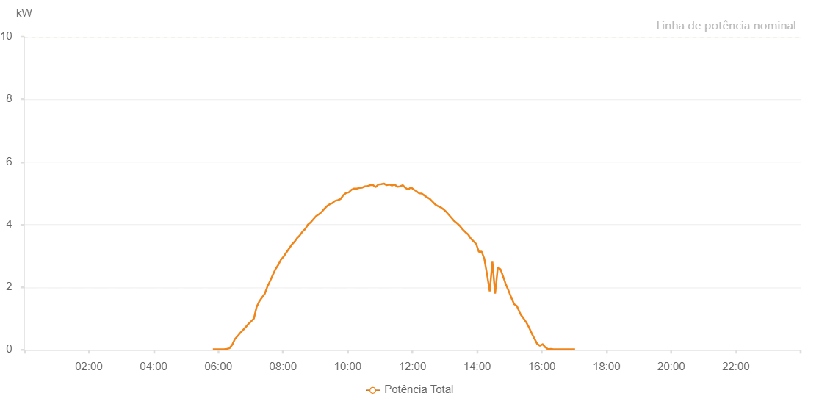

Number | Time | Working State | Alarm Code | Total Inverter Power(W)
1 | 14/07/2023 05:49:56 (UTC-4:00) | Normal |  | 20.000
2 | 14/07/2023 05:55:37 (UTC-4:00) | Normal |  | 20.000
3 | 14/07/2023 06:00:37 (UTC-4:00) | Normal |  | 20.000
4 | 14/07/2023 06:05:38 (UTC-4:00) | Normal |  | 20.000
5 | 14/07/2023 06:10:38 (UTC-4:00) | Normal |  | 20.000
6 | 14/07/2023 06:15:40 (UTC-4:00) | Normal |  | 30.000
7 | 14/07/2023 06:20:40 (UTC-4:00) | Normal |  | 50.000
8 | 14/07/2023 06:25:41 (UTC-4:00) | Normal |  | 160.000
9 | 14/07/2023 06:30:41 (UTC-4:00) | Normal |  | 340.000
10 | 14/07/2023 06:35:43 (UTC-4:00) | Normal |  | 440.000
11 | 14/07/2023 06:40:47 (UTC-4:00) | Normal |  | 540.000
12 | 14/07/2023 06:45:51 (UTC-4:00) | Normal |  | 630.000
13 | 14/07/2023 06:50:56 (UTC-4:00) | Normal |  | 730.000
14 | 14/07/2023 06:51:07 (UTC-4:00) | Normal |  | 730.000
15 | 14/07/2023 06:56:00 (UTC-4:00) | Normal |  | 830.000
16 | 14/07/2023 07:01:01 (UTC-4:00) | Normal |  | 910.000
17 | 14/07/2023 07:06:01 (UTC-4:00) | Normal |  | 1000.000
18 | 14/07/2023 07:11:03 (UTC-4:00) | Normal |  | 1370.000
19 | 14/07/2023 07:16:03 (UTC-4:00) | Normal |  | 1550.000
20 | 14/07/2023 07:21:04 (UTC-4:00) | Normal |  | 1670.000
21 | 14/07/2023 07:26:04 (UTC-4:00) | Normal |  | 1790.000
22 | 14/07/2023 07:31:05 (UTC-4:00) | Normal |  | 2020.000
23 | 14/07/2023 07:36:05 (UTC-4:00) | Normal |  | 2200.000
24 | 14/07/2023 07:41:05 (UTC-4:00) | Normal |  | 2390.000
25 | 14/07/2023 07:46:07 (UTC-4:00) | Normal |  | 2580.000
26 | 14/07/2023 07:51:07 (UTC-4:00) | Normal |  | 2710.000
27 | 14/07/2023 07:56:08 (UTC-4:00) | Normal |  | 2880.000
28 | 14/07/2023 08:01:10 (UTC-4:00) | Normal |  | 2980.000
29 | 14/07/2023 08:06:10 (UTC-4:00) | Normal |  | 3110.000
30 | 14/07/2023 08:11:11 (UTC-4:00) | Normal |  | 3230.000
31 | 14/07/2023 08:16:13 (UTC-4:00) | Normal |  | 3360.000
32 | 14/07/2023 08:21:14 (UTC-4:00) | Normal |  | 3450.000
33 | 14/07/2023 08:26:16 (UTC-4:00) | Normal |  | 3570.000
34 | 14/07/2023 08:31:14 (UTC-4:00) | Normal |  | 3660.000
35 | 14/07/2023 08:36:15 (UTC-4:00) | Normal |  | 3780.000
36 | 14/07/2023 08:41:15 (UTC-4:00) | Normal |  | 3860.000
37 | 14/07/2023 08:46:16 (UTC-4:00) | Normal |  | 4000.000
38 | 14/07/2023 08:51:16 (UTC-4:00) | Normal |  | 4070.000
39 | 14/07/2023 08:56:17 (UTC-4:00) | Normal |  | 4170.000
40 | 14/07/2023 09:01:19 (UTC-4:00) | Normal |  | 4270.000
41 | 14/07/2023 09:06:23 (UTC-4:00) | Normal |  | 4330.000
42 | 14/07/2023 09:11:28 (UTC-4:00) | Normal |  | 4400.000
43 | 14/07/2023 09:16:32 (UTC-4:00) | Normal |  | 4500.000
44 | 14/07/2023 09:21:36 (UTC-4:00) | Normal |  | 4590.000
45 | 14/07/2023 09:26:40 (UTC-4:00) | Normal |  | 4650.000
46 | 14/07/2023 09:31:44 (UTC-4:00) | Normal |  | 4690.000
47 | 14/07/2023 09:36:49 (UTC-4:00) | Normal |  | 4760.000
48 | 14/07/2023 09:41:53 (UTC-4:00) | Normal |  | 4780.000
49 | 14/07/2023 09:46:54 (UTC-4:00) | Normal |  | 4820.000
50 | 14/07/2023 09:51:54 (UTC-4:00) | Normal |  | 4940.000
51 | 14/07/2023 09:56:54 (UTC-4:00) | Normal |  | 5010.000
52 | 14/07/2023 10:01:55 (UTC-4:00) | Normal |  | 5030.000
53 | 14/07/2023 10:06:55 (UTC-4:00) | Normal |  | 5110.000
54 | 14/07/2023 10:11:55 (UTC-4:00) | Normal |  | 5150.000
55 | 14/07/2023 10:16:56 (UTC-4:00) | Normal |  | 5150.000
56 | 14/07/2023 10:21:56 (UTC-4:00) | Normal |  | 5170.000
57 | 14/07/2023 10:26:57 (UTC-4:00) | Normal |  | 5180.000
58 | 14/07/2023 10:31:57 (UTC-4:00) | Normal |  | 5220.000
59 | 14/07/2023 10:36:58 (UTC-4:00) | Normal |  | 5230.000
60 | 14/07/2023 10:41:59 (UTC-4:00) | Normal |  | 5260.000
61 | 14/07/2023 10:46:59 (UTC-4:00) | Normal |  | 5260.000
62 | 14/07/2023 10:52:00 (UTC-4:00) | Normal |  | 5200.000
63 | 14/07/2023 10:57:00 (UTC-4:00) | Normal |  | 5280.000
64 | 14/07/2023 11:02:01 (UTC-4:00) | Normal |  | 5290.000
65 | 14/07/2023 11:07:03 (UTC-4:00) | Normal |  | 5310.000
66 | 14/07/2023 11:12:05 (UTC-4:00) | Normal |  | 5260.000
67 | 14/07/2023 11:17:05 (UTC-4:00) | Normal |  | 5280.000
68 | 14/07/2023 11:22:06 (UTC-4:00) | Normal |  | 5250.000
69 | 14/07/2023 11:27:06 (UTC-4:00) | Normal |  | 5280.000
70 | 14/07/2023 11:32:07 (UTC-4:00) | Normal |  | 5210.000
71 | 14/07/2023 11:37:07 (UTC-4:00) | Normal |  | 5220.000
72 | 14/07/2023 11:42:07 (UTC-4:00) | Normal |  | 5260.000
73 | 14/07/2023 11:47:10 (UTC-4:00) | Normal |  | 5170.000
74 | 14/07/2023 11:52:15 (UTC-4:00) | Normal |  | 5120.000
75 | 14/07/2023 11:57:15 (UTC-4:00) | Normal |  | 5190.000
76 | 14/07/2023 12:02:16 (UTC-4:00) | Normal |  | 5120.000
77 | 14/07/2023 12:07:19 (UTC-4:00) | Normal |  | 5070.000
78 | 14/07/2023 12:12:19 (UTC-4:00) | Normal |  | 5000.000
79 | 14/07/2023 12:17:20 (UTC-4:00) | Normal |  | 4990.000
80 | 14/07/2023 12:22:20 (UTC-4:00) | Normal |  | 4930.000
81 | 14/07/2023 12:27:21 (UTC-4:00) | Normal |  | 4870.000
82 | 14/07/2023 12:32:21 (UTC-4:00) | Normal |  | 4820.000
83 | 14/07/2023 12:37:21 (UTC-4:00) | Normal |  | 4730.000
84 | 14/07/2023 12:42:22 (UTC-4:00) | Normal |  | 4640.000
85 | 14/07/2023 12:47:22 (UTC-4:00) | Normal |  | 4590.000
86 | 14/07/2023 12:52:24 (UTC-4:00) | Normal |  | 4550.000
87 | 14/07/2023 12:57:27 (UTC-4:00) | Normal |  | 4490.000
88 | 14/07/2023 13:02:31 (UTC-4:00) | Normal |  | 4410.000
89 | 14/07/2023 13:07:36 (UTC-4:00) | Normal |  | 4310.000
90 | 14/07/2023 13:12:40 (UTC-4:00) | Normal |  | 4210.000
91 | 14/07/2023 13:17:45 (UTC-4:00) | Normal |  | 4110.000
92 | 14/07/2023 13:22:49 (UTC-4:00) | Normal |  | 4040.000
93 | 14/07/2023 13:27:53 (UTC-4:00) | Normal |  | 3960.000
94 | 14/07/2023 13:32:58 (UTC-4:00) | Normal |  | 3850.000
95 | 14/07/2023 13:38:02 (UTC-4:00) | Normal |  | 3760.000
96 | 14/07/2023 13:43:07 (UTC-4:00) | Normal |  | 3690.000
97 | 14/07/2023 13:48:11 (UTC-4:00) | Normal |  | 3560.000
98 | 14/07/2023 13:53:16 (UTC-4:00) | Normal |  | 3470.000
99 | 14/07/2023 13:58:16 (UTC-4:00) | Normal |  | 3380.000
100 | 14/07/2023 14:03:16 (UTC-4:00) | Normal |  | 3130.000
101 | 14/07/2023 14:08:17 (UTC-4:00) | Normal |  | 3140.000
102 | 14/07/2023 14:13:18 (UTC-4:00) | Normal |  | 2910.000
103 | 14/07/2023 14:18:19 (UTC-4:00) | Normal |  | 2420.000
104 | 14/07/2023 14:23:19 (UTC-4:00) | Normal |  | 1870.000
105 | 14/07/2023 14:28:20 (UTC-4:00) | Normal |  | 2810.000
106 | 14/07/2023 14:33:22 (UTC-4:00) | Normal |  | 1800.000
107 | 14/07/2023 14:38:25 (UTC-4:00) | Normal |  | 2640.000
108 | 14/07/2023 14:43:25 (UTC-4:00) | Normal |  | 2570.000
109 | 14/07/2023 14:48:25 (UTC-4:00) | Normal |  | 2330.000
110 | 14/07/2023 14:53:26 (UTC-4:00) | Normal |  | 2080.000
111 | 14/07/2023 14:58:29 (UTC-4:00) | Normal |  | 1880.000
112 | 14/07/2023 15:03:34 (UTC-4:00) | Normal |  | 1660.000
113 | 14/07/2023 15:08:38 (UTC-4:00) | Normal |  | 1460.000
114 | 14/07/2023 15:13:39 (UTC-4:00) | Normal |  | 1400.000
115 | 14/07/2023 15:18:39 (UTC-4:00) | Normal |  | 1210.000
116 | 14/07/2023 15:21:05 (UTC-4:00) | Normal |  | 1120.000
117 | 14/07/2023 15:26:23 (UTC-4:00) | Normal |  | 1000.000
118 | 14/07/2023 15:31:23 (UTC-4:00) | Normal |  | 870.000
119 | 14/07/2023 15:36:23 (UTC-4:00) | Normal |  | 710.000
120 | 14/07/2023 15:41:24 (UTC-4:00) | Normal |  | 520.000
121 | 14/07/2023 15:46:36 (UTC-4:00) | Normal |  | 350.000
122 | 14/07/2023 15:51:22 (UTC-4:00) | Normal |  | 190.000
123 | 14/07/2023 15:56:26 (UTC-4:00) | Normal |  | 130.000
124 | 14/07/2023 16:01:30 (UTC-4:00) | Normal |  | 180.000
125 | 14/07/2023 16:01:41 (UTC-4:00) | Normal |  | 180.000
126 | 14/07/2023 16:06:30 (UTC-4:00) | Normal |  | 80.000
127 | 14/07/2023 16:11:30 (UTC-4:00) | Normal |  | 20.000
128 | 14/07/2023 16:16:30 (UTC-4:00) | Normal |  | 30.000
129 | 14/07/2023 16:21:36 (UTC-4:00) | Normal |  | 20.000
130 | 14/07/2023 16:26:31 (UTC-4:00) | Normal |  | 20.000
131 | 14/07/2023 16:31:31 (UTC-4:00) | Normal |  | 20.000
132 | 14/07/2023 16:36:36 (UTC-4:00) | Normal |  | 20.000
133 | 14/07/2023 16:41:31 (UTC-4:00) | Normal |  | 20.000
134 | 14/07/2023 16:46:31 (UTC-4:00) | Normal |  | 20.000
135 | 14/07/2023 16:51:32 (UTC-4:00) | Normal |  | 20.000
136 | 14/07/2023 16:56:32 (UTC-4:00) | Normal |  | 20.000
137 | 14/07/2023 17:01:36 (UTC-4:00) | Normal |  | 20.000

