Inverter History Report__17-08-
Inverter History Report_15/07/2023_Report

Inverter SN:054B7020C020044 |  | Inverter type:B7
Collector SN:4045086367 |  | Full Load Hours(h):3.37
Rated Power:10000Wp

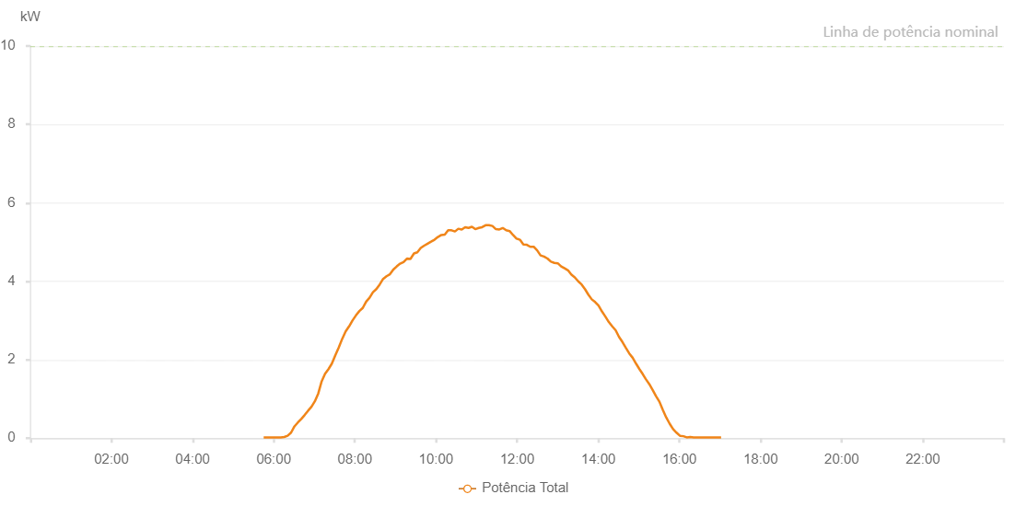

Number | Time | Working State | Alarm Code | Total Inverter Power(W)
1 | 15/07/2023 05:45:07 (UTC-4:00) | Normal |  | 20.000
2 | 15/07/2023 05:50:08 (UTC-4:00) | Normal |  | 20.000
3 | 15/07/2023 05:55:09 (UTC-4:00) | Normal |  | 20.000
4 | 15/07/2023 06:00:12 (UTC-4:00) | Normal |  | 20.000
5 | 15/07/2023 06:05:18 (UTC-4:00) | Normal |  | 20.000
6 | 15/07/2023 06:10:24 (UTC-4:00) | Normal |  | 20.000
7 | 15/07/2023 06:15:31 (UTC-4:00) | Normal |  | 30.000
8 | 15/07/2023 06:20:35 (UTC-4:00) | Normal |  | 60.000
9 | 15/07/2023 06:25:38 (UTC-4:00) | Normal |  | 140.000
10 | 15/07/2023 06:30:38 (UTC-4:00) | Normal |  | 300.000
11 | 15/07/2023 06:35:41 (UTC-4:00) | Normal |  | 400.000
12 | 15/07/2023 06:40:45 (UTC-4:00) | Normal |  | 490.000
13 | 15/07/2023 06:45:46 (UTC-4:00) | Normal |  | 590.000
14 | 15/07/2023 06:50:47 (UTC-4:00) | Normal |  | 700.000
15 | 15/07/2023 06:55:48 (UTC-4:00) | Normal |  | 800.000
16 | 15/07/2023 07:00:49 (UTC-4:00) | Normal |  | 940.000
17 | 15/07/2023 07:05:52 (UTC-4:00) | Normal |  | 1140.000
18 | 15/07/2023 07:10:54 (UTC-4:00) | Normal |  | 1450.000
19 | 15/07/2023 07:15:55 (UTC-4:00) | Normal |  | 1640.000
20 | 15/07/2023 07:20:56 (UTC-4:00) | Normal |  | 1760.000
21 | 15/07/2023 07:25:57 (UTC-4:00) | Normal |  | 1900.000
22 | 15/07/2023 07:31:02 (UTC-4:00) | Normal |  | 2110.000
23 | 15/07/2023 07:36:07 (UTC-4:00) | Normal |  | 2310.000
24 | 15/07/2023 07:41:13 (UTC-4:00) | Normal |  | 2530.000
25 | 15/07/2023 07:46:19 (UTC-4:00) | Normal |  | 2720.000
26 | 15/07/2023 07:51:23 (UTC-4:00) | Normal |  | 2850.000
27 | 15/07/2023 07:56:28 (UTC-4:00) | Normal |  | 3000.000
28 | 15/07/2023 08:01:33 (UTC-4:00) | Normal |  | 3130.000
29 | 15/07/2023 08:06:38 (UTC-4:00) | Normal |  | 3240.000
30 | 15/07/2023 08:11:39 (UTC-4:00) | Normal |  | 3320.000
31 | 15/07/2023 08:16:41 (UTC-4:00) | Normal |  | 3480.000
32 | 15/07/2023 08:21:42 (UTC-4:00) | Normal |  | 3580.000
33 | 15/07/2023 08:26:43 (UTC-4:00) | Normal |  | 3720.000
34 | 15/07/2023 08:31:44 (UTC-4:00) | Normal |  | 3800.000
35 | 15/07/2023 08:36:45 (UTC-4:00) | Normal |  | 3920.000
36 | 15/07/2023 08:41:46 (UTC-4:00) | Normal |  | 4060.000
37 | 15/07/2023 08:46:49 (UTC-4:00) | Normal |  | 4130.000
38 | 15/07/2023 08:51:51 (UTC-4:00) | Normal |  | 4180.000
39 | 15/07/2023 08:56:53 (UTC-4:00) | Normal |  | 4300.000
40 | 15/07/2023 09:01:54 (UTC-4:00) | Normal |  | 4380.000
41 | 15/07/2023 09:06:55 (UTC-4:00) | Normal |  | 4450.000
42 | 15/07/2023 09:11:58 (UTC-4:00) | Normal |  | 4490.000
43 | 15/07/2023 09:17:03 (UTC-4:00) | Normal |  | 4580.000
44 | 15/07/2023 09:22:08 (UTC-4:00) | Normal |  | 4570.000
45 | 15/07/2023 09:27:24 (UTC-4:00) | Normal |  | 4710.000
46 | 15/07/2023 09:32:21 (UTC-4:00) | Normal |  | 4740.000
47 | 15/07/2023 09:37:25 (UTC-4:00) | Normal |  | 4850.000
48 | 15/07/2023 09:42:30 (UTC-4:00) | Normal |  | 4910.000
49 | 15/07/2023 09:47:35 (UTC-4:00) | Normal |  | 4960.000
50 | 15/07/2023 09:52:42 (UTC-4:00) | Normal |  | 5010.000
51 | 15/07/2023 09:57:45 (UTC-4:00) | Normal |  | 5060.000
52 | 15/07/2023 10:02:51 (UTC-4:00) | Normal |  | 5130.000
53 | 15/07/2023 10:07:56 (UTC-4:00) | Normal |  | 5180.000
54 | 15/07/2023 10:12:57 (UTC-4:00) | Normal |  | 5190.000
55 | 15/07/2023 10:17:58 (UTC-4:00) | Normal |  | 5300.000
56 | 15/07/2023 10:22:59 (UTC-4:00) | Normal |  | 5300.000
57 | 15/07/2023 10:28:00 (UTC-4:00) | Normal |  | 5270.000
58 | 15/07/2023 10:33:01 (UTC-4:00) | Normal |  | 5340.000
59 | 15/07/2023 10:38:03 (UTC-4:00) | Normal |  | 5320.000
60 | 15/07/2023 10:43:04 (UTC-4:00) | Normal |  | 5380.000
61 | 15/07/2023 10:48:05 (UTC-4:00) | Normal |  | 5360.000
62 | 15/07/2023 10:53:07 (UTC-4:00) | Normal |  | 5390.000
63 | 15/07/2023 10:58:08 (UTC-4:00) | Normal |  | 5330.000
64 | 15/07/2023 11:03:09 (UTC-4:00) | Normal |  | 5360.000
65 | 15/07/2023 11:08:12 (UTC-4:00) | Normal |  | 5380.000
66 | 15/07/2023 11:13:16 (UTC-4:00) | Normal |  | 5430.000
67 | 15/07/2023 11:18:21 (UTC-4:00) | Normal |  | 5430.000
68 | 15/07/2023 11:23:28 (UTC-4:00) | Normal |  | 5410.000
69 | 15/07/2023 11:28:34 (UTC-4:00) | Normal |  | 5330.000
70 | 15/07/2023 11:33:37 (UTC-4:00) | Normal |  | 5320.000
71 | 15/07/2023 11:38:42 (UTC-4:00) | Normal |  | 5360.000
72 | 15/07/2023 11:43:47 (UTC-4:00) | Normal |  | 5300.000
73 | 15/07/2023 11:48:52 (UTC-4:00) | Normal |  | 5280.000
74 | 15/07/2023 11:53:57 (UTC-4:00) | Normal |  | 5180.000
75 | 15/07/2023 11:59:02 (UTC-4:00) | Normal |  | 5090.000
76 | 15/07/2023 12:04:07 (UTC-4:00) | Normal |  | 5060.000
77 | 15/07/2023 12:09:12 (UTC-4:00) | Normal |  | 4940.000
78 | 15/07/2023 12:09:23 (UTC-4:00) | Normal |  | 4940.000
79 | 15/07/2023 12:14:18 (UTC-4:00) | Normal |  | 4930.000
80 | 15/07/2023 12:19:23 (UTC-4:00) | Normal |  | 4880.000
81 | 15/07/2023 12:24:28 (UTC-4:00) | Normal |  | 4880.000
82 | 15/07/2023 12:29:33 (UTC-4:00) | Normal |  | 4790.000
83 | 15/07/2023 12:34:38 (UTC-4:00) | Normal |  | 4660.000
84 | 15/07/2023 12:39:44 (UTC-4:00) | Normal |  | 4630.000
85 | 15/07/2023 12:44:49 (UTC-4:00) | Normal |  | 4580.000
86 | 15/07/2023 12:49:54 (UTC-4:00) | Normal |  | 4500.000
87 | 15/07/2023 12:54:59 (UTC-4:00) | Normal |  | 4470.000
88 | 15/07/2023 13:00:05 (UTC-4:00) | Normal |  | 4460.000
89 | 15/07/2023 13:05:10 (UTC-4:00) | Normal |  | 4380.000
90 | 15/07/2023 13:10:11 (UTC-4:00) | Normal |  | 4330.000
91 | 15/07/2023 13:15:12 (UTC-4:00) | Normal |  | 4280.000
92 | 15/07/2023 13:20:13 (UTC-4:00) | Normal |  | 4170.000
93 | 15/07/2023 13:25:14 (UTC-4:00) | Normal |  | 4100.000
94 | 15/07/2023 13:30:16 (UTC-4:00) | Normal |  | 4000.000
95 | 15/07/2023 13:35:17 (UTC-4:00) | Normal |  | 3920.000
96 | 15/07/2023 13:40:18 (UTC-4:00) | Normal |  | 3800.000
97 | 15/07/2023 13:45:19 (UTC-4:00) | Normal |  | 3660.000
98 | 15/07/2023 13:50:20 (UTC-4:00) | Normal |  | 3540.000
99 | 15/07/2023 13:55:21 (UTC-4:00) | Normal |  | 3470.000
100 | 15/07/2023 14:00:22 (UTC-4:00) | Normal |  | 3380.000
101 | 15/07/2023 14:05:25 (UTC-4:00) | Normal |  | 3230.000
102 | 15/07/2023 14:10:30 (UTC-4:00) | Normal |  | 3100.000
103 | 15/07/2023 14:15:35 (UTC-4:00) | Normal |  | 2960.000
104 | 15/07/2023 14:20:40 (UTC-4:00) | Normal |  | 2850.000
105 | 15/07/2023 14:25:41 (UTC-4:00) | Normal |  | 2750.000
106 | 15/07/2023 14:30:42 (UTC-4:00) | Normal |  | 2580.000
107 | 15/07/2023 14:35:46 (UTC-4:00) | Normal |  | 2450.000
108 | 15/07/2023 14:40:48 (UTC-4:00) | Normal |  | 2300.000
109 | 15/07/2023 14:45:49 (UTC-4:00) | Normal |  | 2160.000
110 | 15/07/2023 14:50:50 (UTC-4:00) | Normal |  | 2050.000
111 | 15/07/2023 14:55:52 (UTC-4:00) | Normal |  | 1900.000
112 | 15/07/2023 15:00:53 (UTC-4:00) | Normal |  | 1760.000
113 | 15/07/2023 15:05:54 (UTC-4:00) | Normal |  | 1630.000
114 | 15/07/2023 15:10:05 (UTC-4:00) | Normal |  | 1510.000
115 | 15/07/2023 15:15:23 (UTC-4:00) | Normal |  | 1380.000
116 | 15/07/2023 15:20:24 (UTC-4:00) | Normal |  | 1230.000
117 | 15/07/2023 15:25:24 (UTC-4:00) | Normal |  | 1070.000
118 | 15/07/2023 15:30:25 (UTC-4:00) | Normal |  | 930.000
119 | 15/07/2023 15:35:25 (UTC-4:00) | Normal |  | 720.000
120 | 15/07/2023 15:40:26 (UTC-4:00) | Normal |  | 530.000
121 | 15/07/2023 15:45:30 (UTC-4:00) | Normal |  | 370.000
122 | 15/07/2023 15:50:35 (UTC-4:00) | Normal |  | 230.000
123 | 15/07/2023 15:55:39 (UTC-4:00) | Normal |  | 140.000
124 | 15/07/2023 16:00:44 (UTC-4:00) | Normal |  | 60.000
125 | 15/07/2023 16:05:48 (UTC-4:00) | Normal |  | 50.000
126 | 15/07/2023 16:10:53 (UTC-4:00) | Normal |  | 20.000
127 | 15/07/2023 16:15:57 (UTC-4:00) | Normal |  | 30.000
128 | 15/07/2023 16:21:02 (UTC-4:00) | Normal |  | 20.000
129 | 15/07/2023 16:26:08 (UTC-4:00) | Normal |  | 20.000
130 | 15/07/2023 16:31:12 (UTC-4:00) | Normal |  | 20.000
131 | 15/07/2023 16:36:21 (UTC-4:00) | Normal |  | 20.000
132 | 15/07/2023 16:41:20 (UTC-4:00) | Normal |  | 20.000
133 | 15/07/2023 16:46:24 (UTC-4:00) | Normal |  | 20.000
134 | 15/07/2023 16:51:29 (UTC-4:00) | Normal |  | 20.000
135 | 15/07/2023 16:56:33 (UTC-4:00) | Normal |  | 20.000
136 | 15/07/2023 17:01:38 (UTC-4:00) | Normal |  | 20.000

