Inverter History Report__17-08-
Inverter History Report_16/07/2023_Report

Inverter SN:054B7020C020044 |  | Inverter type:B7
Collector SN:4045086367 |  | Full Load Hours(h):2.55
Rated Power:10000Wp

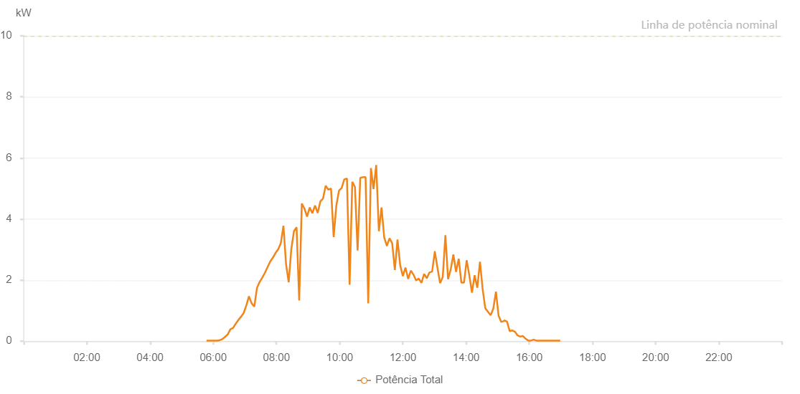

Number | Time | Working State | Alarm Code | Total Inverter Power(W)
1 | 16/07/2023 05:47:12 (UTC-4:00) | Normal |  | 20.000
2 | 16/07/2023 05:52:11 (UTC-4:00) | Normal |  | 20.000
3 | 16/07/2023 05:57:10 (UTC-4:00) | Normal |  | 20.000
4 | 16/07/2023 06:02:12 (UTC-4:00) | Normal |  | 20.000
5 | 16/07/2023 06:07:15 (UTC-4:00) | Normal |  | 20.000
6 | 16/07/2023 06:12:20 (UTC-4:00) | Normal |  | 30.000
7 | 16/07/2023 06:17:21 (UTC-4:00) | Normal |  | 70.000
8 | 16/07/2023 06:22:25 (UTC-4:00) | Normal |  | 140.000
9 | 16/07/2023 06:27:28 (UTC-4:00) | Normal |  | 220.000
10 | 16/07/2023 06:32:32 (UTC-4:00) | Normal |  | 390.000
11 | 16/07/2023 06:37:36 (UTC-4:00) | Normal |  | 430.000
12 | 16/07/2023 06:42:39 (UTC-4:00) | Normal |  | 570.000
13 | 16/07/2023 06:47:39 (UTC-4:00) | Normal |  | 690.000
14 | 16/07/2023 06:52:42 (UTC-4:00) | Normal |  | 800.000
15 | 16/07/2023 06:57:45 (UTC-4:00) | Normal |  | 920.000
16 | 16/07/2023 07:02:48 (UTC-4:00) | Normal |  | 1170.000
17 | 16/07/2023 07:07:52 (UTC-4:00) | Normal |  | 1470.000
18 | 16/07/2023 07:12:55 (UTC-4:00) | Normal |  | 1240.000
19 | 16/07/2023 07:17:58 (UTC-4:00) | Normal |  | 1130.000
20 | 16/07/2023 07:23:01 (UTC-4:00) | Normal |  | 1740.000
21 | 16/07/2023 07:28:03 (UTC-4:00) | Normal |  | 1940.000
22 | 16/07/2023 07:33:07 (UTC-4:00) | Normal |  | 2080.000
23 | 16/07/2023 07:38:10 (UTC-4:00) | Normal |  | 2240.000
24 | 16/07/2023 07:43:14 (UTC-4:00) | Normal |  | 2430.000
25 | 16/07/2023 07:48:17 (UTC-4:00) | Normal |  | 2610.000
26 | 16/07/2023 07:53:20 (UTC-4:00) | Normal |  | 2740.000
27 | 16/07/2023 07:53:31 (UTC-4:00) | Normal |  | 2740.000
28 | 16/07/2023 07:58:21 (UTC-4:00) | Normal |  | 2890.000
29 | 16/07/2023 08:03:20 (UTC-4:00) | Normal |  | 3010.000
30 | 16/07/2023 08:08:19 (UTC-4:00) | Normal |  | 3210.000
31 | 16/07/2023 08:13:18 (UTC-4:00) | Normal |  | 3780.000
32 | 16/07/2023 08:18:19 (UTC-4:00) | Normal |  | 2510.000
33 | 16/07/2023 08:23:16 (UTC-4:00) | Normal |  | 1930.000
34 | 16/07/2023 08:28:15 (UTC-4:00) | Normal |  | 3020.000
35 | 16/07/2023 08:33:16 (UTC-4:00) | Normal |  | 3600.000
36 | 16/07/2023 08:38:13 (UTC-4:00) | Normal |  | 3730.000
37 | 16/07/2023 08:43:12 (UTC-4:00) | Normal |  | 1330.000
38 | 16/07/2023 08:48:11 (UTC-4:00) | Normal |  | 4510.000
39 | 16/07/2023 08:53:10 (UTC-4:00) | Normal |  | 4340.000
40 | 16/07/2023 08:58:08 (UTC-4:00) | Normal |  | 4080.000
41 | 16/07/2023 09:03:10 (UTC-4:00) | Normal |  | 4380.000
42 | 16/07/2023 09:08:13 (UTC-4:00) | Normal |  | 4190.000
43 | 16/07/2023 09:13:18 (UTC-4:00) | Normal |  | 4440.000
44 | 16/07/2023 09:18:20 (UTC-4:00) | Normal |  | 4200.000
45 | 16/07/2023 09:23:23 (UTC-4:00) | Normal |  | 4580.000
46 | 16/07/2023 09:28:26 (UTC-4:00) | Normal |  | 4670.000
47 | 16/07/2023 09:33:29 (UTC-4:00) | Normal |  | 5090.000
48 | 16/07/2023 09:38:33 (UTC-4:00) | Normal |  | 4960.000
49 | 16/07/2023 09:43:38 (UTC-4:00) | Normal |  | 5000.000
50 | 16/07/2023 09:48:39 (UTC-4:00) | Normal |  | 3410.000
51 | 16/07/2023 09:53:43 (UTC-4:00) | Normal |  | 4440.000
52 | 16/07/2023 09:58:45 (UTC-4:00) | Normal |  | 4930.000
53 | 16/07/2023 10:03:50 (UTC-4:00) | Normal |  | 5020.000
54 | 16/07/2023 10:08:52 (UTC-4:00) | Normal |  | 5300.000
55 | 16/07/2023 10:13:53 (UTC-4:00) | Normal |  | 5330.000
56 | 16/07/2023 10:18:55 (UTC-4:00) | Normal |  | 1850.000
57 | 16/07/2023 10:24:02 (UTC-4:00) | Normal |  | 5220.000
58 | 16/07/2023 10:29:01 (UTC-4:00) | Normal |  | 5050.000
59 | 16/07/2023 10:34:06 (UTC-4:00) | Normal |  | 2970.000
60 | 16/07/2023 10:39:07 (UTC-4:00) | Normal |  | 5350.000
61 | 16/07/2023 10:44:10 (UTC-4:00) | Normal |  | 5370.000
62 | 16/07/2023 10:49:13 (UTC-4:00) | Normal |  | 5370.000
63 | 16/07/2023 10:54:16 (UTC-4:00) | Normal |  | 1240.000
64 | 16/07/2023 10:59:22 (UTC-4:00) | Normal |  | 5670.000
65 | 16/07/2023 11:04:23 (UTC-4:00) | Normal |  | 4980.000
66 | 16/07/2023 11:09:26 (UTC-4:00) | Normal |  | 5770.000
67 | 16/07/2023 11:14:29 (UTC-4:00) | Normal |  | 3600.000
68 | 16/07/2023 11:19:32 (UTC-4:00) | Normal |  | 4380.000
69 | 16/07/2023 11:24:37 (UTC-4:00) | Normal |  | 3400.000
70 | 16/07/2023 11:29:39 (UTC-4:00) | Normal |  | 3120.000
71 | 16/07/2023 11:34:42 (UTC-4:00) | Normal |  | 3370.000
72 | 16/07/2023 11:39:44 (UTC-4:00) | Normal |  | 3210.000
73 | 16/07/2023 11:44:48 (UTC-4:00) | Normal |  | 2330.000
74 | 16/07/2023 11:49:51 (UTC-4:00) | Normal |  | 3330.000
75 | 16/07/2023 11:54:55 (UTC-4:00) | Normal |  | 2490.000
76 | 16/07/2023 11:59:58 (UTC-4:00) | Normal |  | 2130.000
77 | 16/07/2023 12:05:00 (UTC-4:00) | Normal |  | 2410.000
78 | 16/07/2023 12:10:03 (UTC-4:00) | Normal |  | 2040.000
79 | 16/07/2023 12:15:06 (UTC-4:00) | Normal |  | 2310.000
80 | 16/07/2023 12:20:10 (UTC-4:00) | Normal |  | 2180.000
81 | 16/07/2023 12:25:14 (UTC-4:00) | Normal |  | 1990.000
82 | 16/07/2023 12:30:16 (UTC-4:00) | Normal |  | 2050.000
83 | 16/07/2023 12:35:19 (UTC-4:00) | Normal |  | 1910.000
84 | 16/07/2023 12:40:23 (UTC-4:00) | Normal |  | 2200.000
85 | 16/07/2023 12:45:26 (UTC-4:00) | Normal |  | 2060.000
86 | 16/07/2023 12:50:30 (UTC-4:00) | Normal |  | 2250.000
87 | 16/07/2023 12:55:38 (UTC-4:00) | Normal |  | 2280.000
88 | 16/07/2023 13:00:35 (UTC-4:00) | Normal |  | 2930.000
89 | 16/07/2023 13:00:45 (UTC-4:00) | Normal |  | 2930.000
90 | 16/07/2023 13:05:40 (UTC-4:00) | Normal |  | 2410.000
91 | 16/07/2023 13:10:41 (UTC-4:00) | Normal |  | 1900.000
92 | 16/07/2023 13:15:45 (UTC-4:00) | Normal |  | 2100.000
93 | 16/07/2023 13:20:48 (UTC-4:00) | Normal |  | 3470.000
94 | 16/07/2023 13:25:50 (UTC-4:00) | Normal |  | 2030.000
95 | 16/07/2023 13:30:53 (UTC-4:00) | Normal |  | 2350.000
96 | 16/07/2023 13:35:56 (UTC-4:00) | Normal |  | 2840.000
97 | 16/07/2023 13:41:01 (UTC-4:00) | Normal |  | 2270.000
98 | 16/07/2023 13:46:04 (UTC-4:00) | Normal |  | 2700.000
99 | 16/07/2023 13:51:06 (UTC-4:00) | Normal |  | 1920.000
100 | 16/07/2023 13:56:08 (UTC-4:00) | Normal |  | 1920.000
101 | 16/07/2023 14:01:10 (UTC-4:00) | Normal |  | 2650.000
102 | 16/07/2023 14:06:13 (UTC-4:00) | Normal |  | 2150.000
103 | 16/07/2023 14:11:16 (UTC-4:00) | Normal |  | 1590.000
104 | 16/07/2023 14:16:19 (UTC-4:00) | Normal |  | 2160.000
105 | 16/07/2023 14:21:23 (UTC-4:00) | Normal |  | 1750.000
106 | 16/07/2023 14:26:26 (UTC-4:00) | Normal |  | 2600.000
107 | 16/07/2023 14:31:29 (UTC-4:00) | Normal |  | 1710.000
108 | 16/07/2023 14:36:32 (UTC-4:00) | Normal |  | 1080.000
109 | 16/07/2023 14:41:37 (UTC-4:00) | Normal |  | 960.000
110 | 16/07/2023 14:46:40 (UTC-4:00) | Normal |  | 850.000
111 | 16/07/2023 14:51:42 (UTC-4:00) | Normal |  | 1060.000
112 | 16/07/2023 14:56:47 (UTC-4:00) | Normal |  | 1620.000
113 | 16/07/2023 15:01:48 (UTC-4:00) | Normal |  | 830.000
114 | 16/07/2023 15:06:51 (UTC-4:00) | Normal |  | 630.000
115 | 16/07/2023 15:11:54 (UTC-4:00) | Normal |  | 660.000
116 | 16/07/2023 15:12:31 (UTC-4:00) | Normal |  | 680.000
117 | 16/07/2023 15:17:49 (UTC-4:00) | Normal |  | 640.000
118 | 16/07/2023 15:22:49 (UTC-4:00) | Normal |  | 330.000
119 | 16/07/2023 15:27:51 (UTC-4:00) | Normal |  | 350.000
120 | 16/07/2023 15:32:51 (UTC-4:00) | Normal |  | 310.000
121 | 16/07/2023 15:37:52 (UTC-4:00) | Normal |  | 190.000
122 | 16/07/2023 15:42:53 (UTC-4:00) | Normal |  | 150.000
123 | 16/07/2023 15:47:55 (UTC-4:00) | Normal |  | 170.000
124 | 16/07/2023 15:53:00 (UTC-4:00) | Normal |  | 80.000
125 | 16/07/2023 15:58:05 (UTC-4:00) | Normal |  | 20.000
126 | 16/07/2023 16:03:09 (UTC-4:00) | Normal |  | 20.000
127 | 16/07/2023 16:08:14 (UTC-4:00) | Normal |  | 50.000
128 | 16/07/2023 16:13:18 (UTC-4:00) | Normal |  | 20.000
129 | 16/07/2023 16:18:23 (UTC-4:00) | Normal |  | 20.000
130 | 16/07/2023 16:23:28 (UTC-4:00) | Normal |  | 20.000
131 | 16/07/2023 16:28:32 (UTC-4:00) | Normal |  | 20.000
132 | 16/07/2023 16:33:37 (UTC-4:00) | Normal |  | 20.000
133 | 16/07/2023 16:33:48 (UTC-4:00) | Normal |  | 20.000
134 | 16/07/2023 16:38:42 (UTC-4:00) | Normal |  | 20.000
135 | 16/07/2023 16:43:46 (UTC-4:00) | Normal |  | 20.000
136 | 16/07/2023 16:48:51 (UTC-4:00) | Normal |  | 20.000
137 | 16/07/2023 16:49:02 (UTC-4:00) | Normal |  | 20.000
138 | 16/07/2023 16:53:51 (UTC-4:00) | Normal |  | 20.000
139 | 16/07/2023 16:58:52 (UTC-4:00) | Normal |  | 20.000

