Inverter History Report__17-08-
Inverter History Report_17/07/2023_Report

Inverter SN:054B7020C020044 |  | Inverter type:B7
Collector SN:4045086367 |  | Full Load Hours(h):2.32
Rated Power:10000Wp

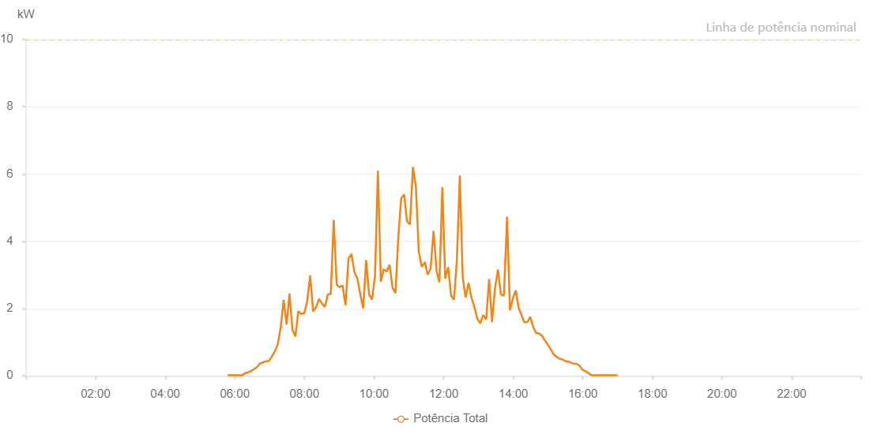

Number | Time | Working State | Alarm Code | Total Inverter Power(W)
1 | 17/07/2023 05:47:43 (UTC-4:00) | Normal |  | 20.000
2 | 17/07/2023 05:52:44 (UTC-4:00) | Normal |  | 20.000
3 | 17/07/2023 05:57:45 (UTC-4:00) | Normal |  | 20.000
4 | 17/07/2023 06:02:47 (UTC-4:00) | Normal |  | 20.000
5 | 17/07/2023 06:07:54 (UTC-4:00) | Normal |  | 20.000
6 | 17/07/2023 06:13:01 (UTC-4:00) | Normal |  | 20.000
7 | 17/07/2023 06:18:02 (UTC-4:00) | Normal |  | 80.000
8 | 17/07/2023 06:23:07 (UTC-4:00) | Normal |  | 100.000
9 | 17/07/2023 06:28:25 (UTC-4:00) | Normal |  | 150.000
10 | 17/07/2023 06:33:18 (UTC-4:00) | Normal |  | 200.000
11 | 17/07/2023 06:33:29 (UTC-4:00) | Normal |  | 200.000
12 | 17/07/2023 06:38:25 (UTC-4:00) | Normal |  | 260.000
13 | 17/07/2023 06:43:27 (UTC-4:00) | Normal |  | 370.000
14 | 17/07/2023 06:43:43 (UTC-4:00) | Normal |  | 370.000
15 | 17/07/2023 06:48:32 (UTC-4:00) | Normal |  | 400.000
16 | 17/07/2023 06:53:37 (UTC-4:00) | Normal |  | 430.000
17 | 17/07/2023 06:58:42 (UTC-4:00) | Normal |  | 440.000
18 | 17/07/2023 07:03:47 (UTC-4:00) | Normal |  | 570.000
19 | 17/07/2023 07:08:52 (UTC-4:00) | Normal |  | 720.000
20 | 17/07/2023 07:13:57 (UTC-4:00) | Normal |  | 930.000
21 | 17/07/2023 07:19:02 (UTC-4:00) | Normal |  | 1430.000
22 | 17/07/2023 07:24:09 (UTC-4:00) | Normal |  | 2260.000
23 | 17/07/2023 07:29:15 (UTC-4:00) | Normal |  | 1520.000
24 | 17/07/2023 07:34:17 (UTC-4:00) | Normal |  | 2450.000
25 | 17/07/2023 07:39:22 (UTC-4:00) | Normal |  | 1370.000
26 | 17/07/2023 07:44:27 (UTC-4:00) | Normal |  | 1170.000
27 | 17/07/2023 07:49:32 (UTC-4:00) | Normal |  | 1920.000
28 | 17/07/2023 07:54:36 (UTC-4:00) | Normal |  | 1840.000
29 | 17/07/2023 07:59:42 (UTC-4:00) | Normal |  | 1860.000
30 | 17/07/2023 08:04:48 (UTC-4:00) | Normal |  | 2220.000
31 | 17/07/2023 08:09:52 (UTC-4:00) | Normal |  | 2990.000
32 | 17/07/2023 08:14:56 (UTC-4:00) | Normal |  | 1920.000
33 | 17/07/2023 08:15:07 (UTC-4:00) | Normal |  | 1920.000
34 | 17/07/2023 08:20:01 (UTC-4:00) | Normal |  | 2030.000
35 | 17/07/2023 08:25:07 (UTC-4:00) | Normal |  | 2280.000
36 | 17/07/2023 08:25:17 (UTC-4:00) | Normal |  | 2280.000
37 | 17/07/2023 08:30:11 (UTC-4:00) | Normal |  | 2150.000
38 | 17/07/2023 08:35:17 (UTC-4:00) | Normal |  | 2050.000
39 | 17/07/2023 08:40:21 (UTC-4:00) | Normal |  | 2420.000
40 | 17/07/2023 08:45:26 (UTC-4:00) | Normal |  | 2430.000
41 | 17/07/2023 08:50:33 (UTC-4:00) | Normal |  | 4630.000
42 | 17/07/2023 08:55:36 (UTC-4:00) | Normal |  | 2710.000
43 | 17/07/2023 09:00:41 (UTC-4:00) | Normal |  | 2630.000
44 | 17/07/2023 09:05:46 (UTC-4:00) | Normal |  | 2690.000
45 | 17/07/2023 09:10:51 (UTC-4:00) | Normal |  | 2100.000
46 | 17/07/2023 09:15:56 (UTC-4:00) | Normal |  | 3490.000
47 | 17/07/2023 09:21:01 (UTC-4:00) | Normal |  | 3620.000
48 | 17/07/2023 09:26:06 (UTC-4:00) | Normal |  | 3090.000
49 | 17/07/2023 09:31:11 (UTC-4:00) | Normal |  | 2900.000
50 | 17/07/2023 09:36:15 (UTC-4:00) | Normal |  | 2430.000
51 | 17/07/2023 09:41:20 (UTC-4:00) | Normal |  | 2010.000
52 | 17/07/2023 09:46:25 (UTC-4:00) | Normal |  | 3440.000
53 | 17/07/2023 09:51:30 (UTC-4:00) | Normal |  | 2410.000
54 | 17/07/2023 09:56:35 (UTC-4:00) | Normal |  | 2270.000
55 | 17/07/2023 10:01:39 (UTC-4:00) | Normal |  | 2970.000
56 | 17/07/2023 10:06:44 (UTC-4:00) | Normal |  | 6100.000
57 | 17/07/2023 10:11:45 (UTC-4:00) | Normal |  | 2800.000
58 | 17/07/2023 10:16:46 (UTC-4:00) | Normal |  | 3170.000
59 | 17/07/2023 10:21:47 (UTC-4:00) | Normal |  | 3100.000
60 | 17/07/2023 10:26:48 (UTC-4:00) | Normal |  | 3300.000
61 | 17/07/2023 10:31:49 (UTC-4:00) | Normal |  | 2630.000
62 | 17/07/2023 10:36:50 (UTC-4:00) | Normal |  | 2470.000
63 | 17/07/2023 10:37:01 (UTC-4:00) | Normal |  | 2470.000
64 | 17/07/2023 10:41:51 (UTC-4:00) | Normal |  | 4140.000
65 | 17/07/2023 10:46:52 (UTC-4:00) | Normal |  | 5280.000
66 | 17/07/2023 10:51:53 (UTC-4:00) | Normal |  | 5390.000
67 | 17/07/2023 10:56:55 (UTC-4:00) | Normal |  | 4590.000
68 | 17/07/2023 10:57:06 (UTC-4:00) | Normal |  | 4590.000
69 | 17/07/2023 11:01:58 (UTC-4:00) | Normal |  | 4500.000
70 | 17/07/2023 11:07:03 (UTC-4:00) | Normal |  | 6210.000
71 | 17/07/2023 11:12:08 (UTC-4:00) | Normal |  | 5640.000
72 | 17/07/2023 11:17:13 (UTC-4:00) | Normal |  | 3680.000
73 | 17/07/2023 11:22:18 (UTC-4:00) | Normal |  | 3240.000
74 | 17/07/2023 11:27:23 (UTC-4:00) | Normal |  | 3370.000
75 | 17/07/2023 11:27:48 (UTC-4:00) | Normal |  | 3370.000
76 | 17/07/2023 11:32:27 (UTC-4:00) | Normal |  | 3010.000
77 | 17/07/2023 11:37:32 (UTC-4:00) | Normal |  | 3190.000
78 | 17/07/2023 11:42:37 (UTC-4:00) | Normal |  | 4310.000
79 | 17/07/2023 11:47:42 (UTC-4:00) | Normal |  | 3130.000
80 | 17/07/2023 11:52:43 (UTC-4:00) | Normal |  | 2780.000
81 | 17/07/2023 11:57:44 (UTC-4:00) | Normal |  | 5610.000
82 | 17/07/2023 12:02:47 (UTC-4:00) | Normal |  | 2890.000
83 | 17/07/2023 12:07:48 (UTC-4:00) | Normal |  | 3230.000
84 | 17/07/2023 12:12:49 (UTC-4:00) | Normal |  | 2380.000
85 | 17/07/2023 12:17:50 (UTC-4:00) | Normal |  | 2260.000
86 | 17/07/2023 12:22:51 (UTC-4:00) | Normal |  | 3440.000
87 | 17/07/2023 12:27:53 (UTC-4:00) | Normal |  | 5960.000
88 | 17/07/2023 12:32:54 (UTC-4:00) | Normal |  | 2930.000
89 | 17/07/2023 12:37:55 (UTC-4:00) | Normal |  | 2330.000
90 | 17/07/2023 12:42:56 (UTC-4:00) | Normal |  | 2760.000
91 | 17/07/2023 12:47:56 (UTC-4:00) | Normal |  | 2330.000
92 | 17/07/2023 12:53:00 (UTC-4:00) | Normal |  | 2050.000
93 | 17/07/2023 12:58:05 (UTC-4:00) | Normal |  | 1690.000
94 | 17/07/2023 12:58:16 (UTC-4:00) | Normal |  | 1690.000
95 | 17/07/2023 13:03:10 (UTC-4:00) | Normal |  | 1560.000
96 | 17/07/2023 13:08:15 (UTC-4:00) | Normal |  | 1810.000
97 | 17/07/2023 13:13:20 (UTC-4:00) | Normal |  | 1670.000
98 | 17/07/2023 13:18:25 (UTC-4:00) | Normal |  | 2870.000
99 | 17/07/2023 13:23:29 (UTC-4:00) | Normal |  | 1600.000
100 | 17/07/2023 13:28:34 (UTC-4:00) | Normal |  | 2600.000
101 | 17/07/2023 13:33:39 (UTC-4:00) | Normal |  | 3160.000
102 | 17/07/2023 13:38:44 (UTC-4:00) | Normal |  | 2420.000
103 | 17/07/2023 13:38:55 (UTC-4:00) | Normal |  | 2420.000
104 | 17/07/2023 13:43:45 (UTC-4:00) | Normal |  | 2380.000
105 | 17/07/2023 13:44:08 (UTC-4:00) | Normal |  | 2460.000
106 | 17/07/2023 13:49:24 (UTC-4:00) | Normal |  | 4730.000
107 | 17/07/2023 13:54:23 (UTC-4:00) | Normal |  | 1950.000
108 | 17/07/2023 13:59:23 (UTC-4:00) | Normal |  | 2300.000
109 | 17/07/2023 14:04:20 (UTC-4:00) | Normal |  | 2540.000
110 | 17/07/2023 14:09:18 (UTC-4:00) | Normal |  | 2020.000
111 | 17/07/2023 14:14:17 (UTC-4:00) | Normal |  | 1800.000
112 | 17/07/2023 14:19:16 (UTC-4:00) | Normal |  | 1590.000
113 | 17/07/2023 14:24:20 (UTC-4:00) | Normal |  | 1600.000
114 | 17/07/2023 14:24:33 (UTC-4:00) | Normal |  | 1600.000
115 | 17/07/2023 14:29:20 (UTC-4:00) | Normal |  | 1750.000
116 | 17/07/2023 14:34:23 (UTC-4:00) | Normal |  | 1460.000
117 | 17/07/2023 14:39:25 (UTC-4:00) | Normal |  | 1270.000
118 | 17/07/2023 14:44:28 (UTC-4:00) | Normal |  | 1260.000
119 | 17/07/2023 14:49:30 (UTC-4:00) | Normal |  | 1190.000
120 | 17/07/2023 14:55:03 (UTC-4:00) | Normal |  | 1040.000
121 | 17/07/2023 14:59:31 (UTC-4:00) | Normal |  | 930.000
122 | 17/07/2023 15:04:30 (UTC-4:00) | Normal |  | 790.000
123 | 17/07/2023 15:09:29 (UTC-4:00) | Normal |  | 640.000
124 | 17/07/2023 15:14:28 (UTC-4:00) | Normal |  | 570.000
125 | 17/07/2023 15:19:26 (UTC-4:00) | Normal |  | 510.000
126 | 17/07/2023 15:24:25 (UTC-4:00) | Normal |  | 490.000
127 | 17/07/2023 15:29:23 (UTC-4:00) | Normal |  | 440.000
128 | 17/07/2023 15:34:22 (UTC-4:00) | Normal |  | 430.000
129 | 17/07/2023 15:39:21 (UTC-4:00) | Normal |  | 390.000
130 | 17/07/2023 15:44:19 (UTC-4:00) | Normal |  | 360.000
131 | 17/07/2023 15:49:18 (UTC-4:00) | Normal |  | 360.000
132 | 17/07/2023 15:54:20 (UTC-4:00) | Normal |  | 300.000
133 | 17/07/2023 15:59:22 (UTC-4:00) | Normal |  | 180.000
134 | 17/07/2023 16:04:25 (UTC-4:00) | Normal |  | 140.000
135 | 17/07/2023 16:09:27 (UTC-4:00) | Normal |  | 80.000
136 | 17/07/2023 16:14:30 (UTC-4:00) | Normal |  | 20.000
137 | 17/07/2023 16:19:32 (UTC-4:00) | Normal |  | 20.000
138 | 17/07/2023 16:24:35 (UTC-4:00) | Normal |  | 20.000
139 | 17/07/2023 16:29:37 (UTC-4:00) | Normal |  | 20.000
140 | 17/07/2023 16:34:40 (UTC-4:00) | Normal |  | 20.000
141 | 17/07/2023 16:39:43 (UTC-4:00) | Normal |  | 20.000
142 | 17/07/2023 16:44:46 (UTC-4:00) | Normal |  | 20.000
143 | 17/07/2023 16:49:48 (UTC-4:00) | Normal |  | 20.000
144 | 17/07/2023 16:54:51 (UTC-4:00) | Normal |  | 20.000
145 | 17/07/2023 16:59:54 (UTC-4:00) | Normal |  | 20.000

